Finance Executive View
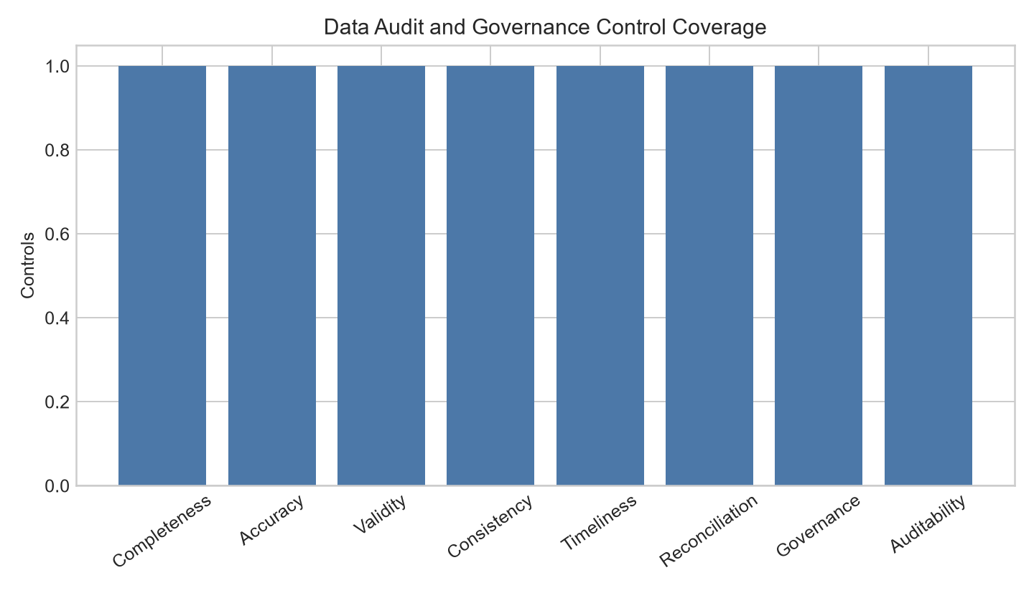
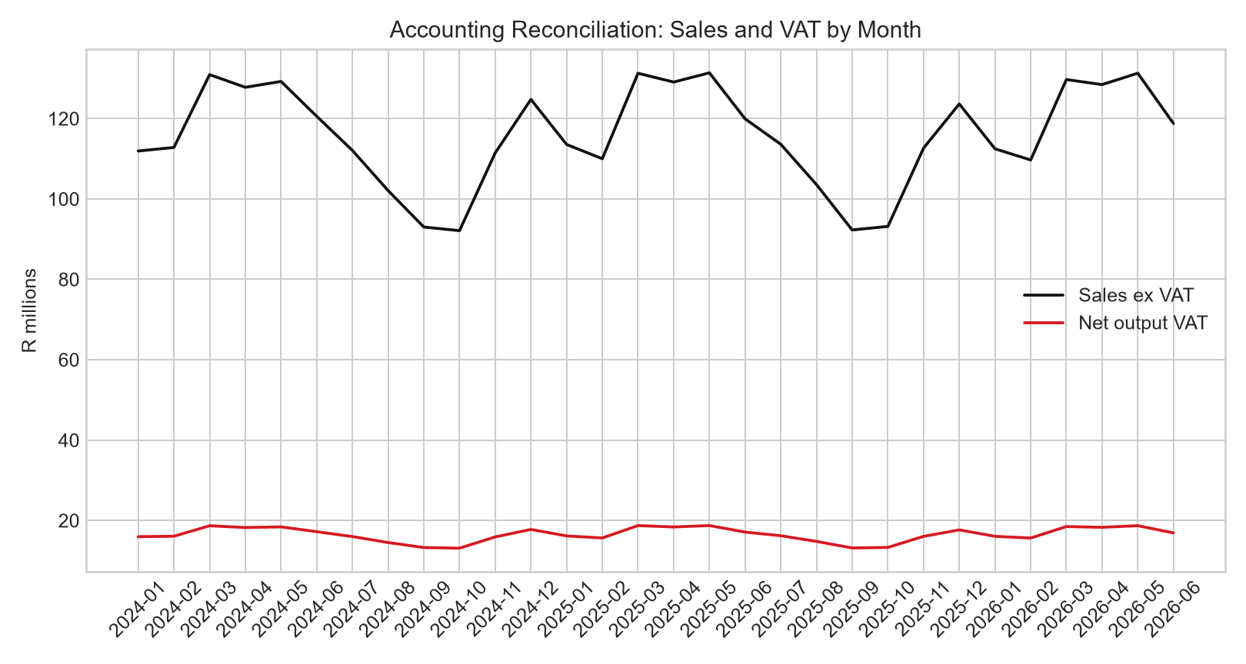
Accounting Reconciliation, Data Audit, Governance and SAP Integration Pack
Finance-grade demo layer for sales-to-ledger controls, SAP source fit, VAT and data governance.
Item | Value
Fact rows reconciled | 2000000
VAT basis | South Africa standard VAT modeled at 15%; consumer ecommerce revenue treated as VAT-inclusive.
System-of-record recommendation | Use SAP Business One/SAP BW for posted finance; Fabric for analytics and reconciliation.
SAP Hybris / Commerce Cloud | Optional ecommerce source, not required for this demo.
Accounting status | Demo reconciliation model, not statutory financial statements.

