Regional Data (Real)
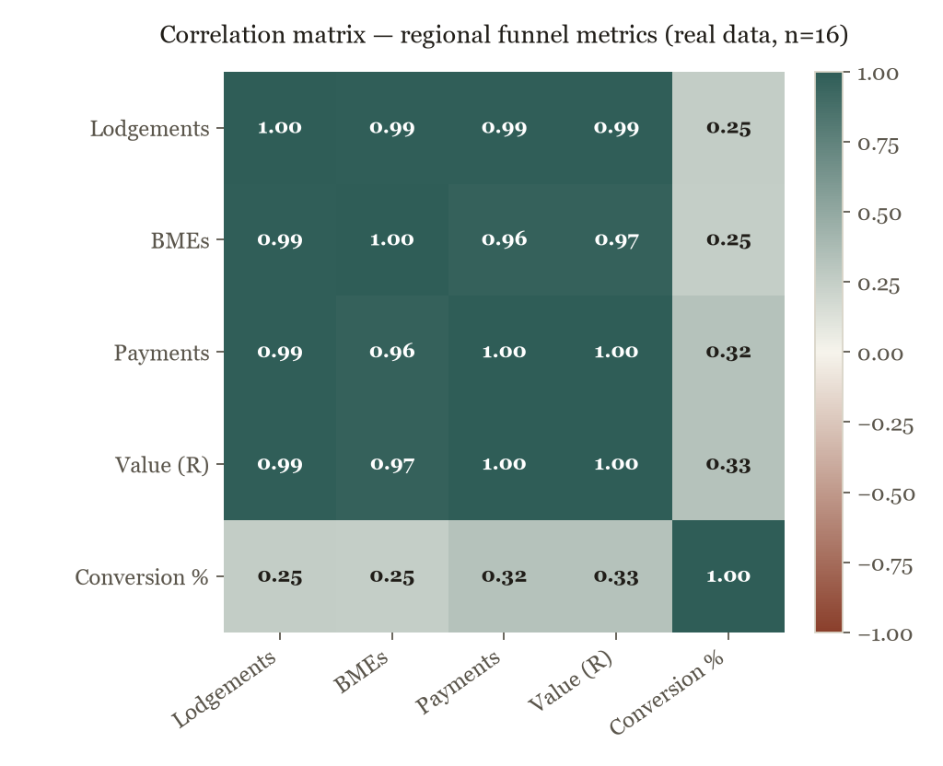
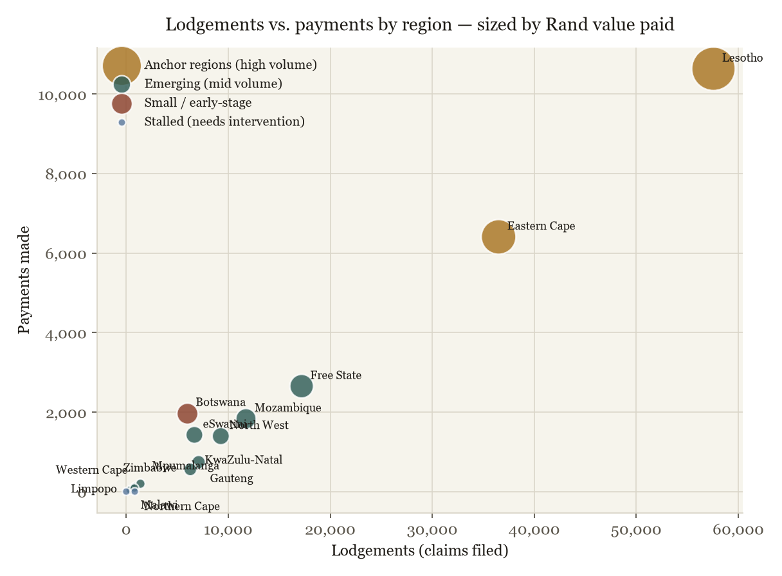
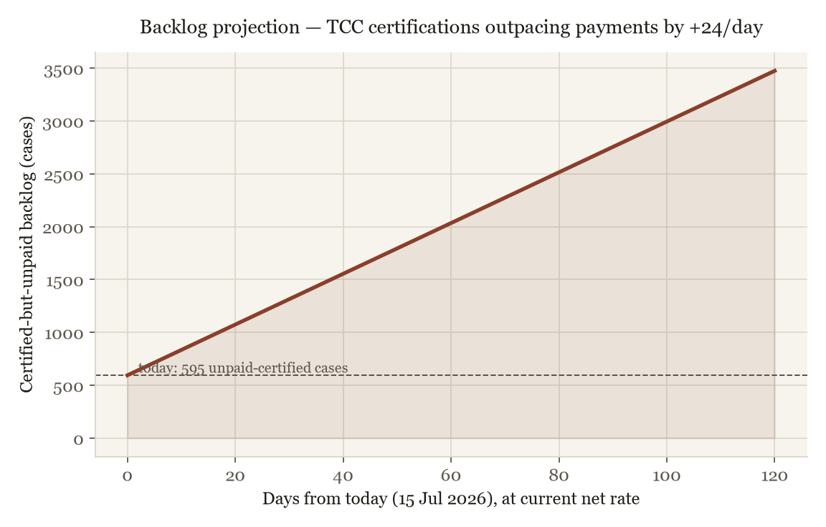
Regional Intelligence. Real Data & ML
Source: Tshiamiso Trust Progress Report, tshiamisotrust.com, reported as at 15 July 2026. Blue cells are the published source figures; grey cells are live formulas.

Region | Lodgements | BMEs | Payments | Value Paid (R) | Conversion Rate | Value per Payment | ML Cluster
South Africa (aggregate) | 79,761 | 44,976 | 12,193 | R1,196,531,716
Eastern Cape | 36,503 | 18,853 | 6,405 | R626,818,910 |  |  | Anchor (high volume)
Lesotho | 57,565 | 23,274 | 10,633 | R1,003,860,744 |  |  | Anchor (high volume)
Free State | 17,195 | 8,750 | 2,651 | R274,121,909 |  |  | Emerging (mid volume)
Mozambique | 11,739 | 6,395 | 1,833 | R193,813,114 |  |  | Emerging (mid volume)
North West | 9,270 | 5,975 | 1,395 | R130,612,003 |  |  | Emerging (mid volume)
Gauteng | 7,095 | 4,168 | 739 | R68,240,690 |  |  | Emerging (mid volume)
eSwatini | 6,681 | 3,327 | 1,426 | R127,310,397 |  |  | Emerging (mid volume)
KwaZulu-Natal | 6,283 | 3,216 | 558 | R58,043,007 |  |  | Emerging (mid volume)
Botswana | 5,961 | 3,899 | 1,975 | R210,348,595 |  |  | Small / early-stage
Mpumalanga | 1,392 | 631 | 197 | R16,530,635 |  |  | Emerging (mid volume)
Limpopo | 871 | 542 | 119 | R9,576,705 |  |  | Emerging (mid volume)
Zimbabwe | 834 | 32 | 0 | R0 |  |  | Stalled, needs intervention
Western Cape | 796 | 352 | 90 | R8,579,205 |  |  | Emerging (mid volume)
Northern Cape | 356 | 197 | 39 | R4,008,653 |  |  | Emerging (mid volume)
Malawi | 0 | 0 | 0 | R0 |  |  | Stalled, needs intervention

Correlation Matrix (live CORREL formulas)
 | Lodgements | BMEs | Payments | Value Paid (R) | Conversion Rate
Lodgements
BMEs
Payments
Value Paid (R)
Conversion Rate

Excludes the 'South Africa' aggregate row (it isn't a peer region). Conversion rate correlates weakly with volume (~0.25-0.33). Size doesn't predict efficiency.

Backlog Growth Projection (live formula)
Final TCCs total |  | 28,655
Final TCCs, daily change |  | 36
Claims Paid total |  | 28,060
Claims Paid, daily change |  | 12
Current backlog (TCC - Paid)
Net daily backlog growth
Days to project forward |  | 90
Projected backlog

Change Days to project forward (yellow cell) to re-run the projection. All figures sourced from tshiamisotrust.com homepage counters, 15 Jul 2026.

Charts (static. See HTML/ebook for full versions)

KPI Dashboard
Tshiamiso Trust. Claimant Pipeline KPI Dashboard
Live public figures (tshiamisotrust.com) reframed as a claimant-tracing funnel

Stage | Meaning | Cumulative Total | Change (latest day) | Conversion from Prior Stage
Benefit Medical Examinations (BMEs) | Claimants medically examined | 81,898 | +84
Medical Certification Panel (MCPs) | Cases medically certified | 119,276 | +258 |  | MCP total exceeds BME total; likely re-certifications / differing scope, not a funnel error. Confirm definitions with Trust ops team.
Trust Certification Committee (Final TCCs) | Cases given final certification | 28,619 | +43
Claims Paid | Certified claims paid out | 28,048 | +15
Overall funnel yield (BME → Paid)

Total compensation paid to date |  | R2,500m | site displays 'over R2.5 billion'
Average payment per claim paid

Backlog not yet paid (TCC certified, unpaid)

Source: tshiamisotrust.com homepage live counters, viewed 15 Jul 2026. Change = figure labelled 'yesterday' on site.
Claimant Pipeline Funnel

