ArnoldPadFrame
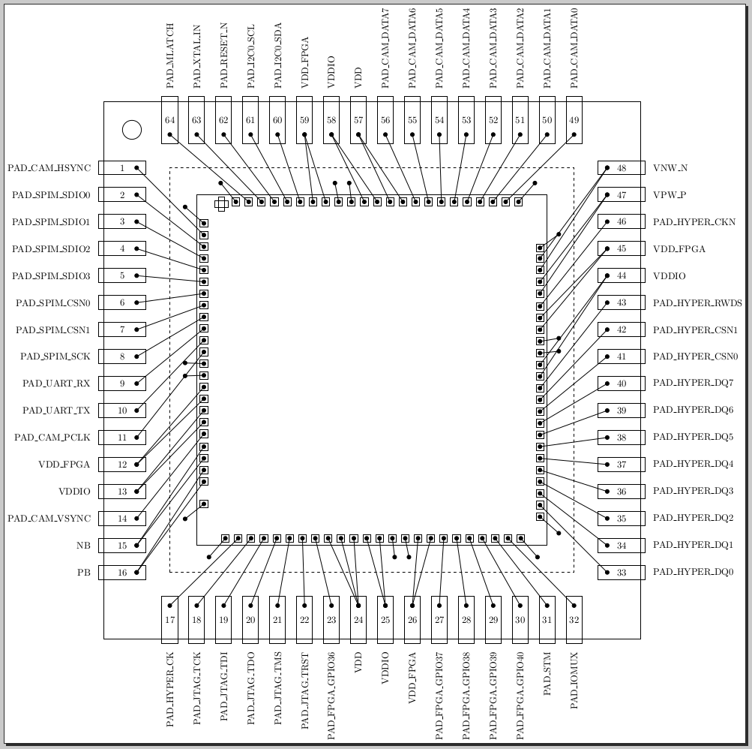
Side | Pin | Side | Pin | Nr | GPIO | Name | Cell | Offset | Comment | Net Name | Pad Width | Die X | Die Y | Chip X | Chip Y
TOPLEFT |  | TOPLEFT |  |  |  | corner_0 | IN22FDX_GPIO18_10M3S30P_CORNER |  | Corner
LEFT | GND | LEFT | GND | 1 |  | gnd_l_pulpissimo_0 | IN22FDX_GPIO18_10M3S30P_VSSC_H | 210 |  | VSS | 30 | 61 | 2755 | 75 | 2735
 | 1 |  | 1 | 2 | 1 | pad_frame_i/padinst_cam_hsync | IN22FDX_GPIO18_10M3S30P_IO_H | 310 | Spread along left side | pad_cam_hsync | 30 | 61 | 2655 | 75 | 2635
 | 2 |  | 2 | 3 | 1 | pad_frame_i/padinst_spim_sdio0 | IN22FDX_GPIO18_10M3S30P_IO_H | 410 |  | pad_spim_sdio0 | 30 | 61 | 2555 | 75 | 2535
 | 3 |  | 3 | 4 | 1 | pad_frame_i/padinst_spim_sdio1 | IN22FDX_GPIO18_10M3S30P_IO_H | 510 |  | pad_spim_sdio1 | 30 | 61 | 2455 | 75 | 2435
 | 4 |  | 4 | 5 | 1 | pad_frame_i/padinst_spim_sdio2 | IN22FDX_GPIO18_10M3S30P_IO_H | 610 |  | pad_spim_sdio2 | 30 | 61 | 2355 | 75 | 2335
 | 5 |  | 5 | 6 | 1 | pad_frame_i/padinst_spim_sdio3 | IN22FDX_GPIO18_10M3S30P_IO_H | 710 |  | pad_spim_sdio3 | 30 | 61 | 2255 | 75 | 2235
 | 6 |  | 6 | 7 | 1 | pad_frame_i/padinst_spim_csn0 | IN22FDX_GPIO18_10M3S30P_IO_H | 810 |  | pad_spim_csn0 | 30 | 61 | 2155 | 75 | 2135
 | 7 |  | 7 | 8 | 1 | pad_frame_i/padinst_spim_csn1 | IN22FDX_GPIO18_10M3S30P_IO_H | 910 |  | pad_spim_csn1 | 30 | 61 | 2055 | 75 | 2035
 | 8 |  | 8 | 9 | 1 | pad_frame_i/padinst_spim_sck | IN22FDX_GPIO18_10M3S30P_IO_H | 1010 |  | pad_spim_sck | 30 | 61 | 1955 | 75 | 1935
 | 9 |  | 9 | 10 | 1 | pad_frame_i/padinst_uart_rx | IN22FDX_GPIO18_10M3S30P_IO_H | 1110 |  | pad_uart_rx | 30 | 61 | 1855 | 75 | 1835
 | 10 |  | 10 | 11 | 1 | pad_frame_i/padinst_uart_tx | IN22FDX_GPIO18_10M3S30P_IO_H | 1210 |  | pad_uart_tx | 30 | 61 | 1755 | 75 | 1735
 | 11 |  | 11 | 12 | 1 | pad_frame_i/padinst_cam_pclk | IN22FDX_GPIO18_10M3S30P_IO_H | 1310 |  | pad_cam_pclk | 30 | 61 | 1655 | 75 | 1635
 | GND |  | GND | 13 |  | gnd_l_io_0 | IN22FDX_GPIO18_10M3S30P_VSSIO_H | 1410 |  | VSSIO | 30 | 61 | 1555 | 75 | 1535
 | GND |  | GND | 14 |  | gnd_l_io_1 | IN22FDX_GPIO18_10M3S30P_VSSIO_H | 1510 |  | VSSIO | 30 | 61 | 1455 | 75 | 1435
 | 12 |  | 12 | 15 |  | vdd_l_efpga_0 | IN22FDX_GPIO18_10M3S30P_VCS_H | 1610 |  | VDD_FPGA | 30 | 61 | 1355 | 75 | 1335
 | 12 |  | 12 | 16 |  | vdd_l_efpga_1 | IN22FDX_GPIO18_10M3S30P_VCS_H | 1710 |  | VDD_FPGA | 30 | 61 | 1255 | 75 | 1235
 | 13 |  | 13 | 17 |  | vdd_l_io_0 | IN22FDX_GPIO18_10M3S30P_VDDIO_H | 1810 |  | VDDIO | 30 | 61 | 1155 | 75 | 1135
 | 13 |  | 13 | 18 |  | vdd_l_io_1 | IN22FDX_GPIO18_10M3S30P_VDDIO_H | 1910 |  | VDDIO | 30 | 61 | 1055 | 75 | 1035
 | 14 |  | 14 | 19 | 1 | pad_frame_i/padinst_cam_vsync | IN22FDX_GPIO18_10M3S30P_IO_H | 2010 |  | pad_cam_vsync | 30 | 61 | 955 | 75 | 935
 | 15 |  | 15 | 20 |  | nb_l_efpga_0 | IN22FDX_GPIO18_10M3S30P_NMOSBGBIAS_H | 2110 |  | NB | 50 | 61 | 845 | 75 | 825
 | 15 |  | 15 | 21 |  | nb_l_efpga_1 | IN22FDX_GPIO18_10M3S30P_NMOSBGBIAS_H | 2210 |  | NB | 50 | 61 | 745 | 75 | 725
 | 16 |  | 16 | 22 |  | pb_l_efpga_0 | IN22FDX_GPIO18_10M3S30P_PMOSBGBIAS_H | 2310 |  | PB | 50 | 61 | 645 | 75 | 625
 | 16 |  | 16 | 23 |  | pb_l_efpga_1 | IN22FDX_GPIO18_10M3S30P_PMOSBGBIAS_H | 2410 |  | PB | 50 | 61 | 545 | 75 | 525
 | - |  | - | 24 | 1 | pad_frame_i/padinst_pwrdet | IN22FDX_GPIO18_10M3S30P_PWRDET_H | 2510
 | GND |  | GND | 25 |  | gnd_l_pulpissimo_1 | IN22FDX_GPIO18_10M3S30P_VSSC_H | 2610 |  | VSS | 30 | 61 | 355 | 75 | 335
BOTTOMLEFT |  | BOTTOMLEFT |  |  |  | corner_1 | IN22FDX_GPIO18_10M3S30P_CORNER |  | Corner
BOTTOM | GND | BOTTOM | GND | 26 |  | gnd_b_pulpissimo_0 | IN22FDX_GPIO18_10M3S30P_VSSC_V | 210 |  | VSS | 30 | 245 | 61 | 225 | 75
 | 17 |  | 17 | 27 | 1 | pad_frame_i/padinst_hyper_ck | IN22FDX_GPIO18_10M3S30P_IO_V | 320 | Spread along top side | pad_hyper_ck | 30 | 355 | 61 | 335 | 75
 | 18 |  | 18 | 28 | 1 | pad_frame_i/padinst_jtag_tck | IN22FDX_GPIO18_10M3S30P_IO_V | 430 |  | pad_jtag_tck | 30 | 465 | 61 | 445 | 75
 | 19 |  | 19 | 29 | 1 | pad_frame_i/padinst_jtag_tdi | IN22FDX_GPIO18_10M3S30P_IO_V | 540 |  | pad_jtag_tdi | 30 | 575 | 61 | 555 | 75
 | 20 |  | 20 | 30 | 1 | pad_frame_i/padinst_jtag_tdo | IN22FDX_GPIO18_10M3S30P_IO_V | 650 |  | pad_jtag_tdo | 30 | 685 | 61 | 665 | 75
 | 21 |  | 21 | 31 | 1 | pad_frame_i/padinst_jtag_tms | IN22FDX_GPIO18_10M3S30P_IO_V | 760 |  | pad_jtag_tms | 30 | 795 | 61 | 775 | 75
 | 22 |  | 22 | 32 | 1 | pad_frame_i/padinst_jtag_trstn | IN22FDX_GPIO18_10M3S30P_IO_V | 870 |  | pad_jtag_trst | 30 | 905 | 61 | 885 | 75
 | 23 |  | 23 | 33 | 1 | pad_frame_i/padinst_fpga_gpio36 | IN22FDX_GPIO18_10M3S30P_IO_V | 980 |  | pad_fpga_gpio36 | 30 | 1015 | 61 | 995 | 75
 | 24 |  | 24 | 34 |  | vdd_b_pulpissimo_0 | IN22FDX_GPIO18_10M3S30P_VDDC_V | 1090 |  | VDD | 30 | 1125 | 61 | 1105 | 75
 | 24 |  | 24 | 35 |  | vdd_b_pulpissimo_1 | IN22FDX_GPIO18_10M3S30P_VDDC_V | 1200 |  | VDD | 30 | 1235 | 61 | 1215 | 75
 | 24 |  | 24 | 36 |  | vdd_b_pulpissimo_2 | IN22FDX_GPIO18_10M3S30P_VDDC_V | 1310 |  | VDD | 30 | 1345 | 61 | 1325 | 75
 | 25 |  | 25 | 37 |  | vdd_b_io_0 | IN22FDX_GPIO18_10M3S30P_VDDIO_V | 1420 |  | VDDIO | 30 | 1455 | 61 | 1435 | 75
 | 25 |  | 25 | 38 |  | vdd_b_io_1 | IN22FDX_GPIO18_10M3S30P_VDDIO_V | 1530 |  | VDDIO | 30 | 1565 | 61 | 1545 | 75
 | GND |  | GND | 39 |  | gnd_b_io_0 | IN22FDX_GPIO18_10M3S30P_VSSIO_V | 1640 |  | VSSIO | 30 | 1675 | 61 | 1655 | 75
 | GND |  | GND | 40 |  | gnd_b_io_1 | IN22FDX_GPIO18_10M3S30P_VSSIO_V | 1750 |  | VSSIO | 30 | 1785 | 61 | 1765 | 75
 | 26 |  | 26 | 41 |  | vdd_b_efpga_0 | IN22FDX_GPIO18_10M3S30P_VCS_V | 1860 |  | VDD_FPGA | 30 | 1895 | 61 | 1875 | 75
 | 26 |  | 26 | 42 |  | vdd_b_efpga_1 | IN22FDX_GPIO18_10M3S30P_VCS_V | 1970 |  | VDD_FPGA | 30 | 2005 | 61 | 1985 | 75
 | 27 |  | 27 | 43 | 1 | pad_frame_i/padinst_fpga_gpio37 | IN22FDX_GPIO18_10M3S30P_IO_V | 2080 |  | pad_fpga_gpio37 | 30 | 2115 | 61 | 2095 | 75
 | 28 |  | 28 | 44 | 1 | pad_frame_i/padinst_fpga_gpio38 | IN22FDX_GPIO18_10M3S30P_IO_V | 2190 |  | pad_fpga_gpio38 | 30 | 2225 | 61 | 2205 | 75
 | 29 |  | 29 | 45 | 1 | pad_frame_i/padinst_fpga_gpio39 | IN22FDX_GPIO18_10M3S30P_IO_V | 2300 | BB | pad_fpga_gpio39 | 30 | 2335 | 61 | 2315 | 75
 | 30 |  | 30 | 46 | 1 | pad_frame_i/padinst_fpga_gpio40 | IN22FDX_GPIO18_10M3S30P_IO_V | 2410 |  | pad_fpga_gpio40 | 30 | 2445 | 61 | 2425 | 75
 | 31 |  | 31 | 47 | 1 | pad_frame_i/padinst_stm | IN22FDX_GPIO18_10M3S30P_IO_V | 2520 |  | pad_stm | 30 | 2555 | 61 | 2535 | 75
 | 32 |  | 32 | 48 | 1 | pad_frame_i/padinst_iomux | IN22FDX_GPIO18_10M3S30P_IO_V | 2630 |  | pad_iomux | 30 | 2665 | 61 | 2645 | 75
 | GND |  | GND | 49 |  | gnd_b_pulpissimo_1 | IN22FDX_GPIO18_10M3S30P_VSSC_V | 2740 |  | VSS | 30 | 2775 | 61 | 2755 | 75
BOTTOMRIGHT |  | BOTTOMRIGHT |  |  |  | corner_2 | IN22FDX_GPIO18_10M3S30P_CORNER |  | Corner
RIGHT | GND | RIGHT | GND | 50 |  | gnd_r_pulpissimo_0 | IN22FDX_GPIO18_10M3S30P_VSSC_H | 210 |  | VSS | 30 | 2939 | 245 | 2925 | 225
 | 33 |  | 33 | 51 | 1 | pad_frame_i/padinst_hyper_dq0 | IN22FDX_GPIO18_10M3S30P_IO_H | 310 | Spread along right side | pad_hyper_dq0 | 30 | 2939 | 345 | 2925 | 325
 | 34 |  | 34 | 52 | 1 | pad_frame_i/padinst_hyper_dq1 | IN22FDX_GPIO18_10M3S30P_IO_H | 410 |  | pad_hyper_dq1 | 30 | 2939 | 445 | 2925 | 425
 | 35 |  | 35 | 53 | 1 | pad_frame_i/padinst_hyper_dq2 | IN22FDX_GPIO18_10M3S30P_IO_H | 510 |  | pad_hyper_dq2 | 30 | 2939 | 545 | 2925 | 525
 | 36 |  | 36 | 54 | 1 | pad_frame_i/padinst_hyper_dq3 | IN22FDX_GPIO18_10M3S30P_IO_H | 610 |  | pad_hyper_dq3 | 30 | 2939 | 645 | 2925 | 625
 | 37 |  | 37 | 55 | 1 | pad_frame_i/padinst_hyper_dq4 | IN22FDX_GPIO18_10M3S30P_IO_H | 710 |  | pad_hyper_dq4 | 30 | 2939 | 745 | 2925 | 725
 | 38 |  | 38 | 56 | 1 | pad_frame_i/padinst_hyper_dq5 | IN22FDX_GPIO18_10M3S30P_IO_H | 810 |  | pad_hyper_dq5 | 30 | 2939 | 845 | 2925 | 825
 | 39 |  | 39 | 57 | 1 | pad_frame_i/padinst_hyper_dq6 | IN22FDX_GPIO18_10M3S30P_IO_H | 910 |  | pad_hyper_dq6 | 30 | 2939 | 945 | 2925 | 925
 | 40 |  | 40 | 58 | 1 | pad_frame_i/padinst_hyper_dq7 | IN22FDX_GPIO18_10M3S30P_IO_H | 1010 |  | pad_hyper_dq7 | 30 | 2939 | 1045 | 2925 | 1025
 | 41 |  | 41 | 59 | 1 | pad_frame_i/padinst_hyper_csn0 | IN22FDX_GPIO18_10M3S30P_IO_H | 1110 |  | pad_hyper_csn0 | 30 | 2939 | 1145 | 2925 | 1125
 | 42 |  | 42 | 60 | 1 | pad_frame_i/padinst_hyper_csn1 | IN22FDX_GPIO18_10M3S30P_IO_H | 1210 |  | pad_hyper_csn1 | 30 | 2939 | 1245 | 2925 | 1225
 | 43 |  | 43 | 61 | 1 | pad_frame_i/padinst_hyper_rwds | IN22FDX_GPIO18_10M3S30P_IO_H | 1310 |  | pad_hyper_rwds | 30 | 2939 | 1345 | 2925 | 1325
 | 44 |  | 44 | 62 |  | vdd_r_io_0 | IN22FDX_GPIO18_10M3S30P_VDDIO_H | 1410 |  | VDDIO | 30 | 2939 | 1445 | 2925 | 1425
 | 44 |  | 44 | 63 |  | vdd_r_io_1 | IN22FDX_GPIO18_10M3S30P_VDDIO_H | 1510 |  | VDDIO | 30 | 2939 | 1545 | 2925 | 1525
 | GND |  | GND | 64 |  | gnd_r_io_0 | IN22FDX_GPIO18_10M3S30P_VSSIO_H | 1610 |  | VSSIO | 30 | 2939 | 1645 | 2925 | 1625
 | GND |  | GND | 65 |  | gnd_r_io_1 | IN22FDX_GPIO18_10M3S30P_VSSIO_H | 1710 |  | VSSIO | 30 | 2939 | 1745 | 2925 | 1725
 | 45 |  | 45 | 66 |  | vdd_r_efpga_0 | IN22FDX_GPIO18_10M3S30P_VCS_H | 1810 |  | VDD_FPGA | 30 | 2939 | 1845 | 2925 | 1825
 | 45 |  | 45 | 67 |  | vdd_r_efpga_1 | IN22FDX_GPIO18_10M3S30P_VCS_H | 1910 |  | VDD_FPGA | 30 | 2939 | 1945 | 2925 | 1925
 | 46 |  | 46 | 68 | 1 | pad_frame_i/padinst_hyper_ckn | IN22FDX_GPIO18_10M3S30P_IO_H | 2010 |  | pad_hyper_ckn | 30 | 2939 | 2045 | 2925 | 2025
 | 47 |  | 47 | 69 |  | vpb_p_r_0 | IN22FDX_GPIO18_10M3S30P_PMOSBGBIAS_H | 2110 |  | VPW_P | 50 | 2939 | 2155 | 2925 | 2135
 | 47 |  | 47 | 70 |  | vpb_p_r_1 | IN22FDX_GPIO18_10M3S30P_PMOSBGBIAS_H | 2210 |  | VPW_P | 50 | 2939 | 2255 | 2925 | 2235
 | 48 |  | 48 | 71 |  | vnb_n_r_0 | IN22FDX_GPIO18_10M3S30P_NMOSBGBIAS_H | 2310 |  | VNW_N | 50 | 2939 | 2355 | 2925 | 2335
 | 48 |  | 48 | 72 |  | vnb_n_r_1 | IN22FDX_GPIO18_10M3S30P_NMOSBGBIAS_H | 2410 |  | VNW_N | 50 | 2939 | 2455 | 2925 | 2435
 | GND |  | GND | 73 |  | gnd_r_pulpissimo_1 | IN22FDX_GPIO18_10M3S30P_VSSC_H | 2510 |  | VSS | 30 | 2939 | 2545 | 2925 | 2525
TOPRIGHT |  | TOPRIGHT |  |  |  | corner_3 | IN22FDX_GPIO18_10M3S30P_CORNER |  | Corner
TOP | GND | TOP | GND | 74 |  | gnd_t_pulpissimo_0 | IN22FDX_GPIO18_10M3S30P_VSSC_V | 210 | Spread along bottom side | VSS | 30 | 2755 | 2939 | 2735 | 2925
 | 49 |  | 49 | 75 | 1 | pad_frame_i/padinst_cam_data0 | IN22FDX_GPIO18_10M3S30P_IO_V | 320 |  | pad_cam_data0 | 30 | 2645 | 2939 | 2625 | 2925
 | 50 |  | 50 | 76 | 1 | pad_frame_i/padinst_cam_data1 | IN22FDX_GPIO18_10M3S30P_IO_V | 430 |  | pad_cam_data1 | 30 | 2535 | 2939 | 2515 | 2925
 | 51 |  | 51 | 77 | 1 | pad_frame_i/padinst_cam_data2 | IN22FDX_GPIO18_10M3S30P_IO_V | 540 |  | pad_cam_data2 | 30 | 2425 | 2939 | 2405 | 2925
 | 52 |  | 52 | 78 | 1 | pad_frame_i/padinst_cam_data3 | IN22FDX_GPIO18_10M3S30P_IO_V | 650 |  | pad_cam_data3 | 30 | 2315 | 2939 | 2295 | 2925
 | 53 |  | 53 | 79 | 1 | pad_frame_i/padinst_cam_data4 | IN22FDX_GPIO18_10M3S30P_IO_V | 760 |  | pad_cam_data4 | 30 | 2205 | 2939 | 2185 | 2925
 | 54 |  | 54 | 80 | 1 | pad_frame_i/padinst_cam_data5 | IN22FDX_GPIO18_10M3S30P_IO_V | 870 |  | pad_cam_data5 | 30 | 2095 | 2939 | 2075 | 2925
 | 55 |  | 55 | 81 | 1 | pad_frame_i/padinst_cam_data6 | IN22FDX_GPIO18_10M3S30P_IO_V | 980 |  | pad_cam_data6 | 30 | 1985 | 2939 | 1965 | 2925
 | 56 |  | 56 | 82 | 1 | pad_frame_i/padinst_cam_data7 | IN22FDX_GPIO18_10M3S30P_IO_V | 1090 |  | pad_cam_data7 | 30 | 1875 | 2939 | 1855 | 2925
 | 57 |  | 57 | 83 |  | vdd_t_pulpissimo_0 | IN22FDX_GPIO18_10M3S30P_VDDC_V | 1200 |  | VDD | 30 | 1765 | 2939 | 1745 | 2925
 | 57 |  | 57 | 84 |  | vdd_t_pulpissimo_1 | IN22FDX_GPIO18_10M3S30P_VDDC_V | 1310 |  | VDD | 30 | 1655 | 2939 | 1635 | 2925
 | 58 |  | 58 | 85 |  | vdd_t_io_0 | IN22FDX_GPIO18_10M3S30P_VDDIO_V | 1420 |  | VDDIO | 30 | 1545 | 2939 | 1525 | 2925
 | 58 |  | 58 | 86 |  | vdd_t_io_1 | IN22FDX_GPIO18_10M3S30P_VDDIO_V | 1530 |  | VDDIO | 30 | 1435 | 2939 | 1415 | 2925
 | GND |  | GND | 87 |  | gnd_t_io_0 | IN22FDX_GPIO18_10M3S30P_VSSIO_V | 1640 |  | VSSIO | 30 | 1325 | 2939 | 1305 | 2925
 | GND |  | GND | 88 |  | gnd_t_io_1 | IN22FDX_GPIO18_10M3S30P_VSSIO_V | 1750 |  | VSSIO | 30 | 1215 | 2939 | 1195 | 2925
 | 59 |  | 59 | 89 |  | vdd_t_efpga_0 | IN22FDX_GPIO18_10M3S30P_VCS_V | 1860 |  | VDD_FPGA | 30 | 1105 | 2939 | 1085 | 2925
 | 59 |  | 59 | 90 |  | vdd_t_efpga_1 | IN22FDX_GPIO18_10M3S30P_VCS_V | 1970 |  | VDD_FPGA | 30 | 995 | 2939 | 975 | 2925
 | 60 |  | 60 | 91 | 1 | pad_frame_i/padinst_i2c0_sda | IN22FDX_GPIO18_10M3S30P_IO_V | 2080 |  | pad_i2c0_sda | 30 | 885 | 2939 | 865 | 2925
 | 61 |  | 61 | 92 | 1 | pad_frame_i/padinst_i2c0_scl | IN22FDX_GPIO18_10M3S30P_IO_V | 2190 |  | pad_i2c0_scl | 30 | 775 | 2939 | 755 | 2925
 | 62 |  | 62 | 93 | 1 | pad_frame_i/padinst_reset_n | IN22FDX_GPIO18_10M3S30P_IO_V | 2300 |  | pad_reset_n | 30 | 665 | 2939 | 645 | 2925
 | 63 |  | 63 | 94 | 1 | pad_frame_i/padinst_ref_clk | IN22FDX_GPIO18_10M3S30P_IO_V | 2410 |  | pad_xtal_in | 30 | 555 | 2939 | 535 | 2925
 | 64 |  | 64 | 95 | 1 | pad_frame_i/padinst_mlatch | IN22FDX_GPIO18_10M3S30P_IO_V | 2520 |  | pad_mlatch | 30 | 445 | 2939 | 425 | 2925
 | GND |  | GND | 96 |  | gnd_t_pulpissimo_1 | IN22FDX_GPIO18_10M3S30P_VSSC_V | 2630 |  | VSS | 30 | 335 | 2939 | 315 | 2925

 |  |  | BONDING DIAGRAM

FloorPlan
Initial Plan for FloorPlan

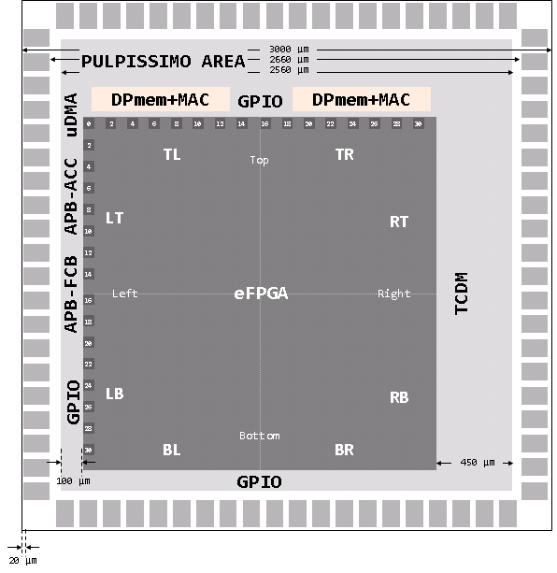
 | Chip one side 3’000 µm
 |  | 20 µm seal ring
 |  | 150 µm I/O pads
 |  | 50 µm reserve for power ring
 | Core area roughly 2’560 µm
 |  | eFPGA side 2’024 µm
 |  | Asymmetric placement
 |  |  | ~450 µm space left and top
 |  |  | ~100 µm space right and bottom
 | Right ( ~450 µm x 2’000 µm)
 |  | TCDM (16-32 RAM Macros) / GPIO
 | Top ( ~450 µm x 2’000 µm)
 |  | 2xDPRam/MAC (PULPissimo)
 | Left ( ~100 µm x 2’000 µm)
 |  | APB Accel / APB-FCB/GPIO
 | Bottom ( ~100 µm x 2’000 µm)
 |  | GPIO

