About Data
https://www.timeshighereducation.com/world-university-rankings/2017/world-ranking#!/page/0/length/25/sort_by/rank/sort_order/asc/cols/stats
The Times Higher Education World University Rankings 2016-2017
Top 200 of 980 Universities in descending order

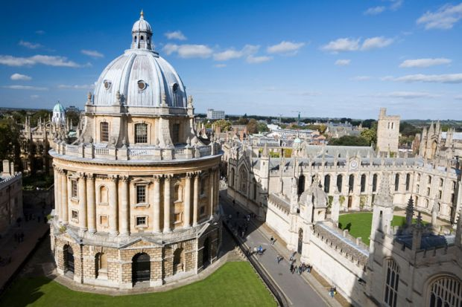
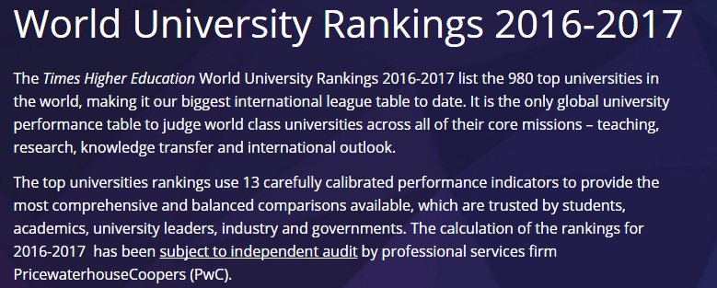

 | University of Oxford, United Kingdom, Ranks #1 for 2016-1017

