db Sizing
DATABASE SIZING WORKSHEET

DB Files
Inputs |  | Configmgr | Data Files | Log Files
Hardware Inventory Size (KB) | 5 | Total db Size (MB) | 6 | 1
Number of Clients | 200 | Number of Files | 2 | 1
DB Size per client (MB) | 5 | Size per file (MB) | 3 | 1
CPU Cores | 4 | Autogrowth (MB) | 1024 | 1 | 1024
Server Memory (GB) | 24
Site Type | PS | Temp | Data Files | Log Files
 |  | Total db Size (MB) | 2 | 0
SQL Server Memory |  | Number of Files | 4 | 1
Local Installation | Y | Size per file (MB) | 0 | 0
SQL Server Version | 2016 | Autogrowth (MB) | 1024 | 1024
Minimum Memory (MB) | 12288
Log Files
Maximum Memory (MB)* | 32000 | WSUS | Data Files | Log Files
*See here for additional memory considerations |  | Total db Size (MB) | 30720 | 7680
Disk Space Requirements |  | Number of Files | 2 | 1
Data Files |  | Size per file (MB) | 15360 | 7680
Combined | 61447,948828125 MB | Autogrowth (MB) | 1024 | 1024
Configmgr | 6
TempDB | 2 | Other | Data Files | Log Files
WSUS | 30720 | Total db Size (MB) | 30720 | 7680
Other | 30720 | Number of Files | 1 | 1
Log Files |  | Size per file (MB) | 30720 | 7680
Combined | 15361,9872070313 MB | Autogrowth (MB) | 1024 | 512
Configmgr | 1
TempDB | 0 | CMMonitor | Data Files | Log Files
WSUS | 7680 | Total db Size (MB) | 10240 | 2560
Other | 7680 | Number of Files | 1 | 1
 |  | Size per file (MB) | 10240 | 2560
WSUS Server |  | Autogrowth (MB) | 1024 | 512
Is WSUS DB Local? | Y | Learn more about why the CMMontior db is needed for optimal SQL health
Using SQL instead of WID? | Y

Trace Flags
1117 | Y
1118 | Y

Disk Config
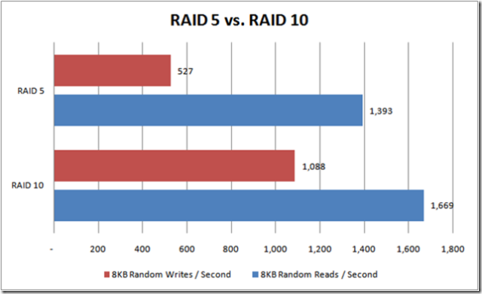
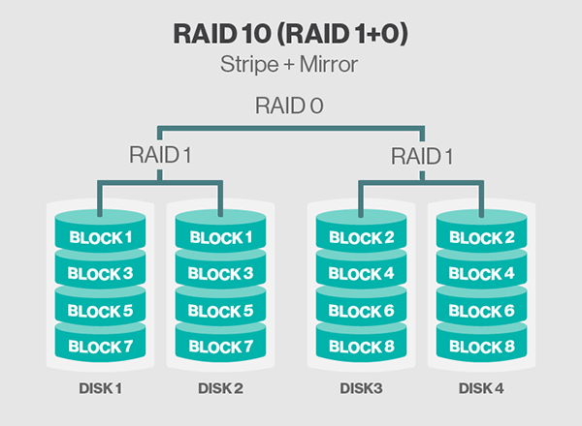
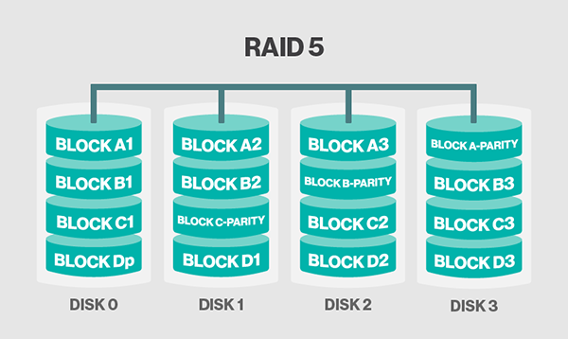
Things you should consider when selecting your storage for CM and SQL
Will you store the data files and log files on separate disks?
Will you store the temp data files on their own disks?
What type of storage are you using? SAN, DAS, SMB?
Are you using SSDs?
What type of RAID are you using?
Max Read IO?
Max Write IO?

Helpful links for storage sizing
SQL 2014 Requirements
Dell SQL Advisor
Analyzing I/O Characteristics and Sizing Storage Systems for SQL Server Database Applications

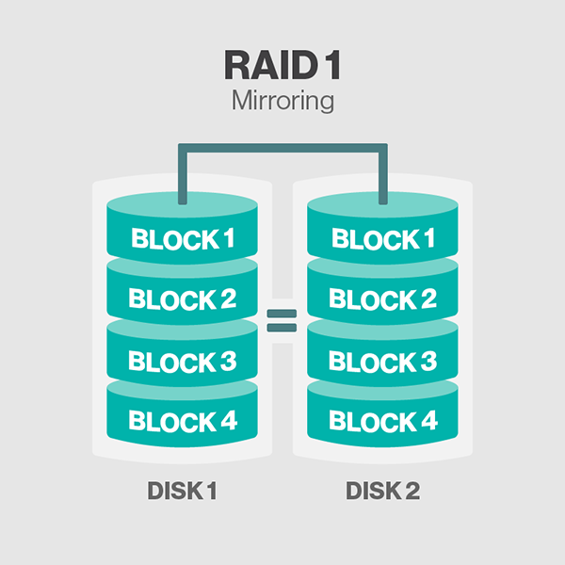
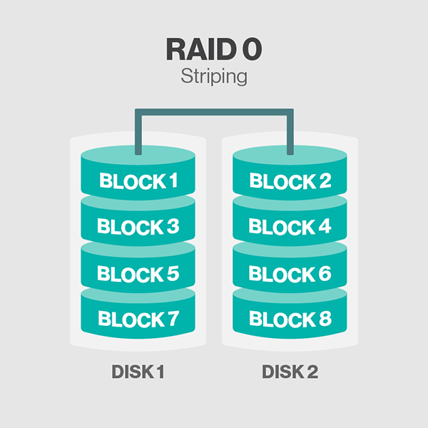
An ideal storage design may look something like this
File Type | Disk Spindle Count | RAID Configuration | Allocation Unit Size
OS | 2 | RAID 1 | Default
Applications | 3 | RAID 1 else RAID 5 | Default
User Data Files | 4+ | RAID 10 else RAID 5 | NTFS 64KB
Transaction Logs | 4+ | RAID 10 else RAID 5 | NTFS 64KB
TempDB Data Files | 4+ | RAID 10 else RAID 5 | NTFS 64KB
SSRS / pagefile | 4+ | RAID 10 else RAID 5 | NTFS 64KB
SQL Backups | 4 | RAID 10 else RAID 5 | Default

When choosing where to store files or how to use disk keep these things in mind:
Physically isolate data from log files by using separate disks.
If you cannot physically separate the file types group similar I/O characteristics on common spindles
Physically separate tempdb data and log files from user data and log files
When SQL reads and writes database files, it uses synchronous reads and writes (sequential) for the log files (ldf), but uses asynchronous (random) when reading and writing to the data files (mdf, ndf). Because of this physically separating the data and log files will provide the best I/O performance. Because SQL uses random reads and writes for data files read caching should be disabled on disks only containing data files.
When formatting disks the reccomendation is 64KB NTFS allocation unit size for spindles storing sql db files

The performance difference between RAID 5 and RAID 10 is very easy to see in graph

