SEA and SA analysis
Country | ISO CODE | Date of first vaccination reported in country | Uptake rate at 6 months from vaccine availability | Date of 6 Month Data (dd-mm-yy) | Uptake rate at 9 months from vaccine availability | Date of 9 Month Data (dd-mm-yy) | Uptake rate at 12 months from vaccine availability | Date of 12 Month Data (dd-mm-yy) | Uptake rate at 15 months from vaccine availability | Date of 15 Month Data (dd-mm-yy) | Electoral Democracy Index V-dem score 2019 | Binary V-dem Electoral Democracy 2019 | Kasuya and Mori Robustness check | Vax-Score Regional | Vax-Score Total | Percentage of Donated Vaccine with Chinese Origin | Percentage of Total Vaccines with Chinese Origin | Secured and or expected vaccine 31-8-22 (% of population) | Rural Population (% of total population 2019) World Bank | Correlates of War Country Code | 2019 agree United Nations General Assembly Voting Data | 2019 IdealPointDistance United Nations General Assembly Voting Data | Covid Mortality/Million 6mo | Case Numbers/Million 6mo | Date of 6 Month Data (dd-mm-yy) | Covid Mortalit/Milliony 9mo | Case Numbers/Million 9mo | Date of 9 Month Data (dd-mm-yy) | Covid Mortality/Million 12mo | Case Numbers/Million 12mo | Date of 12 Month Data (dd-mm-yy) | Covid Mortality/Million 15mo | Case Numbers/Million 15mo | Date of 15 Month Data (dd-mm-yy)
Brunei |  | 2021-02-04 | 67.32 | 2021-02-10 | 90.46 | 2021-02-01 | 90.9 | 2022-01-04 | 99.3 | 2022-10-06 | N/A | 0 | 0 | 10.20778 | 11.38857143 | 0.43182 | 0.43182 | 314 | 22.058 | 835 | 0.8764045 | 0.4547404 | 0 | 538.973 | 2021-02-10 | 2.227 | 17.817 | 2022-02-01 | 0 | 1120.262 | 2022-01-04 | 0 | 824.05 | 2022-10-06
Cambodia |  | 9/2/2021 | 49.32 | 2021-09-08 | 83.49 | 2021-09-11 | 85.69 | 2022-09-02 | 89.05 | 14-05-22 | 0.195 | 0 | 0 | 3.310101 | 4.604583652 | 0.742244691 | 0.83 | 444 | 76.195 | 811 | 0.9310345 | 0.8476516 | 1.372 | 30.296 | 2021-09-08 | 0.298 | 3.996 | 2021-09-11 | 0 | 13.299 | 2022-09-02 | 0 | 0 | 14-05-22
Indonesia |  | 2021-12-01 | 10.96 | 2021-12-07 | 36.79 | 2021-12-10 | 62.49 | 2022-12-01 | 71.75 | 2022-12-04 | 0.609 | 1 | 1 | -2.59899 | -1.304507257 | 0.036173537 | 0.41648281 | 217 | 44.015 | 850 | 0.8707865 | 0.5162292 | 3.234 | 146.74 | 2021-12-07 | 0.171 | 4.577 | 2021-12-10 | 0.022 | 2.345 | 2022-12-01 | 0.156 | 5.281 | 2022-12-04
Laos |  | 17-03-21 | 37.18 | 19-09-21 | 60.97 | 2022-03-01 | 72.42 | 18-03-22 | 77.27 | 2022-09-06 | 0.129 | 0 | 0 | -9.87172 | -8.57723453 | 0.450850332 | 0.45085033 | 254 | 64.355 | 812 | 0.8932584 | 0.525368 | 0 | 27.094 | 19-09-21 | 1.461 | 88.32 | 2022-03-01 | 0.266 | 309.185 | 18-03-22 | 0 | 2.789 | 2022-09-06
Malaysia |  | 24-02-21 | 56.13 | 24-08-21 | 76.18 | 24-11-21 | 79.01 | 24-02-22 | 82.35 | 24-05-22 | 0.472 | 0 | 1 | 10.21919 | 11.51367456 | 0.536243099 | 0.35391477 | 288 | 23.393 | 820 | 0.8707865 | 0.3562456 | 6.217 | 613.969 | 24-08-21 | 1.09 | 169.573 | 24-11-21 | 1.355 | 944.952 | 24-02-22 | 0.059 | 56.514 | 24-05-22
Myanmar |  | 26-01-21 | 8.23 | 21-08-21 | 22.86 | 23-10-21 | 40.14 | 22-01-22 | 55.64 | 26-04-22 | 0.434 | 0 | 1 | -5.14444 | -3.849961803 | 0.600225441 | 0.56724777 | 295 | 69.148 | 775 | 0.8785714 | 0.3869666 | 2.584 | 50.647 | 21-08-21 | 0.369 | 19.694 | 23-10-21 | 0.018 | 2.658 | 22-01-22 | 0 | 0.277 | 26-04-22
Philippines |  | 28-02-21 | 16.18 | 15-08-21 | 48.56 | 2021-02-12 | 59.42 | 24-02-22 | 64.59 | 2022-05-06 | 0.454 | 0 | 1 | -15.599 | -14.30450726 | 0.05591175 | 0.1385413 | 290 | 52.851 | 840 | 0.8820225 | 0.085534 | 2.336 | 124.343 | 15-08-21 | 0.346 | 4.881 | 2021-02-12 | 1.627 | 15.101 | 24-02-22 | 0 | 1.298 | 2022-05-06
Thailand |  | 27-02-21 | 31.55 | 27-08-21 | 66.46 | 27-11-21 | 74.7 | 27-02-22 | 77.12 | 27-05-22 | 0.207 | 0 | 0 | 9.663333 | 10.90504202 | 0.249538903 | 0.15673119 | 338 | 49.308 | 800 | 0.8707865 | 0.1389965 | 3.808 | 260.848 | 27-08-21 | 0.446 | 84.704 | 27-11-21 | 0.586 | 344.77 | 27-02-22 | 0.404 | 67.464 | 27-05-22
Timor-Leste |  | 14-04-21 | 30.49 | 14-10-21 | 49.75 | 2022-11-01 | 57.75 | 2022-12-04 | 62.58 | 2022-12-07 | 0.689 | 1 | 1 | -0.50808 | 0.7864018335 | 0.025145593 | 0.02514559 | 145 | 69.053 | 860 | 0.8630952 | 0.0121347 | 0 | 4.473 | 14-10-21 | 0 | 0.746 | 14-01-22 | 0 | 2.237 | 14-04-22 | 0 | 0.746 | 14-07-22
Vietnam |  | 2021-07-03 | 8.16 | 2021-07-09 | 75.26 | 2021-07-12 | 81.08 | 2021-07-03 | 88.39 | 2022-07-06 | 0.149 | 0 | 0 | 2.128283 | 3.42276547 | 0.087813944 | 0.22758561 | 319 | 63.372 | 816 | 0.8908046 | 0.4566535 | 3.137 | 151.976 | 2021-07-09 | 2.037 | 147.596 | 2021-07-12 | 0.794 | 1500.792 | 2022-07-03 | 0 | 9.777 | 2022-07-06
Argentina |  | 30/12/2020 | 37.81 | 29/06/2021 | 66.07 | 29/09/2021 | 85.3 | 30/12/2021 | 90.61 | 30/02/2022 | 0.771 |  |  | -0.5495867769 | -1.759052712 | 0 | 0.278515591 | 369 | 8.009 | 160 | 0.8539326 | 0.2622107
Bolivia |  | 3/2/2021 | 26.1 | 3/8/2021 | 37.49 | 03/11/2021 | 55.24 | 3/2/2022 | 58.64 | 03/05/2022 | 0.484 |  |  | -11.65454545 | -12.71142857 | 0.267277936 | 0.397416254 | 253 | 30.227 | 145 | 0.8782051 | 0.5070251
Brazil |  | 18/01/2021 | 42.93 | 17/7/2021 | 72.65 | 17/10/2021 | 77.74 | 18/01/2022 | 84.53 | 18/04/2022 | 0.689 |  |  | -6.004132231 | -7.213598167 | 0.001417533 | 0.213888767 | 365 | 13.176 | 140 | 0.7303371 | 0.6445834
Colombia |  | 18/02/2021 | 40.44 | 17/08/2021 | 72.94 | 18/12/2021 | 79.27 | 19/02/2022 | 81.38 | 13/05/2022 | 0.649 |  |  | 7.632231405 | 6.42276547 | 0.07207228 | 0.138913199 | 208 | 18.896 | 100 | 0.7808989 | 0.4163948
Ecuador |  | 21/01/2021 | 42.74 | 20/7/2021 | 67.1 | 21/10/2022 | 81.04 | 21/01/2022 | 83.87 | 21/04/2022 | 0.625 |  |  | -1.731404959 | -2.940870894 | 0.082534506 | 0.526721516 | 262 | 36.014 | 130 | 0.8595506 | 0.1005941
Guyana |  | 30/06/2021 | 50.83 | 01/01/2022 | 58.38 | 30/03/2022 | 59.58 | 30/06/2022 | 61.01 | 18/11/2022 | 0.651 |  |  | 7.814049587 | 6.604583652 | 0 | 0.057613975 | 252 | 73.311 | 110 | 0.8448276 | 0.1045144
Paraguay |  | 23/02/2021 | 33.66 | 23/08/21 | 48.36 | 19/11/2021 | 55.85 | 25/02/2022 | 57.51 | 13/05/2022 | 0.583 |  |  | 0.1454545455 | -0.9114285714 | 0.321616991 | 0.068269871 | 164 | 38.121 | 150 | 0.8352273 | 0.1602292
Peru |  | 10/02/2021 | 27.09 | 10/08/2021 | 61.78 | 10/11/2021 | 79.63 | 10/02/2022 | 86.09 | 10/05/2022 | 0.797 |  |  | 2.541322314 | 1.331856379 | 0.301744688 | 0.170732259 | 472 | 21.901 | 135 | 0.8370787 | 0.1798478
Uruguay |  | 28/02/2021 | 77.27 | 28/08/2021 | 80.32 | 28/11/2021 | 86.55 | 28/02/2022 | 87.57 | 28/05/2022 | 0.89 |  |  | 10.24545455 | 9.188571429 | 0 | 0.011941858 | 126 | 4.397 | 165 | 0.8595506 | 0.0585534
Venezuela |  | 11/06/2021 | 64.99 | 17/12/2021 | 78.29 | 25/03/2022 | 78.29 | 11/06/2022 | 78.29 | 07/12/2022 | 0.209 |  |  | -17.45867769 | -18.66814362 | 1 | 0.090909091 | 101 | 11.76 | 101 | 0.9034091 | 1.40641

 |  |  |  |  |  |  |  |  |  |  |  |  |  |  |  |  |  |  |  |  |  |  |  |  |  |  |  |  |  |  | voting vs chinese vax percentage |  | Ideal point distance vs chinese donated vax
 |  |  |  |  |  |  |  |  |  |  |  |  |  |  |  |  |  |  |  |  |  |  |  |  |  |  |  |  |  | -0.03283303768 | 0.527331815 | 0.4142509284 | 0.7084461647

 |  |  |  |  |  |  |  |  |  |  |  |  |  |  |  |  |  |  |  |  |  |  |  |  |  |  |  |  |  | Rurality vs vaccine uptake: |  |  | Ideal point distance vs chinese total vax
 |  |  |  |  |  |  |  |  |  |  |  |  |  |  |  |  |  |  |  |  |  |  |  |  |  |  |  |  |  | -0.4860269114 | -0.3823130437 | -0.5001096188 | 0.3121664968

 |  |  |  |  |  |  |  |  |  |  |  |  |  |  |  |  |  |  |  |  |  |  |  |  |  |  |  |  |  | voting vs chinese donated vax percentage, only sea |  |  | Ideal point distance vs chinese donated vax SEA only
 |  |  |  |  |  |  |  |  |  |  |  |  |  |  |  |  |  |  |  |  |  |  |  |  |  |  |  |  |  | 0.5561347144 | 0.7252193216 |  | 0.6259555163

 |  |  |  |  |  |  |  |  |  |  |  |  |  |  |  |  |  |  |  |  |  |  |  |  |  |  |  |  |  |  |  |  | Ideal point distance vs chinese total vax
 |  |  |  |  |  |  |  |  |  |  |  |  |  |  |  |  |  |  |  |  |  |  |  |  |  |  |  |  |  |  |  |  | 0.9046539454
 |  |  |  |  |  |  |  |  |  |  |  |  |  |  |  |  |  |  |  |  |  |  |  |  |  |  |  |  |  | 0.7718416
 |  |  |  |  |  |  |  |  |  |  |  |  |  |  |  |  |  |  |  |  |  |  |  |  |  |  |  |  |  | 1.164753
 |  |  |  |  |  |  |  |  |  |  |  |  |  |  |  |  |  |  |  |  |  |  |  |  |  |  |  |  |  | 0.8333304
 |  |  |  |  |  |  |  |  |  |  |  |  |  |  |  |  |  |  |  |  |  |  |  |  |  |  |  |  |  | 0.8424692
 |  |  |  |  |  |  |  |  |  |  |  |  |  |  |  |  |  |  |  |  |  |  |  |  |  |  |  |  |  | 0.6733468
 |  |  |  |  |  |  |  |  |  |  |  |  |  |  |  |  |  |  |  |  |  |  |  |  |  |  |  |  |  | 0.7040678
 |  |  |  |  |  |  |  |  |  |  |  |  |  |  |  |  |  |  |  |  |  |  |  |  |  |  |  |  |  | 0.4026352
 |  |  |  |  |  |  |  |  |  |  |  |  |  |  |  |  |  |  |  |  |  |  |  |  |  |  |  |  |  | 0.4560977
 |  |  |  |  |  |  |  |  |  |  |  |  |  |  |  |  |  |  |  |  |  |  |  |  |  |  |  |  |  | 0.3292359
 |  |  |  |  |  |  |  |  |  |  |  |  |  |  |  |  |  |  |  |  |  |  |  |  |  |  |  |  |  | 0.7737547
 |  |  |  |  |  |  |  |  |  |  |  |  |  |  |  |  |  |  |  |  |  |  |  |  |  |  |  |  |  | 0.05489054
 |  |  |  |  |  |  |  |  |  |  |  |  |  |  |  |  |  |  |  |  |  |  |  |  |  |  |  |  |  | 0.8241263
 |  |  |  |  |  |  |  |  |  |  |  |  |  |  |  |  |  |  |  |  |  |  |  |  |  |  |  |  |  | 0.3274822
 |  |  |  |  |  |  |  |  |  |  |  |  |  |  |  |  |  |  |  |  |  |  |  |  |  |  |  |  |  | 0.09929353
 |  |  |  |  |  |  |  |  |  |  |  |  |  |  |  |  |  |  |  |  |  |  |  |  |  |  |  |  |  | 0.4176953
 |  |  |  |  |  |  |  |  |  |  |  |  |  |  |  |  |  |  |  |  |  |  |  |  |  |  |  |  |  | 0.2125868
 |  |  |  |  |  |  |  |  |  |  |  |  |  |  |  |  |  |  |  |  |  |  |  |  |  |  |  |  |  | 0.156872
 |  |  |  |  |  |  |  |  |  |  |  |  |  |  |  |  |  |  |  |  |  |  |  |  |  |  |  |  |  | 0.1372534
Vax-Score Across Sample Countries vs. Country
 | Vax-Score Total
 |  |  |  |  |  |  |  |  |  |  |  |  |  |  | Country | Vax-Score Total |  |  |  |  |  |  |  |  |  |  |  |  |  | 0.3756546
 |  |  |  |  |  |  |  |  |  |  |  |  |  |  | Venezuela | -18.66814362 |  |  |  |  |  |  |  |  |  |  |  |  |  | 1.723511
 |  |  |  |  |  |  |  |  |  |  |  |  |  |  | Philippines | -14.30450726
 |  |  |  |  |  |  |  |  |  |  |  |  |  |  | Bolivia | -12.71142857
 |  |  |  |  |  |  |  |  |  |  |  |  |  |  | Laos | -8.57723453
 |  |  |  |  |  |  |  |  |  |  |  |  |  |  | Brazil | -7.213598167

 |  |  |  |  |  |  |  |  |  |  |  |  |  |  | Ecuador | -2.940870894
 |  |  |  |  |  |  |  |  |  |  |  |  |  |  | Argentina | -1.759052712
 |  |  |  |  |  |  |  |  |  |  |  |  |  |  | Indonesia | -1.304507257
 |  |  |  |  |  |  |  |  |  |  |  |  |  |  | Paraguay | -0.9114285714
 |  |  |  |  |  |  |  |  |  |  |  |  |  |  | Timor-Leste | 0.7864018335
 |  |  |  |  |  |  |  |  |  |  |  |  |  |  | Peru | 1.331856379
 |  |  |  |  |  |  |  |  |  |  |  |  |  |  | Vietnam | 3.42276547
 |  |  |  |  |  |  |  |  |  |  |  |  |  |  | Cambodia | 4.604583652
 |  |  |  |  |  |  |  |  |  |  |  |  |  |  | Colombia | 6.42276547
 |  |  |  |  |  |  |  |  |  |  |  |  |  |  | Guyana | 6.604583652
 |  |  |  |  |  |  |  |  |  |  |  |  |  |  | Uruguay | 9.188571429
 |  |  |  |  |  |  |  |  |  |  |  |  |  |  | Thailand | 10.90504202
 |  |  |  |  |  |  |  |  |  |  |  |  |  |  | Brunei | 11.38857143
 |  |  |  |  |  |  |  |  |  |  |  |  |  |  | Malaysia | 11.51367456

Regression results tables (old)
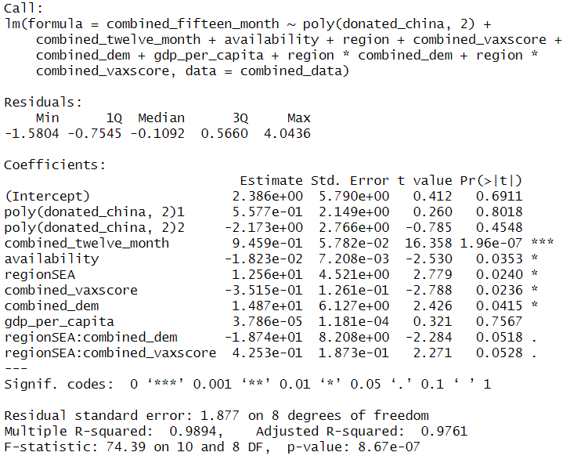
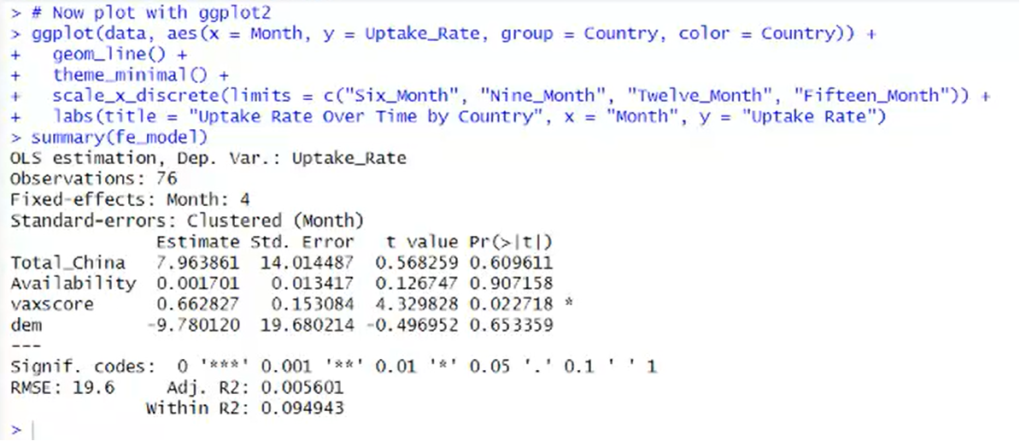
 |  |  |  |  |  |  | Donated vaccines at all months | Combined
Total vaccines at 15 months | Southeast Asia |  | South America |  | Combined |  | % Donated of Chinese origin | 7.96
% Total vaccines of Chinese origin | 14.37 |  | -1.38 |  | 1.15 |  |  | (14.01)
 | (8.26) |  | (31.18) |  | (22.37) |  | Vaxscore | 0.66 | *
Vaxscore | 0.56 | * | -0.79 |  | -0.78 |  |  | (0.15)
 | (0.2) |  | (0.97) |  | (0.69) |  | V-Dem Electoral Democracy score | -9.78
V-Dem Electoral Democracy score | -28.41 | * | 58.97 |  | 46.87 |  |  | (19.68)
 | (8.43) |  | (42.43) |  | (31.14) |  | Vaccine availability | 0.0017
Southeast Asia (Dummy) |  |  |  |  | 33.29 |  |  | (0.013)
 |  |  |  |  | (21.86)
Vaccine availability |  |  |  |  | -0.05
 |  |  |  |  | (0.03) |  | Adjusted R^2: | 0.0056
% Chinese * Southeast Asia |  |  |  |  | 19.53
 |  |  |  |  | (27.29) |  | Significance codes: *** 0.001 ** 0.01 * 0.05 ~ 0.1
Southeast Asia * Vaxscore |  |  |  |  | 1.55 | ~
 |  |  |  |  | (0.8)
Southeast Asia * V-Dem |  |  |  |  | -79.67 | *
 |  |  |  |  | (34.56)
Constant | 83.04 | *** | 39.08 |  | 60.93 | *
 | (4.91) |  | (26.33) |  | (22.56)
 | Adjusted R^2: .823 |  | Adjusted R^2: - .071 |  | Adjusted R^2: .388

 | p - value: .008 ** |  | p - value: .537 |  | p - value: .095 ~

Significance codes: *** 0.001 ** 0.01 * 0.05 ~ 0.1

Donated vaccines at 15 months | Combined
% Donated of Chinese origin | -10.49
 | (13.36)
Vaxscore | -0.81
 | (0.64)
V-Dem Electoral Democracy score | 47.69 |  |  |  |  |  | Residuals:
 | (30.67) |  |  |  |  |  | Min 1Q Median 3Q Max
Southeast Asia (Dummy) | 46.57 | ~ |  |  |  |  | -14.1569 -4.0854 0.6135 6.4087 10.8256
 | (21.18) |  |  |  |  |  | Coefficients:
Vaccine availability | -0.05 |  |  |  |  |  | Estimate Std. Error t value Pr(>|t|)
 | (0.03) |  |  |  |  |  | (Intercept) 61.67136 24.20684 2.548 0.0290 *
% Chinese * Southeast Asia | -6.61 |  |  |  |  |  | donated_china -3.43763 13.66337 -0.252 0.8064
 | (21.27) |  |  |  |  |  | availability -0.04980 0.03456 -1.441 0.1802
Southeast Asia * Vaxscore | 1.58 | ~ |  |  |  |  | regionSEA 46.56712 21.17510 2.199 0.0525 .
 | (0.76) |  |  |  |  |  | combined_vaxscore -0.81345 0.63507 -1.281 0.2291
Southeast Asia * V-Dem | -94.8 | * |  |  |  |  | combined_dem 47.69161 30.67078 1.555 0.1510
 | (34.04) |  |  |  |  |  | donated_china:regionSEA -6.60874 21.27166 -0.311 0.7624
Constant | 61.67 | * |  |  |  | ~ | regionSEA:combined_vaxscore 1.58110 0.76248 2.074 0.0649 .
 | (24.20) |  |  |  |  |  | regionSEA:combined_dem -94.80272 34.03709 -2.785 0.0193 *
Adjusted R^2: | 0.329 |  |  |  |  |  | ---
 |  |  |  |  |  |  | Signif. codes: 0 ‘***’ 0.001 ‘**’ 0.01 ‘*’ 0.05 ‘.’ 0.1 ‘ ’ 1
p - value: | 0.16 |  |  |  |  |  | Residual standard error: 9.934 on 10 degrees of freedom
 |  |  |  |  |  |  | Multiple R-squared: 0.6274, Adjusted R-squared: 0.3293
Significance codes: *** 0.001 ** 0.01 * 0.05 ~ 0.1 |  |  |  |  |  |  | F-statistic: 2.105 on 8 and 10 DF, p-value: 0.1342
 |  |  |  |  |  |  | Multiple R-squared: 0.55, Adjusted R-squared: 0.2637
 |  |  |  |  |  |  | F-statistic: 1.921 on 7 and 11 DF, p-value: 0.1601

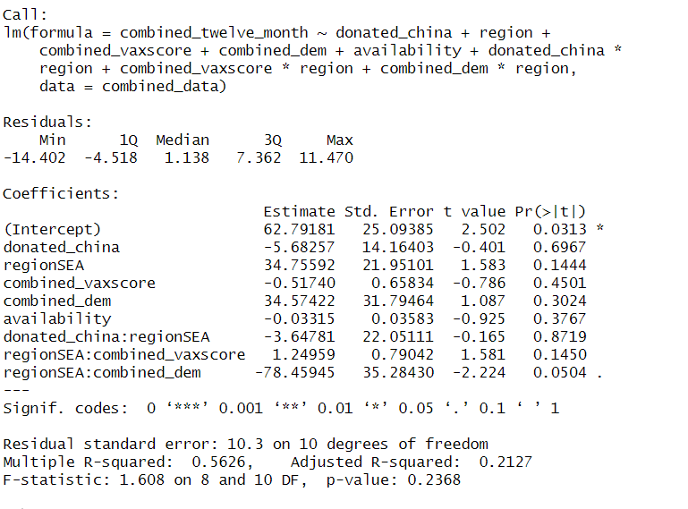

Total Vaccines at 12 Months | Southeast Asia |  | South America |  | Combined
% Total vaccines of Chinese origin | 17.06 | * | -0.26 |  | -5.68
 | (4.42) |  | (32.70) |  | (14.16)
Vaxscore | 0.70 | ** | -0.50 |  | -0.52
 | (0.11) |  | (1.01) |  | (0.66)
V-Dem Electoral Democracy score | -29.99 | ** | 29.35 |  | 34.57
 | (4.43) |  | (47.27) |  | (31.79)
Vaccine availability | -0.022 | ~ | -0.054 |  | -0.033
 | (0.0095) |  | (0.068) |  | (0.036)
Southeast Asia (Dummy) |  |  |  |  | 34.76
 |  |  |  |  | (21.95)
% Chinese * Southeast Asia |  |  |  |  | -3.65
 |  |  |  |  | (22.05)
Southeast Asia * Vaxscore |  |  |  |  | 1.25
 |  |  |  |  | (0.79)
Southeast Asia * V-Dem |  |  |  |  | -78.46 | ~
 |  |  |  |  | (35.28)
Constant | 82.54 | *** | 71.09 |  | 62.79 | *
 | (3.33) |  | (40.69) |  | (25.09)
Adjusted R^2: | 0.951 | Adjusted R^2: | -0.307 | Adjusted R^2: | 0.213

p - value: | 0.002 ** | p - value: | 0.758 | p - value: | 0.237

Significance codes: *** 0.001 ** 0.01 * 0.05 ~ 0.1

Variable | Mean | Median | Standard Deviation | Range
Six Month Uptake | 20.56 | 15.28 | 18.53 | 0.1-77.25
Nine Month Uptake | 34.48 | 33.15 | 24.21 | .14-83.49
Twleve Month Uptake | 41.98 | 40.34 | 25.65 | 0.19-87.87
v2x_polyarchy (Binary Converted) | 0.4397 | 0 | 0.4984985 | 0-1
Vax-score | -0.9354 | 2.9893 | 13.11519 | -49.01-11.99
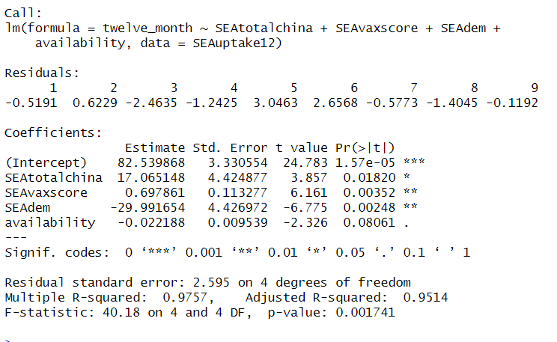
Percentage of rural population | 48.246 | 48.473 | 20.68933 | 4.57-86.75
Percentage of Chinese-donated Vaccines | 0.18704 | 0.05455 | 0.2728781 | 0-1
Vaccines donated per capita | 0.87837 | 0.70858 | 0.8382116 | .0028-3.86
GDP | 1.27E+11 | 2.48E+10 | 2.92E+11 | 4.1E+08-8.8E+10
GDP Per Capita | 4810 | 3.05E+03 | 5383.06 | 217-31902

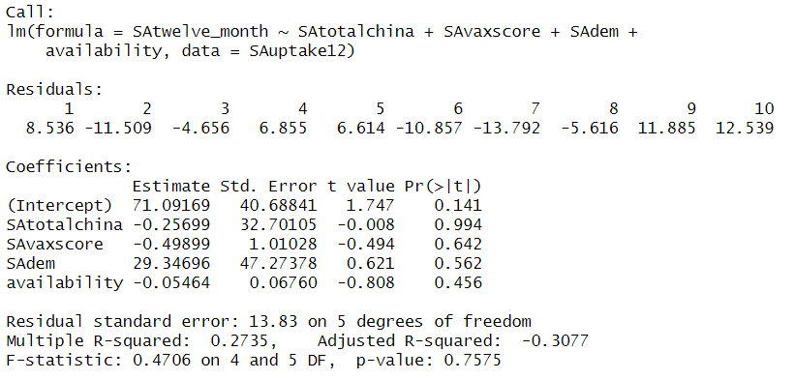

 |  |  |  |  |  |  | Appendix B:

