Summary
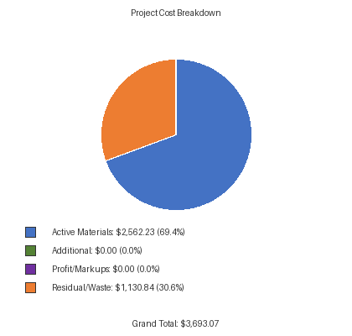
COST OVERVIEW
List Price Total: | $5,235.63
Discounted Total: | $3,693.07
Residual/Waste Cost: | $1,130.84
Waste Percentage: | 30.62%
PROJECT TOTAL
Discounted Total: | $3,693.07
+ Additional: | $0.00
+ Markups: | $0.00
GRAND TOTAL: | $3,693.07

