Summary
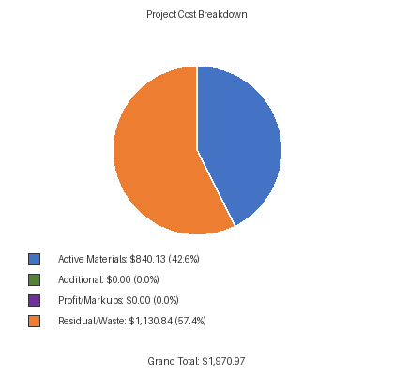
PROFILES
Description | Project Total Materials | Total Feet Required | Sticks Required | Total Quantity Required | Total List Cost | Discounted Total List Cost | Residual Material Quantity | Residual Waste % | Residual Material Cost
Vertical Sill/Jamb Screw Spline Assembly (Jamb) | BE9-2513 (clear) | 28.00 ft | 2 (24ft per) | 8ft x2, 3ft x4 | $838.00 | $514.53 | 18ft x1, 2ft x1 | 41.67% | $214.39
Vertical Flush Filler | E9-2512 (clear) | 24.00 ft | 1 (24ft per) | 8ft x3 | $150.00 | $92.10 | 0.00 ft | 0.00% | $0.00
Vertical Two Piece Mullion Screw Spline Assembly | BE9-2511 (clear) | 24.00 ft | 1 (24ft per) | 8ft x3 | $497.00 | $305.16 | 0.00 ft | 0.00% | $0.00
Horizontal Horizontal Screw Spline Assembly | BE9-2515 (clear) | 12.00 ft | 1 (24ft per) | 3ft x4 | $527.00 | $323.58 | 12ft x1 | 50.00% | $161.79
Horizontal Head | BE9-2514 (clear) | 12.00 ft | 1 (24ft per) | 3ft x4 | $444.00 | $272.62 | 12ft x1 | 50.00% | $136.31
Thermal Sill Flashing | BE9-2578 (clear) | 12.00 ft | 1 (24ft per) | 12ft | $264.00 | $162.10 | 12ft x1 | 50.00% | $81.05
Horizontal Glass Stop (Use with BE9-2514, BE9-2515, BE9-2517) | E9-2519 (clear) | 24.00 ft | 1 (24ft per) | 3ft x8 | $85.05 | $52.22 | 0.00 ft | 0.00% | $0.00
 |  |  |  | Total Profile Cost | $2,805.05 | $1,722.30 |  |  | $593.53
GASKETS
Description | Project Total Materials | Total Feet Required | Rolls Required | Total Quantity Required | Total List Cost | Discounted Total List Cost | Residual Material Quantity | Residual Waste % | Residual Material Cost
Glazing Gasket For 1” Glazing | E2-0052 (clear) | 224.00 ft | 1 (500ft per) | 224ft | $405.00 | $248.67 | 276ft x1 | 55.20% | $137.27
 |  |  |  | Total Gasket Cost | $405.00 | $248.67 |  |  | $137.27
COST OVERVIEW
List Price Total: |  | $5,235.63
Discounted Total: |  | $1,970.97
Residual/Waste Cost: |  | $1,130.84
Waste Percentage: |  | 30.62%
MARKUPS / PROFIT
(None configured)
SUBTOTAL |  | $0.00
PROJECT TOTAL
Discounted Total: |  | $1,970.97
+ Additional: |  | $0.00
+ Markups: |  | $0.00
GRAND TOTAL: |  | $1,970.97

