Summary
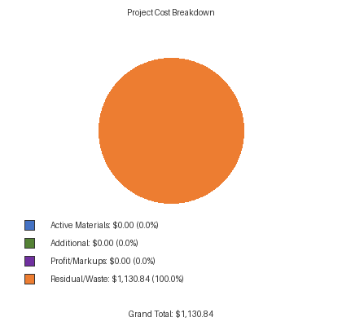
ACCESSORIES
Description | Project Total Materials | Total Pieces Required | Quantity Per Order | Orders Required | Total List Cost | Discounted Total List Cost | Residual Material Quantity | Residual Waste % | Residual Material Cost
End Dam For Sill Flashing | E1-0199 | 2.00 pcs | 20 pcs per | 1 order | $64.80 | $39.79 | 18.00 pcs | 90.00% | $35.81
Water Deflector | E2-0047 | 8.00 pcs | 50 pcs per | 1 order | $119.00 | $73.07 | 42.00 pcs | 84.00% | $61.38
#12 x 1-1/4” PHSMS Type AB, Zinc Plated Steel, For Screw Spline Attachment | PC-1220 | 56.00 pcs | 100 pcs per | 1 order | $18.30 | $11.24 | 44.00 pcs | 44.00% | $4.94
#10-24 x 3/8” PHMS, Stainless Steel, For Attachment of Sill to Sill Flashing | PM-1006-SS | 12.00 pcs | 100 pcs per | 1 order | $46.65 | $28.64 | 88.00 pcs | 88.00% | $25.21
#12 x 3/4” UFHSMS Type A, Zinc Plated Steel For End Dam Attachment | UA-1212 | 4.00 pcs | 100 pcs per | 1 order | $48.60 | $29.84 | 96.00 pcs | 96.00% | $28.65
Setting Block Chair Use with E2-0177 Setting Block at Sill | E1-2530 | 8.00 pcs | 1 pcs per | 8 orders | $36.00 | $22.10 | 0.00 pcs | 0.00% | $0.00
Side Block For Intermediate Vertical Shallow Pocket | E2-0166 | 6.00 pcs | 50 pcs per | 1 order | $76.95 | $47.25 | 44.00 pcs | 88.00% | $41.58
Setting Block For Sill | E2-0177 | 8.00 pcs | 50 pcs per | 1 order | $76.95 | $47.25 | 42.00 pcs | 84.00% | $39.69
1-1/8” “W” Side Block For Jamb | E2-0545 | 4.00 pcs | 50 pcs per | 1 order | $147.00 | $90.26 | 46.00 pcs | 92.00% | $83.04
1/2” “W” Side Block For Intermediate Vertical Deep Pocket | E2-0154 | 6.00 pcs | 50 pcs per | 1 order | $56.70 | $34.81 | 44.00 pcs | 88.00% | $30.64
Setting Block For Intermediate Horizontal | E2-0611 | 8.00 pcs | 50 pcs per | 1 order | $95.25 | $58.48 | 42.00 pcs | 84.00% | $49.13
 |  |  |  | Total Accessory Cost | $786.20 | $482.73 |  |  | $400.05
COST OVERVIEW
List Price Total: |  | $5,235.63
Discounted Total: |  | $482.73
Residual/Waste Cost: |  | $1,130.84
Waste Percentage: |  | 30.62%
MARKUPS / PROFIT
(None configured)
SUBTOTAL |  | $0.00
PROJECT TOTAL
Discounted Total: |  | $482.73
+ Additional: |  | $0.00
+ Markups: |  | $0.00
GRAND TOTAL: |  | $482.73

