03_Architecture
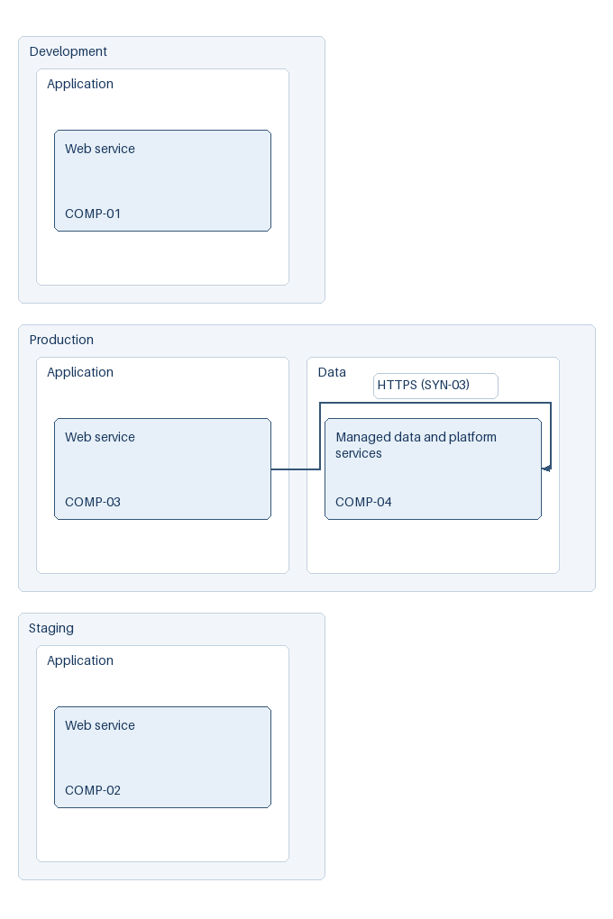
Architecture
Options d'architecture et decisions techniques a justifier.

ID | Composant | Type | Environnement | Fournisseur | Decision | Notes
ARCH-01 | Web service | Managed application | Production | Provider A | Managed runtime | Provisional Standard: two runtime replicas. Economique: one, Resilient: three. High workload overload remains open. See DEC-CONFLICT and capacity assumptions.
ARCH-02 | Managed data and platform services | Managed backend | Production | Provider A | Managed backend, separate shared capacity | COMP-04; shared data capacity is not multiplied by runtime replicas. Backup and restore evidence required.

Diagram nodes
ID | Composant | Environnement | Zone | Fournisseur
COMP-01 | Web service | Development | Application | Provider A
COMP-02 | Web service | Staging | Application | Provider A
COMP-03 | Web service | Production | Application | Provider A
COMP-04 | Managed data and platform services | Production | Data | Provider A

Diagram flows
ID | Source | Destination | Flux
FLOW-01 | COMP-03 | COMP-04 | HTTPS (SYN-03)

Icon provenance
Fournisseur | Source officielle | Licence / marque | Fichier | SHA-256
provider-neutral |  | Original neutral labelled symbols

Diagram manifest
JSON | {"edge_ids": ["FLOW-01"], "icon_provenance": [], "icon_sources": ["provider-neutral"], "node_ids": ["COMP-01", "COMP-02", "COMP-03", "COMP-04"], "output_hashes": {"png": "e0e2ec9c8c883554d77b86ce2bf5b328b61887fce74c656004457b9ae0aa4bf2", "svg": "24f1d21beb26437d7654dcddffaf415355f953121602a68fd44cdb12ef2c2150"}, "warnings": []}

