Attachments
Number

1

2 | 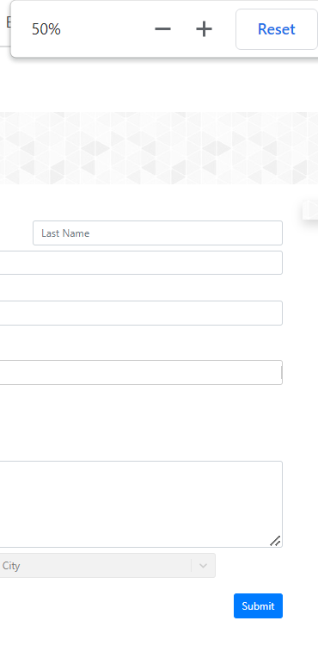

 | 
3

