Plotly
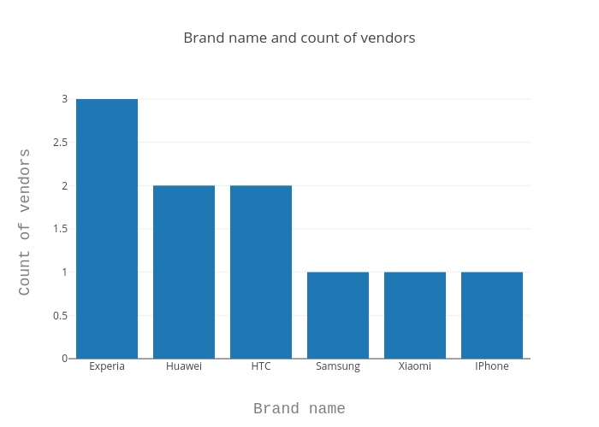
https://plot.ly/~antonAce/2/brand-name-and-count-of-vendors/

