Plotly
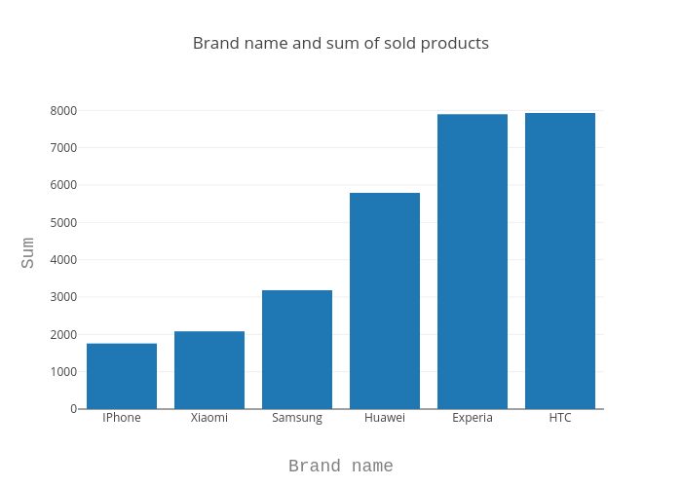
https://plot.ly/~antonAce/0/brand-name-and-sum-of-sold-products/

