Plotly
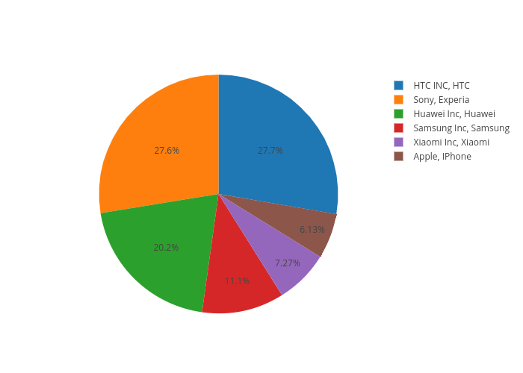
https://plot.ly/~antonAce/4/

