Sheet1
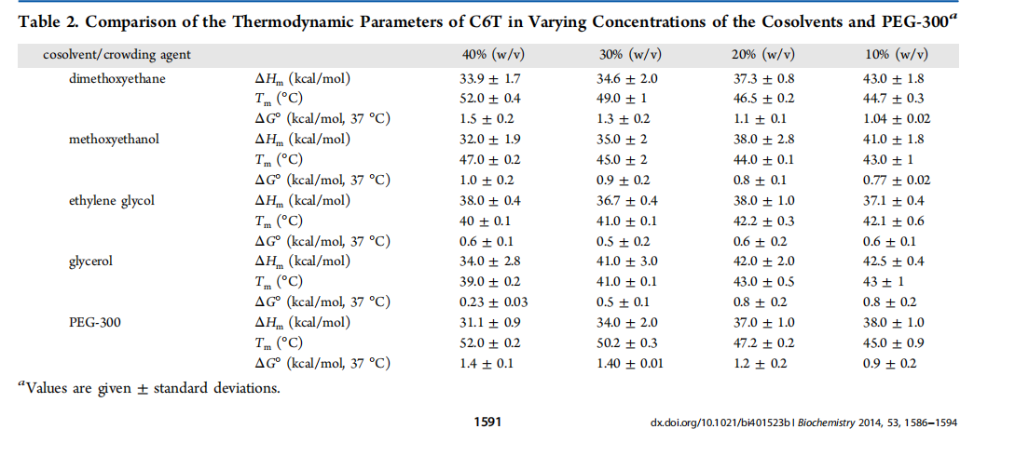
Crowder | crowder wt (%) | ΔG°37 (kcal/mol) | -ΔG°37 (kcal/mol) | ΔG°25 error | R [cal/molK] | Temp [K] | K [M] | K [M] error
dimetoxyethane | 0 | 0.8 | -0.8 | 0.2 | 1.98720425864083 | 310.15 | 0.273077 | 0.088614
dimetoxyethane | 10 | 1.04 | -1.04 | 0.02 |  |  | 0.184999 | 0.006003
dimetoxyethane | 20 | 1.1 | -1.1 | 0.1 |  |  | 0.167838 | 0.027232
dimetoxyethane | 30 | 1.3 | -1.3 | 0.2 |  |  | 0.121328 | 0.039371
methoxyethanol | 40 | 1.5 | -1.5 | 0.2 |  |  | 0.087707 | 0.028461
methoxyethanol | 0 | 0.8 | -0.8 | 0.2 |  |  | 0.273077 | 0.088614
methoxyethanol | 10 | 0.77 | -0.77 | 0.02 |  |  | 0.286697 | 0.009303
methoxyethanol | 20 | 0.8 | -0.8 | 0.1 |  |  | 0.273077 | 0.044307
methoxyethanol | 30 | 0.9 | -0.9 | 0.2 |  |  | 0.232177 | 0.075342
methoxyethanol | 40 | 1 | -1 | 0.2 |  |  | 0.197404 | 0.064058
EG | 0 | 0.8 | -0.8 | 0.2 |  |  | 0.273077 | 0.088614
EG | 10 | 0.6 | -0.6 | 0.1 |  |  | 0.377758 | 0.061291
EG | 20 | 0.6 | -0.6 | 0.2 |  |  | 0.377758 | 0.122583
EG | 30 | 0.5 | -0.5 | 0.2 |  |  | 0.444302 | 0.144176
EG | 40 | 0.6 | -0.6 | 0.1 |  |  | 0.377758 | 0.061291
glycerol | 0 | 0.8 | -0.8 | 0.2 |  |  | 0.273077 | 0.088614
glycerol | 10 | 0.8 | -0.8 | 0.2 |  |  | 0.273077 | 0.088614
glycerol | 20 | 0.8 | -0.8 | 0.2 |  |  | 0.273077 | 0.088614
glycerol | 30 | 0.5 | -0.5 | 0.1 |  |  | 0.444302 | 0.072088
glycerol | 40 | 0.23 | -0.23 | 0.003 |  |  | 0.688544 | 0.003351
PEG 300 | 0 | 0.8 | -0.8 | 0.2 |  |  | 0.273077 | 0.088614
PEG 300 | 10 | 0.9 | -0.9 | 0.2 |  |  | 0.232177 | 0.075342
PEG 300 | 20 | 1.2 | -1.2 | 0.2 |  |  | 0.142701 | 0.046307
PEG 300 | 30 | 1.4 | -1.4 | 0.01 |  |  | 0.103157 | 0.001674
PEG 300 | 40 | 1.4 | -1.4 | 0.1 |  |  | 0.103157 | 0.016737

