Sheet1
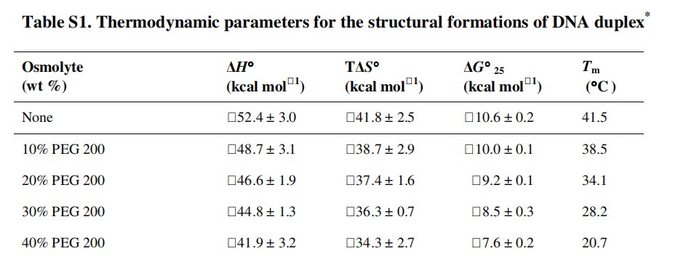
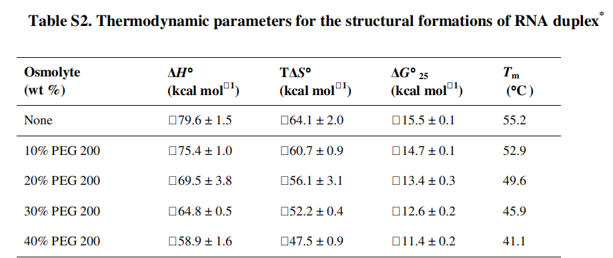
Crowder | crowder wt (%) | ΔG°25 (kcal/mol) | -ΔG°25 (kcal/mol) | ΔG°25 error | R [cal/molK] | Temp [K] | K [M] | K [M] error
PEG 200 | 0 | -10.6 | 10.6 | 0.2 | 1.98720425864083 | 298.15 | 58864562 | 19870399
PEG 200 | 10 | -10 | 10 | 0.1 |  |  | 21382125 | 3608889
PEG 200 | 20 | -9.2 | 9.2 | 0.1 |  |  | 5541748 | 935340
PEG 200 | 30 | -8.5 | 8.5 | 0.3 |  |  | 1700369 | 860968
PEG 200 | 40 | -7.6 | 7.6 | 0.2 |  |  | 372253 | 125658
PEG 200 | 0 | -15.5 | 15.5 | 0.1 |  |  | 229921107673 | 38806235970
PEG 200 | 10 | -14.7 | 14.7 | 0.1 |  |  | 59590190493 | 10057671595
PEG 200 | 20 | -13.4 | 13.4 | 0.3 |  |  | 6641530342 | 3362885595
PEG 200 | 30 | -12.6 | 12.6 | 0.2 |  |  | 1721329817 | 581054360
PEG 200 | 40 | -11.4 | 11.4 | 0.2 |  |  | 227121364 | 76667387
PEG 200 | 0 | -10.9 | 10.9 | 0.1 |  |  | 97668708 | 16484589
PEG 200 | 10 | -9.9 | 9.9 | 0.1 |  |  | 18061356 | 3048408
PEG 200 | 20 | -8.9 | 8.9 | 0.1 |  |  | 3339991 | 563726
PEG 200 | 30 | -8.2 | 8.2 | 0.1 |  |  | 1024806 | 172967
PEG 200 | 40 | -7.4 | 7.4 | 0.1 |  |  | 265606 | 44829
PEG 200 | 0 | -12 | 12 | 0.1 |  |  | 625260567 | 105531890
PEG 200 | 10 | -11.1 | 11.1 | 0.2 |  |  | 136885190 | 46207145
PEG 200 | 20 | -10.2 | 10.2 | 0.3 |  |  | 29967595 | 15173851
PEG 200 | 30 | -9.4 | 9.4 | 0.4 |  |  | 7766902 | 5243611
PEG 200 | 40 | -8.5 | 8.5 | 0.3 |  |  | 1700369 | 860968

