Req_CFG_CC_Paths
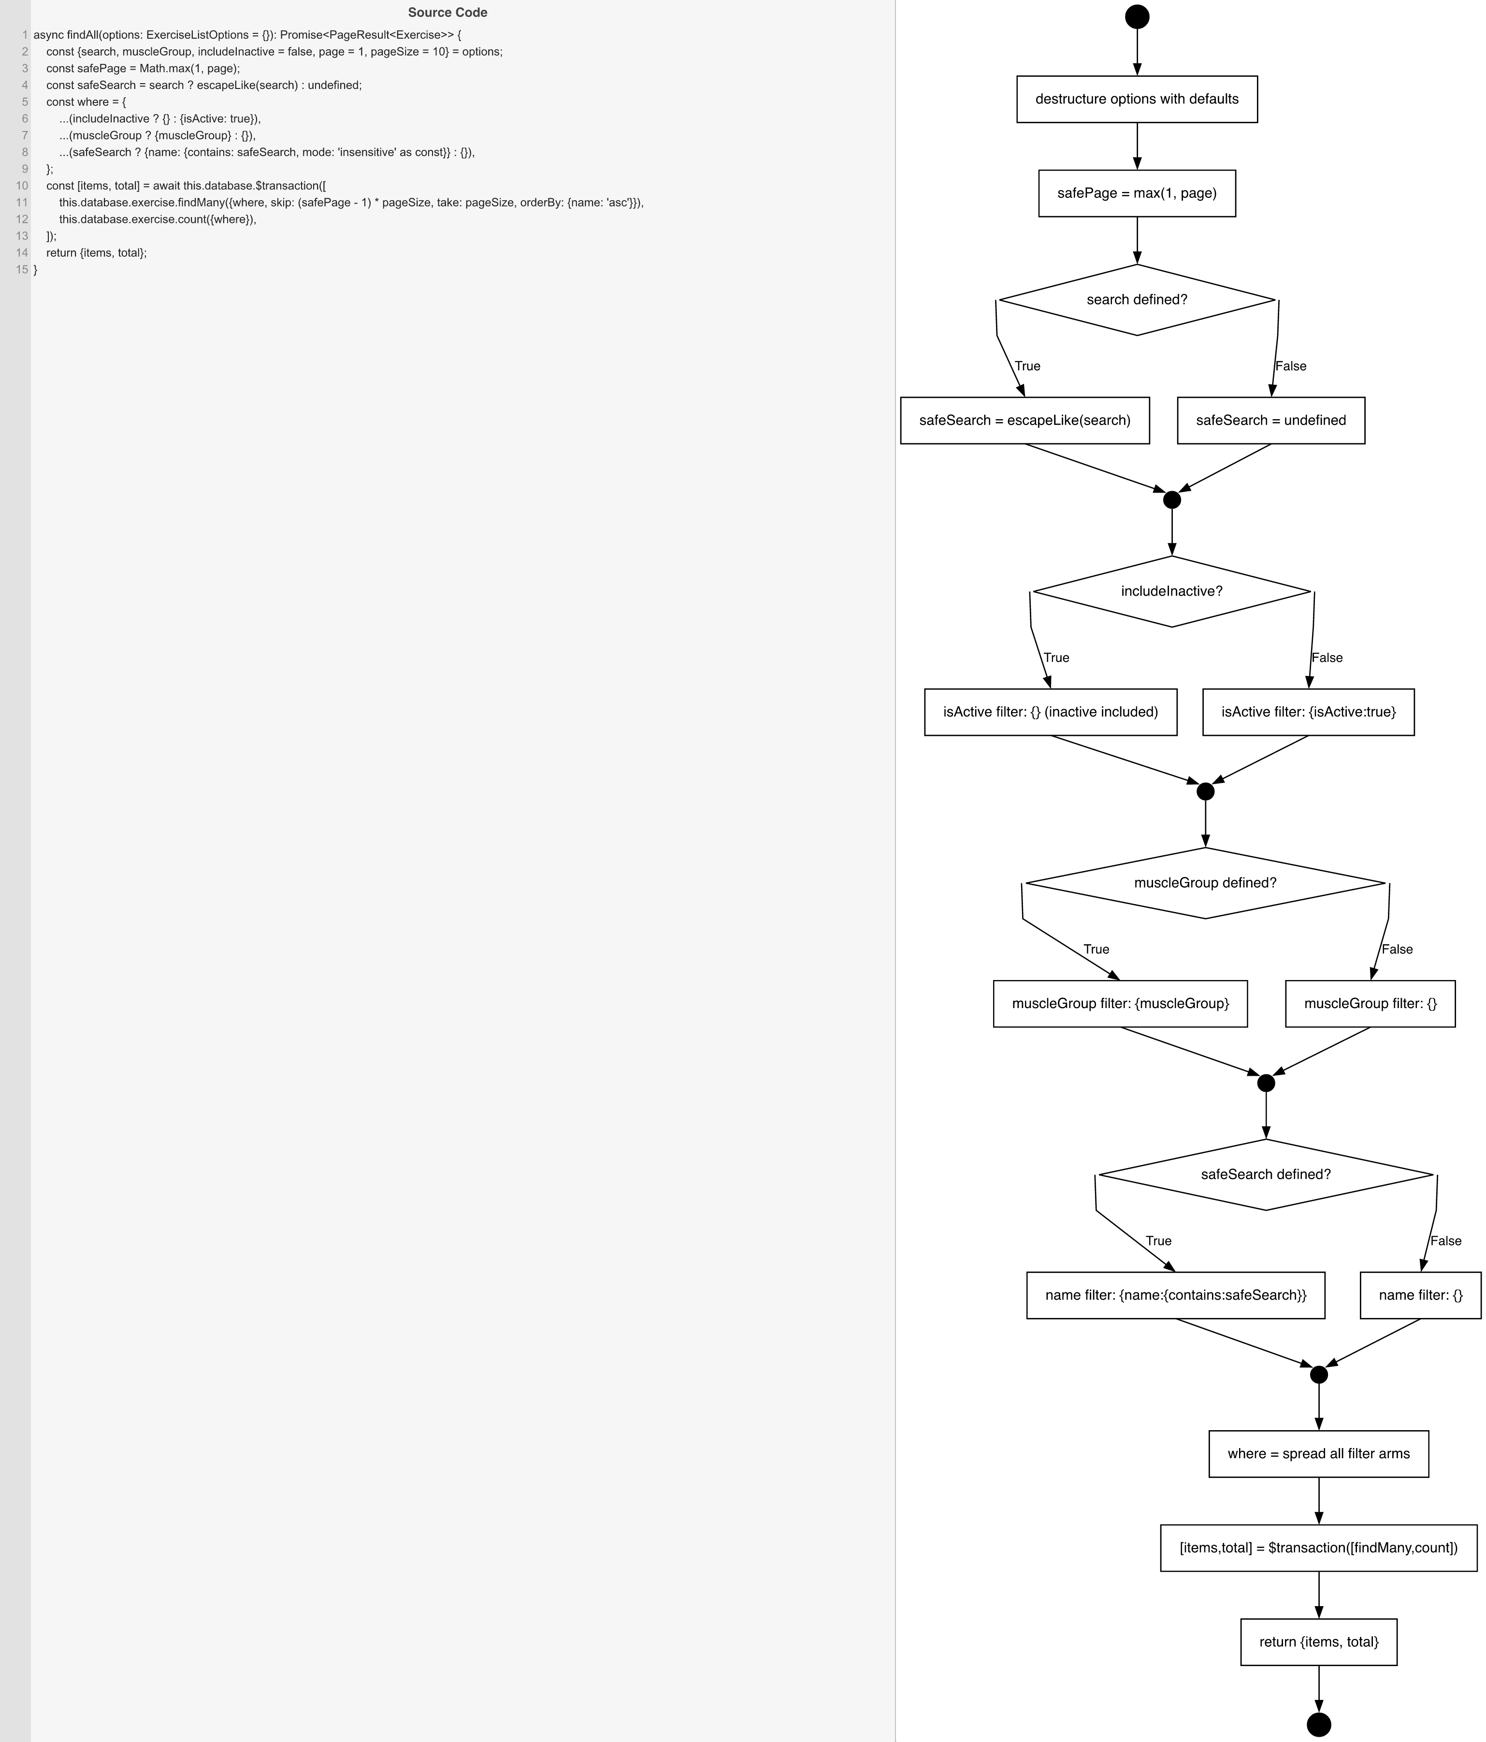
Cyclomatic Complexity
CC₁ (regions) | 8
CC₂ (E − N + 2) | 8
CC₃ (predicates + 1) | 8

Individual Paths
1 | start→S1→S2→D1(F)→S4→m1→D2(F)→S6→m2→D3(F)→S8→m3→D4(F)→S10→m4→S11→S12→retOk→exit [no search, active only, no muscleGroup]
2 | start→S1→S2→D1(T)→S3→m1→D2(F)→S6→m2→D3(F)→S8→m3→D4(T)→S9→m4→S11→S12→retOk→exit [search, active only, no muscleGroup]
3 | start→S1→S2→D1(F)→S4→m1→D2(T)→S5→m2→D3(F)→S8→m3→D4(F)→S10→m4→S11→S12→retOk→exit [no search, includeInactive, no muscleGroup]
4 | start→S1→S2→D1(F)→S4→m1→D2(F)→S6→m2→D3(T)→S7→m3→D4(F)→S10→m4→S11→S12→retOk→exit [no search, active only, muscleGroup]
5 | start→S1→S2→D1(T)→S3→m1→D2(T)→S5→m2→D3(F)→S8→m3→D4(T)→S9→m4→S11→S12→retOk→exit [search, includeInactive, no muscleGroup]
6 | start→S1→S2→D1(T)→S3→m1→D2(F)→S6→m2→D3(T)→S7→m3→D4(T)→S9→m4→S11→S12→retOk→exit [search, active only, muscleGroup]
7 | start→S1→S2→D1(F)→S4→m1→D2(T)→S5→m2→D3(T)→S7→m3→D4(F)→S10→m4→S11→S12→retOk→exit [no search, includeInactive, muscleGroup]
8 | start→S1→S2→D1(T)→S3→m1→D2(T)→S5→m2→D3(T)→S7→m3→D4(T)→S9→m4→S11→S12→retOk→exit [search, includeInactive, muscleGroup - all filters]

