Req_CFG_CC_Paths
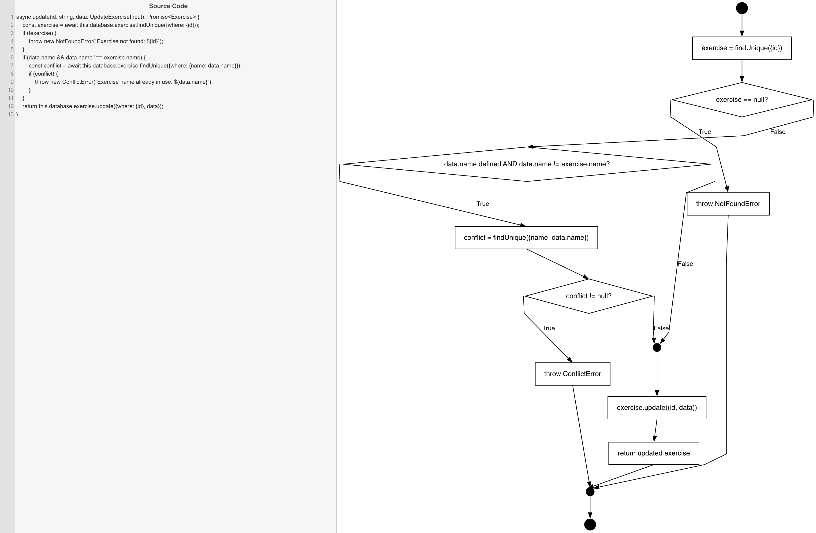
Cyclomatic Complexity
CC₁ (regions) | 4
CC₂ (E − N + 2) | 4
CC₃ (predicates + 1) | 4

Individual Paths
1 | start -> S1 -> D1(F) -> D2(F) -> S3 -> retOk -> mExit -> exit
2 | start -> S1 -> D1(T) -> throwNF -> mExit -> exit
3 | start -> S1 -> D1(F) -> D2(T) -> S2 -> D3(F) -> S3 -> retOk -> mExit -> exit
4 | start -> S1 -> D1(F) -> D2(T) -> S2 -> D3(T) -> throwCE -> mExit -> exit

