Req_CFG_CC_Paths
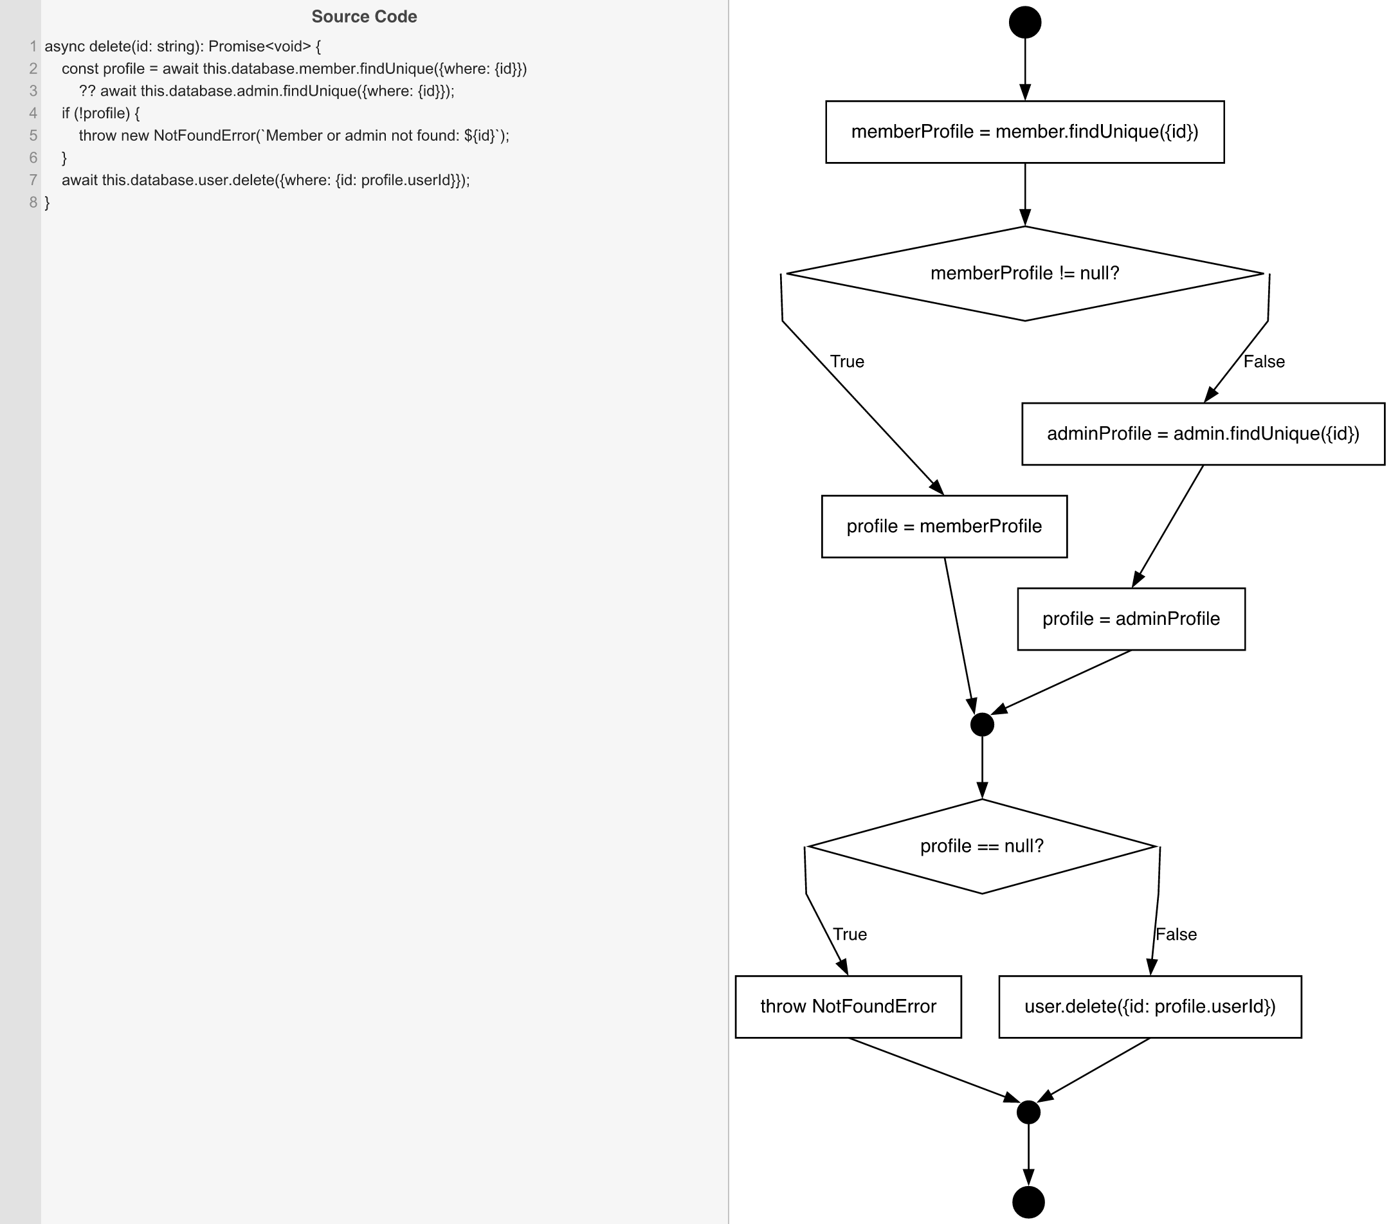
Cyclomatic Complexity
CC₁ (regions) | 3
CC₂ (E − N + 2) | 3
CC₃ (predicates + 1) | 3

Individual Paths
1 | start -> S1 -> D1(T) -> sPMember -> mProfile -> D2(F) -> S4 -> mExit -> exit (member found, delete)
2 | start -> S1 -> D1(F) -> S2 -> sPAdmin -> mProfile -> D2(F) -> S4 -> mExit -> exit (admin found, delete)
3 | start -> S1 -> D1(F) -> S2 -> sPAdmin -> mProfile -> D2(T) -> throwNF -> mExit -> exit (neither found)

