Req_CFG_CC_Paths
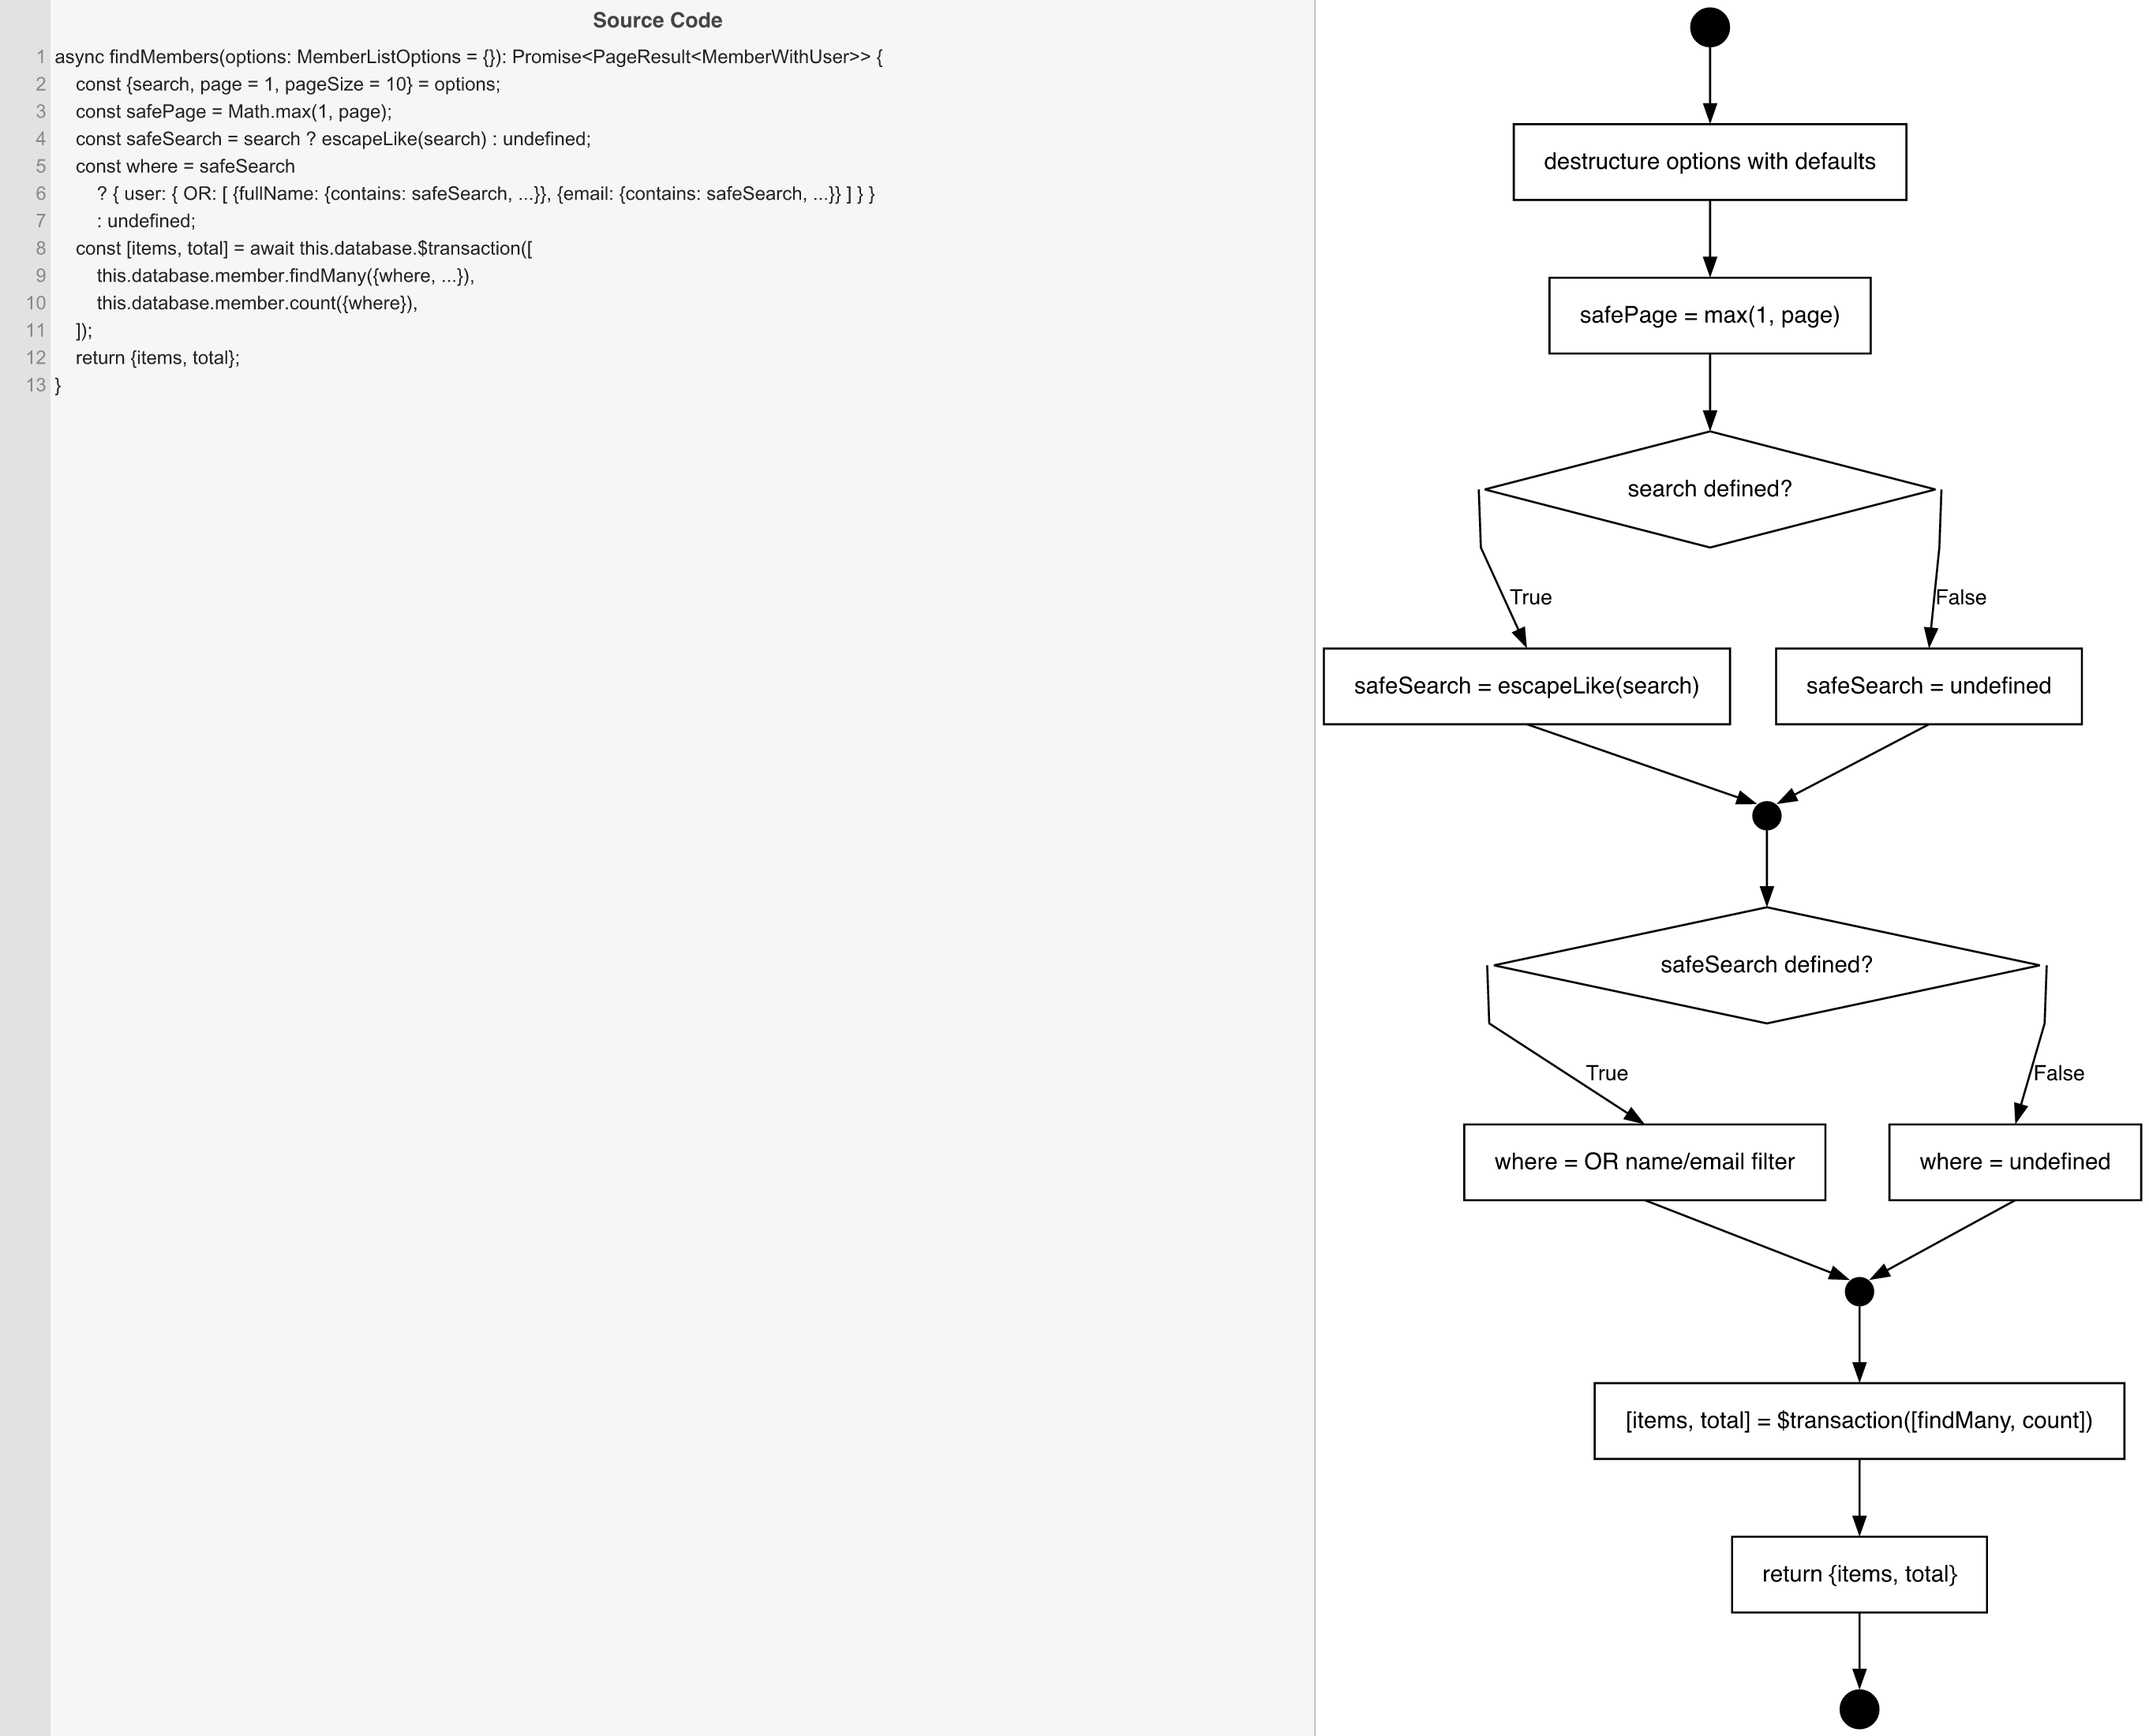
Cyclomatic Complexity
CC₁ (regions) | 3
CC₂ (E − N + 2) | 3
CC₃ (predicates + 1) | 3

Individual Paths
1 | start -> S1 -> S2 -> D1(F) -> S4 -> mSearch -> D2(F) -> S6 -> mWhere -> S7 -> retOk -> exit
2 | start -> S1 -> S2 -> D1(T) -> S3 -> mSearch -> D2(T) -> S5 -> mWhere -> S7 -> retOk -> exit
3 | (structurally impossible - D1 and D2 are coupled: search defined <=> safeSearch defined)

