Req_CFG_CC_Paths
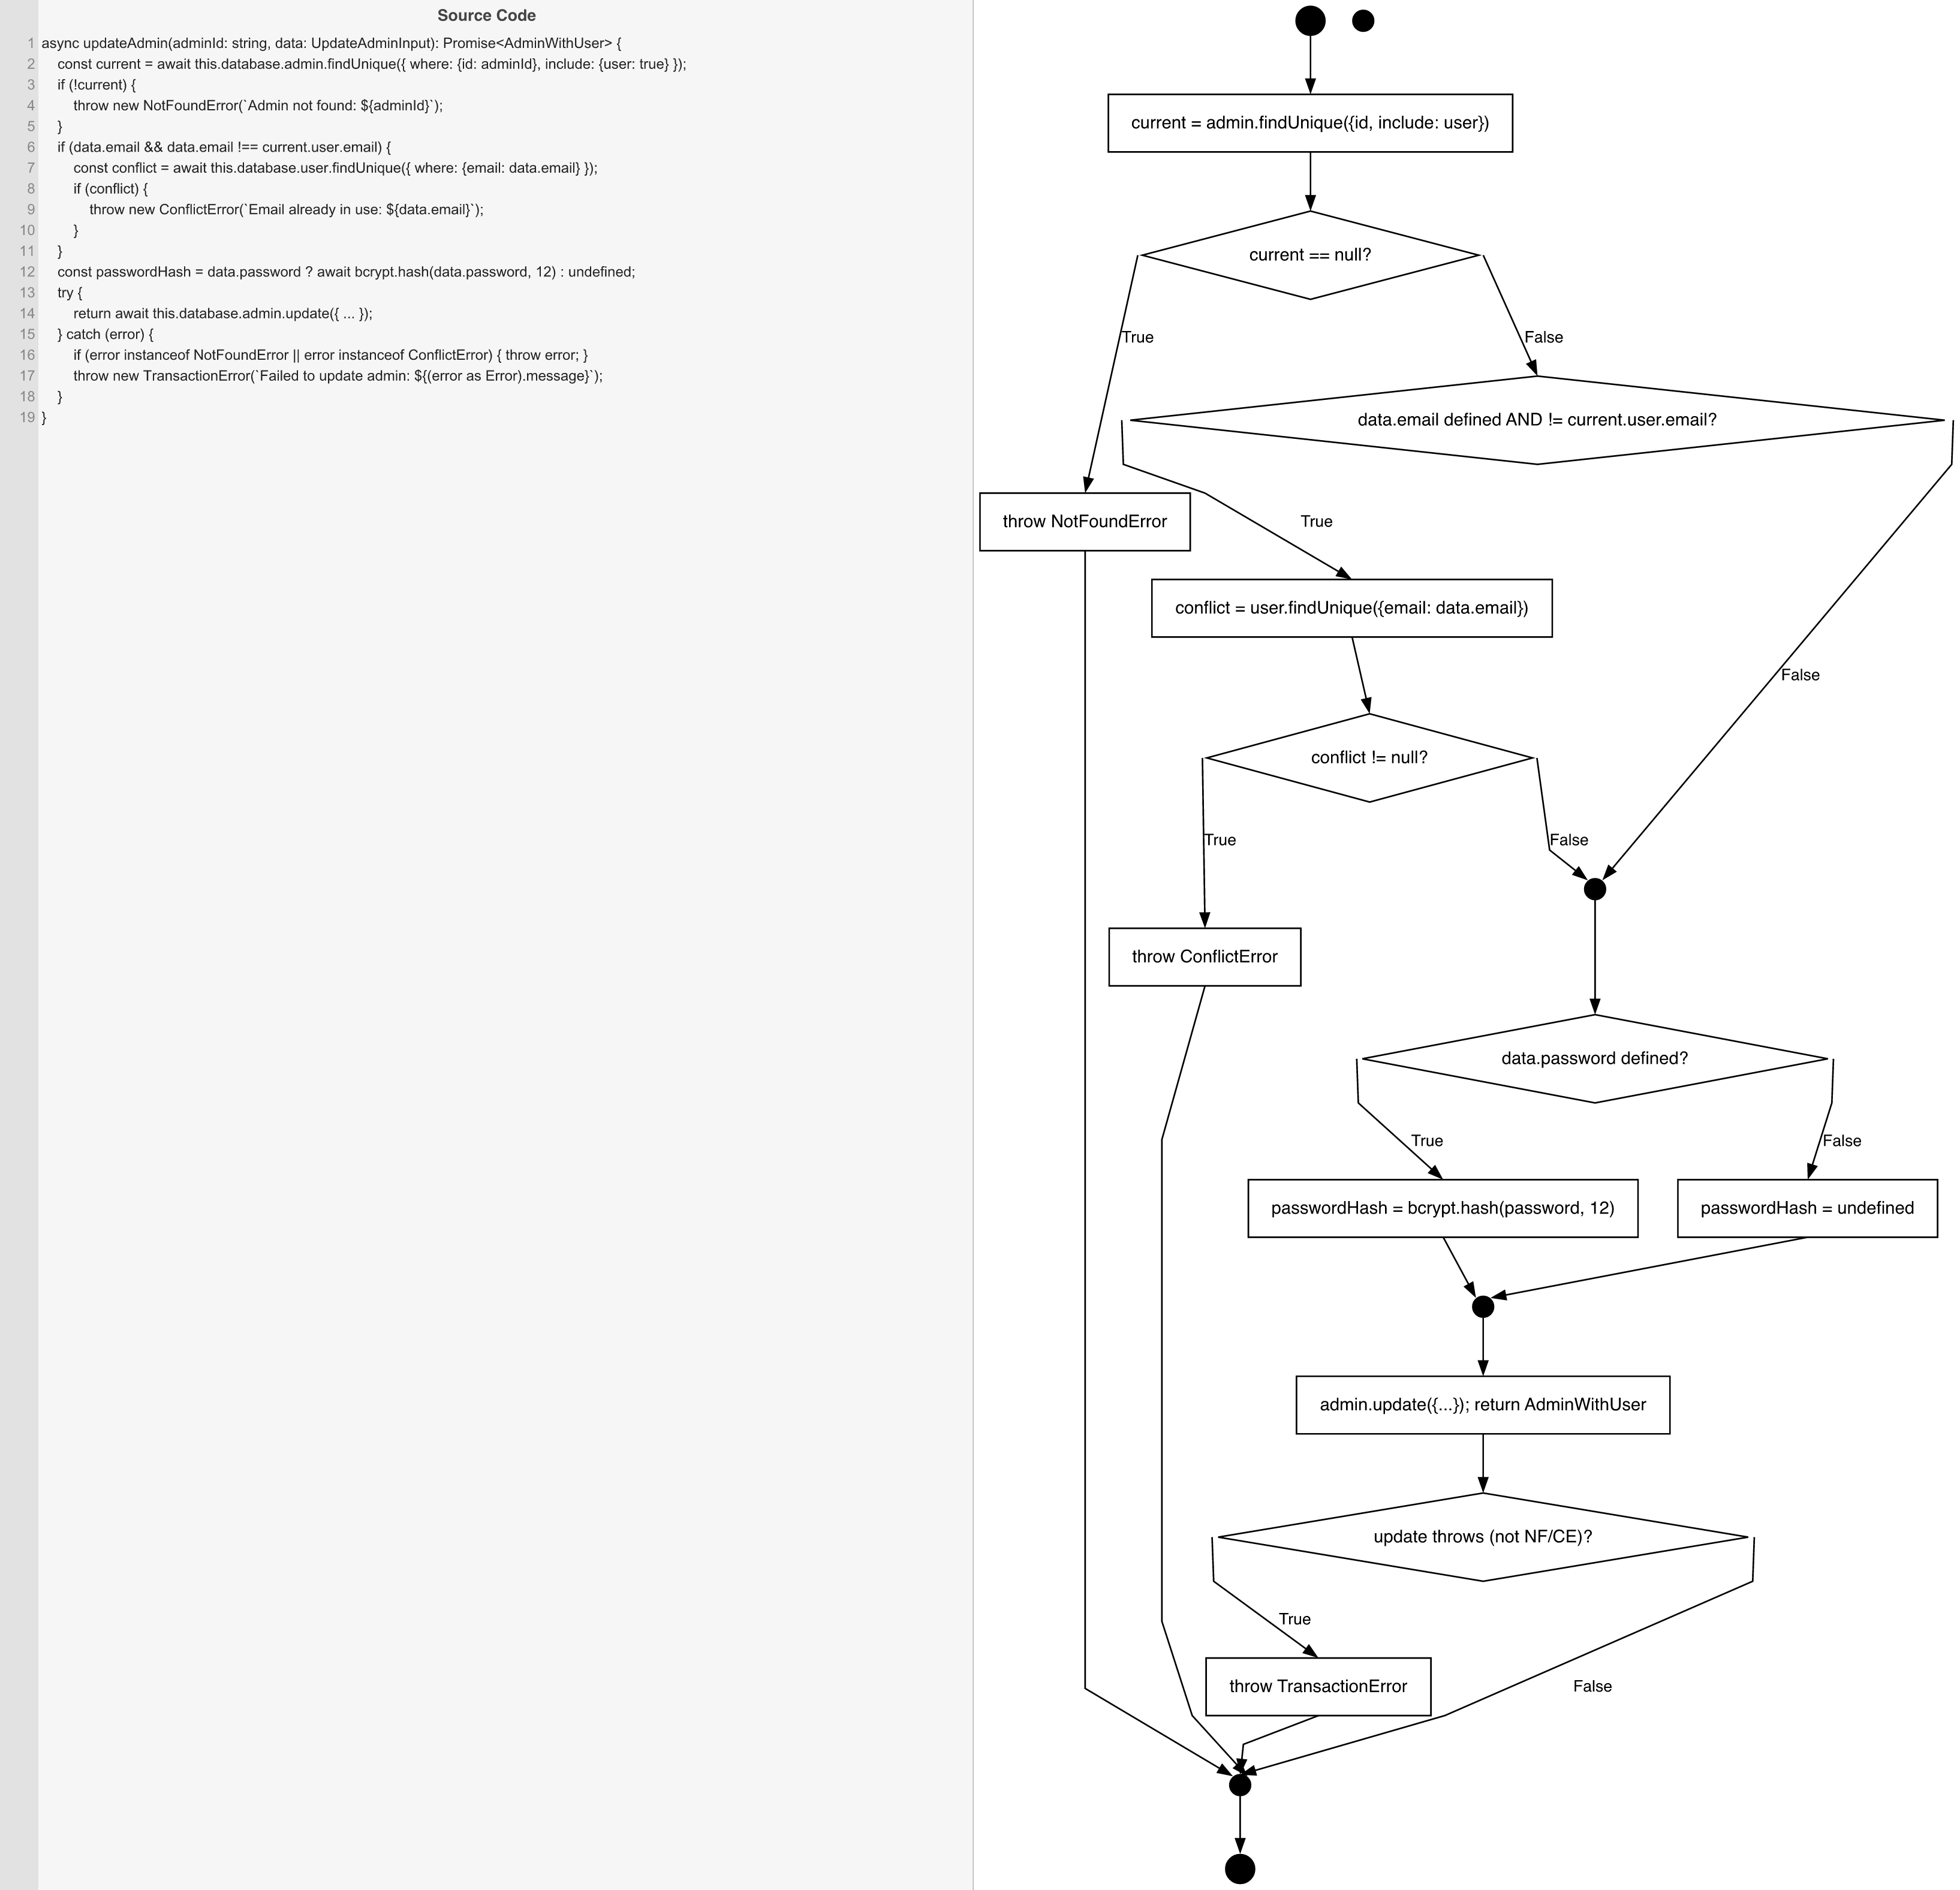
Cyclomatic Complexity
CC₁ (regions) | 6
CC₂ (E − N + 2) | 6
CC₃ (predicates + 1) | 6

Individual Paths
1 | start -> S1 -> D1(F) -> D2(F) -> mAfterEmail -> D4(F) -> S4 -> mAfterPwd -> S5 -> D5(F) -> mExit -> exit
2 | start -> S1 -> D1(T) -> throwNF -> mExit -> exit
3 | start -> S1 -> D1(F) -> D2(T) -> S2 -> D3(F) -> mAfterEmail -> D4(F) -> S4 -> mAfterPwd -> S5 -> D5(F) -> mExit -> exit
4 | start -> S1 -> D1(F) -> D2(T) -> S2 -> D3(T) -> throwCE -> mExit -> exit
5 | start -> S1 -> D1(F) -> D2(F) -> mAfterEmail -> D4(T) -> S3 -> mAfterPwd -> S5 -> D5(F) -> mExit -> exit
6 | start -> S1 -> D1(F) -> D2(F) -> mAfterEmail -> D4(F) -> S4 -> mAfterPwd -> S5 -> D5(T) -> throwTE -> mExit -> exit

