Req_CFG_CC_Paths
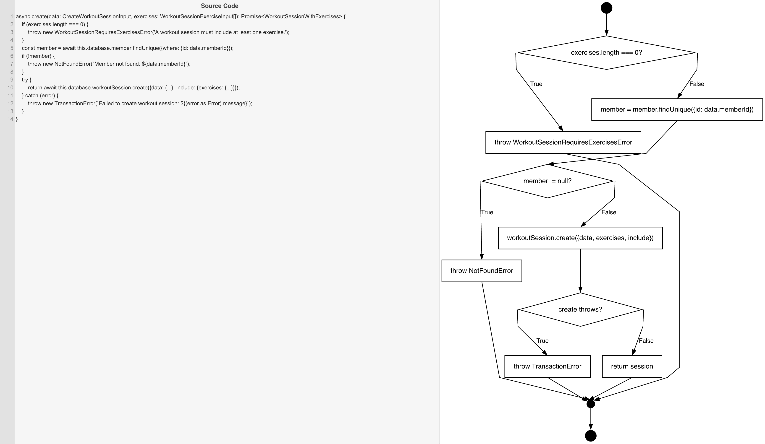
Cyclomatic Complexity
CC₁ (regions) | 4
CC₂ (E − N + 2) | 4
CC₃ (predicates + 1) | 4

Individual Paths
1 | start → D1(F) → S1 → D2(F) → S2 → D3(F) → retOk → mExit → exit
2 | start → D1(T) → throwWSRE → mExit → exit
3 | start → D1(F) → S1 → D2(T) → throwNF → mExit → exit
4 | start → D1(F) → S1 → D2(F) → S2 → D3(T) → throwTE → mExit → exit

