Req_CFG_CC_Paths
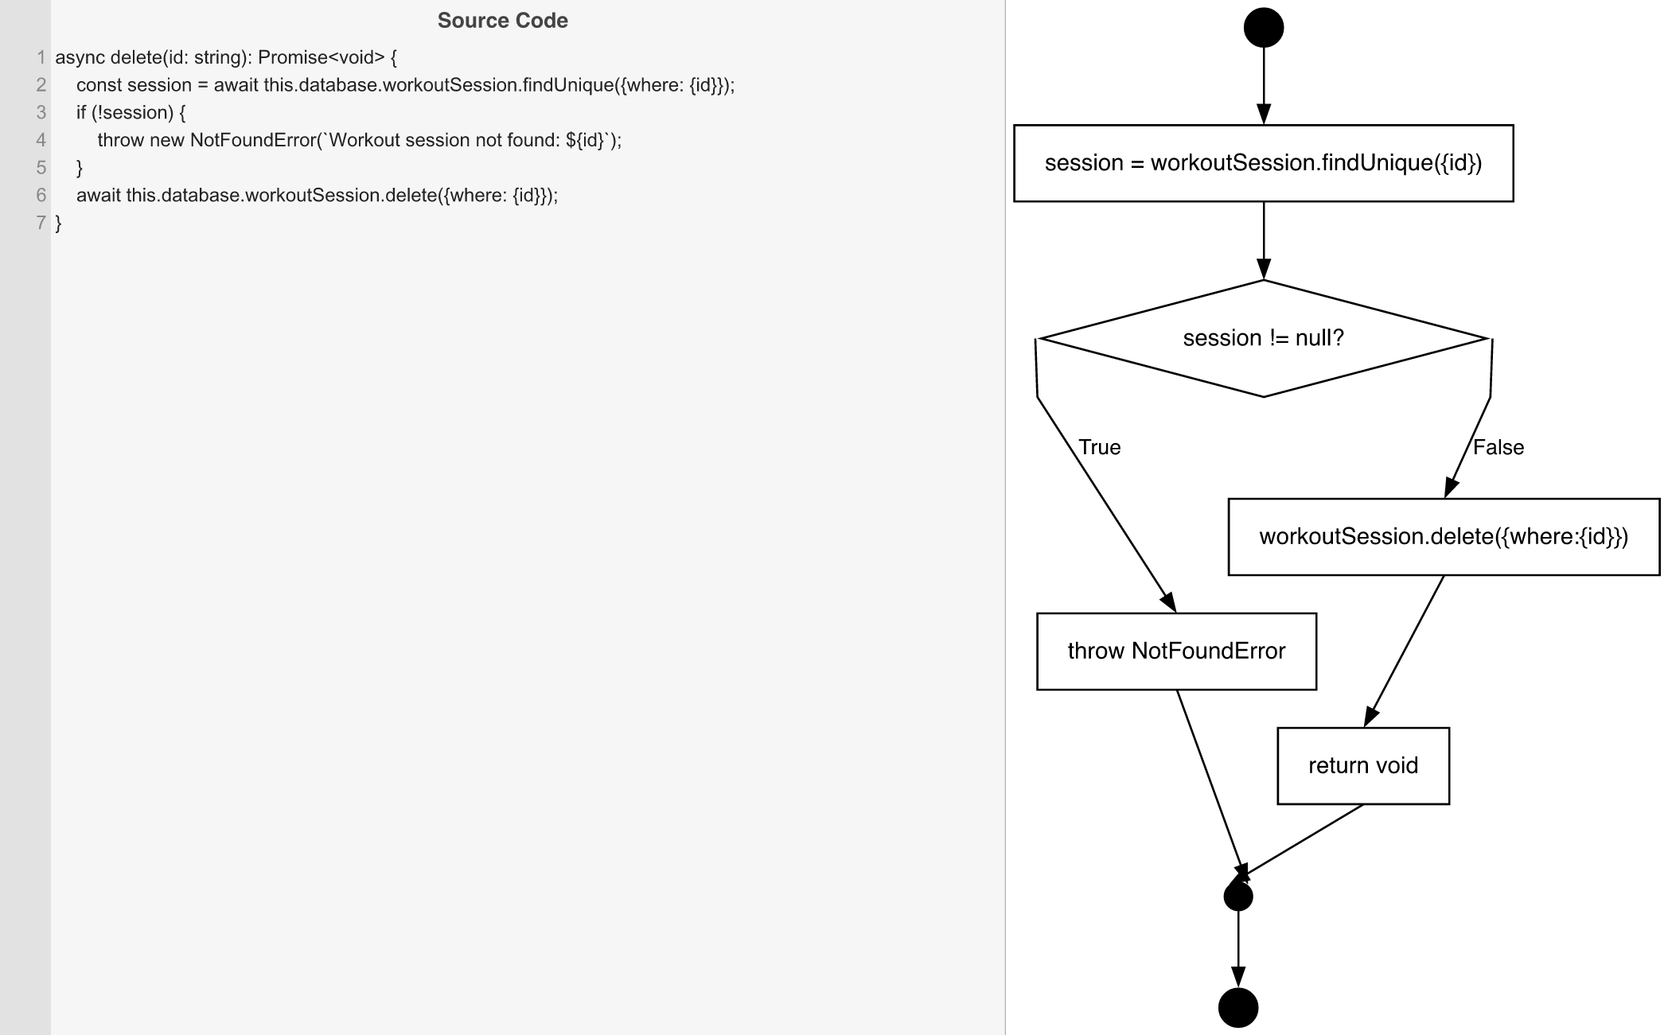
Cyclomatic Complexity
CC₁ (regions) | 2
CC₂ (E − N + 2) | 2
CC₃ (predicates + 1) | 2

Individual Paths
1 | start → S1 → D1(F) → S2 → retOk → mExit → exit
2 | start → S1 → D1(T) → throwNF → mExit → exit

