Req_CFG_CC_Paths
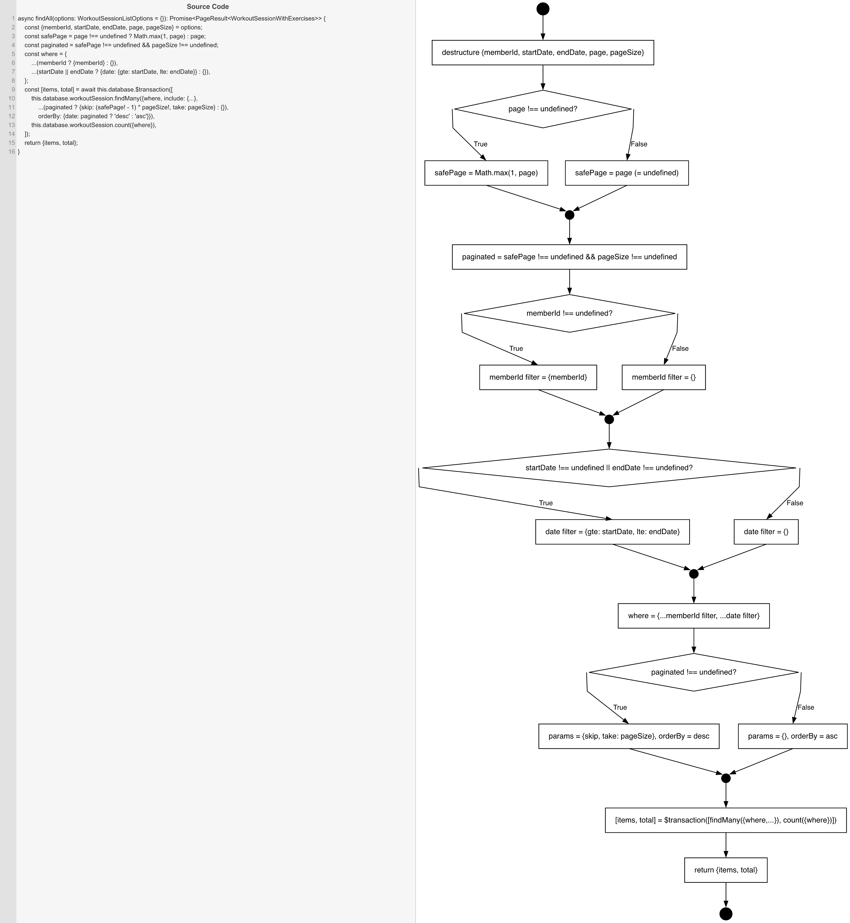
Cyclomatic Complexity
CC₁ (regions) | 5
CC₂ (E − N + 2) | 5
CC₃ (predicates + 1) | 5

Individual Paths
1 | start→S1→D1(F)→S2b→m1→S3→D2(F)→S4b→m2→D3(F)→S5b→m3→S6→D4(F)→S7b→m4→S8→retOk→exit [no page, no memberId, no dates, unpaginated asc]
2 | start→S1→D1(T)→S2a→m1→S3→D2(F)→S4b→m2→D3(F)→S5b→m3→S6→D4(F)→S7b→m4→S8→retOk→exit [page only, pageSize absent → paginated=false]
3 | start→S1→D1(F)→S2b→m1→S3→D2(T)→S4a→m2→D3(F)→S5b→m3→S6→D4(F)→S7b→m4→S8→retOk→exit [memberId only]
4 | start→S1→D1(F)→S2b→m1→S3→D2(F)→S4b→m2→D3(T)→S5a→m3→S6→D4(F)→S7b→m4→S8→retOk→exit [startDate only]
5 | start→S1→D1(T)→S2a→m1→S3→D2(F)→S4b→m2→D3(F)→S5b→m3→S6→D4(T)→S7a→m4→S8→retOk→exit [page+pageSize → paginated desc]
6 | start→S1→D1(F)→S2b→m1→S3→D2(T)→S4a→m2→D3(T)→S5a→m3→S6→D4(F)→S7b→m4→S8→retOk→exit [memberId+startDate+endDate, no pagination — D3 TT MCC]
7 | start→S1→D1(T)→S2a→m1→S3→D2(T)→S4a→m2→D3(F)→S5b→m3→S6→D4(F)→S7b→m4→S8→retOk→exit [page+memberId, unpaginated]
8 | start→S1→D1(T)→S2a→m1→S3→D2(F)→S4b→m2→D3(T)→S5a→m3→S6→D4(F)→S7b→m4→S8→retOk→exit [page+startDate, unpaginated]
9 | start→S1→D1(T)→S2a→m1→S3→D2(T)→S4a→m2→D3(T)→S5a→m3→S6→D4(F)→S7b→m4→S8→retOk→exit [page+memberId+startDate, unpaginated]
10 | start→S1→D1(T)→S2a→m1→S3→D2(T)→S4a→m2→D3(F)→S5b→m3→S6→D4(T)→S7a→m4→S8→retOk→exit [page+pageSize+memberId, paginated]
11 | start→S1→D1(T)→S2a→m1→S3→D2(F)→S4b→m2→D3(T)→S5a→m3→S6→D4(T)→S7a→m4→S8→retOk→exit [page+pageSize+startDate, paginated]
12 | start→S1→D1(T)→S2a→m1→S3→D2(T)→S4a→m2→D3(T)→S5a→m3→S6→D4(T)→S7a→m4→S8→retOk→exit [page+pageSize+memberId+startDate+endDate, paginated — D3 TT MCC]

