Req_CFG_CC_Paths
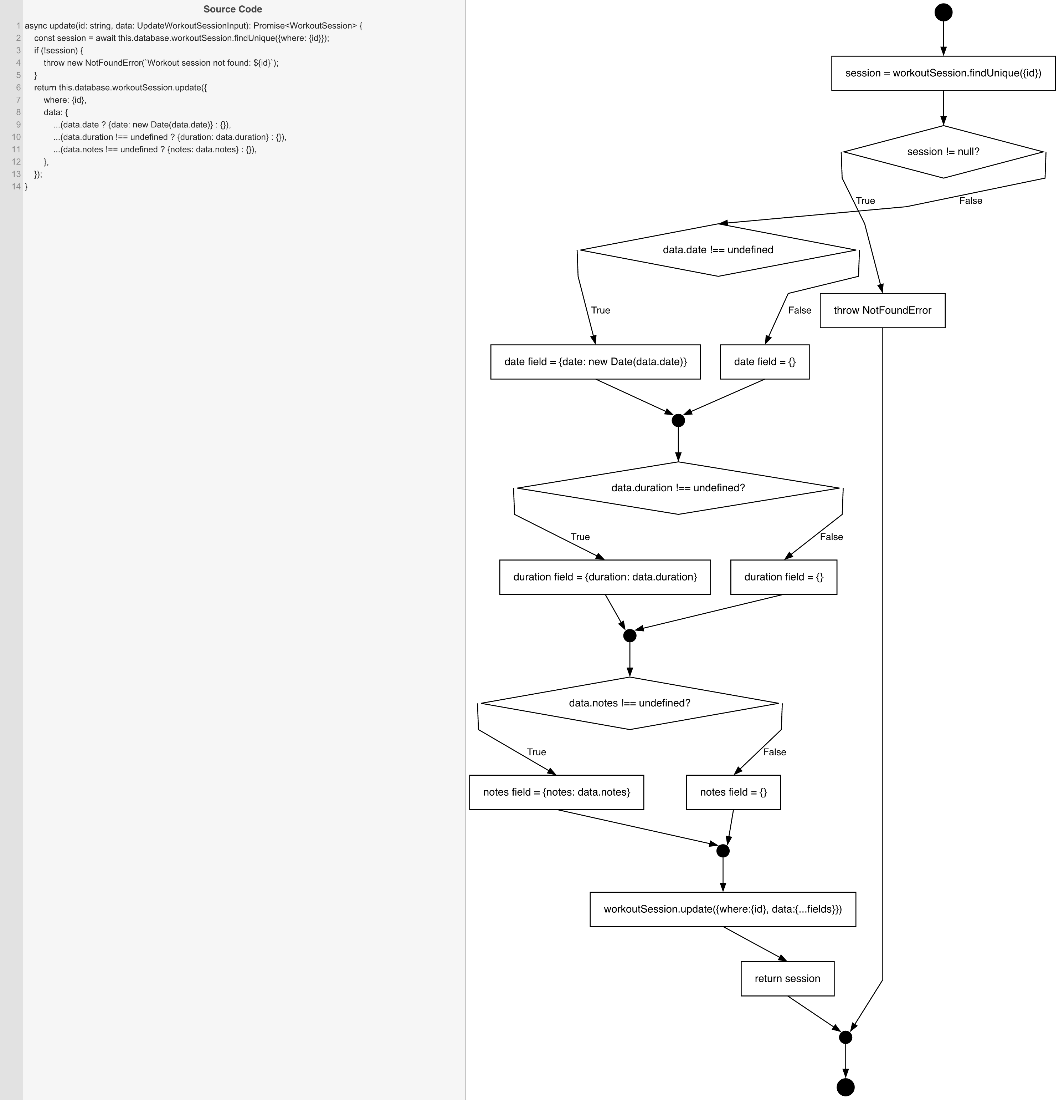
Cyclomatic Complexity
CC₁ (regions) | 5
CC₂ (E − N + 2) | 5
CC₃ (predicates + 1) | 5

Individual Paths
1 | start→S1→D1(F)→D2(F)→S2b→m1→D3(F)→S3b→m2→D4(F)→S4b→m3→S5→retOk→mExit→exit [session found, no data fields]
2 | start→S1→D1(T)→throwNF→mExit→exit [session not found]
3 | start→S1→D1(F)→D2(T)→S2a→m1→D3(F)→S3b→m2→D4(F)→S4b→m3→S5→retOk→mExit→exit [date only]
4 | start→S1→D1(F)→D2(F)→S2b→m1→D3(T)→S3a→m2→D4(F)→S4b→m3→S5→retOk→mExit→exit [duration only]
5 | start→S1→D1(F)→D2(F)→S2b→m1→D3(F)→S3b→m2→D4(T)→S4a→m3→S5→retOk→mExit→exit [notes only]
6 | start→S1→D1(F)→D2(T)→S2a→m1→D3(T)→S3a→m2→D4(F)→S4b→m3→S5→retOk→mExit→exit [date+duration]
7 | start→S1→D1(F)→D2(T)→S2a→m1→D3(F)→S3b→m2→D4(T)→S4a→m3→S5→retOk→mExit→exit [date+notes]
8 | start→S1→D1(F)→D2(F)→S2b→m1→D3(T)→S3a→m2→D4(T)→S4a→m3→S5→retOk→mExit→exit [duration+notes]
9 | start→S1→D1(F)→D2(T)→S2a→m1→D3(T)→S3a→m2→D4(T)→S4a→m3→S5→retOk→mExit→exit [all three fields]

