Req_CFG_CC_Paths
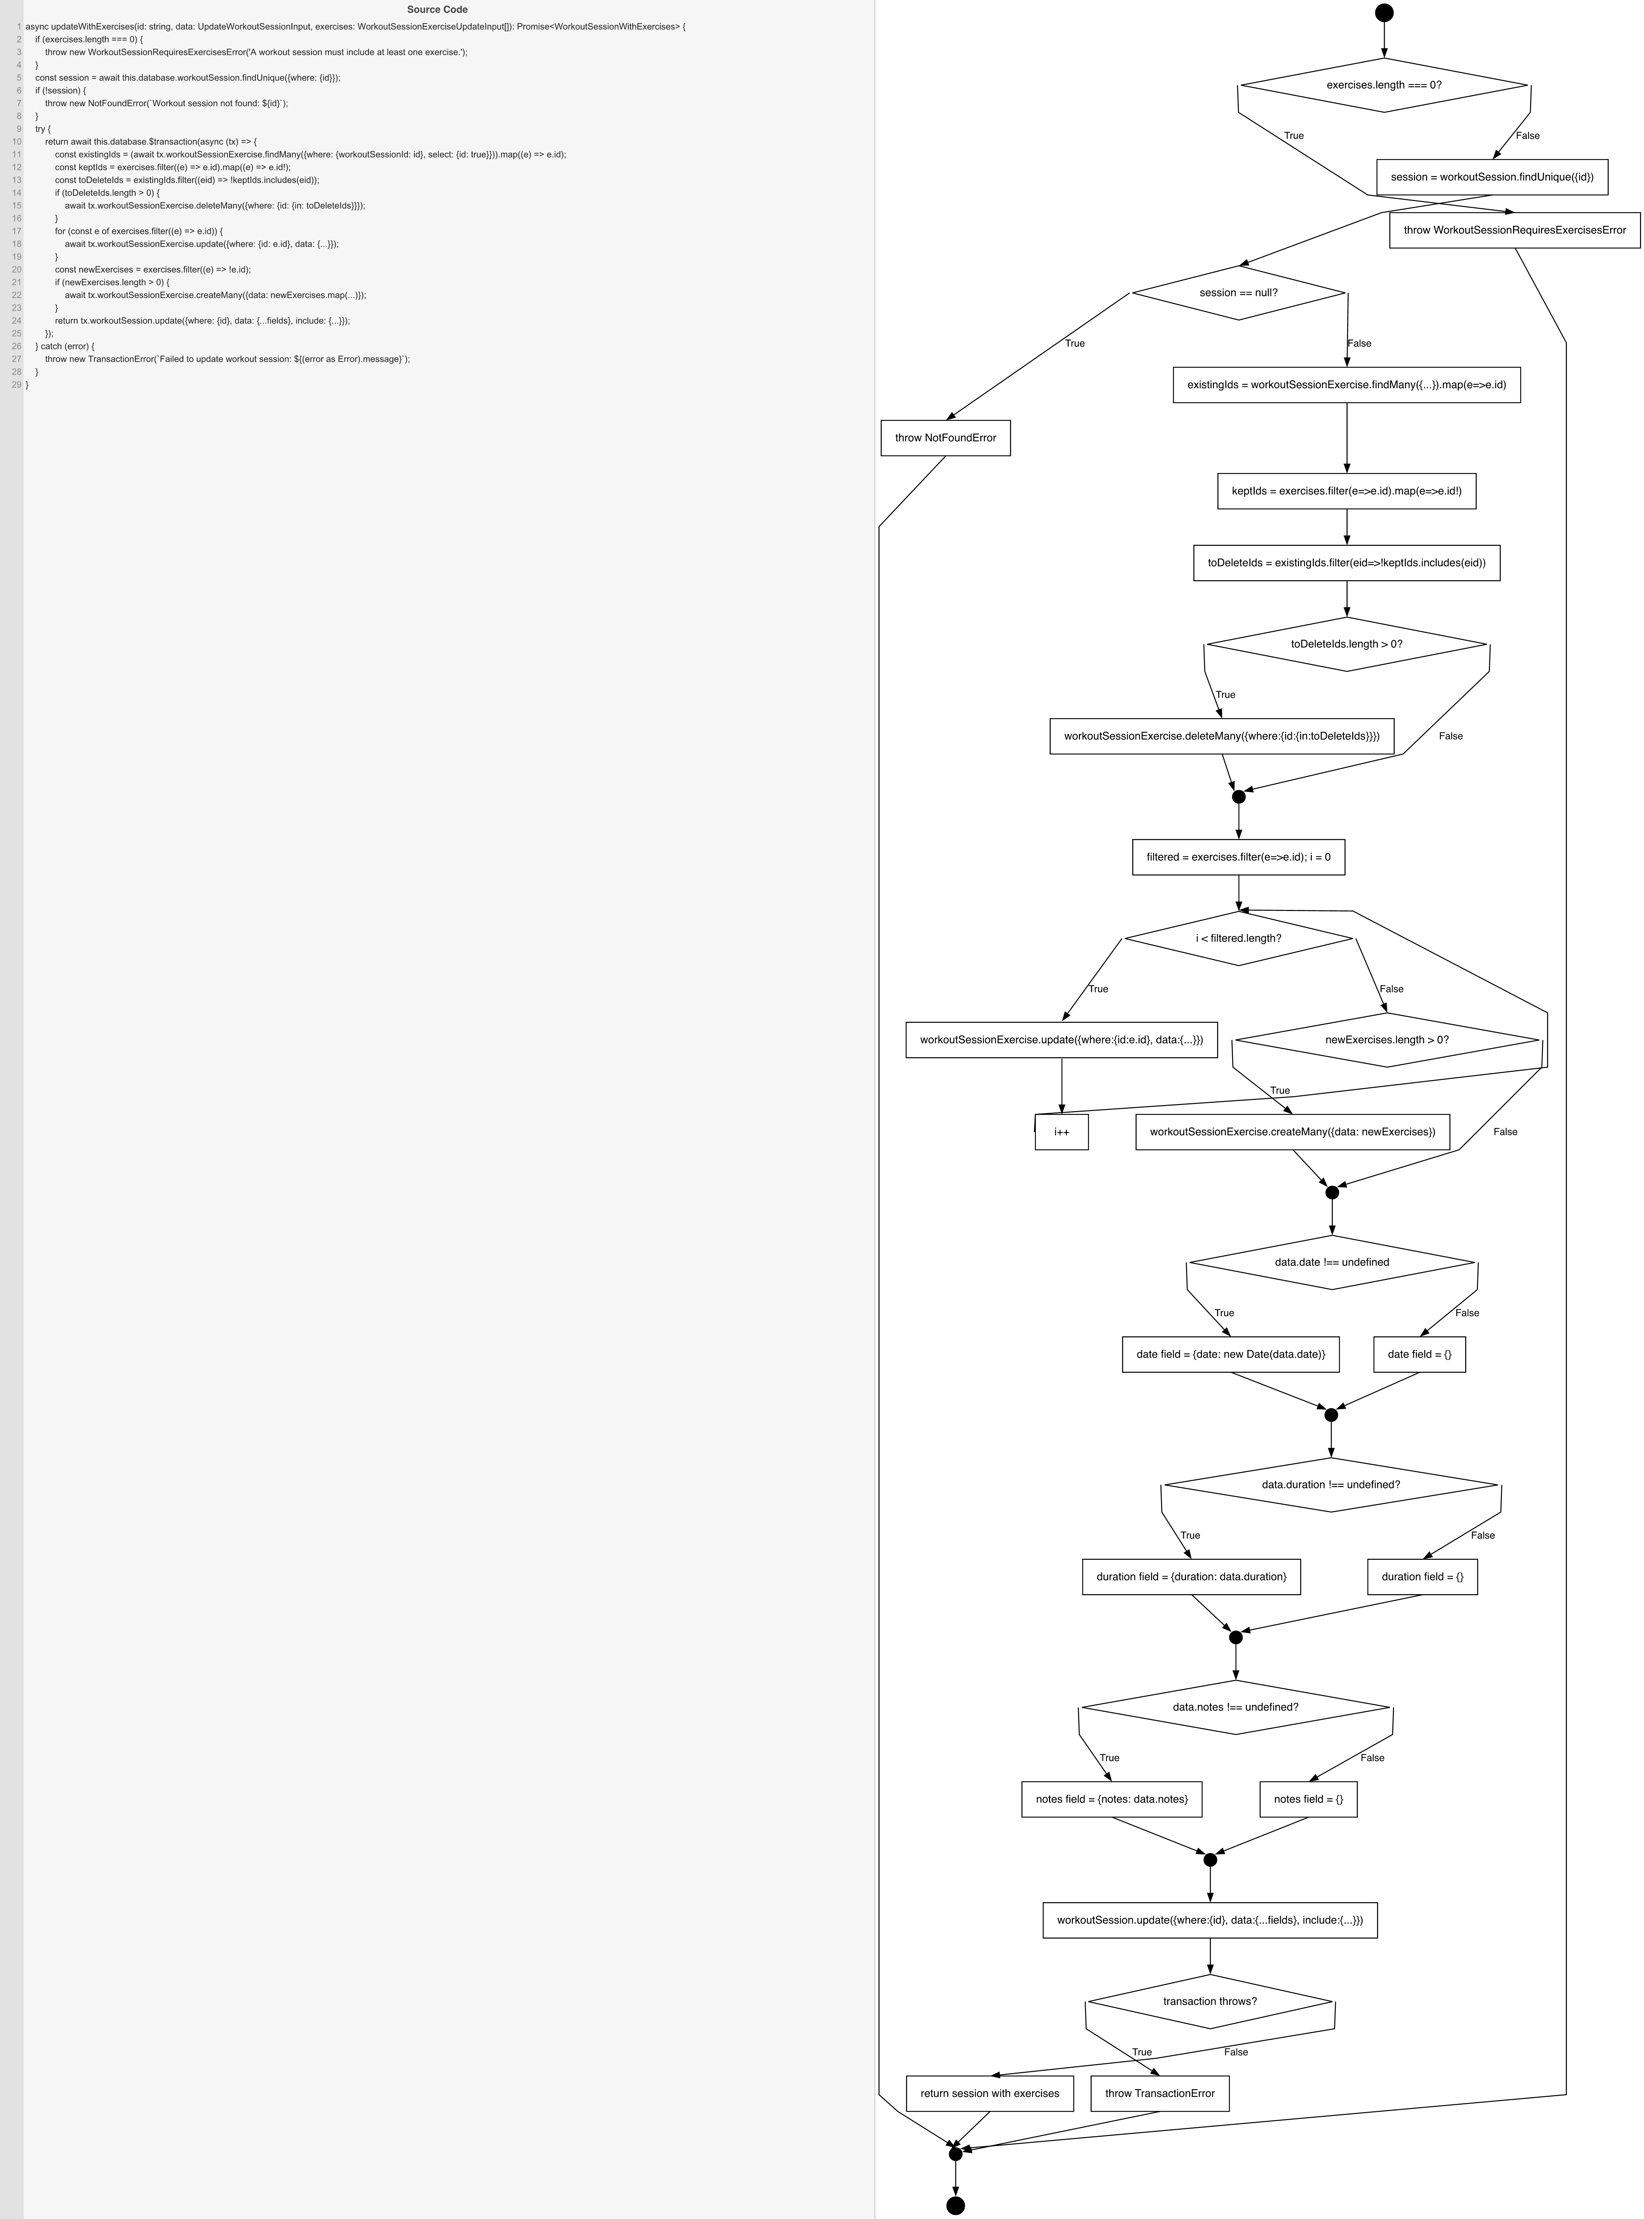
Cyclomatic Complexity
CC₁ (regions) | 10
CC₂ (E − N + 2) | 10
CC₃ (predicates + 1) | 10

Individual Paths
1 | start→D1(F)→S1→D2(F)→S2→S3→S4→D3(F)→m1→S_loopInit→LD(F)→D4(T)→S7→m2→D5(F)→D6(F)→D7(F)→S11→D8(F)→retOk→exit [all new exercises, no deletions, no data fields]
2 | start→D1(T)→throwWSRE→exit [exercises empty]
3 | start→D1(F)→S1→D2(T)→throwNF→exit [session not found]
4 | start→D1(F)→S1→D2(F)→S2→S3→S4→D3(T)→S5→m1→S_loopInit→LD(F)→D4(T)→S7→m2→D5(F)→D6(F)→D7(F)→S11→D8(F)→retOk→exit [has exercises to delete, all inputs new]
5 | start→D1(F)→S1→D2(F)→S2→S3→S4→D3(F)→m1→S_loopInit→LD(T)→S6→S_inc→LD(back)→LD(F)→D4(F)→m2→D5(F)→D6(F)→D7(F)→S11→D8(F)→retOk→exit [update existing exercises, loop once]
6 | start→D1(F)→S1→D2(F)→...→S_loopInit→LD(F)→D4(T)→S7→m2→D5(T)→S8a→...→S11→D8(F)→retOk→exit [date provided]
7 | start→D1(F)→S1→D2(F)→...→S_loopInit→LD(F)→D4(T)→S7→m2→D5(F)→D6(T)→S9a→...→S11→D8(F)→retOk→exit [duration provided]
8 | start→D1(F)→S1→D2(F)→...→S_loopInit→LD(F)→D4(T)→S7→m2→D5(F)→D6(F)→D7(T)→S10a→...→S11→D8(F)→retOk→exit [notes provided]
9 | start→D1(F)→S1→D2(F)→...→S11→D8(T)→throwTE→exit [transaction throws]
10 | start→D1(F)→S1→D2(F)→S2→S3→S4→D3(F)→m1→S_loopInit→LD(T)→S6→S_inc→LD(back)→LD(T)→S6→S_inc→LD(back)→LD(F)→D4(F)→m2→...→exit [loop twice — introduces the cycle back-edge a second time]

