Req_CFG_CC_Paths
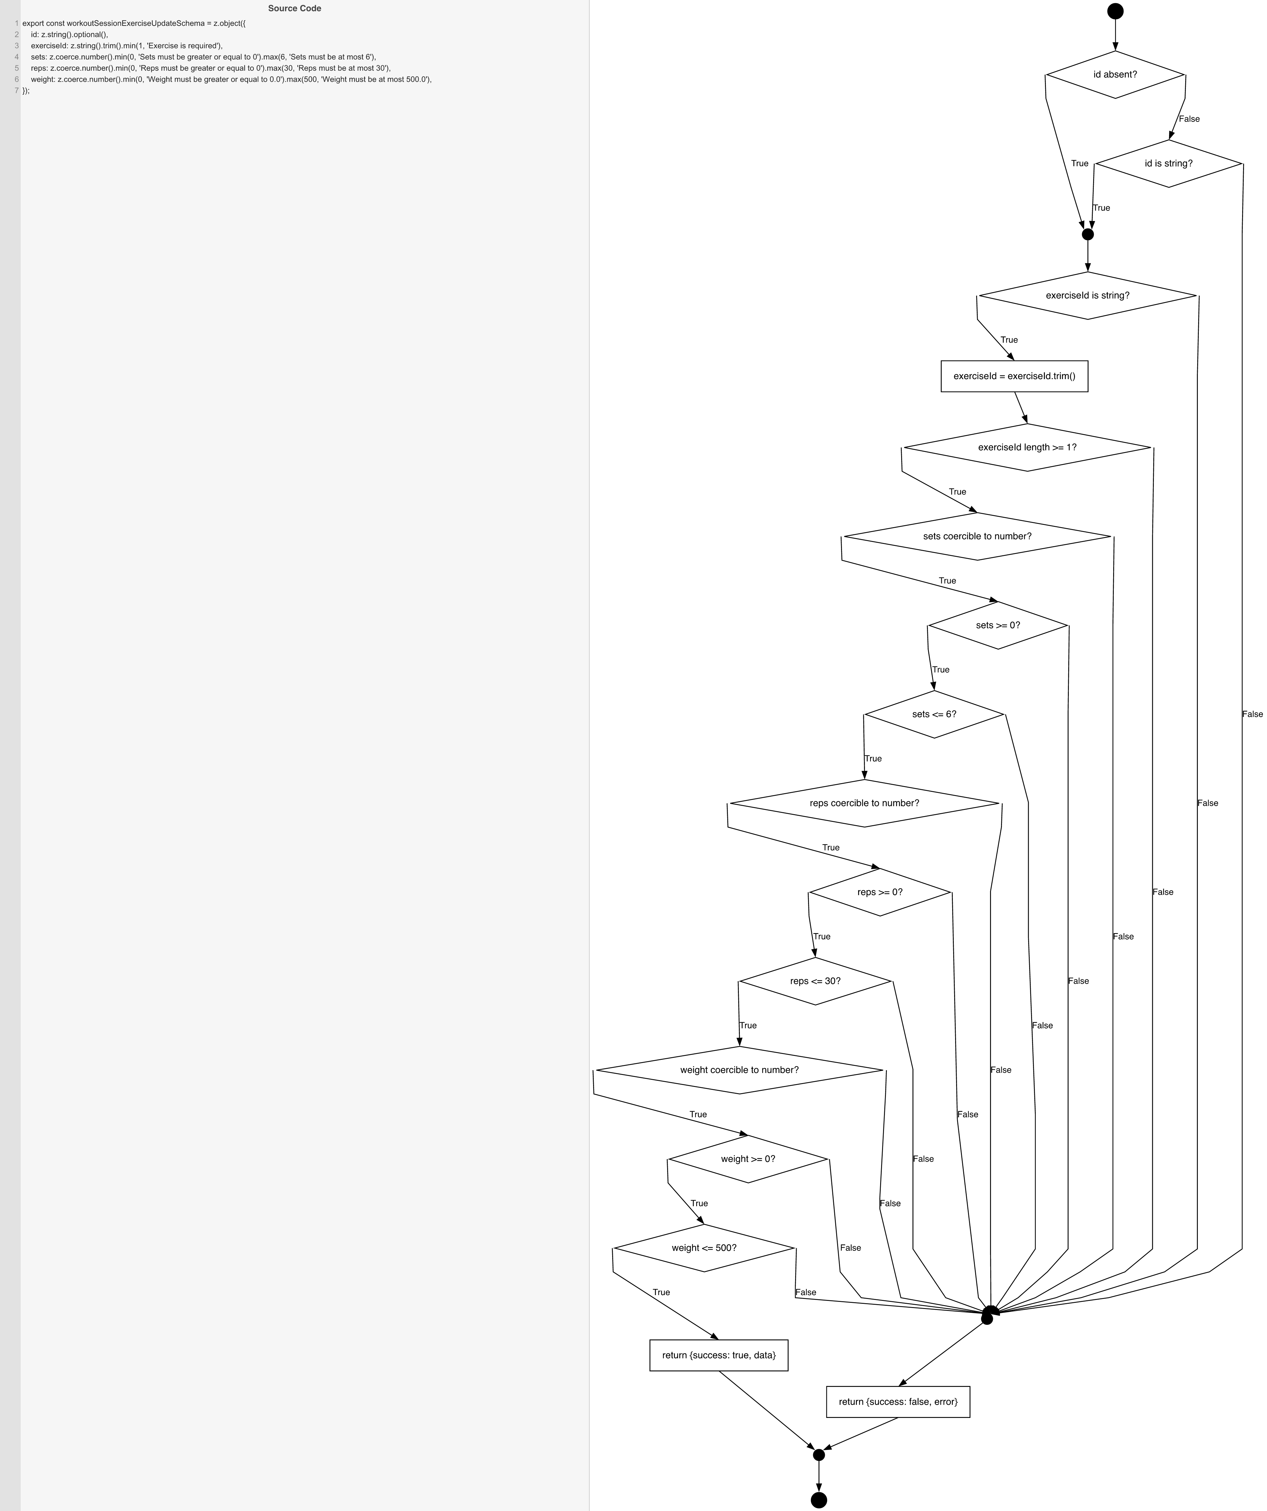
Cyclomatic Complexity
CC₁ (regions) | 14
CC₂ (E − N + 2) | 14
CC₃ (predicates + 1) | 14

Individual Paths
1 | start -> D0a(T) -> m0 -> D1(T) -> S1 -> D2(T) -> D3(T) -> D4(T) -> D5(T) -> D6(T) -> D7(T) -> D8(T) -> D9(T) -> D10(T) -> D11(T) -> retOk -> mExit -> exit
2 | start -> D0a(F) -> D0b(F) -> mFail -> retErr -> mExit -> exit
3 | start -> D0a(F) -> D0b(T) -> m0 -> D1(T) -> S1 -> D2(T) -> D3(T) -> D4(T) -> D5(T) -> D6(T) -> D7(T) -> D8(T) -> D9(T) -> D10(T) -> D11(T) -> retOk -> mExit -> exit
4 | start -> D0a(T) -> m0 -> D1(F) -> mFail -> retErr -> mExit -> exit
5 | start -> D0a(T) -> m0 -> D1(T) -> S1 -> D2(F) -> mFail -> retErr -> mExit -> exit
6 | start -> D0a(T) -> m0 -> D1(T) -> S1 -> D2(T) -> D3(F) -> mFail -> retErr -> mExit -> exit
7 | start -> D0a(T) -> m0 -> D1(T) -> S1 -> D2(T) -> D3(T) -> D4(F) -> mFail -> retErr -> mExit -> exit
8 | start -> D0a(T) -> m0 -> D1(T) -> S1 -> D2(T) -> D3(T) -> D4(T) -> D5(F) -> mFail -> retErr -> mExit -> exit
9 | start -> D0a(T) -> m0 -> D1(T) -> S1 -> D2(T) -> D3(T) -> D4(T) -> D5(T) -> D6(F) -> mFail -> retErr -> mExit -> exit
10 | start -> D0a(T) -> m0 -> D1(T) -> S1 -> D2(T) -> D3(T) -> D4(T) -> D5(T) -> D6(T) -> D7(F) -> mFail -> retErr -> mExit -> exit
11 | start -> D0a(T) -> m0 -> D1(T) -> S1 -> D2(T) -> D3(T) -> D4(T) -> D5(T) -> D6(T) -> D7(T) -> D8(F) -> mFail -> retErr -> mExit -> exit
12 | start -> D0a(T) -> m0 -> D1(T) -> S1 -> D2(T) -> D3(T) -> D4(T) -> D5(T) -> D6(T) -> D7(T) -> D8(T) -> D9(F) -> mFail -> retErr -> mExit -> exit
13 | start -> D0a(T) -> m0 -> D1(T) -> S1 -> D2(T) -> D3(T) -> D4(T) -> D5(T) -> D6(T) -> D7(T) -> D8(T) -> D9(T) -> D10(F) -> mFail -> retErr -> mExit -> exit
14 | start -> D0a(T) -> m0 -> D1(T) -> S1 -> D2(T) -> D3(T) -> D4(T) -> D5(T) -> D6(T) -> D7(T) -> D8(T) -> D9(T) -> D10(T) -> D11(F) -> mFail -> retErr -> mExit -> exit

