Req_CFG_CC_Paths
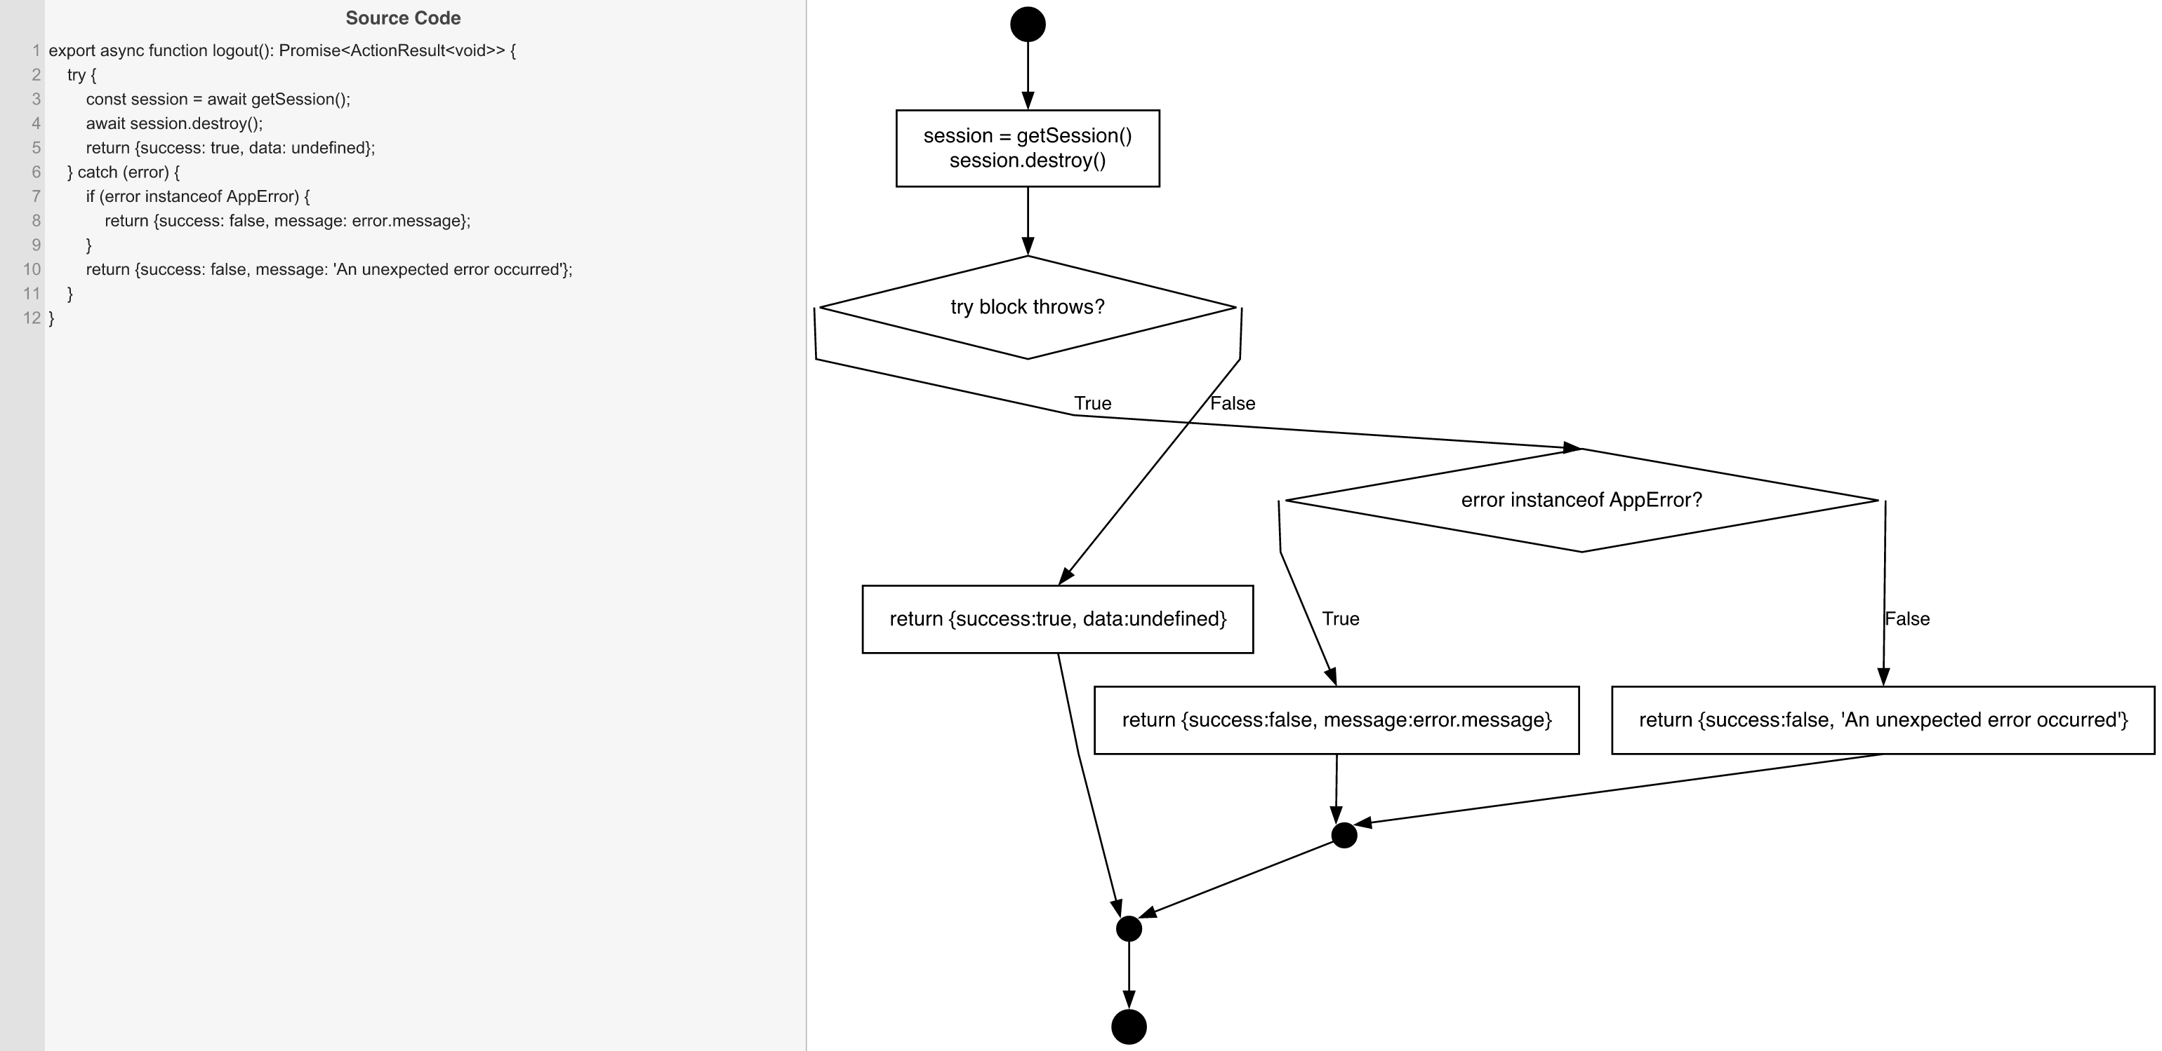
Cyclomatic Complexity
CC₁ (regions) | 3
CC₂ (E − N + 2) | 3
CC₃ (predicates + 1) | 3

Individual Paths
1 | start → S1 → D_TRY(F) → S2 → mExit → exit [session destroyed successfully]
2 | start → S1 → D_TRY(T) → D2(T) → S3 → mCatch → mExit → exit [getSession throws AppError]
3 | start → S1 → D_TRY(T) → D2(F) → S4 → mCatch → mExit → exit [getSession throws unknown Error]

