Req_CFG_CC_Paths
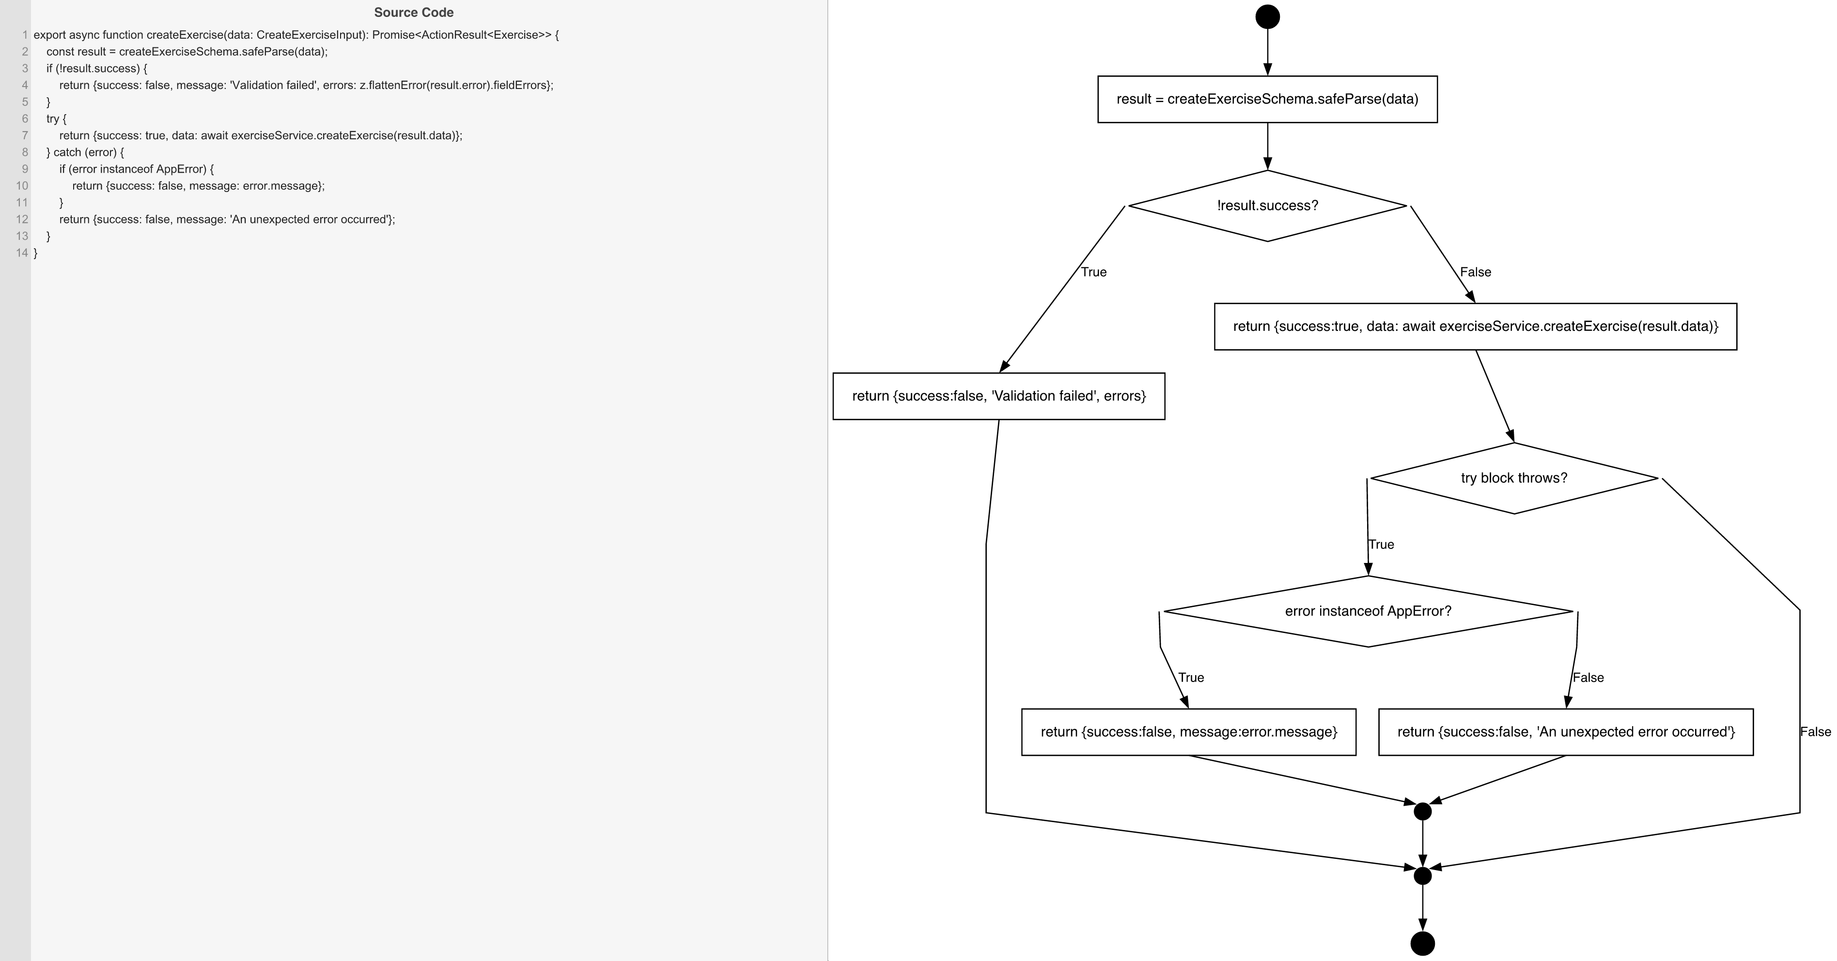
Cyclomatic Complexity
CC₁ (regions) | 4
CC₂ (E − N + 2) | 4
CC₃ (predicates + 1) | 4

Individual Paths
1 | start → S1 → D1(F) → S3 → D_TRY(F) → mExit → exit [valid input, service succeeds]
2 | start → S1 → D1(T) → S2 → mExit → exit [Zod validation fails]
3 | start → S1 → D1(F) → S3 → D_TRY(T) → D2(T) → S4 → mCatch → mExit → exit [service throws AppError]
4 | start → S1 → D1(F) → S3 → D_TRY(T) → D2(F) → S5 → mCatch → mExit → exit [service throws unknown Error]

