Req_CFG_CC_Paths
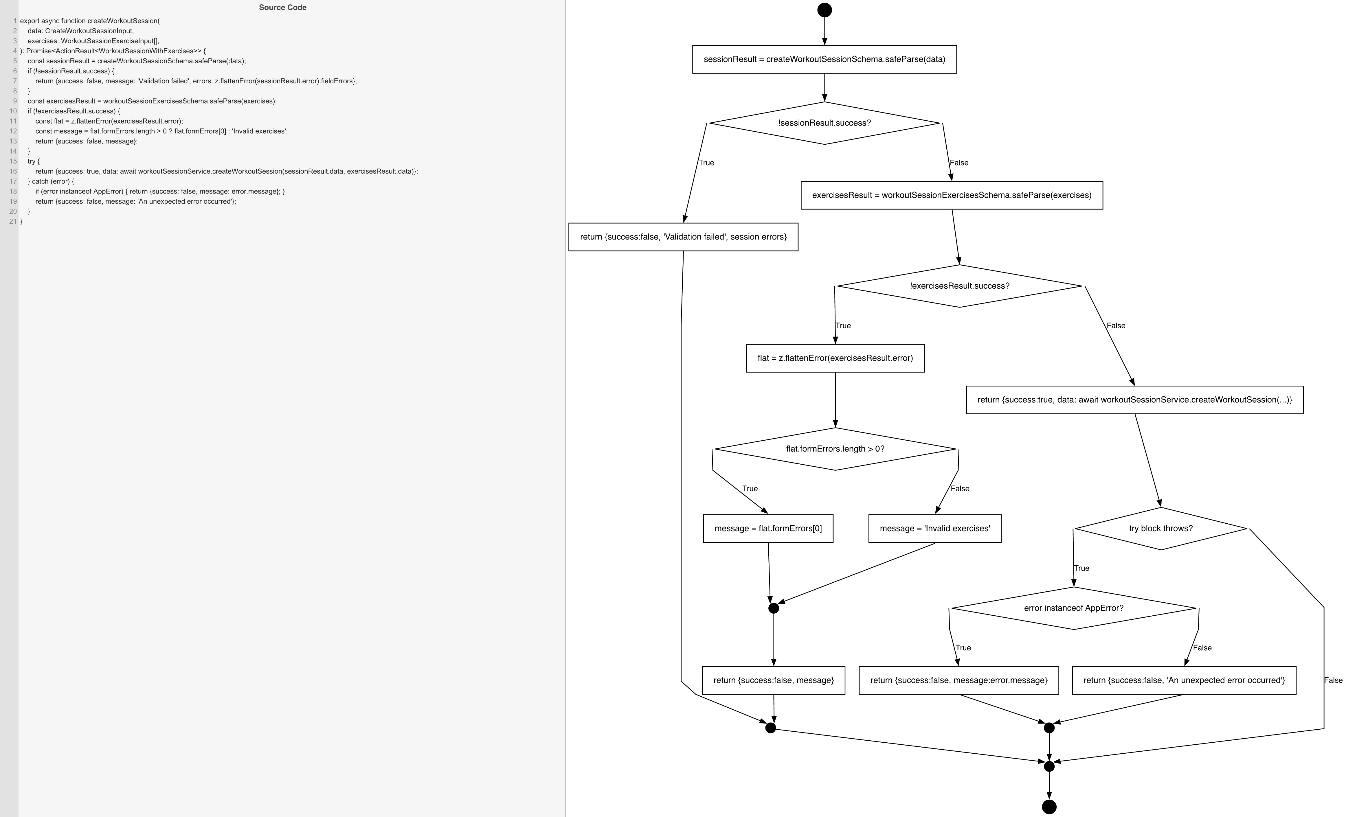
Cyclomatic Complexity
CC₁ (regions) | 6
CC₂ (E − N + 2) | 6
CC₃ (predicates + 1) | 6

Individual Paths
1 | start → S1 → D1(F) → S3 → D2(F) → S5 → D_TRY(F) → mExit → exit [valid session & exercises, service succeeds]
2 | start → S1 → D1(T) → S2 → m_val → mExit → exit [session validation fails]
3 | start → S1 → D1(F) → S3 → D2(T) → S4a → D_FORM(T) → S4b → m4 → S4d → m_val → mExit → exit [exercises fail with array-level error]
4 | start → S1 → D1(F) → S3 → D2(T) → S4a → D_FORM(F) → S4c → m4 → S4d → m_val → mExit → exit [exercises fail with item-level error, fallback message]
5 | start → S1 → D1(F) → S3 → D2(F) → S5 → D_TRY(T) → D3(T) → S6 → mCatch → mExit → exit [service throws AppError]
6 | start → S1 → D1(F) → S3 → D2(F) → S5 → D_TRY(T) → D3(F) → S7 → mCatch → mExit → exit [service throws unknown Error]

