Req_CFG_CC_Paths
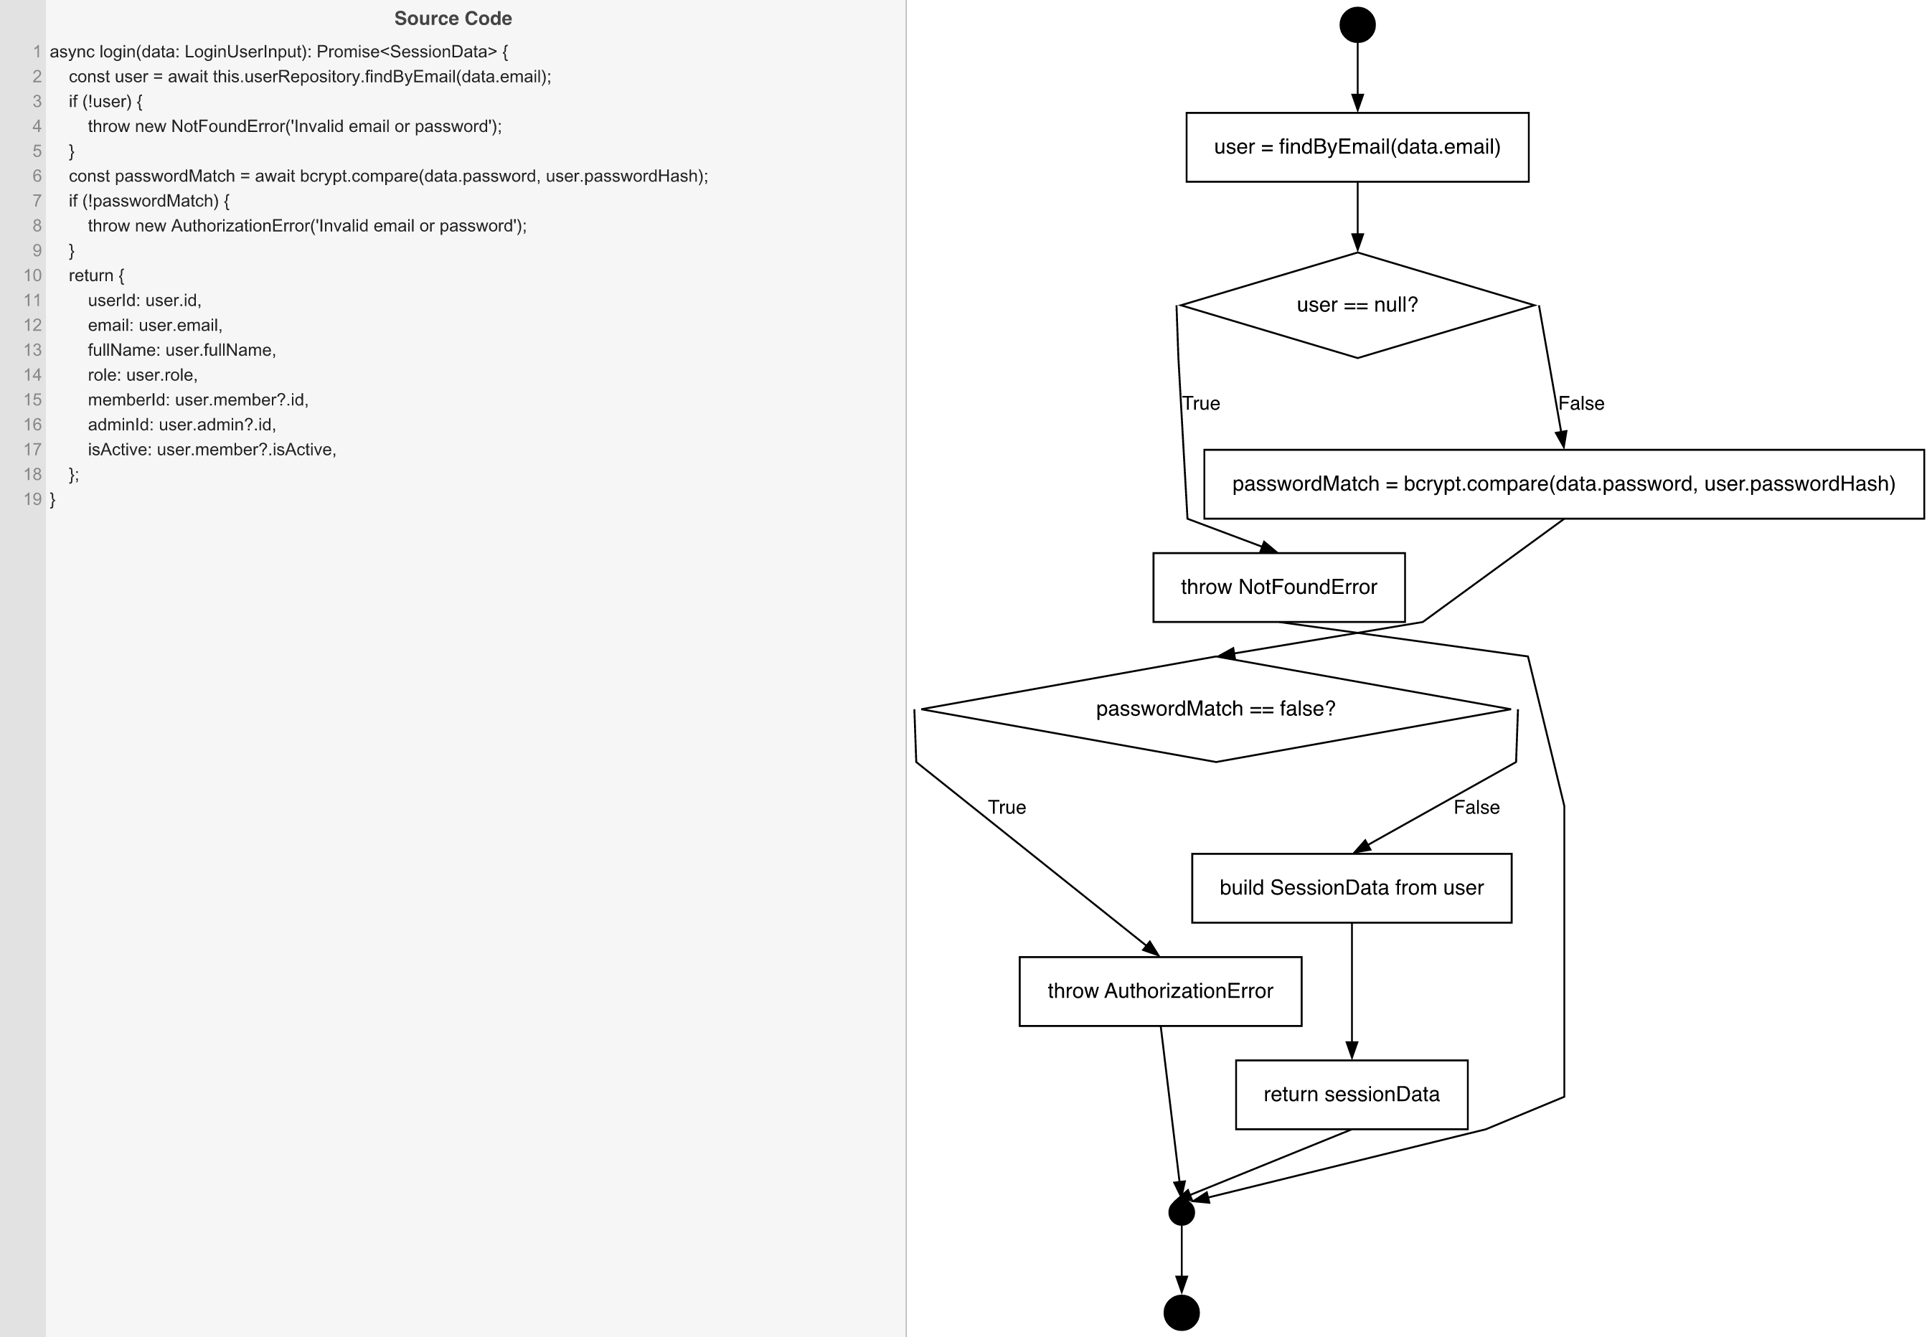
Cyclomatic Complexity
CC₁ (regions) | 3
CC₂ (E − N + 2) | 3
CC₃ (predicates + 1) | 3

Individual Paths
1 | start → S1 → D1(F) → S2 → D2(F) → S3 → retOk → mExit → exit [valid credentials — happy path]
2 | start → S1 → D1(T) → throwNF → mExit → exit [email not found]
3 | start → S1 → D1(F) → S2 → D2(T) → throwAE → mExit → exit [wrong password]

