Req_CFG_CC_Paths
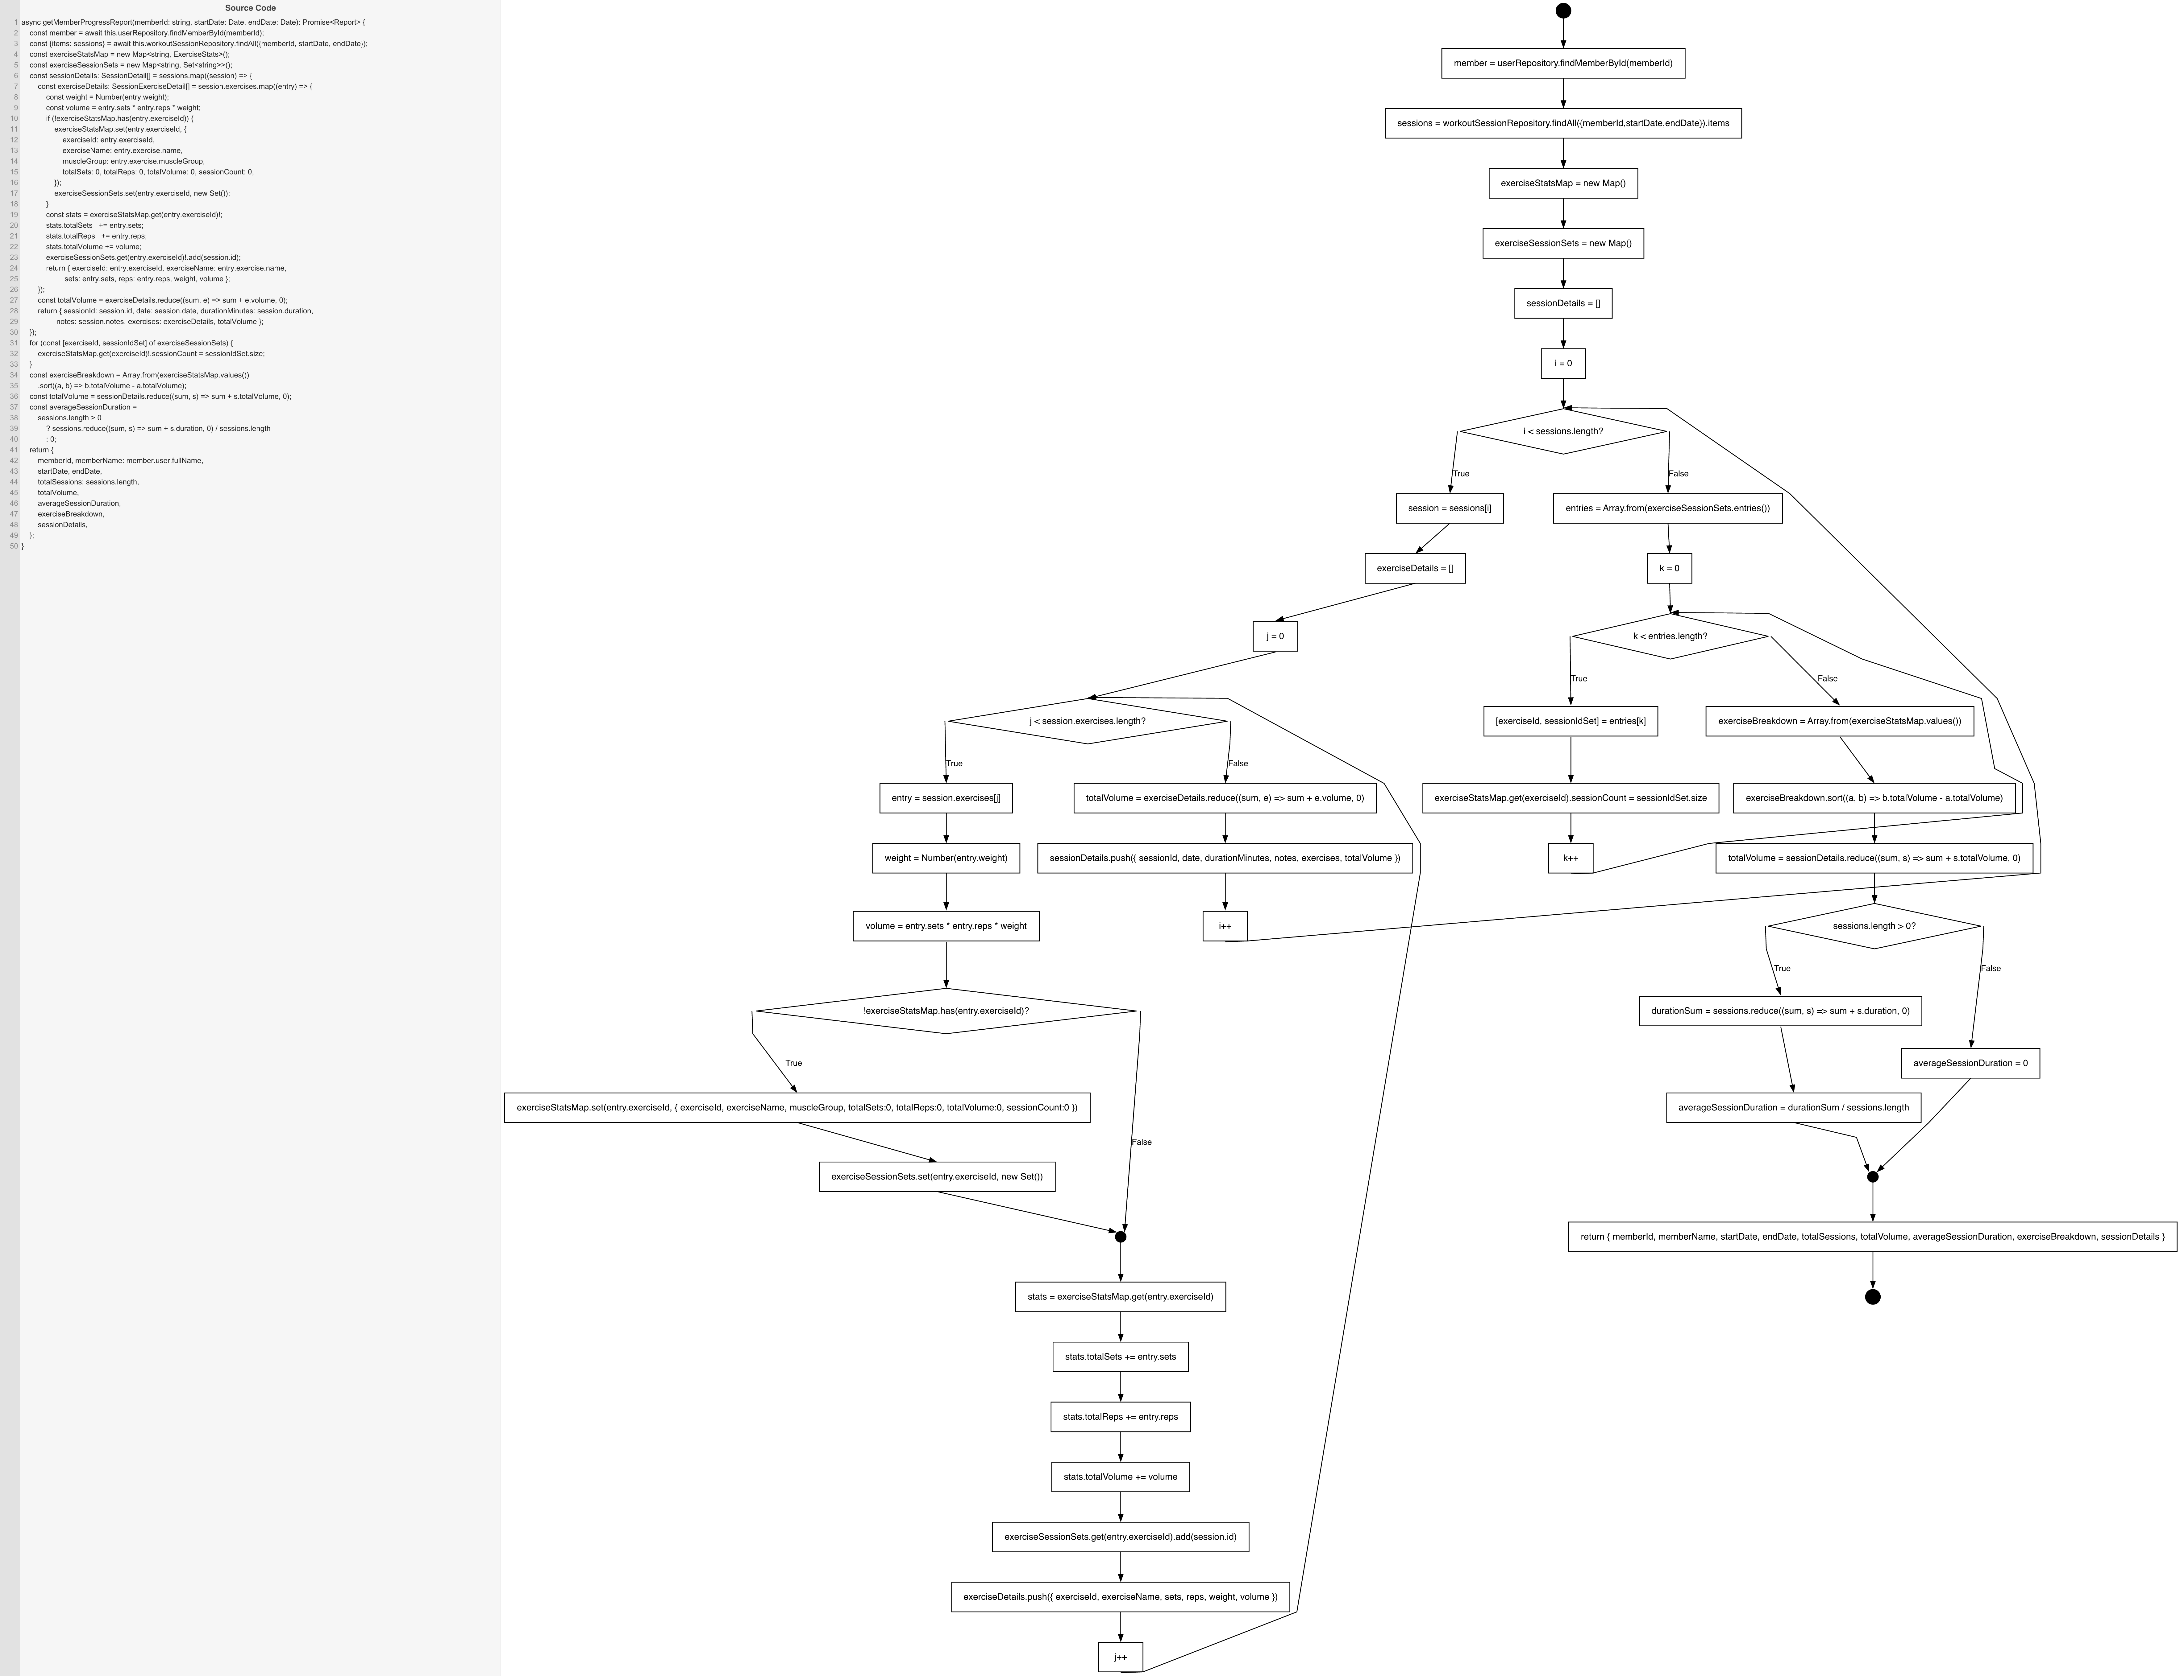
Cyclomatic Complexity
CC₁ (regions) | 6
CC₂ (E − N + 2) | 6
CC₃ (predicates + 1) | 6

Individual Paths
1 | start → S1 → ... → loopOuter[T] → ... → loopInner[T] → D1[T] → ... → loopInner[F] → ... → loopOuter[F] → ... → loopFor[T] → ... → loopFor[F] → ... → D2[T] → exit [1 session, 1 exercise, first-seen exercise, k-loop once, avg computed]
2 | start → S1 → ... → loopOuter[F] → ... → loopFor[F] → ... → D2[F] → exit [0 sessions: outer loop skipped, k-loop skipped, avg = 0]
3 | start → S1 → ... → loopOuter[T] → ... → loopInner[F] → ... → loopOuter[F] → ... → loopFor[F] → ... → D2[T] → exit [1 session with 0 exercises: inner loop skipped]
4 | start → S1 → ... → loopOuter[T] → ... → loopInner[T] → D1[T] → ... → loopInner[T] → D1[F] → ... → loopInner[F] → ... → loopOuter[F] → ... → loopFor[T] → ... → D2[T] → exit [same exercise twice: D1 false branch on 2nd iteration]
5 | start → S1 → ... → loopOuter[T] → ... → loopOuter[T] → ... → loopOuter[F] → ... → loopFor[T] → ... → D2[T] → exit [2 sessions: outer loop executes twice]
6 | start → S1 → ... → loopOuter[T] → ... → loopOuter[F] → ... → loopFor[T] → ... → loopFor[T] → ... → loopFor[F] → ... → D2[T] → exit [2 distinct exercises: k-loop executes twice]

