Req_CFG_CC_Paths
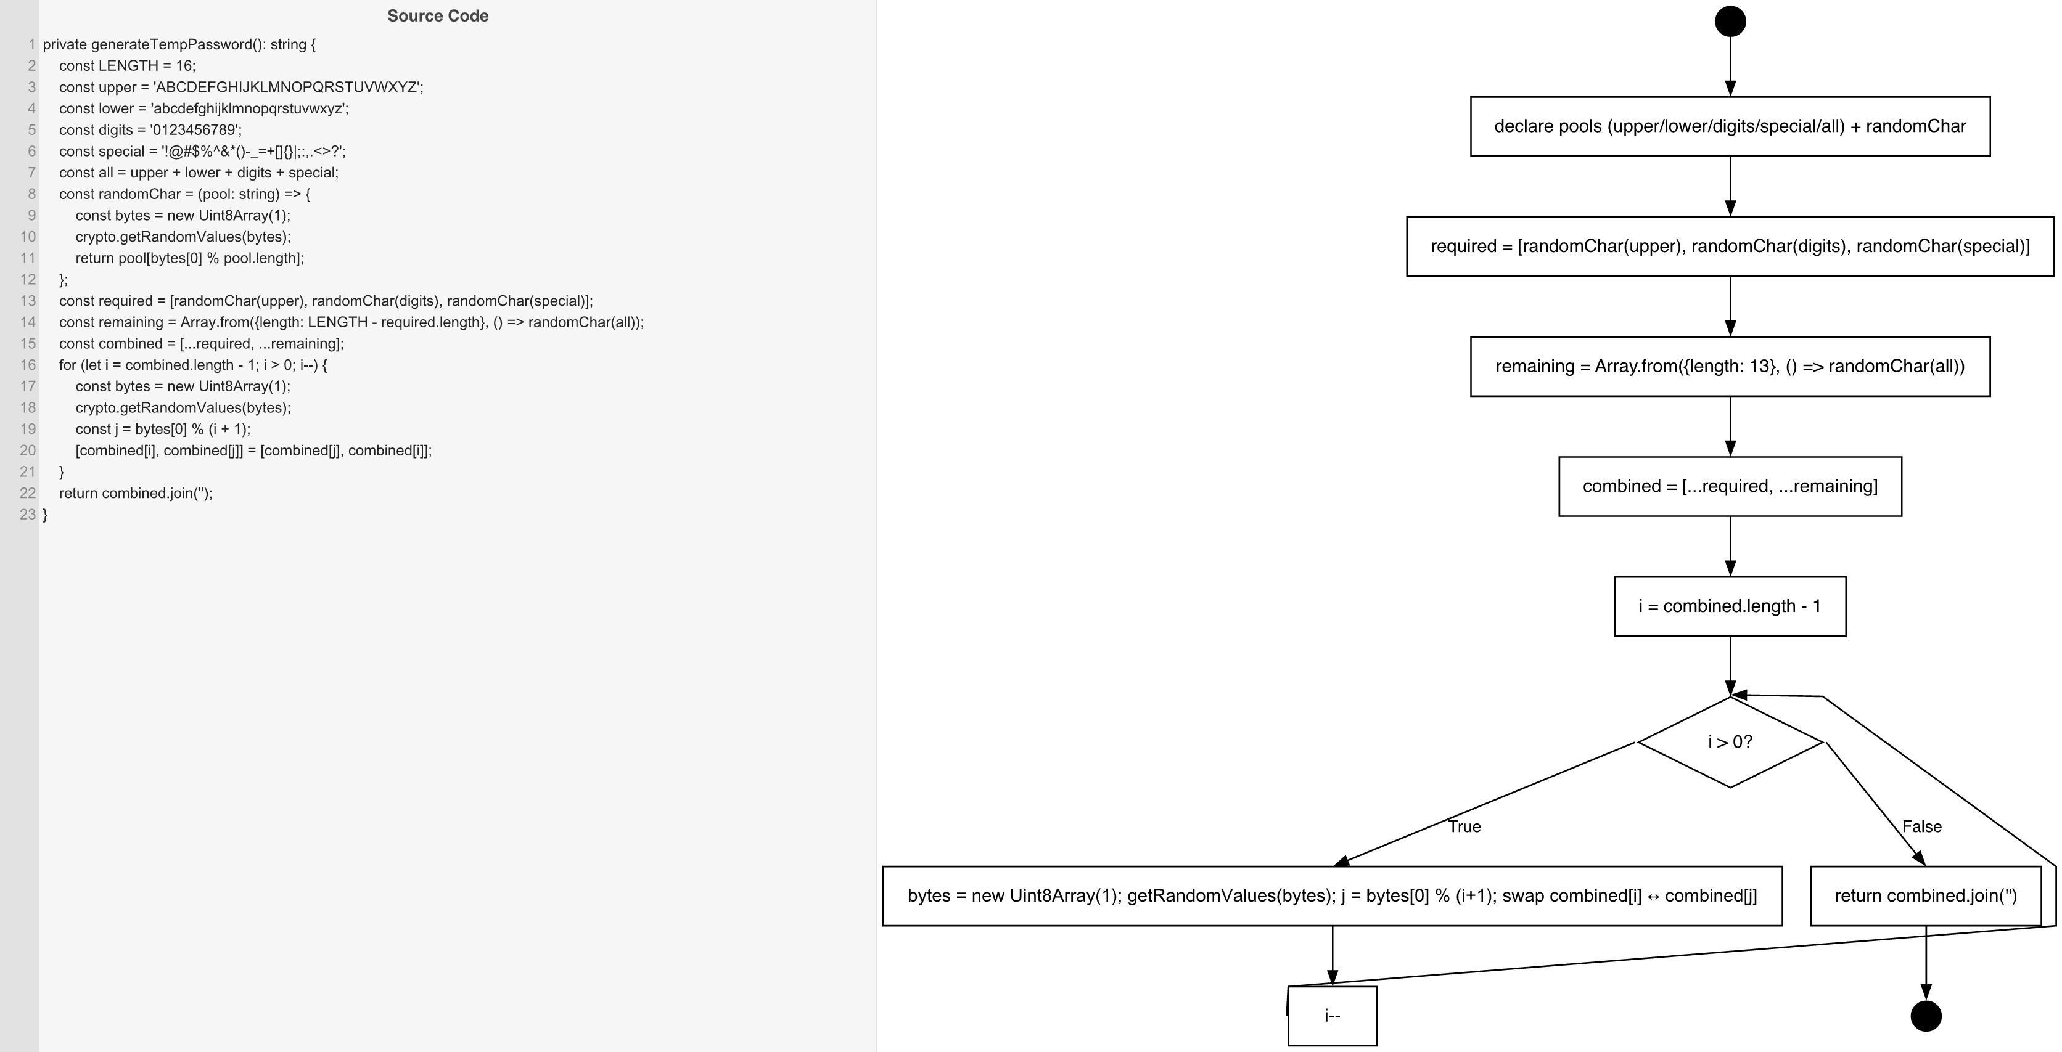
Cyclomatic Complexity
CC₁ (regions) | 2
CC₂ (E − N + 2) | 2
CC₃ (predicates + 1) | 2

Individual Paths
1 | start → S1 → S2 → S3 → S4 → S5 → D1(T) → S6 → S7 → [D1 repeated] → D1(F) → S8 → exit [loop runs 15 times]
2 | start → S1 → S2 → S3 → S4 → S5 → D1(F) → S8 → exit [IMPOSSIBLE — i always starts at 15]

