Req_CFG_CC_Paths
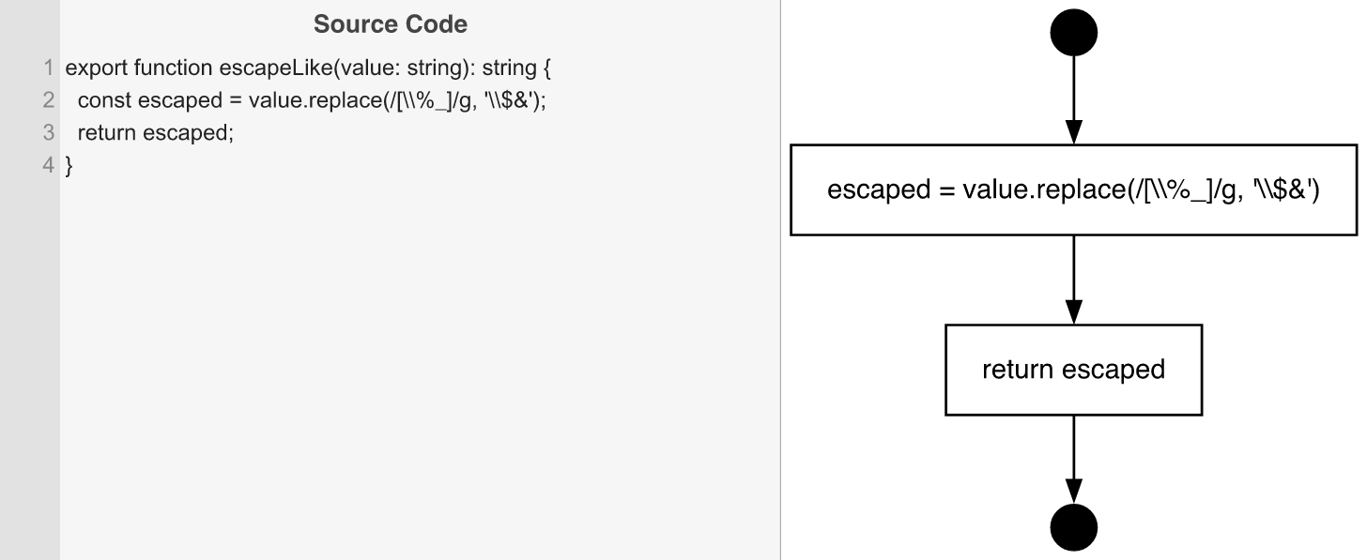
Cyclomatic Complexity
CC₁ (regions) | 1
CC₂ (E − N + 2) | 1
CC₃ (predicates + 1) | 1

Individual Paths
1 | start -> s1 -> ret -> exit (single-path: replace executes, result is returned)

