Req_CFG_CC_Paths
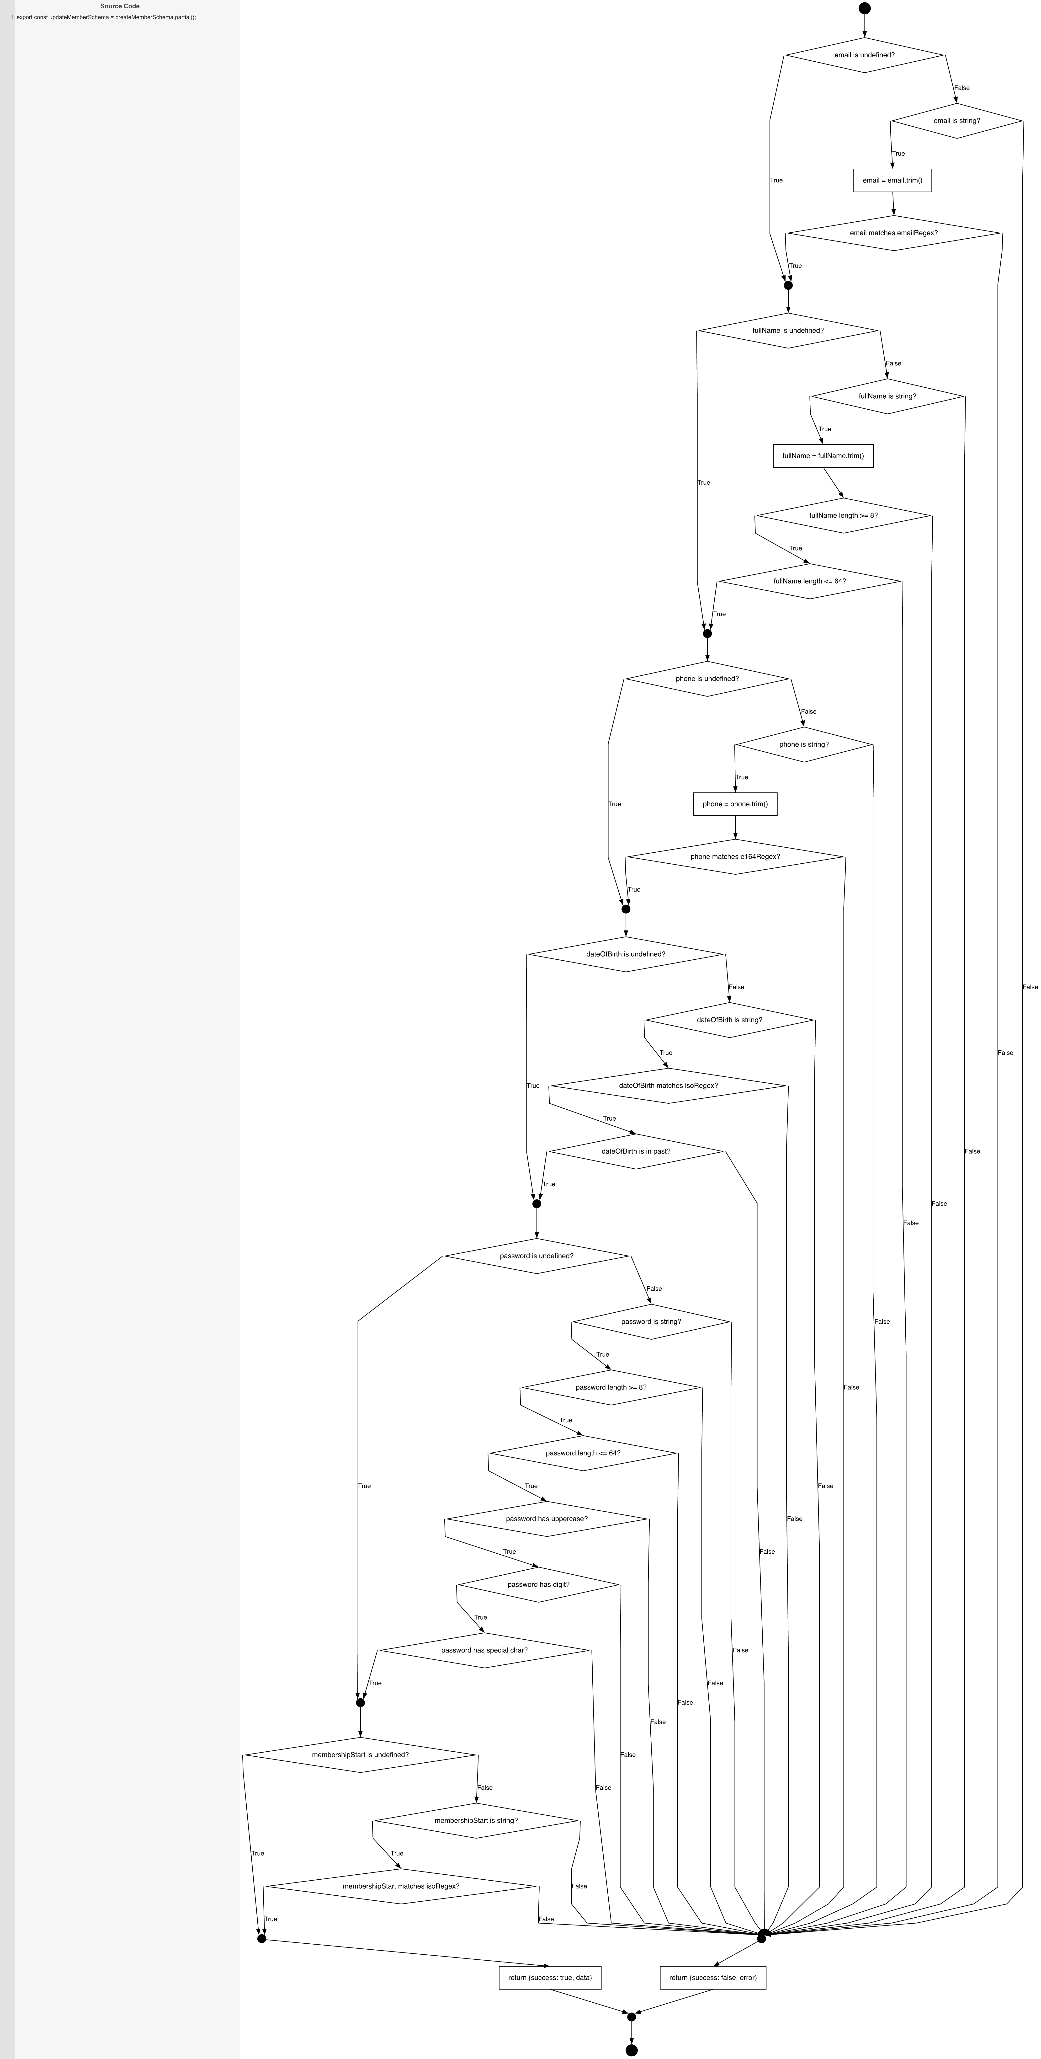
Cyclomatic Complexity
CC₁ (regions) | 25
CC₂ (E − N + 2) | 25
CC₃ (predicates + 1) | 25

Individual Paths
1 | start -> D1(T) -> mEmail -> D4(T) -> mName -> D8(T) -> mPhone -> D11(T) -> mDob -> D15(T) -> mPwd -> D22(T) -> mStart -> retOk -> exit (empty object, all skipped)
2 | start -> D1(F) -> D2(T) -> S1 -> D3(T) -> mEmail -> D4(T) -> mName -> D8(T) -> mPhone -> D11(T) -> mDob -> D15(T) -> mPwd -> D22(T) -> mStart -> retOk -> exit (email only, valid)
3 | start -> D1(T) -> mEmail -> D4(F) -> D5(T) -> S2 -> D6(T) -> D7(T) -> mName -> D8(T) -> mPhone -> D11(T) -> mDob -> D15(T) -> mPwd -> D22(T) -> mStart -> retOk -> exit (fullName only, valid)
4 | start -> D1(T) -> mEmail -> D4(T) -> mName -> D8(F) -> D9(T) -> S3 -> D10(T) -> mPhone -> D11(T) -> mDob -> D15(T) -> mPwd -> D22(T) -> mStart -> retOk -> exit (phone only, valid)
5 | start -> D1(T) -> mEmail -> D4(T) -> mName -> D8(T) -> mPhone -> D11(F) -> D12(T) -> D13(T) -> D14(T) -> mDob -> D15(T) -> mPwd -> D22(T) -> mStart -> retOk -> exit (DOB only, valid)
6 | start -> D1(T) -> mEmail -> D4(T) -> mName -> D8(T) -> mPhone -> D11(T) -> mDob -> D15(F) -> D16(T) -> D17(T) -> D18(T) -> D19(T) -> D20(T) -> D21(T) -> mPwd -> D22(T) -> mStart -> retOk -> exit (password only, valid)
7 | start -> D1(T) -> mEmail -> D4(T) -> mName -> D8(T) -> mPhone -> D11(T) -> mDob -> D15(T) -> mPwd -> D22(F) -> D23(T) -> D24(T) -> mStart -> retOk -> exit (membershipStart only, valid)
8 | start -> D1(F) -> D2(F) -> mFail -> retErr -> exit (email not a string)
9 | start -> D1(F) -> D2(T) -> S1 -> D3(F) -> mFail -> retErr -> exit (email invalid format)
10 | start -> D1(T) -> mEmail -> D4(F) -> D5(F) -> mFail -> retErr -> exit (fullName not a string)
11 | start -> D1(T) -> mEmail -> D4(F) -> D5(T) -> S2 -> D6(F) -> mFail -> retErr -> exit (fullName too short)
12 | start -> D1(T) -> mEmail -> D4(F) -> D5(T) -> S2 -> D6(T) -> D7(F) -> mFail -> retErr -> exit (fullName too long)
13 | start -> D1(T) -> mEmail -> D4(T) -> mName -> D8(F) -> D9(F) -> mFail -> retErr -> exit (phone not a string)
14 | start -> D1(T) -> mEmail -> D4(T) -> mName -> D8(F) -> D9(T) -> S3 -> D10(F) -> mFail -> retErr -> exit (phone invalid format)
15 | start -> D1(T) -> mEmail -> D4(T) -> mName -> D8(T) -> mPhone -> D11(F) -> D12(F) -> mFail -> retErr -> exit (DOB not a string)
16 | start -> D1(T) -> mEmail -> D4(T) -> mName -> D8(T) -> mPhone -> D11(F) -> D12(T) -> D13(F) -> mFail -> retErr -> exit (DOB invalid format)
17 | start -> D1(T) -> mEmail -> D4(T) -> mName -> D8(T) -> mPhone -> D11(F) -> D12(T) -> D13(T) -> D14(F) -> mFail -> retErr -> exit (DOB not in past)
18 | start -> D1(T) -> mEmail -> D4(T) -> mName -> D8(T) -> mPhone -> D11(T) -> mDob -> D15(F) -> D16(F) -> mFail -> retErr -> exit (password not a string)
19 | start -> D1(T) -> mEmail -> D4(T) -> mName -> D8(T) -> mPhone -> D11(T) -> mDob -> D15(F) -> D16(T) -> D17(F) -> mFail -> retErr -> exit (password too short)
20 | start -> D1(T) -> mEmail -> D4(T) -> mName -> D8(T) -> mPhone -> D11(T) -> mDob -> D15(F) -> D16(T) -> D17(T) -> D18(F) -> mFail -> retErr -> exit (password too long)
21 | start -> D1(T) -> mEmail -> D4(T) -> mName -> D8(T) -> mPhone -> D11(T) -> mDob -> D15(F) -> D16(T) -> D17(T) -> D18(T) -> D19(F) -> mFail -> retErr -> exit (password no uppercase)
22 | start -> D1(T) -> mEmail -> D4(T) -> mName -> D8(T) -> mPhone -> D11(T) -> mDob -> D15(F) -> D16(T) -> D17(T) -> D18(T) -> D19(T) -> D20(F) -> mFail -> retErr -> exit (password no digit)
23 | start -> D1(T) -> mEmail -> D4(T) -> mName -> D8(T) -> mPhone -> D11(T) -> mDob -> D15(F) -> D16(T) -> D17(T) -> D18(T) -> D19(T) -> D20(T) -> D21(F) -> mFail -> retErr -> exit (password no special)
24 | start -> D1(T) -> mEmail -> D4(T) -> mName -> D8(T) -> mPhone -> D11(T) -> mDob -> D15(T) -> mPwd -> D22(F) -> D23(F) -> mFail -> retErr -> exit (membershipStart not a string)
25 | start -> D1(T) -> mEmail -> D4(T) -> mName -> D8(T) -> mPhone -> D11(T) -> mDob -> D15(T) -> mPwd -> D22(F) -> D23(T) -> D24(F) -> mFail -> retErr -> exit (membershipStart invalid format)

