allcancer_i17
All Cancers Excluding Non-Melanoma Skin Cancer (C00-C97 Excl. C44): 2015-2017

Average Number of New Cases Per Year and Age-Specific Incidence Rates per 100,000 Population, UK

Age Range | Female Cases | Male Cases | Female Rates | Male Rates
0 to 04 | 379 | 446 | 19.4 | 21.7
05 to 09 | 197 | 251 | 10.0 | 12.1
10 to 14 | 221 | 239 | 12.5 | 12.8
15 to 19 | 380 | 390 | 20.7 | 20.2
20 to 24 | 731 | 664 | 35.2 | 30.5
25 to 29 | 1,641 | 1,057 | 73.5 | 46.6
30 to 34 | 2,526 | 1,470 | 114.3 | 67.0
35 to 39 | 3,549 | 1,793 | 168.9 | 86.3
40 to 44 | 5,470 | 2,534 | 259.6 | 122.4
45 to 49 | 9,587 | 4,842 | 410.3 | 213.2
50 to 54 | 13,514 | 8,692 | 576.4 | 381.7
55 to 59 | 15,088 | 13,855 | 732.4 | 690.2
60 to 64 | 17,718 | 19,897 | 979.7 | 1,145.8
65 to 69 | 23,745 | 30,179 | 1,289.7 | 1,740.7
70 to 74 | 22,873 | 31,688 | 1,510.1 | 2,293.8
75 to 79 | 21,490 | 28,753 | 1,836.5 | 2,891.8
80 to 84 | 19,052 | 21,779 | 2,084.7 | 3,135.7
85 to 89 | 13,662 | 13,104 | 2,233.1 | 3,448.4
90+ | 8,066 | 5,645 | 2,027.4 | 3,296.6
All Ages | 179,889 | 187,278 | 548.5 | 671.6

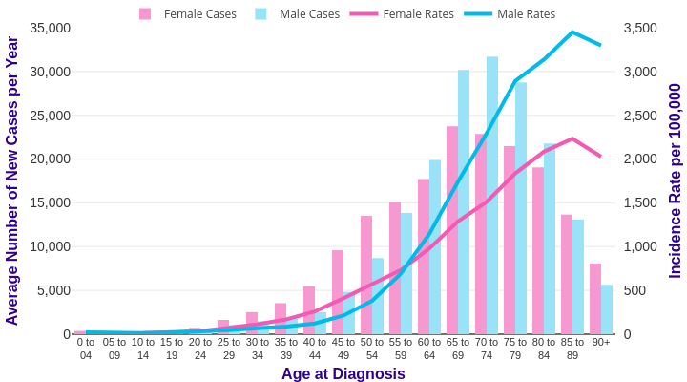

Source: cruk.org/cancerstats

You are welcome to reuse this Cancer Research UK statistics content for your own work.
Credit us as authors by referencing Cancer Research UK as the source.
Suggested style: Cancer Research UK, full URL of the page, Accessed [month] [year].

