doc
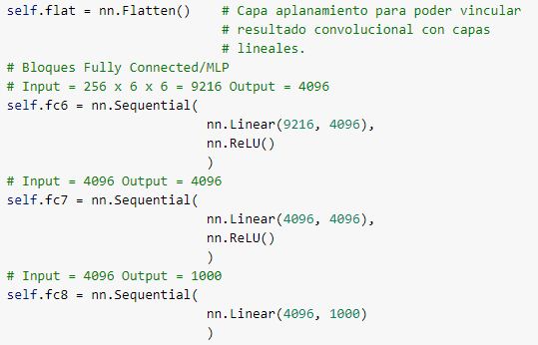
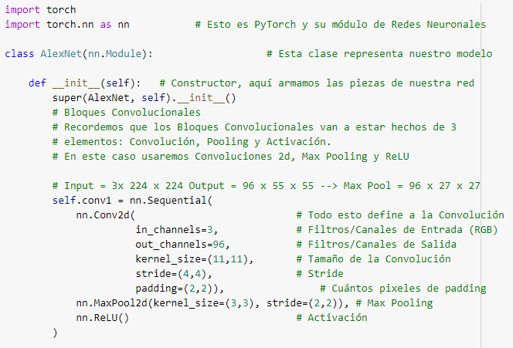
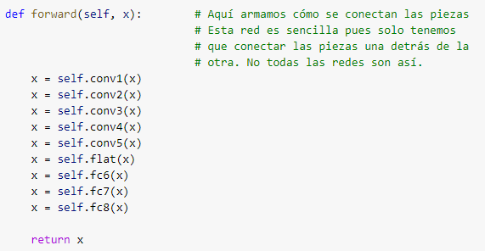
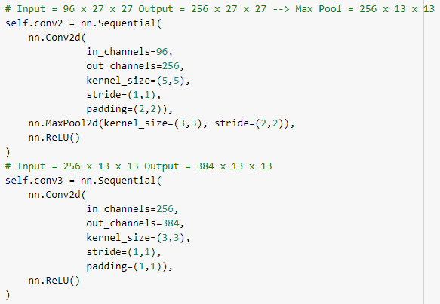
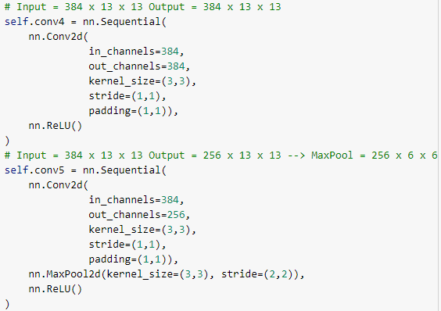
 |  |  |  |  |  |  |  |  |  |  |  | Capa | Padding
 |  |  |  |  |  |  |  |  |  |  |  | Conv1 | 2
 |  |  |  |  |  |  |  |  |  |  |  | Conv2 | 2
 |  |  |  |  |  |  |  |  |  |  |  | Conv3 | 1
 |  |  |  |  |  |  |  |  |  |  |  | Conv4 | 1
 |  |  |  |  |  |  |  |  |  |  |  | Conv5 | 1

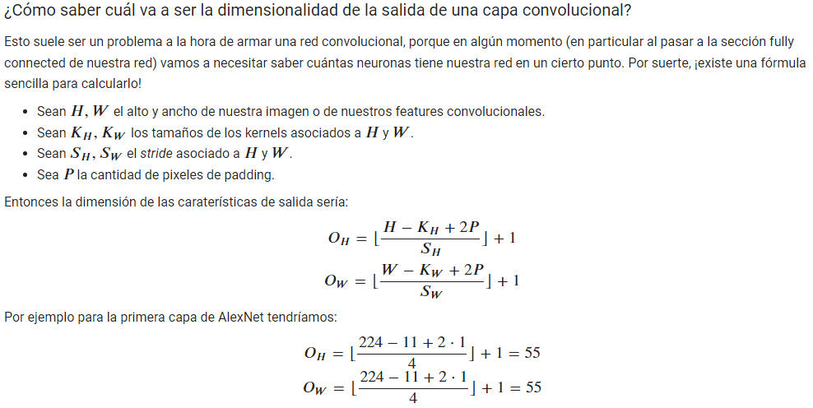

 | Cin | Cout
 | INPUT | CONV1 | MAX POOL | CONV2 | CONV3 | CONV4 | CONV5 | FLAT | D1 | D2 | OUT
DIMENTION_X | 224 | 55 | 28 | 28 | 14 | 14 | 14 | 1
DIMENTION_Y | 224 | 55 | 28 | 28 | 14 | 14 | 14 | 1
CHANELS | 3 | 96 | 96 | 256 | 384 | 384 | 256 | 50176 | 4096 | 4096 | 1000

KERNEL_X (filtro) | 11 | 5 | 3 | 3 | 3 | 3
KERNEL_Y (filtro) | 11 | 5 | 3 | 3 | 3 | 3
STRIDE_V (salto) | 4 | 2 | 2 | 2 | 1 | 1 |  |  |  |  | TAMAÑO MATRIZ CONV
STRIDE_H (salto) | 4 | 2 | 2 | 2 | 1 | 1
PADDING_V (borde) | 2 | 2 | 0 | 1 | 1 | 1
PADDING_H (borde) | 2 | 2 | 0 | 1 | 1 | 1
BIAS (sesgo) | 96 | 256 | 384 | 384 | 384 | 256

Neuronas |  | 150528 | 864 | 290400 | 200704 | 75264 | 75264 | 50176 | 50176 | 0 | 0
Param |  | 34944 |  | 614656 | 885120 | 1327488 | 884992 | 0 | 0 | 0 | 0
dim salida | (ancho + pdn de un lado y del otro - kernel) / strd + 1 |  |  |  |  |  | Kerner = paddin + paddin +1 si strd =1 |  |  | o Paddin = kernel /2 si str =1
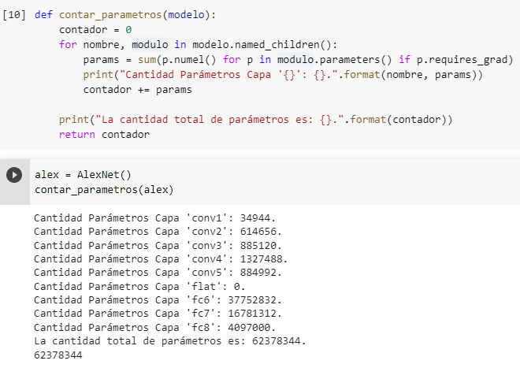

 |  |  |  |  |  |  |  |  |  |  | CANT NEURONAS
 |  |  |  |  |  |  |  |  |  |  | MAXPOOL > OUT

 |  |  |  |  |  |  |  |  | 37752832
 |  |  |  |  |  |  |  |  | 16781312
 |  |  |  |  |  |  |  |  | 4097000
 |  |  |  |  |  |  |  |  | 62378344 |  | CANT PARM

forward1
CONV1
 | IN | CONV |  | res | MAXPOOL |  | res | RELU |  | res

IN | 224x224x3 | 11x11 | 55x55x96 |  | 3x3 | 27x27x96 |  | 1x1 | 27x27x96
STRD |  | 4 |  |  | 2 |  |  | 1 |  |  | PARAM
PDN |  | 2 | 55.25 |  |  | 27 |  |  | 27 |  | 34944
OUT Ch |  | 96
X | 150528 |  | 290400 |  |  | 69984 |  |  | 69984

CONV2
 |  | CONV |  | res | MAXPOOL |  | res | RELU |  | res

IN | 27x27x96 | 5x5 | 27x27x256 |  | 3x3 | 13x13x256 |  | 1x1 | 13x13x256
STRD |  | 1 |  |  | 2 |  |  | 1
PDN |  | 2 | 27 |  |  | 13 |  |  | 13 |  | PARAM
OUT Ch |  | 256 |  |  |  |  |  |  |  |  | 614656
X | 69984 |  | 186624 |  |  | 43264 |  |  | 43264

CONV3
 |  | CONV |  | res |  |  |  | RELU |  | res

IN | 13x13x256 | 3x3 | 13x13x384 |  |  |  |  | 1x1 | 13x13x384
STRD |  | 1 |  |  |  |  |  | 1
PDN |  | 1 | 13 |  |  |  |  |  | 13 |  | PARAM
OUT Ch |  | 384 |  |  |  |  |  |  |  |  | 885120
X | 43264 |  | 64896 |  |  |  |  |  | 64896

CONV4
 |  | CONV |  | res |  |  |  | RELU |  | res

IN | 13x13x384 | 3x3 | 13x13x384 |  |  |  |  | 1x1 | 13x13x384
STRD |  | 1 |  |  |  |  |  | 1
PDN |  | 1 | 13 |  |  |  |  |  | 13 |  | PARAM
OUT Ch |  | 384 |  |  |  |  |  |  |  |  | 1327488
X | 64896 |  | 64896 |  |  |  |  |  | 64896

CONV5
 |  | CONV |  | res | MAXPOOL |  | res | RELU |  | res

IN | 13x13x384 | 3x3 | 13x13x256 |  | 3x3 | 6x6x256 |  | 1x1 | 6x6x256
STRD |  | 1 |  |  | 2 |  |  | 1
PDN |  | 1 | 13 |  |  | 6 |  |  | 6 |  | PARAM
OUT Ch |  | 256 |  |  |  |  |  |  |  |  | 884992
X | 64896 |  | 43264 |  |  | 9216 |  |  | 9216

FLATEN
 |  | FLAT |  | res

IN | 6x6x256 | 1x1 | 9216
STRD |  | 1
PDN |  |  |  |  |  |  |  |  |  |  | PARAM
OUT Ch |  | 1 |  |  |  |  |  |  |  |  | 0
X | 9216 |  | 9216

FC6
 |  | LINEAR |  | res |  |  |  | RELU |  | res

IN | 9216x1 |  | 4096x1 |  |  |  |  | 1x1 | 4096x1
STRD |  |  |  |  |  |  |  | 1
PDN |  |  |  |  |  |  |  |  |  |  | PARAM
OUT Ch |  |  |  |  |  |  |  |  |  |  | 37752832
X | 9216 |  | 4096 |  |  |  |  |  | 4096

FC7
 |  | LINEAR |  | res |  |  |  | RELU |  | res

IN | 4096x1 |  | 4096x1 |  |  |  |  | 1x1 | 4096x1
STRD |  |  |  |  |  |  |  | 1
PDN |  |  |  |  |  |  |  |  |  |  | PARAM
OUT Ch |  |  |  |  |  |  |  |  |  |  | 16781312
X | 4096 |  | 4096 |  |  |  |  |  | 4096
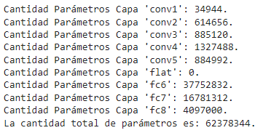

FC8
 |  | LINEAR |  | res

IN | 4096x1 |  | 1000x1
STRD
PDN |  |  |  |  |  |  |  |  |  |  | PARAM
OUT Ch |  |  |  |  |  |  |  |  |  |  | 4097000
X | 4096 |  | 1000

mod1
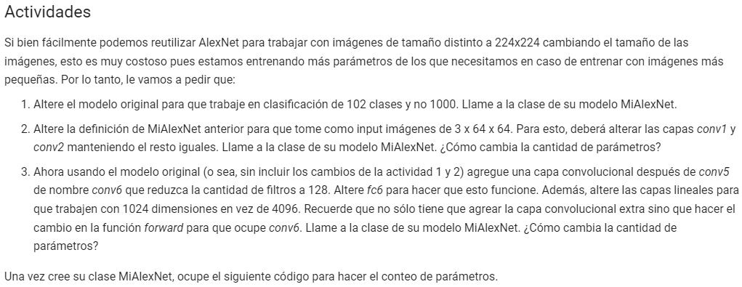
 |  |  |  |  |  |  |  |  |  |  |  |  | Capa | Padding
 |  |  |  |  |  |  |  |  |  |  |  |  | Conv1 | 2
 |  |  |  |  |  |  |  |  |  |  |  |  | Conv2 | 2
 |  |  |  |  |  |  |  |  |  |  |  |  | Conv3 | 1
 |  |  |  |  |  |  |  |  |  |  |  |  | Conv4 | 1
 |  |  |  |  |  |  |  |  |  |  |  |  | Conv5 | 1

 |  | Cin | Cout
 |  | INPUT | CONV1 | MAX POOL | CONV2 | CONV3 | CONV4 | CONV5 | FLAT | D1 | D2 | OUT
 | DIMENTION_X | 64 | 31 | 16 | 16 | 8 | 8 | 8 | 1
 | DIMENTION_Y | 64 | 31 | 16 | 16 | 8 | 8 | 8 | 1
 | CHANELS | 3 | 96 | 96 | 256 | 384 | 384 | 256 | 50176 | 4096 | 4096 | 102

0.078125 | KERNEL_X (filtro) | 5 | 5 | 3 | 3 | 3 | 3
0.078125 | KERNEL_Y (filtro) | 5 | 5 | 3 | 3 | 3 | 3
 | STRIDE_V (salto) | 2 | 2 | 2 | 2 | 1 | 1 |  |  |  |  | TAMAÑO MATRIZ CONV
 | STRIDE_H (salto) | 2 | 2 | 2 | 2 | 1 | 1
 | PADDING_V (borde) | 1 | 2 | 0 | 1 | 1 | 1
 | PADDING_H (borde) | 1 | 2 | 0 | 1 | 1 | 1
 | BIAS (sesgo) | 96 | 256 | 384 | 384 | 384 | 256

 | Neuronas |  | 12288 | 864 | 92256 | 65536 | 24576 | 24576 | 16384 | 50176 | 0 | 0
 | Param |  | 7296 |  | 614656 | 885120 | 1327488 | 884992 | 0 | 0 | 0 | 0

 |  |  |  |  |  |  |  |  |  |  |  | CANT NEURONAS
 |  |  |  |  |  |  |  |  |  |  |  | MAXPOOL > OUT

 |  |  |  |  |  |  |  |  |  | 37752832
 |  |  |  |  |  |  |  |  |  | 16781312
 |  |  |  |  |  |  |  |  |  | 4097000
 |  |  |  |  |  |  |  |  |  | 62378344 |  | CANT PARM

