Hoja1
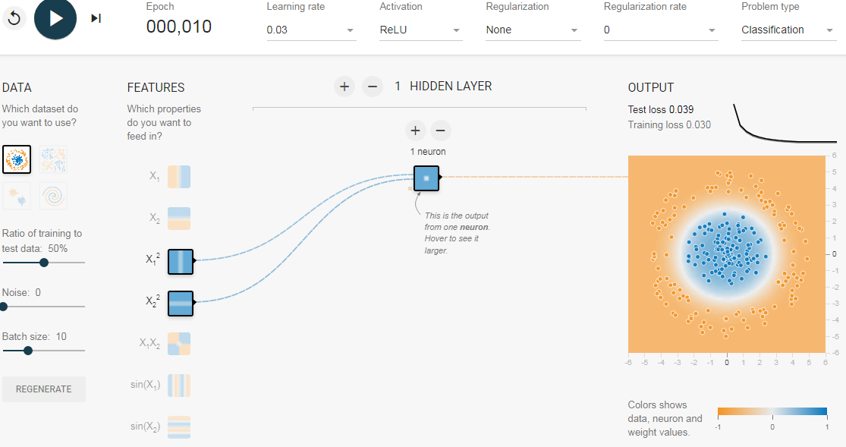
https://playground.tensorflow.org/

x1 | x2 | x1**2 | x2**2 | w1 | w2 | b | N | W | I | Relu | Out
1 | 1 | 1 | 1 | 0.38 | 0.41 | -0.19 | 0.6 | 0.41 | 0.246 | 0.246 | TRUE
4 | 6 | 16 | 36 |  |  |  | 20.65 |  | 8.4665 | 0 | FALSE
4 | 4 | 16 | 16 |  |  |  | 12.45 |  | 5.1045 | 0 | FALSE
4 | 5 | 16 | 25 |  |  |  | 16.14 |  | 6.6174 | 0 | FALSE
3 | 2 | 9 | 4 |  |  |  | 4.87 |  | 1.9967 | 1.9967 | TRUE
2 | 3 | 4 | 9 |  |  |  | 5.02 |  | 2.0582 | 2.0582 | TRUE

