Sheet1
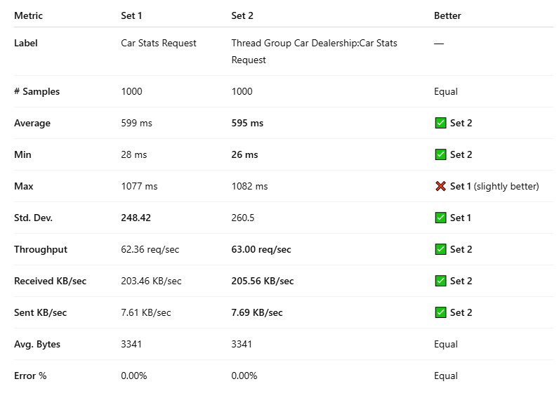
Not optimized | Label | # Samples | Average | Min | Max | Std. Dev. | Error % | Throughput | Received KB/sec | Sent KB/sec | Avg. Bytes
 | Car Stats Request | 1000 | 599 | 28 | 1077 | 248.42 | 0.00% | 62.35969 | 203.46 | 7.61 | 3341
 | TOTAL | 1000 | 599 | 28 | 1077 | 248.42 | 0.00% | 62.35969 | 203.46 | 7.61 | 3341

Optimized | Label | # Samples | Average | Min | Max | Std. Dev. | Error % | Throughput | Received KB/sec | Sent KB/sec | Avg. Bytes
 | Car Stats Request | 1000 | 595 | 26 | 1082 | 260.5 | 0.00% | 63.00403 | 205.56 | 7.69 | 3341
 | TOTAL | 1000 | 595 | 26 | 1082 | 260.5 | 0.00% | 63.00403 | 205.56 | 7.69 | 3341

