Page 1
Page 1 — The street of surprises
Class ID | EXAMPLE-Ghost | Level | AA | Score / 5 | 5


On Halloween evening, Maya, Theo, Noor, and Ben reached a street party in Toronto’s High Park neighbourhood. Striped barriers kept cars off the block. Four brick houses lined each side, and maple leaves crackled under their shoes. Their map showed all eight houses. Ms. Chen lifted a pumpkin keychain no bigger than a grape. “I have hidden this at one house. Find it and win a book voucher!” She gave them the first clue: “A purple porch light shines at the house with the keychain.” Noor opened her notebook and copied the words.

CLUE 1
A purple porch light shines at the house with the keychain.

Item | What was asked | Options shown | Student chose | Correct response | Mark
Q1 | What is the goal of the search? | A. Collect eight pumpkins B. Find the keychain and win a voucher C. Visit the zoo | Find the keychain and win a voucher | Find the keychain and win a voucher | 1
Q2 | How many houses are on the map? | A. Four B. Eight C. Ten | Eight | Eight | 1
M1 | Match each pair. Choose a match for each line. Use each answer once. Setting | A. a book voucher B. High Park neighbourhood C. 8 houses | High Park neighbourhood | High Park neighbourhood | 1
M2 | Match each pair. Choose a match for each line. Use each answer once. Map | A. a book voucher B. High Park neighbourhood C. 8 houses | 8 houses | 8 houses | 1
M3 | Match each pair. Choose a match for each line. Use each answer once. Prize | A. a book voucher B. High Park neighbourhood C. 8 houses | a book voucher | a book voucher | 1

Page 2
Page 2 — Hands still, eyes open
Class ID | EXAMPLE-Ghost | Level | AA | Score / 5 | 4

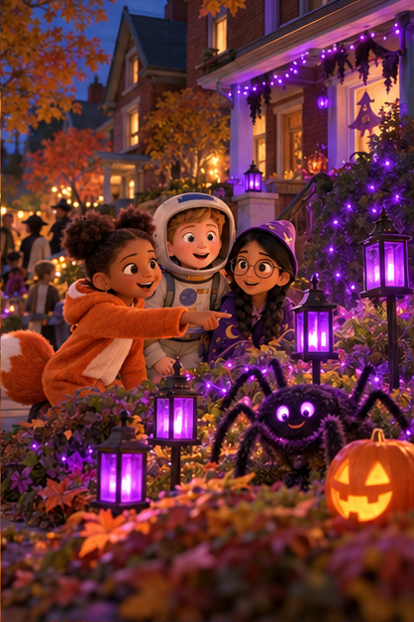
At house number 1, a ghost swayed beneath a blue porch light. At house number 4, a spider hung above a web beneath a purple light. At house number 7, a cat waited beside a purple light. The friends looked at the controls beside the decorations. Some had bells, others had ribbons, and several paths had black mats. Ms. Chen read clue two: “Walk onto the mat. The decoration at the house with the keychain wakes without a touch or a clap.” Noor recorded the whole sentence.

CLUE 2
Walk onto the mat. Its decoration wakes without a touch or a clap.

Item | What was asked | Options shown | Student chose | Correct response | Mark
Q1 | Which details appear in the first two clues? | A. A purple light and a mat B. An amber light and a bell C. A blue light and a ribbon | An amber light and a bell | A purple light and a mat | 0
Q2 | Who recorded the clue? | A. Theo B. Noor C. Ben | Noor | Noor | 1
M1 | Match each pair. Choose a match for each line. Use each answer once. House number 1 | A. cat and purple light B. ghost and blue light C. spider and purple light | ghost and blue light | ghost and blue light | 1
M2 | Match each pair. Choose a match for each line. Use each answer once. House number 4 | A. cat and purple light B. ghost and blue light C. spider and purple light | spider and purple light | spider and purple light | 1
M3 | Match each pair. Choose a match for each line. Use each answer once. House number 7 | A. cat and purple light B. ghost and blue light C. spider and purple light | cat and purple light | cat and purple light | 1

Page 3
Page 3 — Three on the wall
Class ID | EXAMPLE-Ghost | Level | AA | Score / 5 | 5

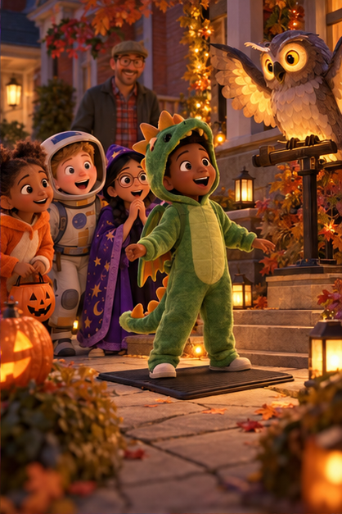
At house number 2, Ben pressed a bell and a ghost whispered, “Boo!” At house number 4, Maya pulled a ribbon and a spider bounced. At house number 3, Theo stepped onto a mat and an owl lifted its wings. At house number 8, a step onto a mat made a ghost rise. Carved pumpkins glowed along the low walls. Ms. Chen gave clue three: “Exactly three carved pumpkins sit on the low wall.” Noor wrote the words while the others listened.

CLUE 3
Exactly three carved pumpkins sit on the low wall.

Item | What was asked | Options shown | Student chose | Correct response | Mark
Q1 | How many pumpkins does clue three describe? | A. Two B. Three C. Four | Three | Three | 1
Q2 | What does “carved” mean here? | A. Cut into a shape or pattern B. Covered with a cloth C. Made from paper | Cut into a shape or pattern | Cut into a shape or pattern | 1
M1 | Match each pair. Choose a match for each line. Use each answer once. House 2: action | A. stepped onto a mat B. pressed a bell C. pulled a ribbon | pressed a bell | pressed a bell | 1
M2 | Match each pair. Choose a match for each line. Use each answer once. House 4: action | A. stepped onto a mat B. pressed a bell C. pulled a ribbon | pulled a ribbon | pulled a ribbon | 1
M3 | Match each pair. Choose a match for each line. Use each answer once. House 3: action | A. stepped onto a mat B. pressed a bell C. pulled a ribbon | stepped onto a mat | stepped onto a mat | 1

Page 4
Page 4 — A feathered voice
Class ID | EXAMPLE-Ghost | Level | AA | Score / 5 | 5


At house number 3, an owl lifted its wings and called, “Hoo!” Three carved pumpkins stood on the low wall. At house number 5, another owl called, “Hoo!” Two carved pumpkins sat on its wall. At house number 6, an owl called, “Hoo!” beside three carved pumpkins. Ms. Chen read clue four: “A feathered watcher lifts its wings and calls ‘Hoo!’” Noor copied the clue. The friends listened as the party music drifted between the houses.

CLUE 4
A feathered watcher lifts its wings and calls “Hoo!”

Item | What was asked | Options shown | Student chose | Correct response | Mark
Q1 | What does “feathered watcher” describe? | A. A cat B. An owl C. A ghost | An owl | An owl | 1
Q2 | Which sound is named in clue four? | A. Hoo! B. Meow! C. Boo! | Hoo! | Hoo! | 1
M1 | Match each pair. Choose a match for each line. Use each answer once. House 3: movement | A. Hoo! B. lifted its wings C. two | lifted its wings | lifted its wings | 1
M2 | Match each pair. Choose a match for each line. Use each answer once. House 5: pumpkin count | A. Hoo! B. lifted its wings C. two | two | two | 1
M3 | Match each pair. Choose a match for each line. Use each answer once. House 6: sound | A. Hoo! B. lifted its wings C. two | Hoo! | Hoo! | 1

Page 5
Page 5 — The final clue
Class ID | EXAMPLE-Ghost | Level | AA | Score / 5 | 4


At house number 3, a brown wooden box sat beneath the owl’s perch. At house number 5, a silver metal tin stood beneath the perch. At house number 6, another silver metal tin rested beneath its owl’s perch. Ms. Chen read clue five: “The keychain is inside the silver tin beneath the watcher’s perch.” “Beneath means under,” Theo said. Noor recorded the sentence while Maya held the map flat. All the containers stayed closed.

CLUE 5
The keychain is inside the silver tin beneath the watcher’s perch.

Item | What was asked | Options shown | Student chose | Correct response | Mark
Q1 | What two details does the last clue give? | A. A street name and a time B. A container and its position C. A costume and a prize | A container and its position | A container and its position | 1
Q2 | Where is “beneath the perch”? | A. Under the perch B. Above the porch C. Across the road | Under the perch | Under the perch | 1
M1 | Match each pair. Choose a match for each line. Use each answer once. House 3: container | A. under B. wooden box C. silver tin | wooden box | wooden box | 1
M2 | Match each pair. Choose a match for each line. Use each answer once. House 6: container | A. under B. wooden box C. silver tin | silver tin | silver tin | 1
M3 | Match each pair. Choose a match for each line. Use each answer once. Beneath means | A. under B. wooden box C. silver tin | No response | under | 0

Page 6
Page 6 — Your turn, detective
Class ID | EXAMPLE-Ghost | Level | AA | Score / 5 | 5

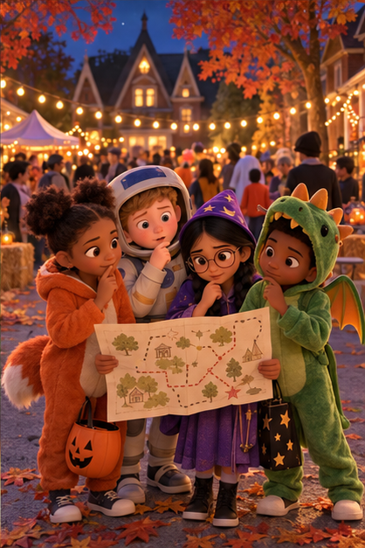
Their map showed all eight houses, four on each side of the street. Noor read the five clues aloud: a purple porch light; a step onto a mat without touching or clapping; exactly three carved pumpkins on a low wall; a feathered watcher calling “Hoo!”; and a silver tin beneath its perch. No container had been opened. Ms. Chen waited by the party lights. Now use the map and the clues. Which house do you think holds the keychain, and exactly where should the children look?

ALL FIVE CLUES
1. A purple porch light shines at the house with the keychain. / 2. Walk onto the mat. Its decoration wakes without a touch or a clap. / 3. Exactly three carved pumpkins sit on the low wall. / 4. A feathered watcher lifts its wings and calls “Hoo!” / 5. The keychain is inside the silver tin beneath the watcher’s perch.

Item | What was asked | Options shown | Student chose | Correct response | Mark
Q1 | Which house fits all five clues? | A. House 1 B. House 2 C. House 3 D. House 4 E. House 5 F. House 6 G. House 7 H. House 8 | House 6 | House 6 | 1
Q2 | What is the exact hiding place? | A. Inside the silver tin beneath the owl’s perch B. Inside a wooden box C. Inside a carved pumpkin | Inside the silver tin beneath the owl’s perch | Inside the silver tin beneath the owl’s perch | 1
M1 | Match each pair. Choose a match for each line. Use each answer once. The colour clue | A. Three carved pumpkins B. Purple porch light C. Walk onto the mat | Purple porch light | Purple porch light | 1
M2 | Match each pair. Choose a match for each line. Use each answer once. The action clue | A. Three carved pumpkins B. Purple porch light C. Walk onto the mat | Walk onto the mat | Walk onto the mat | 1
M3 | Match each pair. Choose a match for each line. Use each answer once. The quantity clue | A. Three carved pumpkins B. Purple porch light C. Walk onto the mat | Three carved pumpkins | Three carved pumpkins | 1

