vhf_uhf_IQ_Modulator_V4_bom_V1.0
Component | Description | Part | References | Value | Footprint | Quantity Per PCB | Datasheet | Manufacturer Part Number
1 | Unpolarized capacitor | C_Small | C27 | 100nF | C_0805_HandSoldering | 1 |  | 587-1134-1-ND
2 | Unpolarized capacitor | C_Small | C16 C21 | 100pF | C_0805_HandSoldering | 2 |  | 08052U101JAT2A
3 | Polarised capacitor | CP_Small | C5 C8 C23 C25 C28 | 10uF 16V | C_0805_HandSoldering | 5 |  | 478-8115-1-ND
4 | Unpolarized capacitor | C_Small | C24 | 15pF | C_0805_HandSoldering | 1 |  | 1276-2585-1-ND
5 | Unpolarized capacitor | C_Small | C9 C14 | 1nF | C_0805_HandSoldering | 2 |  | 399-16591-1-ND
6 | Polarised capacitor | CP | C1 C13 | 1uF 16V | CP_Tantalum_Case-R_EIA-2012-12_Reflow | 2 |  | 478-3346-1-ND
7 | Polarised capacitor | CP_Small | C2 C3 C15 C17 C20 | 1uF 16V | CP_Tantalum_Case-R_EIA-2012-12_Reflow | 5 |  | 478-3346-1-ND
8 | Unpolarized capacitor | C_Small | C6 C7 C11 C12 | 2200pF | C_0805_HandSoldering | 4 |  | 311-3619-1-ND
9 | Unpolarized capacitor | C_Small | C19 C26 | 220pF | C_0805_HandSoldering | 2 |  | 490-6104-1-ND
10 | Unpolarized capacitor | C_Small | C18 | 27pF | C_0805_HandSoldering | 1 |  | 478-3844-1-ND
11 | Unpolarized capacitor | C_Small | C4 | 3.3pF | C_0805_HandSoldering | 1 |  | 478-3846-1-ND
12 | Unpolarized capacitor | C_Small | C22 C29 C30 C31 | 33pF | C_0805_HandSoldering | 4 |  | 478-10472-1-ND
13 | Polarised capacitor | CP_Small | C10 | 4.7uF 16V | C_0805_HandSoldering | 1 |  | 478-8125-1-ND
14 | 3-pin audio jack receptable (stereo/TRS connector) | Audio-Jack-3 | J3 | Audio-Jack-3 | Pin_Header_Straight_1x03_Pitch2.54mm | 1 |  | ED7264-03-ND | 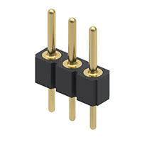
15 |  | CONN_01X03 | J1 | CONN_01X03 | Pin_Header_Straight_1x03_Pitch2.54mm | 1 |  | ED7264-03-ND
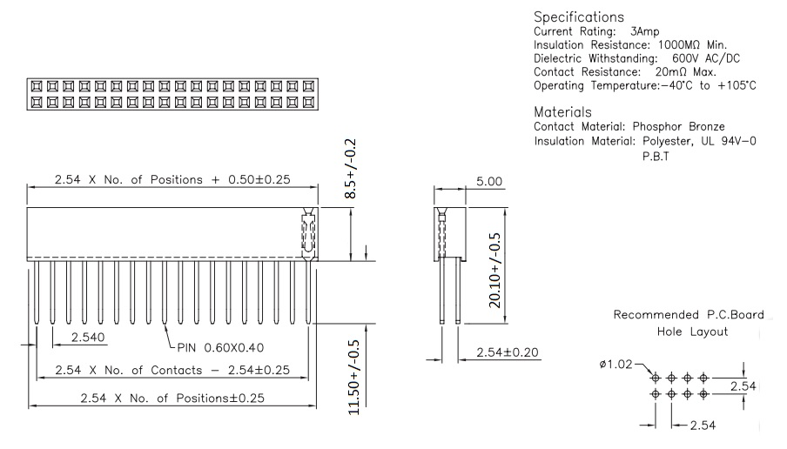
16 | Generic connector, single row, 01x04 | Conn_01x04 | J4 | CONN_01X04 | Pin_Header_Straight_1x04_Pitch2.54mm | 1 |  | Digi-Key Part Number ED7264-04-ND | 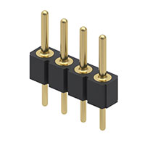
17 | coaxial connector (BNC, SMA, SMB, SMC, Cinch/RCA, ...) | Conn_Coaxial | J5 | SMA Edge FM | Molex_SMA_Jack_Edge_Mount | 1 |  | CON-SMA-EDGE-S-ND
18 | point | TEST_1P | J2 | TEST_1P | Pin_Header_Straight_1x01_Pitch2.54mm | 1 |  | ED7264-01-ND
19 | Inductor | L | L7 L8 | 110nH | L_0805_HandSoldering | 2 |  | 490-5665-1-ND
20 | Inductor | L | L3 | 22nH | C_0805_HandSoldering | 1 |  | CE201210-22NJCT-ND
21 | Inductor | L | L1 L5 | 33nH | C_0805_HandSoldering | 2 |  | 732-8077-1-ND
22 | Inductor | L | L2 L4 | 33nH | L_0805_HandSoldering | 2 |  | 490-5655-1-ND
23 | Inductor | L | L6 L9 | 56nH | L_0805_HandSoldering | 2 |  | 490-5660-1-ND
24 |  | BC817-40 | Q1 Q2 Q3 | BC817-40 | SOT-23 | 3 |  | BC817-40-TPMSCT-ND
25 | Resistor | R | R9 R12 | 0 Ohm | R_0805_HandSoldering | 2 |  | MCU0805-0.0-ZZCT-ND
26 | Resistor | R | R1 R13 | 10k | R_0805_HandSoldering | 2 |  | RNCP0805FTD10K0CT-ND
27 | Resistor | R | R2 R3 R5 R6 | 1K | R_0805_HandSoldering | 4 |  | 36-5110CT-ND
28 | Resistor | R | R4 | 1k8 | R_0805_HandSoldering | 1 |  | RNCP0805FTD10K0CT-ND
29 | Resistor | R | R10 | 2k2 | R_0805_HandSoldering | 1 |  | RMCF0805JT1K80CT-ND
30 | Resistor | R | R17 | 4k7 | R_0805_HandSoldering | 1 |  | 696-1387-1-ND
31 | Resistor | R | R15 R16 | 6k5(6k8) | R_0805_HandSoldering | 2 |  | 311-6.80KCRCT-ND
32 | Resistor | R | R7 R8 R14 | 6k8 | R_0805_HandSoldering | 3 |  | 311-6.80KCRCT-ND
33 | Resistor | R | R11 | OC | R_0805_HandSoldering | 1 |  | No Connection
34 | Potentiometer | POT | RV1 RV2 | 4k7 | Potentiometer_Bourns_3314G_Vertical | 2 |  | 3314J-1-472ECT-ND
35 |  | MCP3421A0T-E/CH-RESCUE-vhf_uhf_IQ_Modulator | U5 | MCP3421A0T-E/CH | SOT-23-6_Handsoldering | 1 |  | MCP3421A0T-E/CHCT-ND
36 |  | MMZ09332BT1 | U2 | MMZ09332BT1 | QFN-12-1EP_3x3mm_P0.5mm_EP1.65x1.65mm | 1 |  | MMZ09332BT1DKR-ND
37 |  | orange_pi_zero | U4 | Orange Pi zero | orangepi-zero | 1
38 |  | Si570 | U3 | Si570 | Oscillator_SMD_SI570_SI571_HandSoldering | 1 |  | 336-3900-ND
39 |  | TRF3701 | U1 | TRF3701 | VQFN-16_3x3mm_trf3701_new | 1 |  | 296-17198-ND

Component Groups: | 39
Component Count: | 72
Fitted Components: | 72
Number of PCBs: | 1
Total components: | 72
Schematic Version: | V1.0
Schematic Date: | 2018-06-01
BoM Date: | Fri 03 Aug 2018 14:08:11 SAST
Schematic Source: | /home/anton/Documents/kicad/IQ_Modulator/vhf_uhf_IQ_Modulator_V4.sch
KiCad Version: | Eeschema 4.0.7-e2-6376~61~ubuntu18.04.1

