Panels in sun
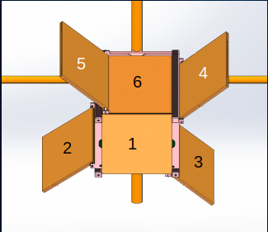
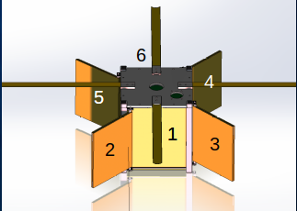

5
Description (Sun Angel) | Panel 1 (front) (W) | Panel 2 (left) (W) | Panel 3 (Right) (W) | Panel 4 (Back) (W) | Panel 5 (bottom) Ant (W) | Panel 6 (top) (W) | Panel 7 (top) (W) | Panel 8 | Panel 9 | Panel 10 | Panel 11 | Panel 12 | Total
Scenario 1 | 0.8448 | 0.59736380875 | 0.59736380875 | 0 | 0.17920914262 | 0 | 0 | 0 | 0 | 0 | 0 | 0 | 2.2187367601
Scenario 2 | 0.59736380875 | 0.59736380875 | 0.8448 | 0.8448 | 0 | 0 | 0 | 0 | 0 | 0 | 0 | 0 | 2.8843276175
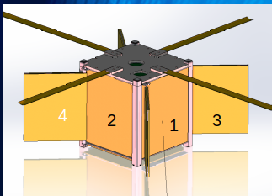
Scenario 3 | 0.59736380875 | 0.29868190437 | 0.29868190437 | 0.171072 | 0.29868190437 | 0.59736380875 | 0 | 0 | 0 | 0 | 0 | 0 | 2.2618453306

