Editor
Config

 |  | Tile |  |  |  |  | Level setup |  |  |  |  |  |  |  |  |  |  |  |  |  |  | COPY
 |  | "X" | Start |  |  |  | Length: |  |  |  | 9 |  |  |  |  |  |  |  |  |  |  | Level: |  |  |  | 3-3
 |  | " " | Empty |  |  |  | Heigth: |  |  |  | 7 |  |  |  |  |  |  |  |  |  |  | String_setup: |  |  |  | '3-3': [9,7,(0,0),[((0,0),"N"),((0,1)," "),((0,2)," "),((0,3)," "),((0,4)," "),((0,5),"N"),((0,6),"N")((0,7)," ")((0,8)," "),((1,0)," "),((1,1)," "),((1,2),"N"),((1,3)," "),((1,4)," "),((1,5),"N"),((1,6),"N")((1,7)," ")((1,8)," "),((2,0)," "),((2,1),"N"),((2,2)," "),((2,3)," "),((2,4),"N"),((2,5),"N"),((2,6)," ")((2,7)," ")((2,8)," "),((3,0),"T"),((3,1)," "),((3,2)," "),((3,3),"N"),((3,4),"N"),((3,5)," "),((3,6)," ")((3,7)," ")((3,8)," "),((4,0),"X"),((4,1)," "),((4,2),"N"),((4,3),"N"),((4,4)," "),((4,5)," "),((4,6),"N")((4,7)," ")((4,8)," "),((5,0),"N"),((5,1),"N"),((5,2),"N"),((5,3)," "),((5,4)," "),((5,5)," "),((5,6)," ")((5,7)," ")((5,8)," "),((6,0),"N"),((6,1),"N"),((6,2)," "),((6,3)," "),((6,4),"N"),((6,5)," "),((6,6)," ")((6,7)," ")((6,8)," ")]]
 |  | "B" | Block |  |  |  | Player position: |  |  |  | (0,0)
 |  | "N" | Null |  |  |  | Setup: |  |  |  | [((0,0),"N"),((0,1)," "),((0,2)," "),((0,3)," "),((0,4)," "),((0,5),"N"),((0,6),"N")((0,7)," ")((0,8)," "),((1,0)," "),((1,1)," "),((1,2),"N"),((1,3)," "),((1,4)," "),((1,5),"N"),((1,6),"N")((1,7)," ")((1,8)," "),((2,0)," "),((2,1),"N"),((2,2)," "),((2,3)," "),((2,4),"N"),((2,5),"N"),((2,6)," ")((2,7)," ")((2,8)," "),((3,0),"T"),((3,1)," "),((3,2)," "),((3,3),"N"),((3,4),"N"),((3,5)," "),((3,6)," ")((3,7)," ")((3,8)," "),((4,0),"X"),((4,1)," "),((4,2),"N"),((4,3),"N"),((4,4)," "),((4,5)," "),((4,6),"N")((4,7)," ")((4,8)," "),((5,0),"N"),((5,1),"N"),((5,2),"N"),((5,3)," "),((5,4)," "),((5,5)," "),((5,6)," ")((5,7)," ")((5,8)," "),((6,0),"N"),((6,1),"N"),((6,2)," "),((6,3)," "),((6,4),"N"),((6,5)," "),((6,6)," ")((6,7)," ")((6,8)," ")] |  |  |  |  |  |  |  |  |  |  |  |  |  | '3-3': [9,7,(0,0),[((0,0),"N"),((0,1)," "),((0,2)," "),((0,3)," "),((0,4)," "),((0,5),"N"),((0,6),"N")((0,7)," ")((0,8)," "),((1,0)," "),((1,1)," "),((1,2),"N"),((1,3)," "),((1,4)," "),((1,5),"N"),((1,6),"N")((1,7)," ")((1,8)," "),((2,0)," "),((2,1),"N"),((2,2)," "),((2,3)," "),((2,4),"N"),((2,5),"N"),((2,6)," ")((2,7)," ")((2,8)," "),((3,0),"T"),((3,1)," "),((3,2)," "),((3,3),"N"),((3,4),"N"),((3,5)," "),((3,6)," ")((3,7)," ")((3,8)," "),((4,0),"X"),((4,1)," "),((4,2),"N"),((4,3),"N"),((4,4)," "),((4,5)," "),((4,6),"N")((4,7)," ")((4,8)," "),((5,0),"N"),((5,1),"N"),((5,2),"N"),((5,3)," "),((5,4)," "),((5,5)," "),((5,6)," ")((5,7)," ")((5,8)," "),((6,0),"N"),((6,1),"N"),((6,2)," "),((6,3)," "),((6,4),"N"),((6,5)," "),((6,6)," ")((6,7)," ")((6,8)," ")]]
 |  | "I" | Switch
 |  | "T" | Teleport

Level creation

 |  | 0 | 1 | 2 | 3 | 4 | 5 | 6 | 7 | 8 | 9 | 10 | 11 | 12 | 13 | 14 | 15 | 16 | 17 | 18 | 19 | 20 | 21 | 22 | 23 | 24 | 25 | 26 | 27 | 28 | 29 | 30 | 31 | 32 | 33 | 34 | 35 | 36 | 37 | 38 | 39 | 40 | 41 | 42 | 43 | 44 | 45 | 46 | 47 | 48 | 49 | 50 | 51 | 52 | 53 | 54 | 55 | 56 | 57 | 58 | 59 | 60 | 61 | 62 | 63 | 64 | 65 | 66 | 67 | 68 | 69 | 70 | 71 | 72 | 73 | 74 | 75 | 76 | 77 | 78 | 79 | 80 | 81 | 82 | 83 | 84 | 85 | 86 | 87 | 88 | 89 | 90 | 91 | 92 | 93 | 94 | 95 | 96 | 97 | 98 | 99 | 100
 | 0 | "N" | " " | " " | " " | " " | "N" | "N" | " " | " "
 | 1 | " " | " " | "N" | " " | " " | "N" | "N" | " " | " "
 | 2 | " " | "N" | " " | " " | "N" | "N" | " " | " " | " "
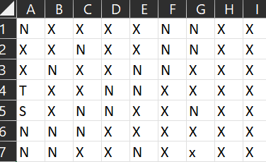
 | 3 | "T" | " " | " " | "N" | "N" | " " | " " | " " | " "
 | 4 | "X" | " " | "N" | "N" | " " | " " | "N" | " " | " "
 | 5 | "N" | "N" | "N" | " " | " " | " " | " " | " " | " "
 | 6 | "N" | "N" | " " | " " | "N" | " " | " " | " " | " "
 | 7
 | 8
 | 9
 | 10
 | 11
 | 12
 | 13
 | 14
 | 15
 | 16
 | 17
 | 18
 | 19
 | 20
 | 21
 | 22
 | 23
 | 24
 | 25
 | 26
 | 27
 | 28
 | 29
 | 30
 | 31
 | 32
 | 33
 | 34
 | 35
 | 36
 | 37
 | 38
 | 39
 | 40
 | 41
 | 42
 | 43
 | 44
 | 45
 | 46
 | 47
 | 48
 | 49
 | 50
 | 51
 | 52
 | 53
 | 54
 | 55
 | 56
 | 57
 | 58
 | 59
 | 60
 | 61
 | 62
 | 63
 | 64
 | 65
 | 66
 | 67
 | 68
 | 69
 | 70
 | 71
 | 72
 | 73
 | 74
 | 75
 | 76
 | 77
 | 78
 | 79
 | 80
 | 81
 | 82
 | 83
 | 84
 | 85
 | 86
 | 87
 | 88
 | 89
 | 90
 | 91
 | 92
 | 93
 | 94
 | 95
 | 96
 | 97
 | 98
 | 99
 | 100

Tool for player position |  |  |  |  |  | "X"
Col |  | 0 | 1 | 2 | 3 | 4 | 5 | 6 | 7 | 8 | 9 | 10 | 11 | 12 | 13 | 14 | 15 | 16 | 17 | 18 | 19 | 20 | 21 | 22 | 23 | 24 | 25 | 26 | 27 | 28 | 29 | 30 | 31 | 32 | 33 | 34 | 35 | 36 | 37 | 38 | 39 | 40 | 41 | 42 | 43 | 44 | 45 | 46 | 47 | 48 | 49 | 50 | 51 | 52 | 53 | 54 | 55 | 56 | 57 | 58 | 59 | 60 | 61 | 62 | 63 | 64 | 65 | 66 | 67 | 68 | 69 | 70 | 71 | 72 | 73 | 74 | 75 | 76 | 77 | 78 | 79 | 80 | 81 | 82 | 83 | 84 | 85 | 86 | 87 | 88 | 89 | 90 | 91 | 92 | 93 | 94 | 95 | 96 | 97 | 98 | 99 | 100
Row |  | 4
Is PP |  | "X"

Row |  | 0
Col: |  | 0
PP |  | (0,0)

Tool for the level setup:
 |  | 0 | 1 | 2 | 3 | 4 | 5 | 6 | 7 | 8 | 9 | 10 | 11 | 12 | 13 | 14 | 15 | 16 | 17 | 18 | 19 | 20 | 21 | 22 | 23 | 24 | 25 | 26 | 27 | 28 | 29 | 30 | 31 | 32 | 33 | 34 | 35 | 36 | 37 | 38 | 39 | 40 | 41 | 42 | 43 | 44 | 45 | 46 | 47 | 48 | 49 | 50 | 51 | 52 | 53 | 54 | 55 | 56 | 57 | 58 | 59 | 60 | 61 | 62 | 63 | 64 | 65 | 66 | 67 | 68 | 69 | 70 | 71 | 72 | 73 | 74 | 75 | 76 | 77 | 78 | 79 | 80 | 81 | 82 | 83 | 84 | 85 | 86 | 87 | 88 | 89 | 90 | 91 | 92 | 93 | 94 | 95 | 96 | 97 | 98 | 99 | 100
 | 0 | ((0,0),"N") | ,((0,1)," ") | ,((0,2)," ") | ,((0,3)," ") | ,((0,4)," ") | ,((0,5),"N") | ,((0,6),"N") | ((0,7)," ") | ((0,8)," ")
 | 1 | ,((1,0)," ") | ,((1,1)," ") | ,((1,2),"N") | ,((1,3)," ") | ,((1,4)," ") | ,((1,5),"N") | ,((1,6),"N") | ((1,7)," ") | ((1,8)," ")
 | 2 | ,((2,0)," ") | ,((2,1),"N") | ,((2,2)," ") | ,((2,3)," ") | ,((2,4),"N") | ,((2,5),"N") | ,((2,6)," ") | ((2,7)," ") | ((2,8)," ")
 | 3 | ,((3,0),"T") | ,((3,1)," ") | ,((3,2)," ") | ,((3,3),"N") | ,((3,4),"N") | ,((3,5)," ") | ,((3,6)," ") | ((3,7)," ") | ((3,8)," ")
 | 4 | ,((4,0),"X") | ,((4,1)," ") | ,((4,2),"N") | ,((4,3),"N") | ,((4,4)," ") | ,((4,5)," ") | ,((4,6),"N") | ((4,7)," ") | ((4,8)," ")
 | 5 | ,((5,0),"N") | ,((5,1),"N") | ,((5,2),"N") | ,((5,3)," ") | ,((5,4)," ") | ,((5,5)," ") | ,((5,6)," ") | ((5,7)," ") | ((5,8)," ")
 | 6 | ,((6,0),"N") | ,((6,1),"N") | ,((6,2)," ") | ,((6,3)," ") | ,((6,4),"N") | ,((6,5)," ") | ,((6,6)," ") | ((6,7)," ") | ((6,8)," ")
 | 7
 | 8
 | 9
 | 10
 | 11
 | 12
 | 13
 | 14
 | 15
 | 16
 | 17
 | 18
 | 19
 | 20
 | 21
 | 22
 | 23
 | 24
 | 25
 | 26
 | 27
 | 28
 | 29
 | 30
 | 31
 | 32
 | 33
 | 34
 | 35
 | 36
 | 37
 | 38
 | 39
 | 40
 | 41
 | 42
 | 43
 | 44
...

World 0 - Tutorial
Level | 0-1 | 0-2 | 0-3
Setup | '0-1': [3,4,(3,1),[((0,0),"N"),((0,1)," "),((0,2)," "),((1,0),"N"),((1,1)," "),((1,2),"N"),((2,0),"N"),((2,1)," "),((2,2),"N"),((3,0),"N"),((3,1),"X"),((3,2),"N")]] | '0-2': [3,4,(0,2),[((0,0)," "),((0,1)," "),((0,2),"X"),((1,0)," "),((1,1),"B"),((1,2),"B"),((2,0)," "),((2,1),"B"),((2,2),"B"),((3,0)," "),((3,1)," "),((3,2)," ")]] | '0-3': [4,3,(0,0),[((0,0),"X"),((0,1)," "),((0,2)," "),((0,3),"N"),((1,0)," "),((1,1)," "),((1,2)," "),((1,3),"N"),((2,0)," "),((2,1)," "),((2,2)," "),((2,3)," ")]]
Display | 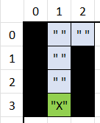 | 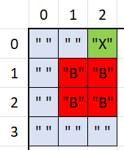 | 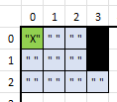

World 1
Level | 1-1 | 1-2 | 1-3 | 1-4 | 1-5 | 1-6
Setup | '1-1': [6,6,(3,1),[((0,0)," "),((0,1)," "),((0,2)," "),((0,3)," "),((0,4)," "),((0,5)," "),((1,0)," "),((1,1),"B"),((1,2),"B"),((1,3)," "),((1,4)," "),((1,5)," "),((2,0)," "),((2,1),"B"),((2,2),"B"),((2,3)," "),((2,4),"B"),((2,5)," "),((3,0)," "),((3,1),"X"),((3,2)," "),((3,3)," "),((3,4),"B"),((3,5)," "),((4,0)," "),((4,1),"B"),((4,2)," "),((4,3)," "),((4,4),"B"),((4,5)," "),((5,0)," "),((5,1)," "),((5,2)," "),((5,3)," "),((5,4)," "),((5,5)," ")]] | '1-2': [7,4,(3,3),[((0,0)," "),((0,1)," "),((0,2)," "),((0,3)," "),((0,4)," "),((0,5)," "),((0,6)," "),((1,0)," "),((1,1),"B"),((1,2),"B"),((1,3)," "),((1,4)," "),((1,5),"B"),((1,6)," "),((2,0)," "),((2,1)," "),((2,2)," "),((2,3)," "),((2,4)," "),((2,5)," "),((2,6)," "),((3,0),"N"),((3,1),"N"),((3,2),"N"),((3,3),"X"),((3,4),"N"),((3,5),"N"),((3,6),"N")]] | 1-3': [11,11,(0,0),[((0,0),"X")((0,1)," ")((0,2),"N")((0,3),"N")((0,4),"N")((0,5),"N")((0,6),"N")((0,7),"N")((0,8),"N")((0,9),"N")((0,10),"N")((1,0)," ")((1,1)," ")((1,2),"N")((1,3),"N")((1,4),"N")((1,5),"N")((1,6),"N")((1,7),"N")((1,8),"N")((1,9),"N")((1,10),"N")((2,0)," ")((2,1)," ")((2,2)," ")((2,3)," ")((2,4),"N")((2,5),"N")((2,6),"N")((2,7),"N")((2,8),"N")((2,9),"N")((2,10),"N")((3,0),"N")((3,1),"B")((3,2)," ")((3,3)," ")((3,4),"N")((3,5),"N")((3,6),"N")((3,7),"N")((3,8),"N")((3,9),"N")((3,10),"N")((4,0),"N")((4,1)," ")((4,2)," ")((4,3)," ")((4,4)," ")((4,5)," ")((4,6),"N")((4,7),"N")((4,8),"N")((4,9),"N")((4,10),"N")((5,0),"N")((5,1)," ")((5,2)," ")((5,3)," ")((5,4),"B")((5,5)," ")((5,6)," ")((5,7)," ")((5,8)," ")((5,9),"N")((5,10),"N")((6,0),"N")((6,1),"N")((6,2),"N")((6,3),"N")((6,4)," ")((6,5)," ")((6,6)," ")((6,7),"B")((6,8)," ")((6,9),"N")((6,10),"N")((7,0),"N")((7,1),"N")((7,2),"N")((7,3),"N")((7,4)," ")((7,5)," ")((7,6)," ")((7,7)," ")((7,8)," ")((7,9),"N")((7,10),"N")((8,0),"N")((8,1),"N")((8,2),"N")((8,3),"N")((8,4),"N")((8,5),"N")((8,6)," ")((8,7)," ")((8,8),"B")((8,9),"N")((8,10),"N")((9,0),"N")((9,1),"N")((9,2),"N")((9,3),"N")((9,4),"N")((9,5),"N")((9,6)," ")((9,7)," ")((9,8)," ")((9,9)," ")((9,10),"N")((10,0),"N")((10,1),"N")((10,2),"N")((10,3),"N")((10,4),"N")((10,5),"N")((10,6)," ")((10,7)," ")((10,8),"B")((10,9)," ")((10,10)," ")]] | 1-4': [7,8,(4,6),[((0,0),"N")((0,1),"N")((0,2),"N")((0,3),"N")((0,4)," ")((0,5)," ")((0,6)," ")((1,0),"N")((1,1),"N")((1,2),"N")((1,3),"N")((1,4)," ")((1,5),"B")((1,6)," ")((2,0)," ")((2,1)," ")((2,2)," ")((2,3)," ")((2,4)," ")((2,5),"B")((2,6)," ")((3,0)," ")((3,1),"B")((3,2)," ")((3,3)," ")((3,4)," ")((3,5)," ")((3,6)," ")((4,0)," ")((4,1),"B")((4,2)," ")((4,3)," ")((4,4)," ")((4,5)," ")((4,6),"X")((5,0)," ")((5,1),"B")((5,2),"B")((5,3)," ")((5,4),"B")((5,5)," ")((5,6)," ")((6,0)," ")((6,1)," ")((6,2)," ")((6,3)," ")((6,4)," ")((6,5)," ")((6,6),"N")((7,0),"N")((7,1),"N")((7,2)," ")((7,3)," ")((7,4)," ")((7,5)," ")((7,6),"N")]] | 1-5': [9,7,(3,6),[((0,0),"B")((0,1),"B")((0,2),"B")((0,3)," ")((0,4)," ")((0,5)," ")((0,6)," ")((0,7),"B")((0,8),"B")((1,0),"B")((1,1),"B")((1,2),"B")((1,3)," ")((1,4)," ")((1,5)," ")((1,6)," ")((1,7)," ")((1,8)," ")((2,0),"B")((2,1)," ")((2,2)," ")((2,3)," ")((2,4)," ")((2,5)," ")((2,6),"B")((2,7)," ")((2,8)," ")((3,0)," ")((3,1)," ")((3,2),"B")((3,3)," ")((3,4)," ")((3,5)," ")((3,6),"X")((3,7)," ")((3,8)," ")((4,0)," ")((4,1)," ")((4,2)," ")((4,3)," ")((4,4)," ")((4,5)," ")((4,6),"B")((4,7),"B")((4,8)," ")((5,0),"B")((5,1)," ")((5,2)," ")((5,3),"B")((5,4),"B")((5,5)," ")((5,6)," ")((5,7)," ")((5,8)," ")((6,0),"B")((6,1)," ")((6,2)," ")((6,3),"B")((6,4),"B")((6,5),"B")((6,6),"B")((6,7),"B")((6,8),"B")]] | 1-6': [7,11,(10,3),[((0,0),"B"),((0,1),"B"),((0,2)," "),((0,3)," "),((0,4)," "),((0,5)," "),((0,6),"B"),((1,0)," "),((1,1)," "),((1,2)," "),((1,3),"B"),((1,4),"B"),((1,5)," "),((1,6)," "),((2,0)," "),((2,1)," "),((2,2)," "),((2,3),"B"),((2,4)," "),((2,5)," "),((2,6)," "),((3,0)," "),((3,1)," "),((3,2)," "),((3,3)," "),((3,4)," "),((3,5),"B"),((3,6)," "),((4,0),"B"),((4,1)," "),((4,2)," "),((4,3)," "),((4,4)," "),((4,5)," "),((4,6)," "),((5,0),"N"),((5,1),"N"),((5,2),"N"),((5,3)," "),((5,4),"N"),((5,5),"N"),((5,6),"N"),((6,0),"B"),((6,1)," "),((6,2)," "),((6,3)," "),((6,4)," "),((6,5)," "),((6,6)," "),((7,0)," "),((7,1)," "),((7,2)," "),((7,3)," "),((7,4)," "),((7,5),"B"),((7,6)," "),((8,0)," "),((8,1)," "),((8,2),"B"),((8,3),"B"),((8,4)," "),((8,5),"B"),((8,6)," "),((9,0),"B"),((9,1)," "),((9,2),"B"),((9,3),"B"),((9,4)," "),((9,5)," "),((9,6)," "),((10,0),"B"),((10,1)," "),((10,2)," "),((10,3),"X"),((10,4)," "),((10,5)," "),((10,6),"B")]]
Display | 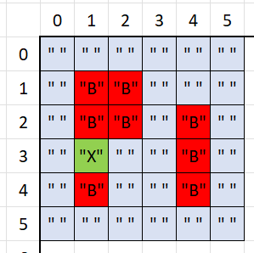 | 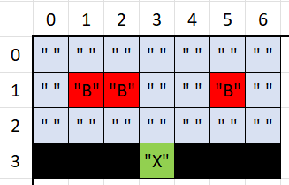 | 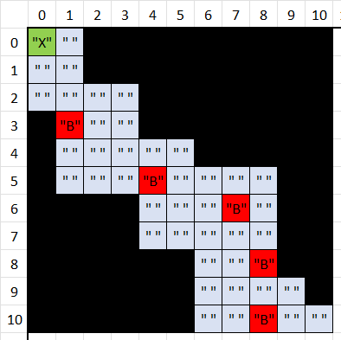 | 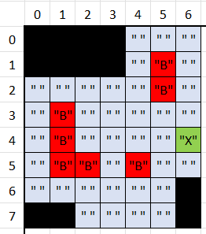 | 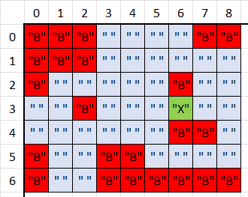 | 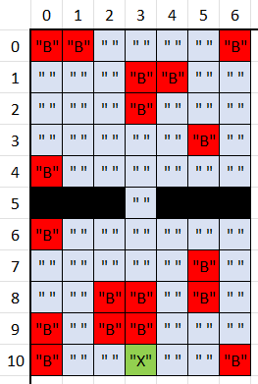

World 2
Level | 2-1 | 2-2 | 2-3 | 2-4 | 2-5 | 2-6
Setup | 2-1': [3,6,(5,1),[((0,0),"N"),((0,1)," "),((0,2),"N"),((1,0),"N"),((1,1),"B"),((1,2),"N"),((2,0),"N"),((2,1),"I",[(1,1)]),((2,2),"N"),((3,0),"N"),((3,1)," "),((3,2),"N"),((4,0),"N"),((4,1)," "),((4,2),"N"),((5,0),"N"),((5,1),"X"),((5,2),"N")]] | 2-2': [6,8,(7,2),[((0,0),"N"),((0,1),"N"),((0,2),"N"),((0,3),"N"),((0,4),"N"),((0,5)," "),((1,0),"N"),((1,1),"N"),((1,2),"N"),((1,3),"N"),((1,4),"N"),((1,5)," "),((2,0),"N"),((2,1),"N"),((2,2),"N"),((2,3),"N"),((2,4)," "),((2,5)," "),((3,0),"N"),((3,1),"N"),((3,2),"N"),((3,3),"N"),((3,4),"B"),((3,5),"B"),((4,0),"N"),((4,1)," "),((4,2)," "),((4,3)," "),((4,4)," "),((4,5)," "),((5,0)," "),((5,1),"I"),((5,2)," "),((5,3)," "),((5,4)," "),((5,5)," "),((6,0)," "),((6,1)," "),((6,2)," "),((6,3)," "),((6,4),"N"),((6,5),"N"),((7,0)," "),((7,1)," "),((7,2),"X"),((7,3)," "),((7,4),"N"),((7,5),"N")]] | ''2-3': [6,6,(0,0),[((0,0),"N"),((0,1),"N"),((0,2),"N"),((0,3)," "),((0,4)," "),((0,5)," "),((1,0),"N"),((1,1),"N"),((1,2),"N"),((1,3)," "),((1,4)," "),((1,5)," "),((2,0),"X"),((2,1)," "),((2,2),"I"),((2,3),"B"),((2,4),"B"),((2,5)," "),((3,0)," "),((3,1)," "),((3,2)," "),((3,3)," "),((3,4)," "),((3,5)," "),((4,0)," "),((4,1)," "),((4,2)," "),((4,3)," "),((4,4)," "),((4,5)," "),((5,0)," "),((5,1)," "),((5,2)," "),((5,3)," "),((5,4)," "),((5,5),"N")]] | ''2-4': [10,10,(7,5),[((0,0),"N"),((0,1),"N"),((0,2),"N"),((0,3),"N"),((0,4),"N"),((0,5),"N"),((0,6)," ")((0,7),"N")((0,8),"N")((0,9),"N"),((1,0),"N"),((1,1),"N"),((1,2),"N"),((1,3),"N"),((1,4),"N"),((1,5),"N"),((1,6)," ")((1,7),"N")((1,8),"N")((1,9),"N"),((2,0),"N"),((2,1),"N"),((2,2),"N"),((2,3),"N"),((2,4),"N"),((2,5),"N"),((2,6)," ")((2,7),"N")((2,8),"N")((2,9),"N"),((3,0)," "),((3,1)," "),((3,2)," "),((3,3),"N"),((3,4),"N"),((3,5),"N"),((3,6)," ")((3,7)," ")((3,8)," ")((3,9)," "),((4,0),"I"),((4,1),"N"),((4,2)," "),((4,3)," "),((4,4)," "),((4,5),"B"),((4,6)," ")((4,7)," ")((4,8),"N")((4,9)," "),((5,0)," "),((5,1)," "),((5,2)," "),((5,3)," "),((5,4)," "),((5,5),"N"),((5,6),"N")((5,7)," ")((5,8)," ")((5,9)," "),((6,0),"N"),((6,1),"N"),((6,2),"N"),((6,3),"N"),((6,4)," "),((6,5),"N"),((6,6),"N")((6,7),"N")((6,8),"N")((6,9),"N"),((7,0),"N"),((7,1),"N"),((7,2),"N"),((7,3)," "),((7,4)," "),((7,5),"X"),((7,6)," ")((7,7),"N")((7,8),"N")((7,9),"N"),((8,0),"N"),((8,1),"N"),((8,2),"N"),((8,3)," "),((8,4),"N"),((8,5)," "),((8,6)," ")((8,7),"N")((8,8),"N")((8,9),"N"),((9,0),"N"),((9,1),"N"),((9,2),"N"),((9,3)," "),((9,4)," "),((9,5)," "),((9,6),"N")((9,7),"N")((9,8),"N")((9,9),"N")]]
Display | 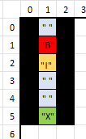 | 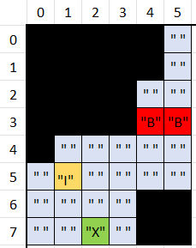 | 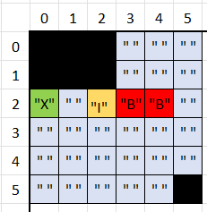 | 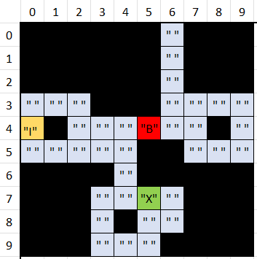 | 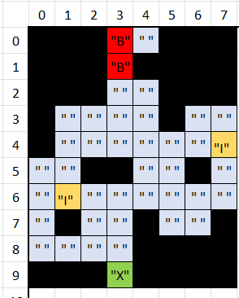 | 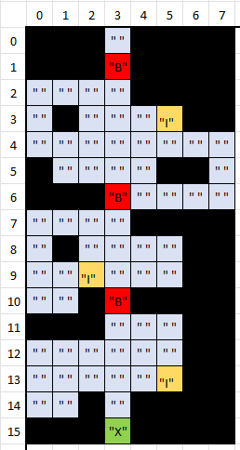

World 3
Level | 3-1 | 3-2 | 3-3 | 3-4 | 3-4 | 3-5
Setup | 2-1': [3,6,(5,1),[((0,0),"N"),((0,1)," "),((0,2),"N"),((1,0),"N"),((1,1),"B"),((1,2),"N"),((2,0),"N"),((2,1),"I",[(1,1)]),((2,2),"N"),((3,0),"N"),((3,1)," "),((3,2),"N"),((4,0),"N"),((4,1)," "),((4,2),"N"),((5,0),"N"),((5,1),"X"),((5,2),"N")]] | ''3-2': [7,10,(8,1),[((0,0),"N"),((0,1)," "),((0,2)," "),((0,3)," "),((0,4),"N"),((0,5),"N"),((0,6),"N"),((1,0)," "),((1,1)," "),((1,2),"N"),((1,3)," "),((1,4),"N"),((1,5),"N"),((1,6),"N"),((2,0)," "),((2,1)," "),((2,2)," "),((2,3)," "),((2,4),"N"),((2,5),"N"),((2,6),"N"),((3,0)," "),((3,1),"N"),((3,2)," "),((3,3)," "),((3,4),"N"),((3,5),"N"),((3,6),"N"),((4,0)," "),((4,1)," "),((4,2)," "),((4,3)," "),((4,4),"N"),((4,5),"N"),((4,6),"N"),((5,0),"N"),((5,1),"N"),((5,2),"N"),((5,3),"N"),((5,4)," "),((5,5)," "),((5,6)," "),((6,0),"N"),((6,1)," "),((6,2)," "),((6,3),"N"),((6,4)," "),((6,5),"T"),((6,6)," "),((7,0),"T"),((7,1)," "),((7,2)," "),((7,3),"N"),((7,4)," "),((7,5)," "),((7,6)," "),((8,0)," "),((8,1),"X"),((8,2)," "),((8,3),"N"),((8,4)," "),((8,5)," "),((8,6)," "),((9,0)," "),((9,1)," "),((9,2)," "),((9,3),"N"),((9,4),"N"),((9,5),"N"),((9,6),"N")]]
Display | 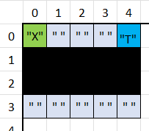 | 