202207
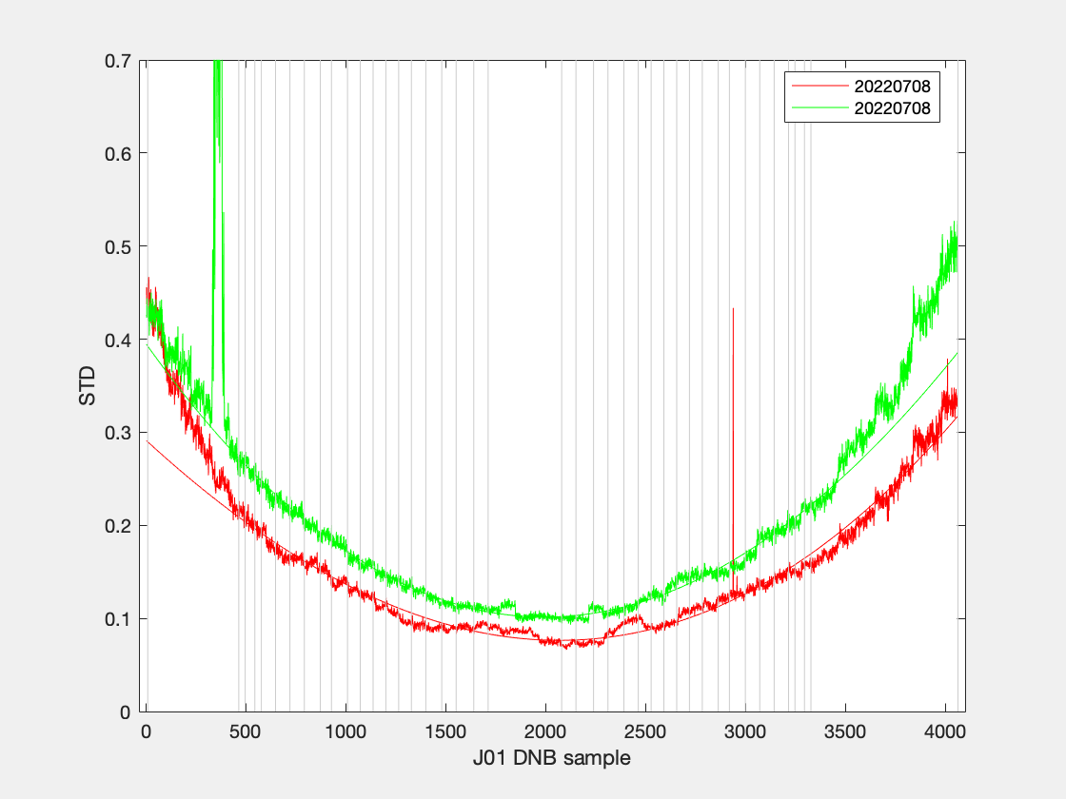
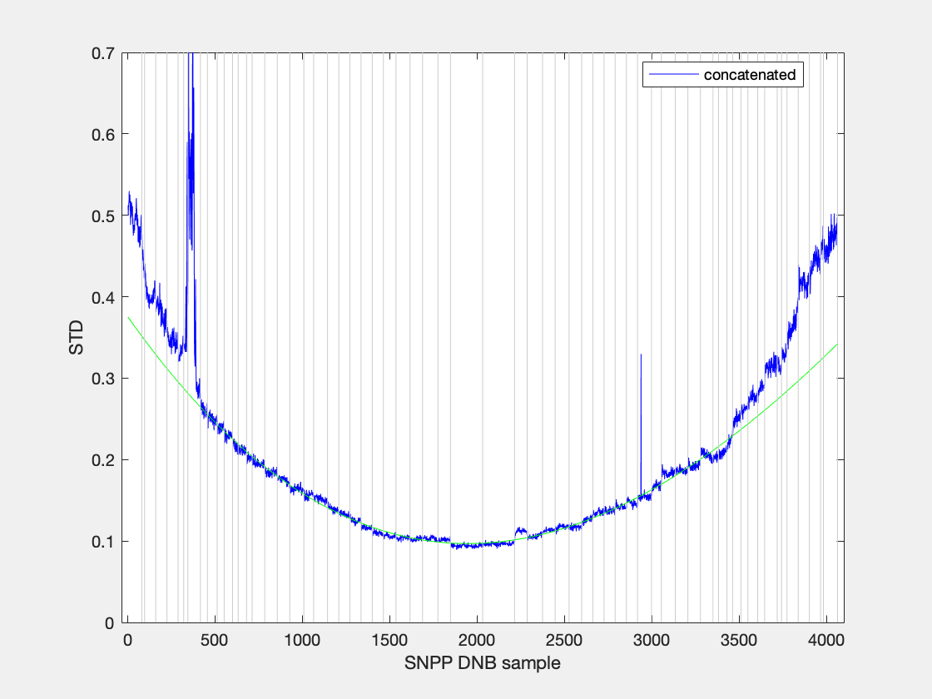
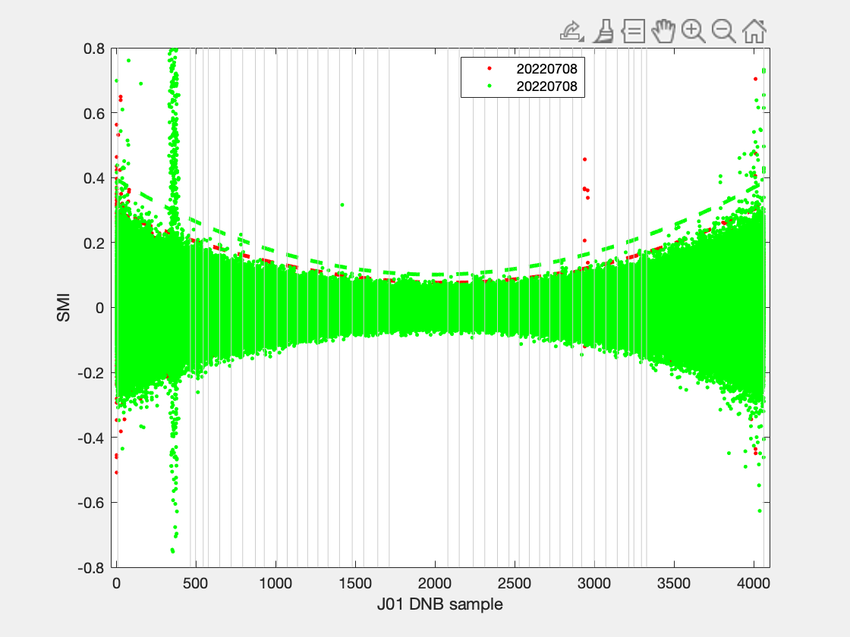
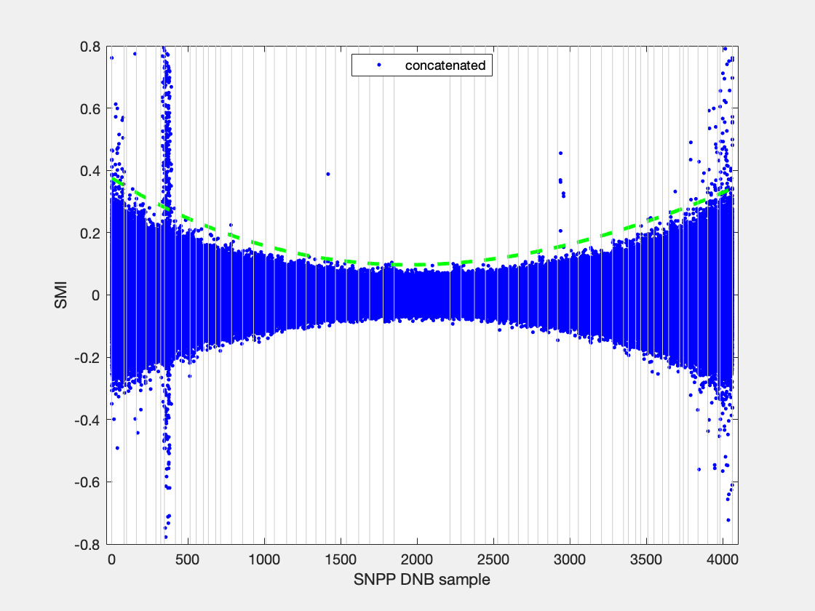
filename | granule_name | YMD | start_time | end_time | id | degree | coeff | ltrim | rtrim | SMI | null
SVDNB_npp_d20220708_t1028229_e1029471_b55417_c20220708155646366494_oeac_ops.h5 | npp_d20220708_t1028229_e1029471_b55417 | 20220708 | t1028229 | e1029471 | b55417_c20220708155646366494 | 3 | 3.9552e-08; -0.00019662; 0.29122; | 0 | 0 | 0.2 | 0
SVDNB_npp_d20220708_t1200507_e1202149_b55418_c20220708171941672567_oeac_ops.h5 | npp_d20220708_t1200507_e1202149_b55418 | 20220708 | t1200507 | e1202149 | b55418_c20220708171941672567 | 3 | 8.0912e-08; -0.00030136; 0.39485; | 0 | 0 | 0.2 | 0
SVDNB_npp_d20220708_t1028229_e1029471_b55417_c20220708155646366494_oeac_ops.h5 | npp_d20220708_t1028229_e1029471_b55417 | 20220708 | t1028229 | e1029471 | b55417_c20220708155646366494 | 3 | 3.9552e-08; -0.00019662; 0.29122; | 0 | 0 | 0.25 | 0
SVDNB_npp_d20220708_t1200507_e1202149_b55418_c20220708171941672567_oeac_ops.h5 | npp_d20220708_t1200507_e1202149_b55418 | 20220708 | t1200507 | e1202149 | b55418_c20220708171941672567 | 3 | 8.0912e-08; -0.00030136; 0.39485; | 0 | 0 | 0.25 | 0
SVDNB_npp_d20220708_t1028229_e1029471_b55417_c20220708155646366494_oeac_ops.h5 | npp_d20220708_t1028229_e1029471_b55417 | 20220708 | t1028229 | e1029471 | b55417_c20220708155646366494 | 3 | 3.9552e-08; -0.00019662; 0.29122; | 0 | 0 | 0.2 | 0
SVDNB_npp_d20220708_t1200507_e1202149_b55418_c20220708171941672567_oeac_ops.h5 | npp_d20220708_t1200507_e1202149_b55418 | 20220708 | t1200507 | e1202149 | b55418_c20220708171941672567 | 3 | 8.0912e-08; -0.00030136; 0.39485; | 0 | 0 | 0.2 | 0
SVDNB_npp_d20220708_t1028229_e1029471_b55417_c20220708155646366494_oeac_ops.h5 | npp_d20220708_t1028229_e1029471_b55417 | 20220708 | t1028229 | e1029471 | b55417_c20220708155646366494 | 3 | 3.9552e-08; -0.00019662; 0.29122; | 0 | 0 | 0.25 | 0
SVDNB_npp_d20220708_t1200507_e1202149_b55418_c20220708171941672567_oeac_ops.h5 | npp_d20220708_t1200507_e1202149_b55418 | 20220708 | t1200507 | e1202149 | b55418_c20220708171941672567 | 3 | 8.0912e-08; -0.00030136; 0.39485; | 0 | 0 | 0.25 | 0
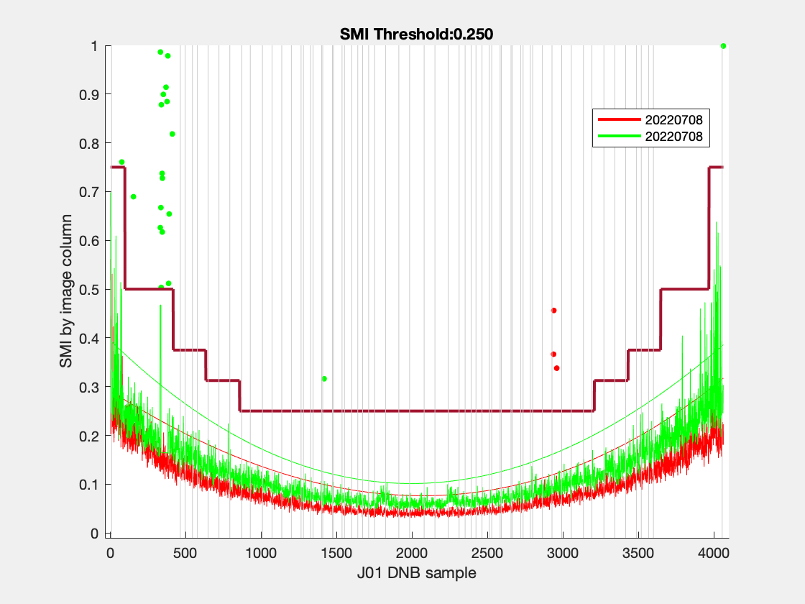
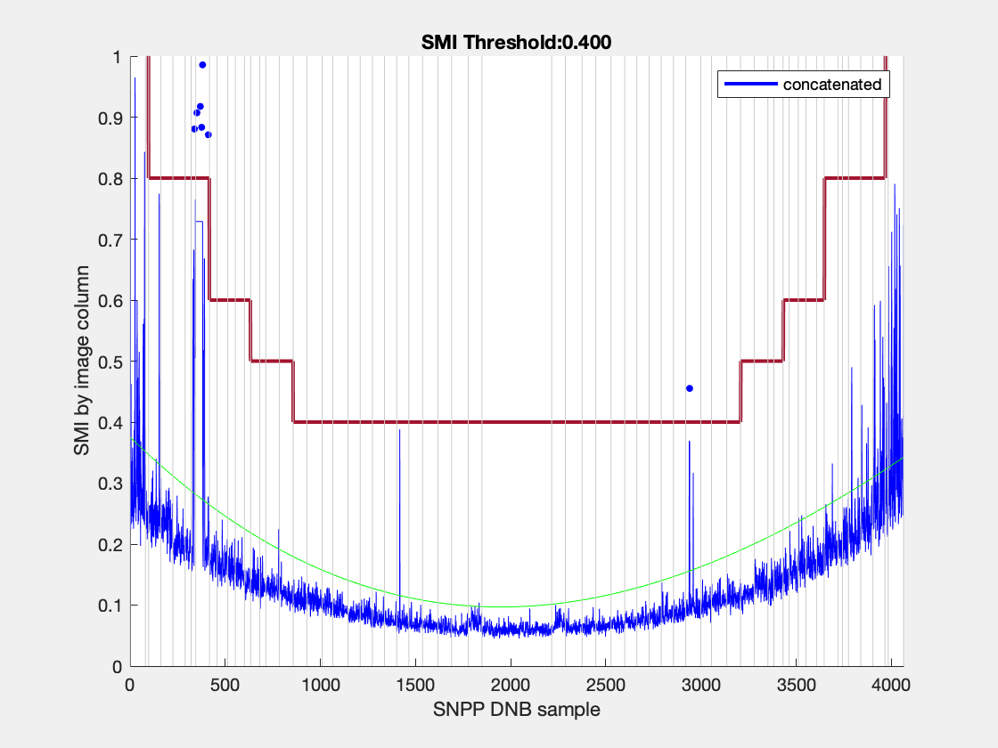
SVDNB_npp_d20220708_t1028229_e1029471_b55417_c20220708155646366494_oeac_ops.h5 | npp_d20220708_t1028229_e1029471_b55417 | 20220708 | t1028229 | e1029471 | b55417_c20220708155646366494 | 3 | 3.9552e-08; -0.00019662; 0.29122; | 0 | 0 | 0.25 | 0
SVDNB_npp_d20220708_t1200507_e1202149_b55418_c20220708171941672567_oeac_ops.h5 | npp_d20220708_t1200507_e1202149_b55418 | 20220708 | t1200507 | e1202149 | b55418_c20220708171941672567 | 3 | 8.0912e-08; -0.00030136; 0.39485; | 0 | 0 | 0.25 | 0

202208
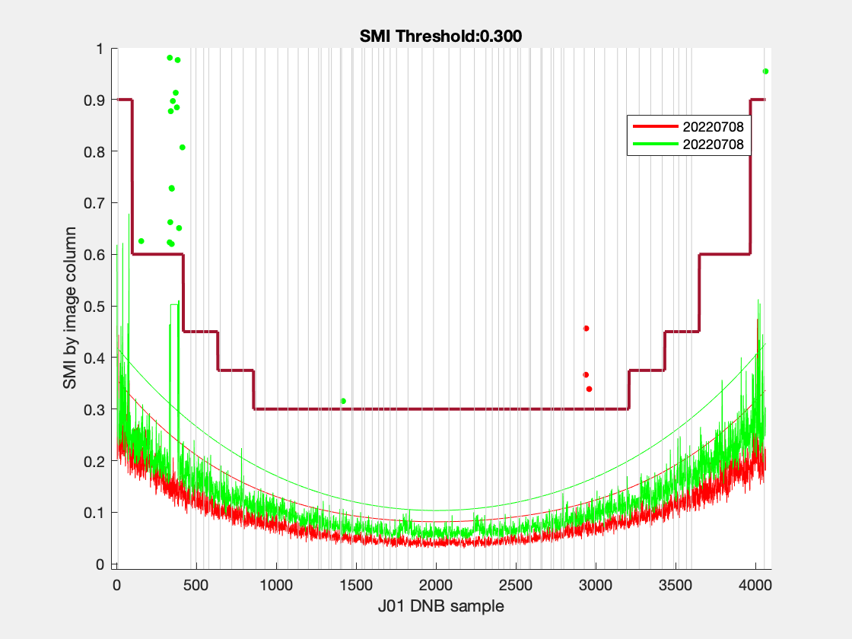
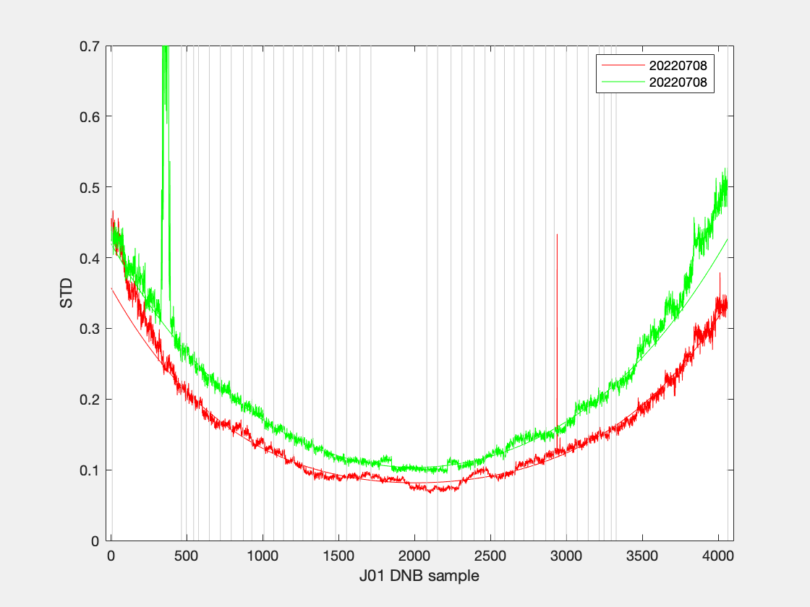
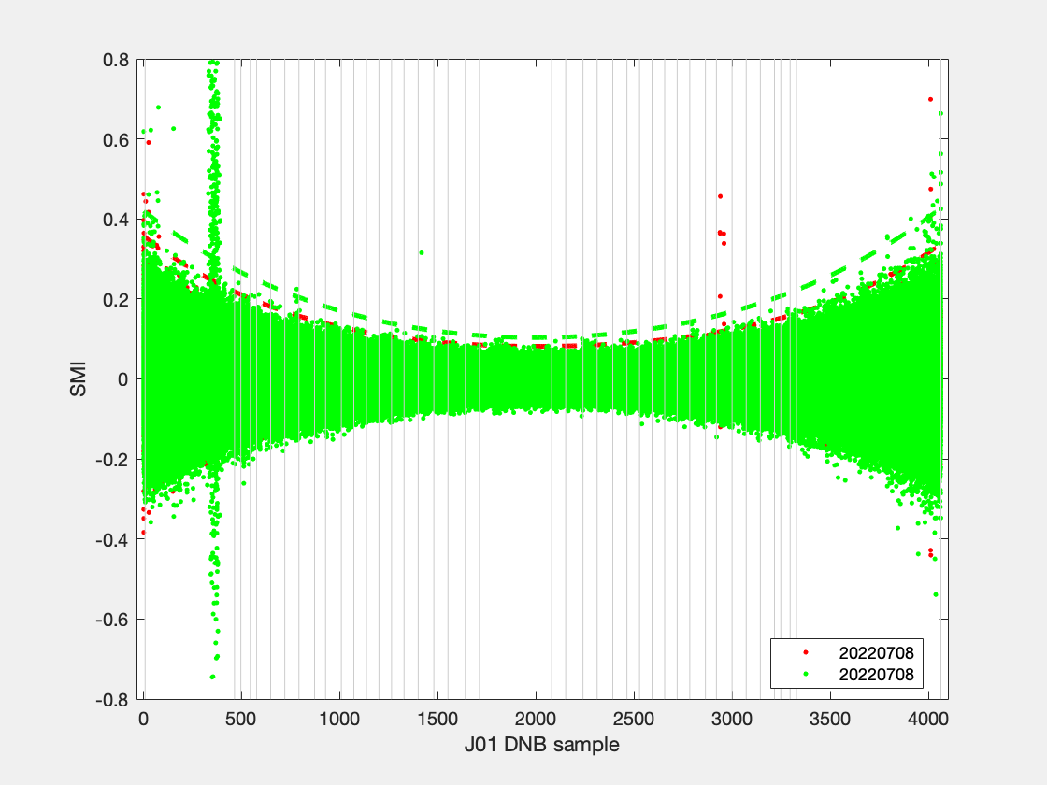
filename | granule_name | YMD | start_time | end_time | id | degree | coeff | ltrim | rtrim | SMI | null

202201
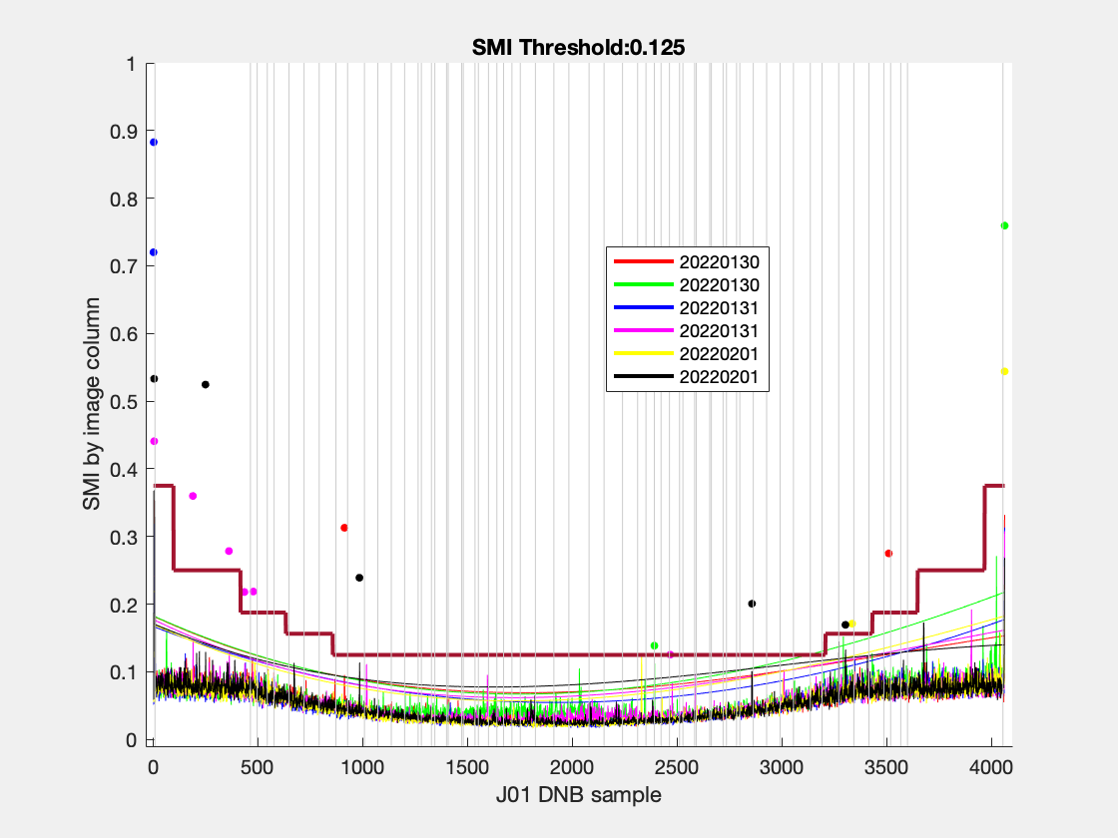
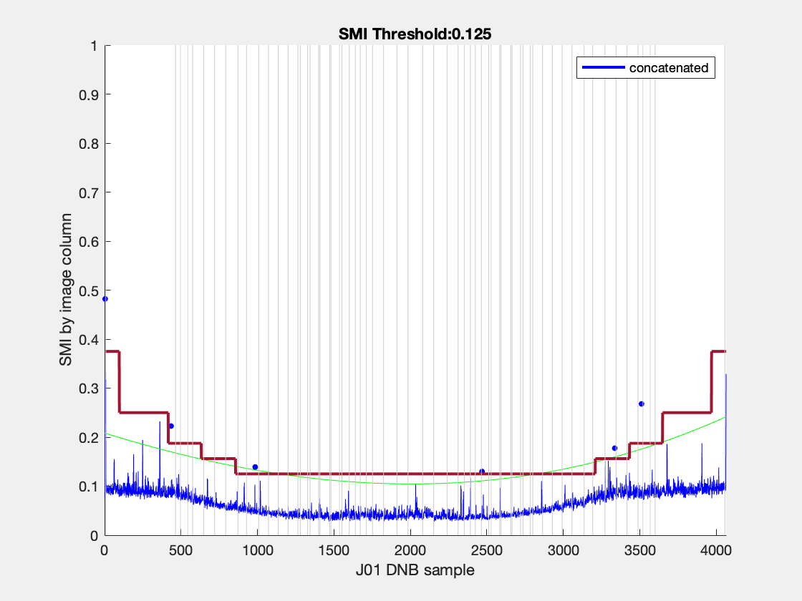
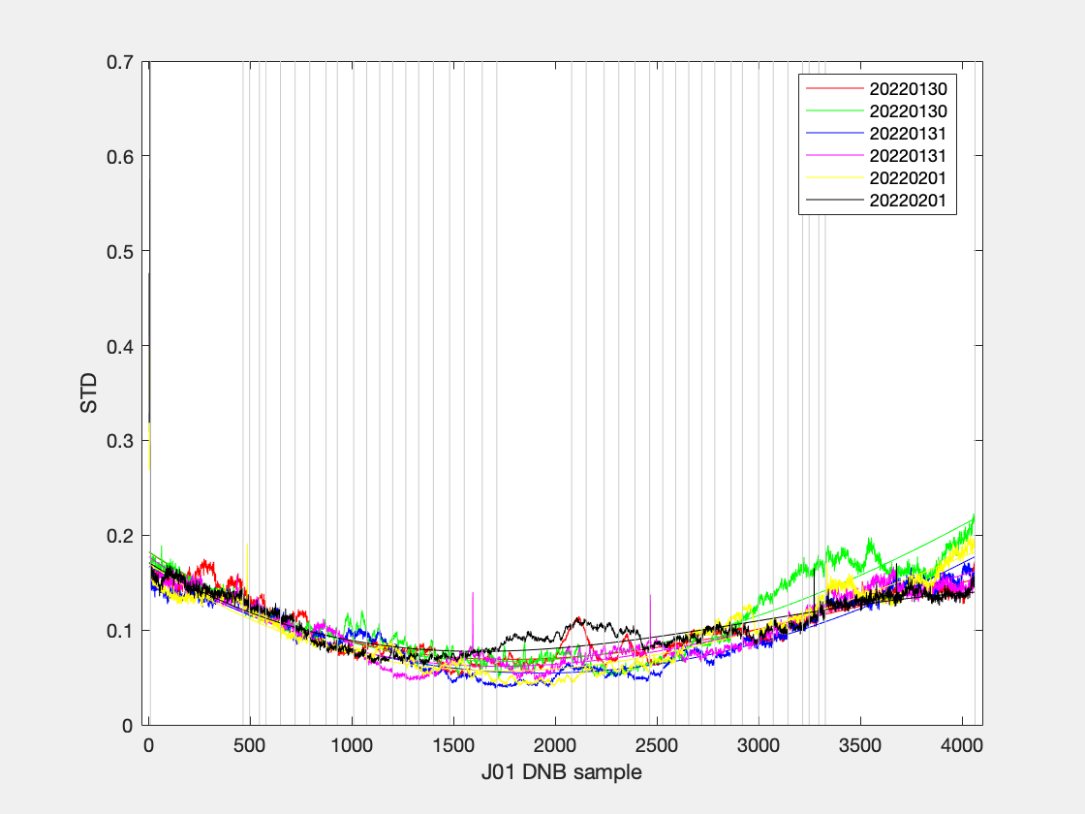
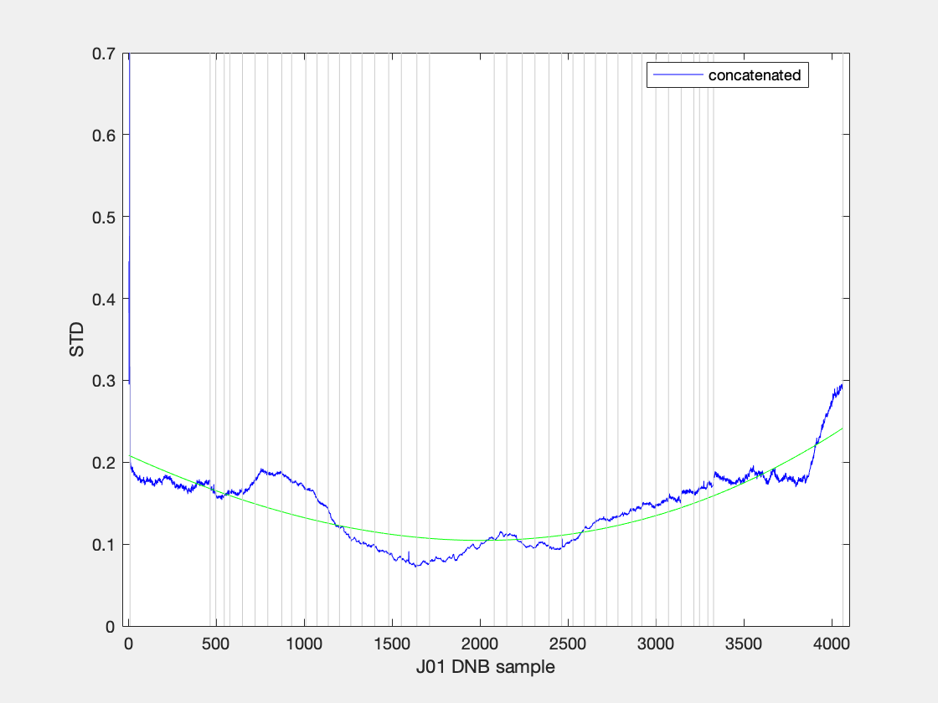
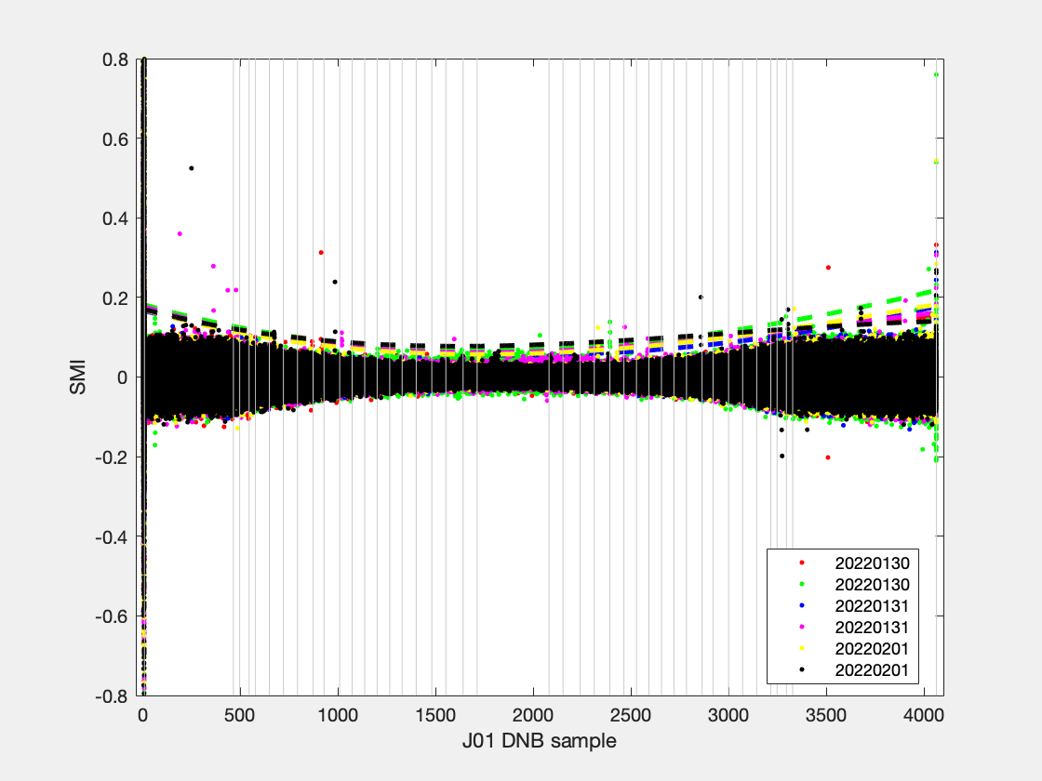
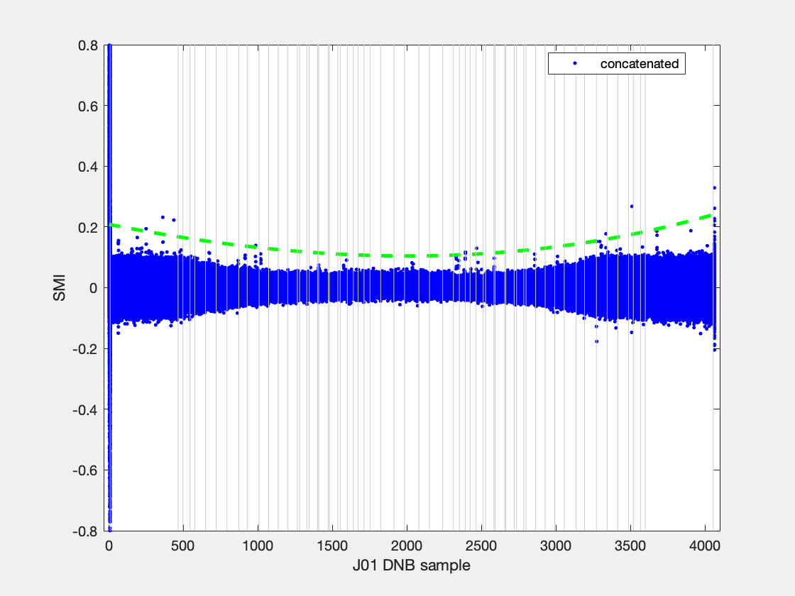
filename | granule_name | YMD | start_time | end_time | id | degree | coeff | ltrim | rtrim | SMI | null
SVDNB_j01_d20220130_t1233389_e1235035_b21766_c20220130132012193886_oecc_ops.h5 | j01_d20220130_t1233389_e1235035_b21766 | 20220130 | t1233389 | e1235035 | b21766_c20220130132012193886 | 3 | 5.3424e-08; -0.00014314; 0.18226; | 0 | 0 | 0.125 | 0
SVDNB_j01_d20220130_t1411475_e1413121_b21767_c20220130150056413695_oecc_ops.h5 | j01_d20220130_t1411475_e1413121_b21767 | 20220130 | t1411475 | e1413121 | b21767_c20220130150056413695 | 3 | 4.6634e-08; -0.00014015; 0.18271; | 0 | 0 | 0.125 | 0
SVDNB_j01_d20220131_t1213181_e1214426_b21780_c20220131124928108109_oecc_ops.h5 | j01_d20220131_t1213181_e1214426_b21780 | 20220131 | t1213181 | e1214426 | b21780_c20220131124928108109 | 3 | 3.3751e-08; -0.00012011; 0.16702; | 0 | 0 | 0.125 | 0
SVDNB_j01_d20220131_t1352524_e1354170_b21781_c20220131143939382775_oecc_ops.h5 | j01_d20220131_t1352524_e1354170_b21781 | 20220131 | t1352524 | e1354170 | b21781_c20220131143939382775 | 3 | 5.6427e-08; -0.0001492; 0.17731; | 0 | 0 | 0.125 | 0
SVDNB_j01_d20220201_t1154230_e1155475_b21794_c20220201124216268100_oecc_ops.h5 | j01_d20220201_t1154230_e1155475_b21794 | 20220201 | t1154230 | e1155475 | b21794_c20220201124216268100 | 3 | 5.0343e-08; -0.00014159; 0.16999; | 0 | 0 | 0.125 | 0
SVDNB_j01_d20220201_t1333573_e1335218_b21795_c20220201142258312243_oecc_ops.h5 | j01_d20220201_t1333573_e1335218_b21795 | 20220201 | t1333573 | e1335218 | b21795_c20220201142258312243 | 3 | 5.5514e-08; -0.00013151; 0.17102; | 0 | 0 | 0.125 | 0
concatenated |  | 0 |  |  | 0 | 0 | 1.9347e-08; -9.7116e-05; 0.20844; | 0 | 0 | 0 | 0

