20211104
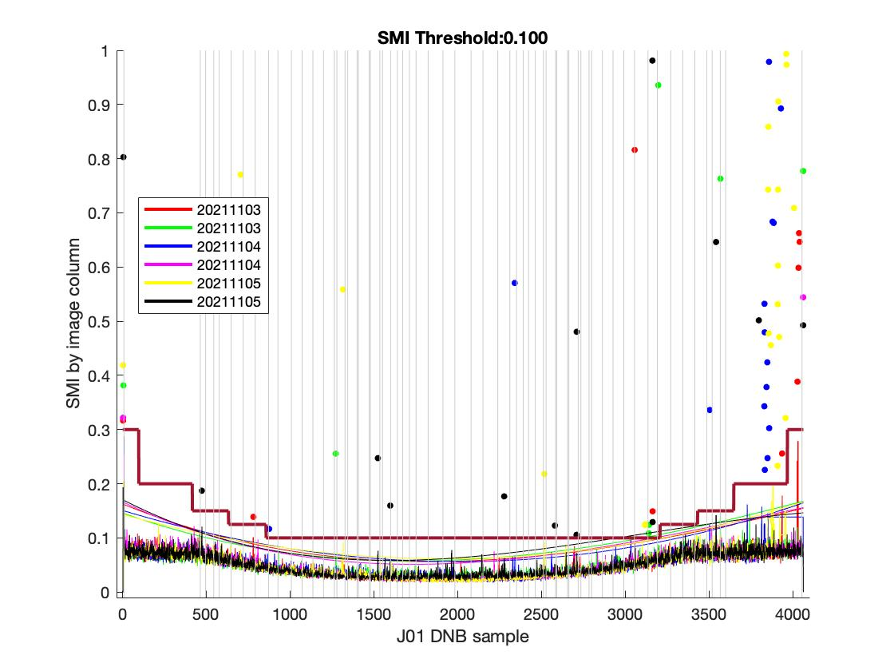
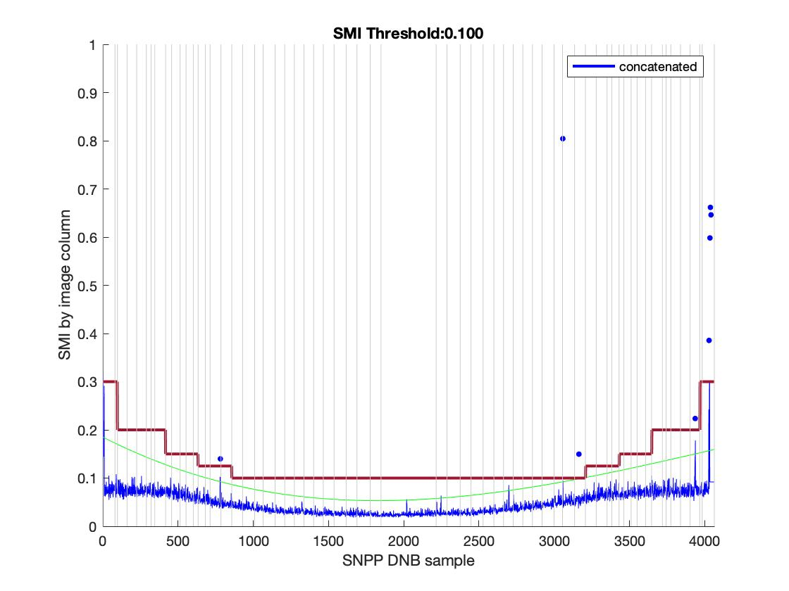
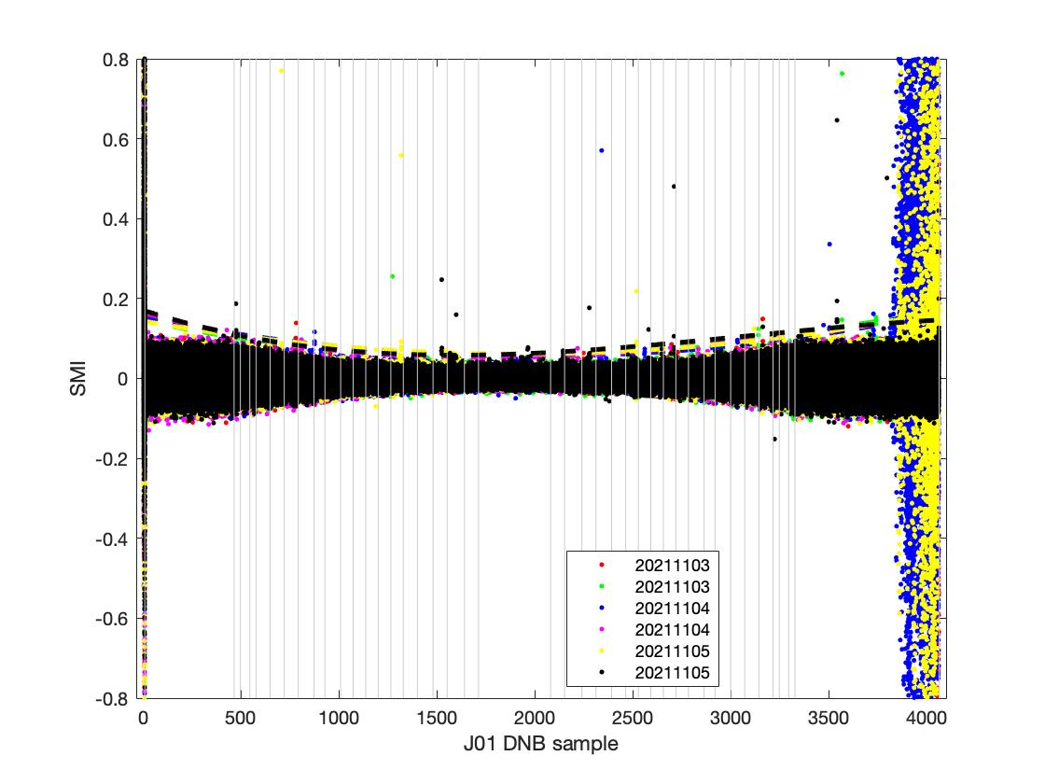
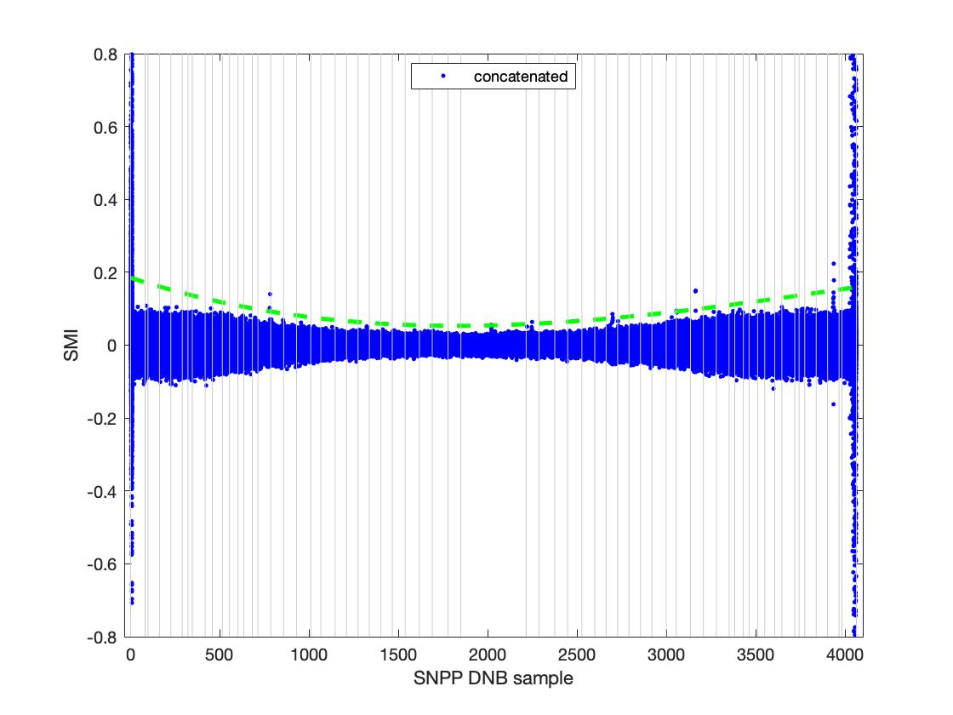
Sat_type | YMD | Start_time | End_time | id | Degree | Coeff | Trimming needed? | Suggested SMI
SVDNB_j01_d20211103_t1141521_e1143166_b20517_c20211103123040694218_oeac_ops.h5 | 20211103 | t1141521 | e1143166 | b20517_c20211103123040694218 | 3 | 4.2629e-08; -0.00012625; 0.16274; | None | 0.1
SVDNB_j01_d20211103_t1322522_e1324167_b20518_c20211103135857235291_oeac_ops.h5 | 20211103 | t1322522 | e1324167 | b20518_c20211103135857235291 | 3 | 3.7785e-08; -0.00010957; 0.14604;
SVDNB_j01_d20211104_t1122570_e1124215_b20531_c20211104121138391433_oeac_ops.h5 | 20211104 | t1122570 | e1124215 | b20531_c20211104121138391433 | 3 | 2.1758e-08; -9.2613e-05; 0.15069;
SVDNB_j01_d20211104_t1305211_e1306456_b20532_c20211104135250660569_oeac_ops.h5 | 20211104 | t1305211 | e1306456 | b20532_c20211104135250660569 | 3 | 5.4693e-08; -0.00014712; 0.16652;
SVDNB_j01_d20211105_t1105259_e1106504_b20545_c20211105114221215058_oebc_ops.h5 | 20211105 | t1105259 | e1106504 | b20545_c20211105114221215058 | 3 | 2.1857e-08; -8.5102e-05; 0.14358;
SVDNB_j01_d20211105_t1245003_e1246248_b20546_c20211105133316027056_oebc_ops.h5 | 20211105 | t1245003 | e1246248 | b20546_c20211105133316027056 | 3 | 6.7509e-08; -0.00015948; 0.17072;
20211104 concatenated |  |  |  |  |  | 0; -0.0002; 0.1850;

20211204
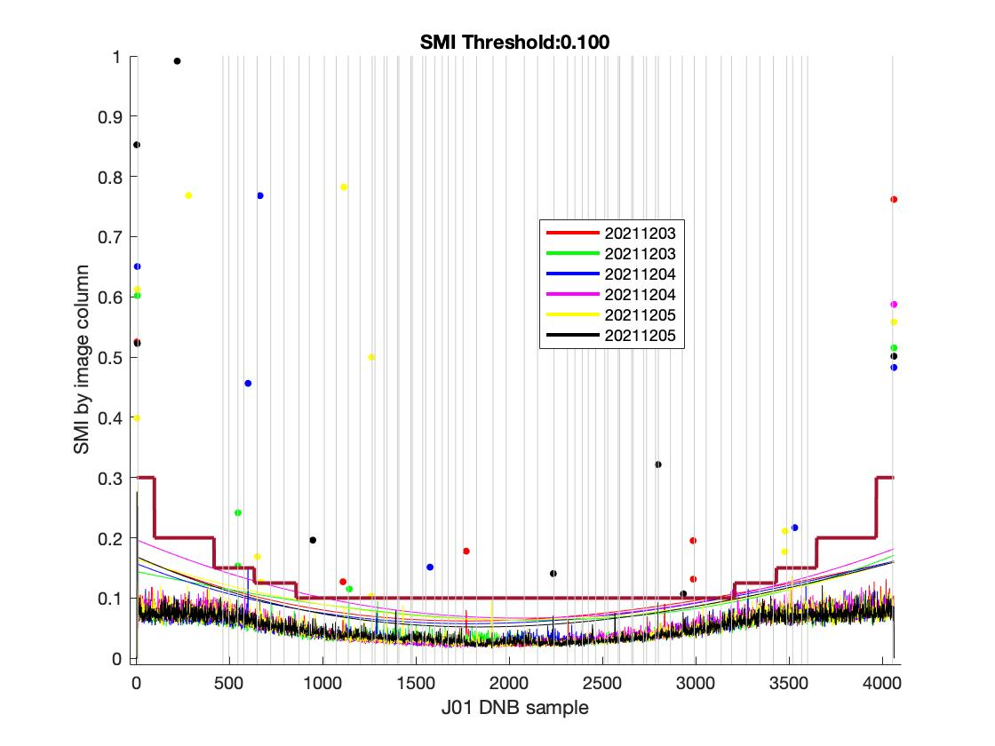
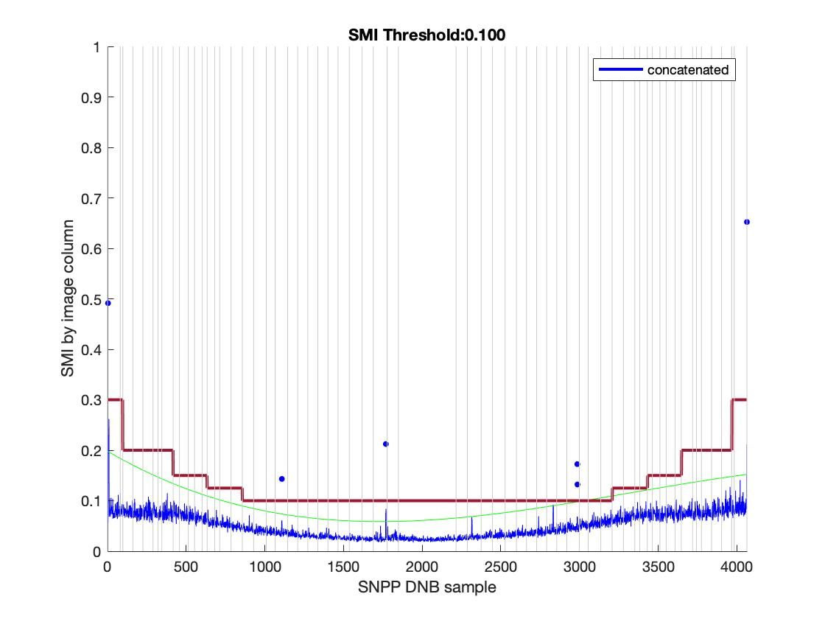
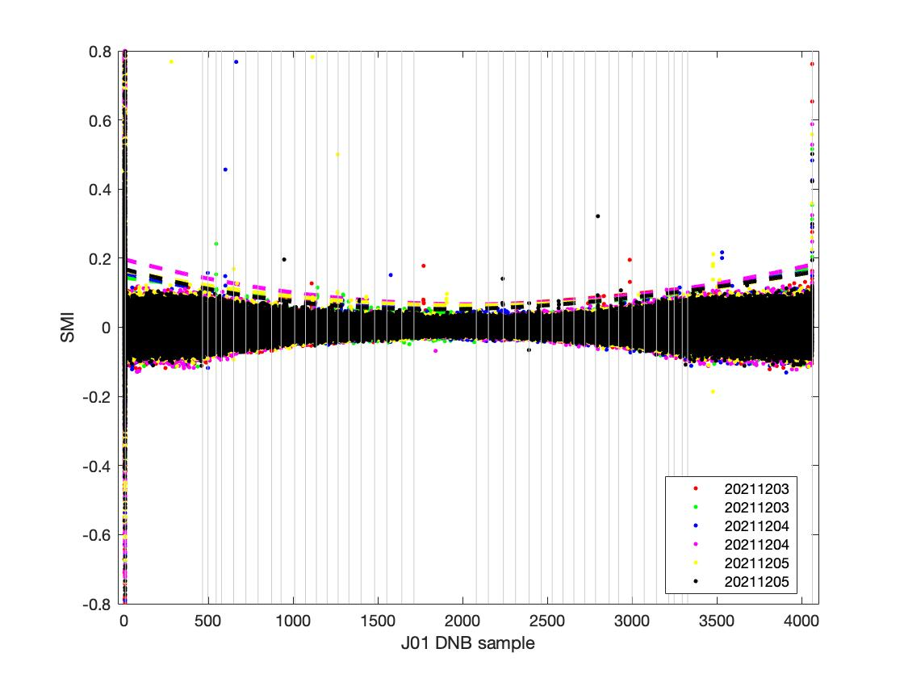
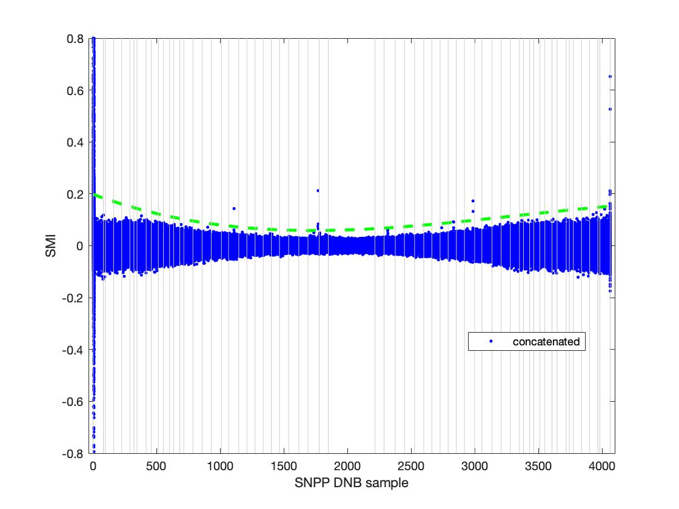
Sat_type | YMD | Start_time | End_time | id | Degree | Coeff | Trimming needed? | Suggested SMI
SVDNB_j01_d20211203_t1359454_e1401100_b20944_c20211203144917344037_oeac_ops.h5 | 20211203 | t1359454 | e1401100 | b20944_c20211203144917344037 | 3 | 4.6604e-08; -0.00013118; 0.16829; | None | 0.1
SVDNB_j01_d20211203_t1221351_e1222596_b20943_c20211203125632084533_oeac_ops.h5 | 20211203 | t1221351 | e1222596 | b20943_c20211203125632084533 | 3 | 6.1115e-09; -6.3454e-05; 0.14395;
SVDNB_j01_d20211204_t1202400_e1204045_b20957_c20211204124903332435_oeac_ops.h5 | 20211204 | t1202400 | e1204045 | b20957_c20211204124903332435 | 3 | 4.1431e-08; -0.00012079; 0.1571;
SVDNB_j01_d20211204_t1342143_e1343388_b20958_c20211204142935834354_oeac_ops.h5 | 20211204 | t1342143 | e1343388 | b20958_c20211204142935834354 | 3 | 3.2828e-08; -0.00012865; 0.19685;
SVDNB_j01_d20211205_t1142191_e1143436_b20971_c20211205122954160028_oeac_ops.h5 | 20211205 | t1142191 | e1143436 | b20971_c20211205122954160028 | 3 | 2.5426e-08; -0.00010014; 0.16438;
SVDNB_j01_d20211205_t1143449_e1145094_b20971_c20211205123008669172_oeac_ops.h5 | 20211205 | t1143449 | e1145094 | b20971_c20211205123008669172 | 3 | 4.6859e-08; -0.00013864; 0.16885;
20211204 concatenated |  |  |  |  |  | 0; -0.0002; 0.1981;

20220102
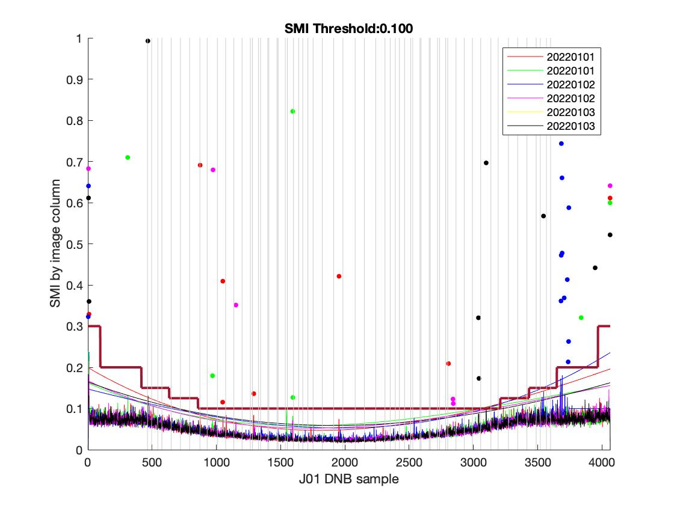
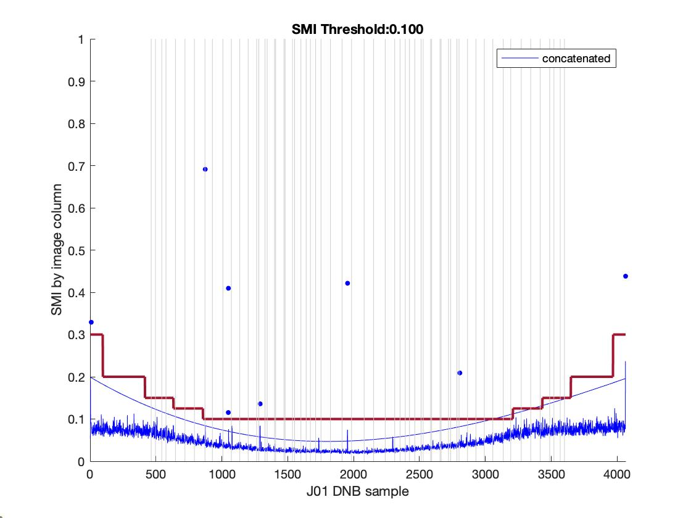
Sat_type | YMD | Start_time | End_time | id | Degree | Coeff | Trimming needed? | Suggested SMI
SVDNB_j01_d20220101_t1136251_e1137496_b21354_c20220101122349316554_oeac_ops.h5 | 20220101 | t1136251 | e1137496 | b21354_c20220101122349316554 | 3 | 6.2946e-08; -0.00018373; 0.19949; | None | 0.1
SVDNB_j01_d20220101_t1315594_e1317239_b21355_c20220101140502951468_oeac_ops.h5 | 20220101 | t1315594 | e1317239 | b21355_c20220101140502951468 | 3 | 5.3644e-08; -0.00013819; 0.16219;
SVDNB_j01_d20220102_t1116042_e1117287_b21368_c20220102120610323500_oeac_ops.h5 | 20220102 | t1116042 | e1117287 | b21368_c20220102120610323500 | 3 | 7.7838e-09; -7.9809e-05; 0.14733;
SVDNB_j01_d20220102_t1257043_e1258288_b21369_c20220102134718014180_oeac_ops.h5 | 20220102 | t1257043 | e1258288 | b21369_c20220102134718014180 | 3 | 5.5489e-08; -0.00014796; 0.16747;
SVDNB_j01_d20220103_t1239332_e1240577_b21383_c20220103133420759046_oeac_ops.h5 | 20220103 | t1239332 | e1240577 | b21383_c20220103133420759046 | 3 | 3.4641e-08; -0.00011583; 0.16452;
SVDNB_j01_d20220103_t1239332_e1240577_b21383_c20220103133420759046_oeac_ops.h5 | 20220103 | t1239332 | e1240577 | b21383_c20220103133420759046 | 3 | 3.4641e-08; -0.00011583; 0.16452;
20220102 concatenated |  |  |  |  |  | 0; -0.0002; 0.1994;

20220131
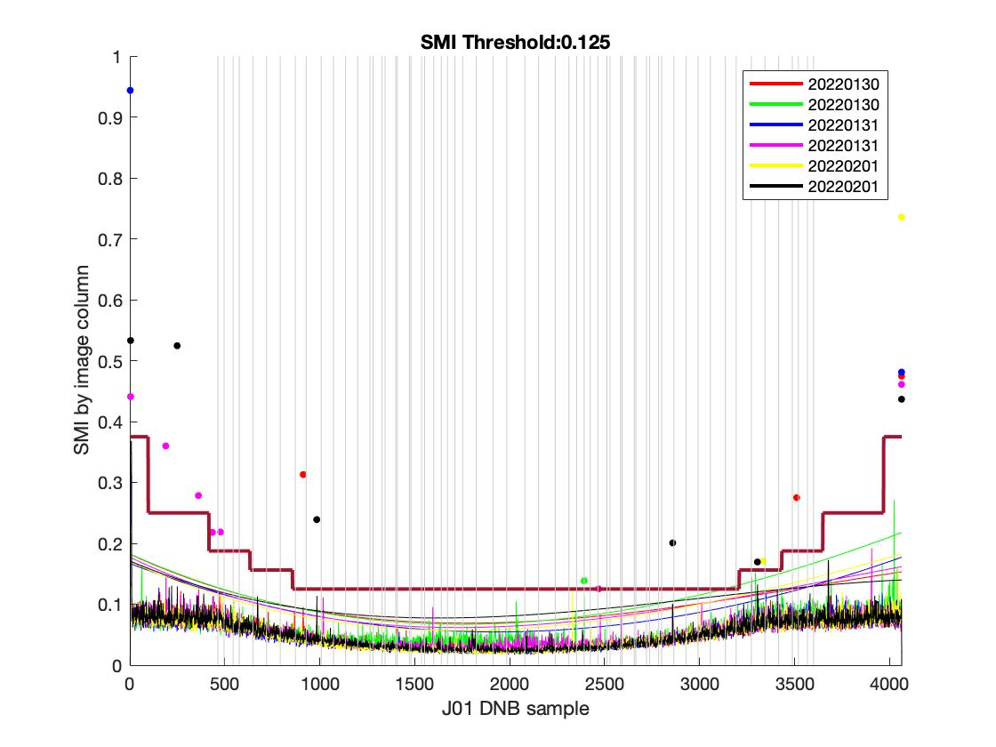
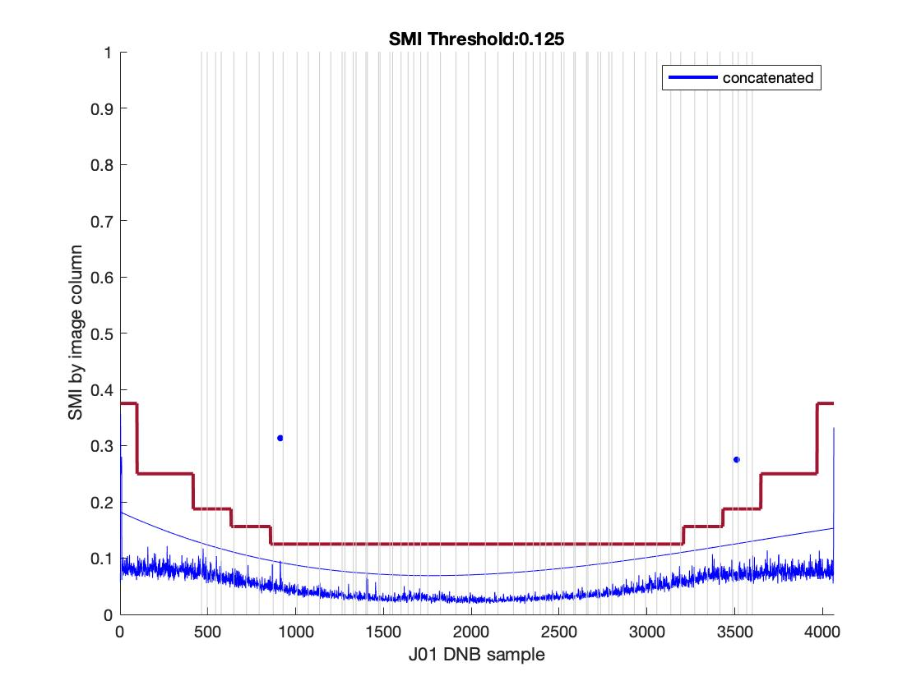
H5_Filename | YMD | Start_time | End_time | id | Degree | Coeff | Trimming needed? | Suggested SMI
SVDNB_j01_d20220130_t1233389_e1235035_b21766_c20220130132012193886_oecc_ops.h5 | 20220130 | t1233389 | e1235035 | b21766_c20220130132012193886 | 3 | 5.3424e-08; -0.00014314; 0.18226; | None | 0.125
SVDNB_j01_d20220130_t1411475_e1413121_b21767_c20220130150056413695_oecc_ops.h5 | 20220130 | t1411475 | e1413121 | b21767_c20220130150056413695 | 3 | 4.6634e-08; -0.00014015; 0.18271;
SVDNB_j01_d20220131_t1213181_e1214426_b21780_c20220131124928108109_oecc_ops.h5 | 20220131 | t1213181 | e1214426 | b21780_c20220131124928108109 | 3 | 3.3751e-08; -0.00012011; 0.16702;
SVDNB_j01_d20220131_t1352524_e1354170_b21781_c20220131143939382775_oecc_ops.h5 | 20220131 | t1352524 | e1354170 | b21781_c20220131143939382775 | 3 | 5.6427e-08; -0.0001492; 0.17731;
SVDNB_j01_d20220201_t1154230_e1155475_b21794_c20220201124216268100_oecc_ops.h5 | 20220201 | t1154230 | e1155475 | b21794_c20220201124216268100 | 3 | 5.0343e-08; -0.00014159; 0.16999;
SVDNB_j01_d20220201_t1333573_e1335218_b21795_c20220201142258312243_oecc_ops.h5 | 20220201 | t1333573 | e1335218 | b21795_c20220201142258312243 | 3 | 5.5514e-08; -0.00013151; 0.17102;
20220131 concatenated |  |  |  |  |  | 0; -0.0001; 0.1822;

