20220102
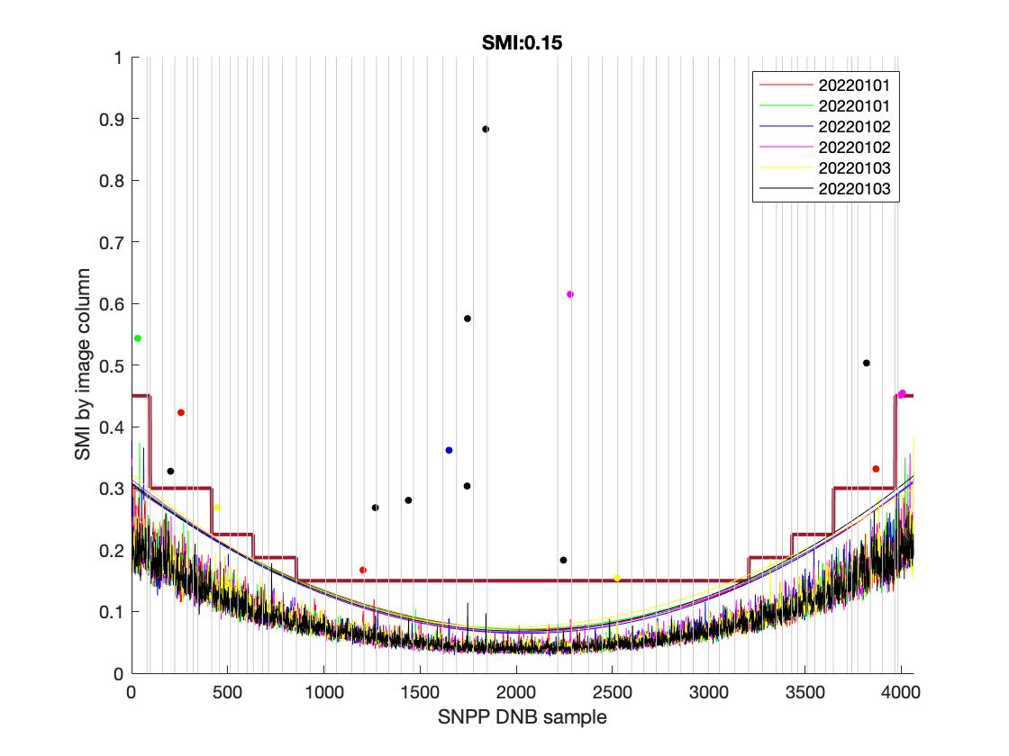
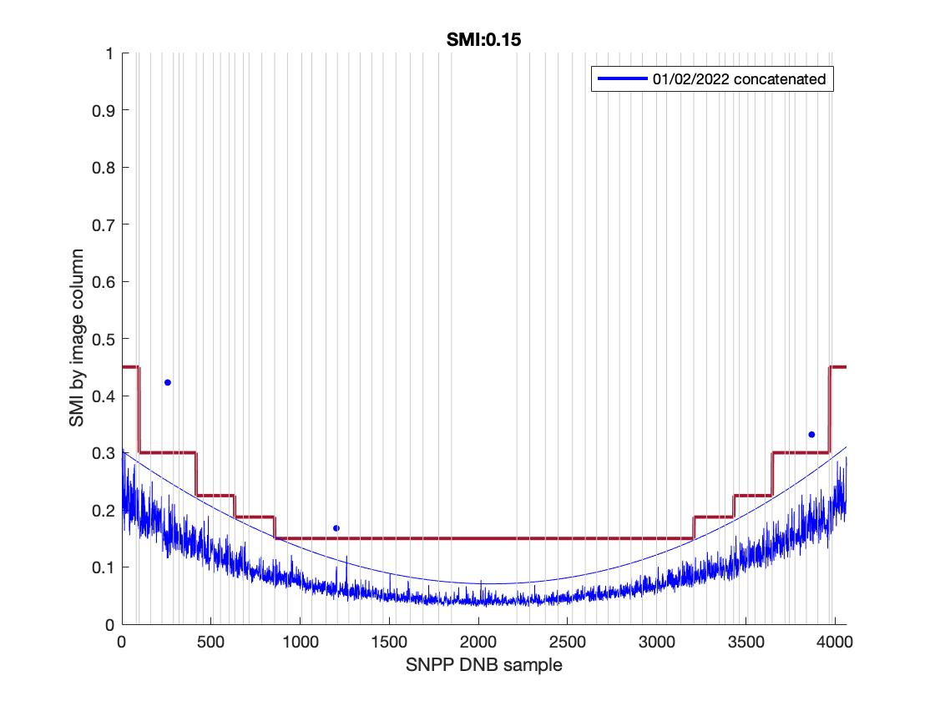
Sat_type | YMD | Start_time | End_time | id | Degree | Coeff | Trimming needed? | Suggested SMI
SVDNB_npp_d20220101_t1227373_e1229015_b52751_c20220101135919815350_oeac_ops.h5 | 20220101 | t1227373 | e1229015 | b52751_c20220101135919815350 | 3 | 4.8062e-08; -0.00021814; 0.30308; | None | 0.15
SVDNB_npp_d20220101_t1229027_e1230269_b52751_c20220101135930247739_oeac_ops.h5 | 20220101 | t1229027 | e1230269 | b52751_c20220101135930247739 | 3 | 5.8685e-08; -0.0002357; 0.30977;
SVDNB_npp_d20220102_t1208417_e1210059_b52765_c20220102133735333026_oeac_ops.h5 | 20220102 | t1208417 | e1210059 | b52765_c20220102133735333026 | 3 | 5.594e-08; -0.00023469; 0.30619;
SVDNB_npp_d20220102_t1210071_e1211313_b52765_c20220102133738574499_oeac_ops.h5 | 20220102 | t1210071 | e1211313 | b52765_c20220102133738574499 | 3 | 6.3429e-08; -0.0002482; 0.31435;
SVDNB_npp_d20220103_t1149461_e1151103_b52779_c20220103131859786079_oeac_ops.h5 | 20220103 | t1149461 | e1151103 | b52779_c20220103131859786079 | 3 | 8.082e-08; -0.00027091; 0.32371;
SVDNB_npp_d20220103_t1151115_e1152357_b52779_c20220103131905249495_oeac_ops.h5 | 20220103 | t1151115 | e1152357 | b52779_c20220103131905249495 | 3 | 5.6771e-08; -0.00023519; 0.30811;
20220102 concatenated |  |  |  |  |  | 0; -0.0002; 0.3029;

20220131
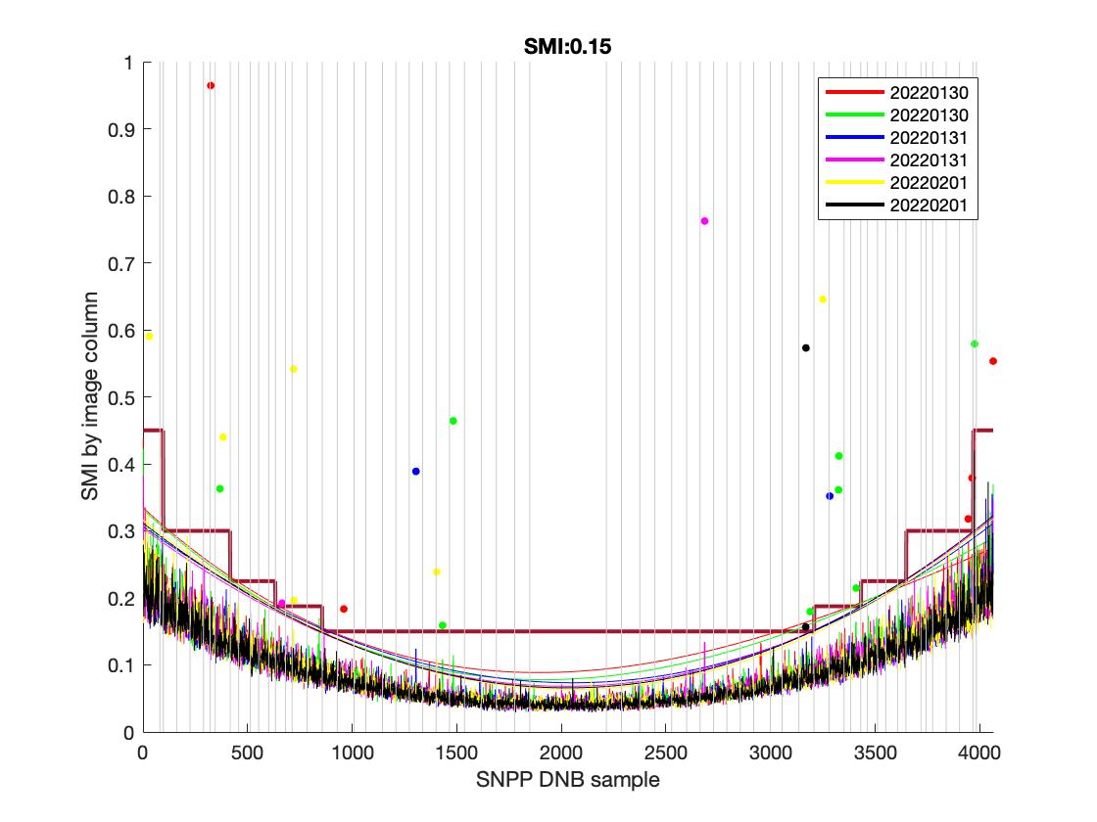
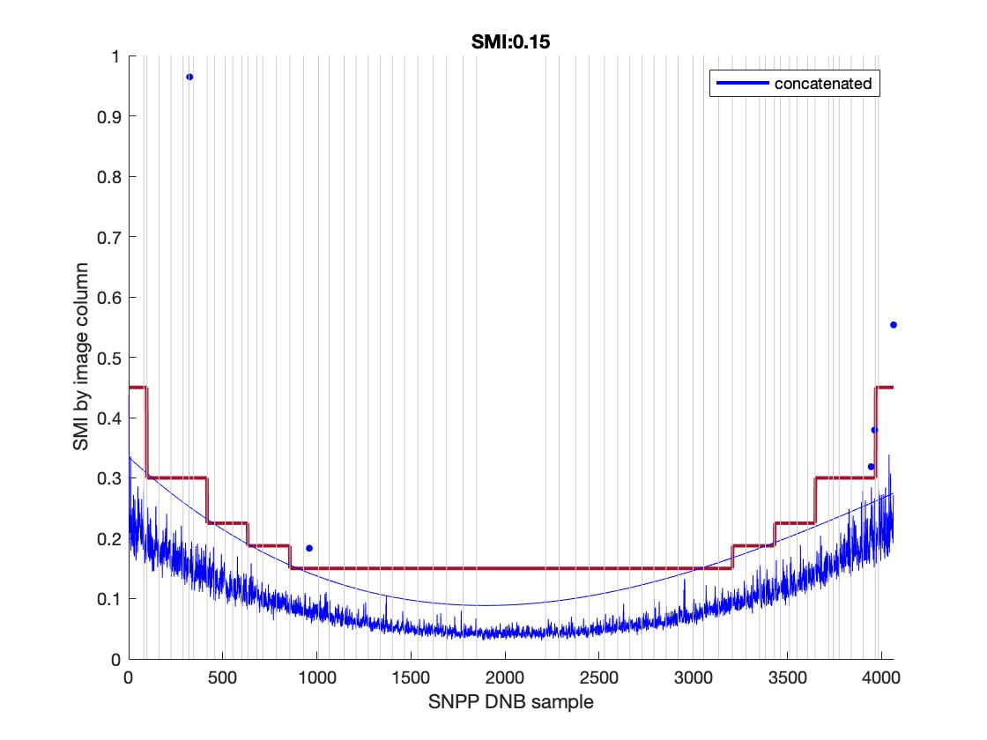
H5_Filename | YMD | Start_time | End_time | id | Degree | Coeff | Trimming needed? | Suggested SMI
SVDNB_npp_d20220130_t1322003_e1323245_b53163_c20220130145235164800_oecc_ops.h5 | 20220130 | t1322003 | e1323245 | b53163_c20220130145235164800 | 3 | 9.5939e-08; -0.00028578; 0.33462; | None | 0.15
SVDNB_npp_d20220130_t1323257_e1324499_b53163_c20220130145238616947_oecc_ops.h5 | 20220130 | t1323257 | e1324499 | b53163_c20220130145238616947 | 3 | 9.1928e-08; -0.00028699; 0.33176;
SVDNB_npp_d20220131_t1124553_e1126195_b53176_c20220131125310571942_oecc_ops.h5 | 20220131 | t1124553 | e1126195 | b53176_c20220131125310571942 | 3 | 5.1885e-08; -0.00022382; 0.30689;
SVDNB_npp_d20220131_t1304301_e1305543_b53177_c20220131143329630254_oecc_ops.h5 | 20220131 | t1304301 | e1305543 | b53177_c20220131143329630254 | 3 | 5.459e-08; -0.00022999; 0.3039;
SVDNB_npp_d20220201_t1245345_e1246586_b53191_c20220201141409615747_oecc_ops.h5 | 20220201 | t1245345 | e1246586 | b53191_c20220201141409615747 | 3 | 5.795e-08; -0.0002444; 0.31618;
SVDNB_npp_d20220201_t1246599_e1248240_b53191_c20220201141408671427_oecc_ops.h5 | 20220201 | t1246599 | e1248240 | b53191_c20220201141408671427 | 3 | 5.7229e-08; -0.00023967; 0.31149;
20220131 concatenated |  |  |  |  |  | 0; -0.0003; 0.3344;

20220302
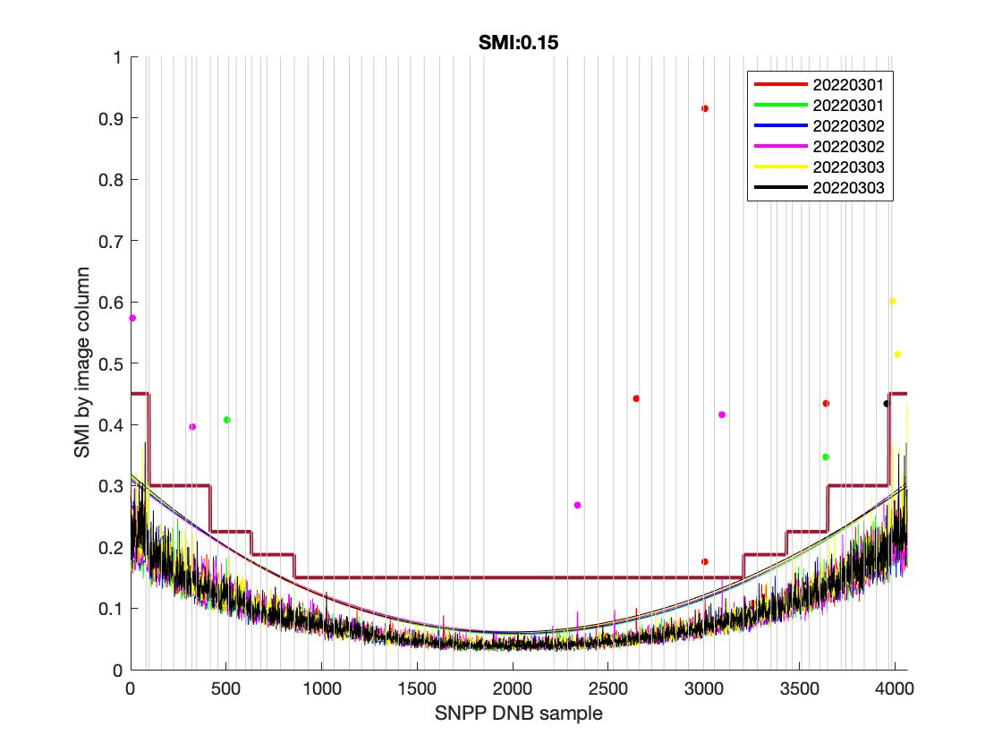
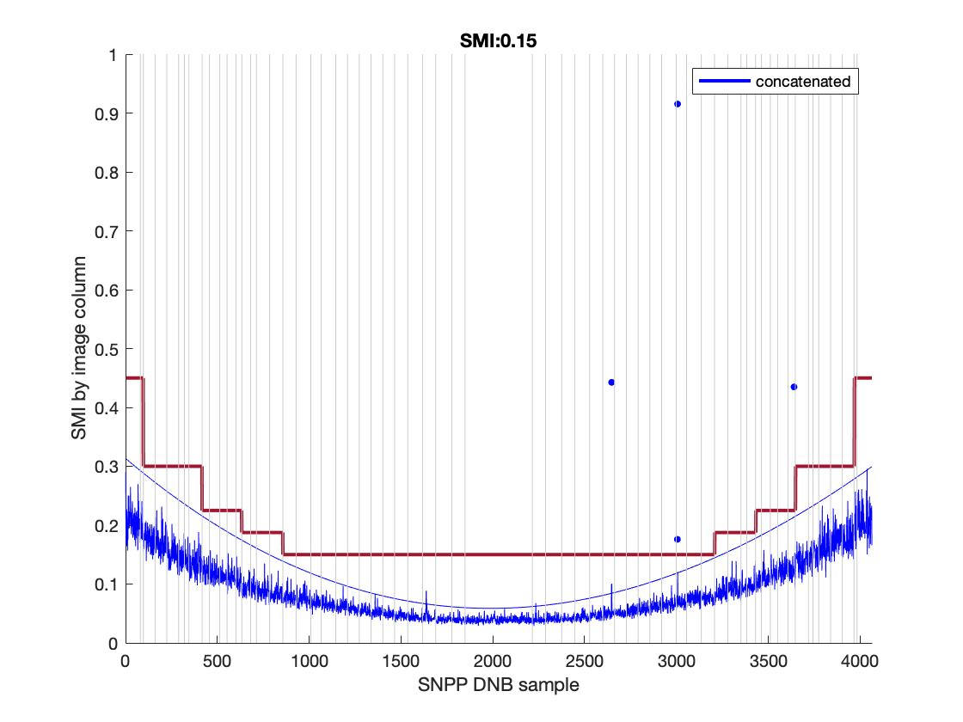
H5_Filename | YMD | Start_time | End_time | id | Degree | Coeff | Trimming needed? | Suggested SMI
SVDNB_npp_d20220301_t1220448_e1222090_b53588_c20220301135218783827_oebc_ops.h5 | 20220301 | t1220448 | e1222090 | b53588_c20220301135218783827 | 3 | 7.3003e-08; -0.00026488; 0.31358; | None | 0.15
SVDNB_npp_d20220301_t1222102_e1223344_b53588_c20220301135249202837_oebc_ops.h5 | 20220301 | t1222102 | e1223344 | b53588_c20220301135249202837 | 3 | 6.755e-08; -0.00025815; 0.31303;
SVDNB_npp_d20220302_t1201491_e1203133_b53602_c20220302134102828047_oebc_ops.h5 | 20220302 | t1201491 | e1203133 | b53602_c20220302134102828047 | 3 | 6.341e-08; -0.00025049; 0.31058;
SVDNB_npp_d20220302_t1341239_e1342481_b53603_c20220302151910111086_oebc_ops.h5 | 20220302 | t1341239 | e1342481 | b53603_c20220302151910111086 | 3 | 6.4594e-08; -0.00024848; 0.30821;
SVDNB_npp_d20220303_t1142535_e1144177_b53616_c20220303131650921406_oebc_ops.h5 | 20220303 | t1142535 | e1144177 | b53616_c20220303131650921406 | 3 | 7.4031e-08; -0.00026666; 0.31679;
SVDNB_npp_d20220303_t1144189_e1145431_b53616_c20220303131650070380_oebc_ops.h5 | 20220303 | t1144189 | e1145431 | b53616_c20220303131650070380 | 3 | 7.8079e-08; -0.00027331; 0.3191;
20220131 concatenated |  |  |  |  |  | 0; -0.0003; 0.3144;

20220401
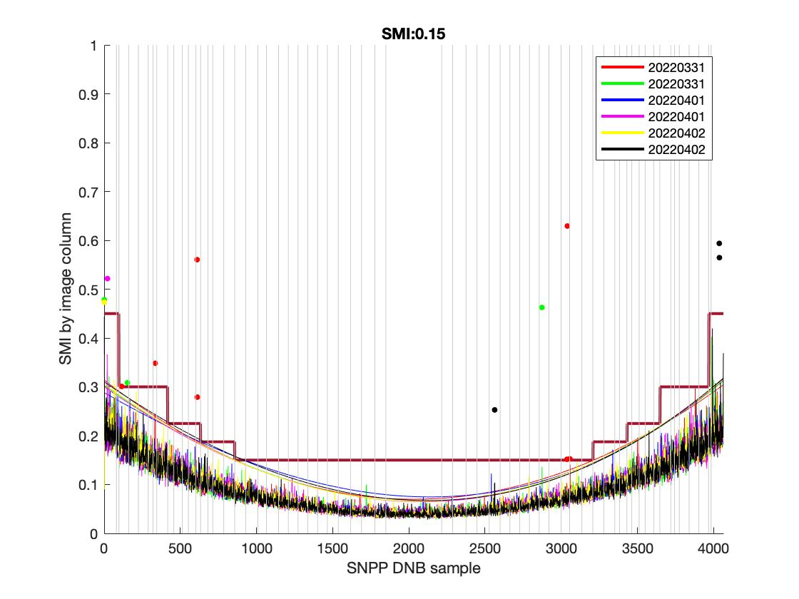
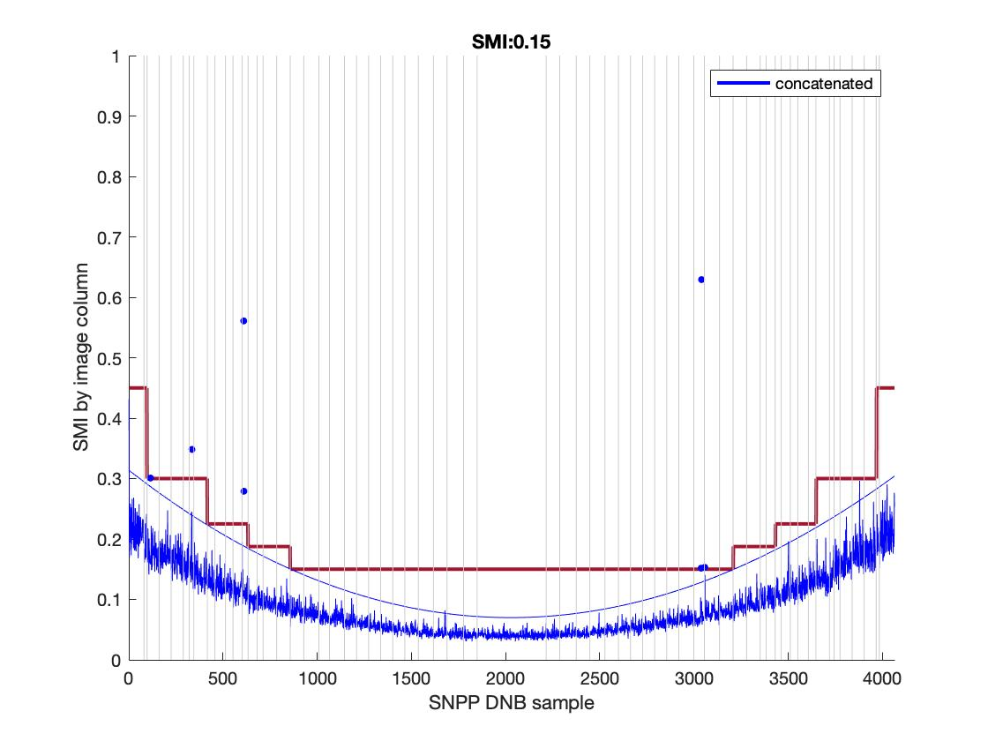
H5_Filename | YMD | Start_time | End_time | id | Degree | Coeff | Trimming needed? | Suggested SMI
SVDNB_npp_d20220331_t1257380_e1259022_b54014_c20220331142714780954_oeac_ops.h5 | 20220331 | t1257380 | e1259022 | b54014_c20220331142714780954 | 3 | 6.233e-08; -0.00024383; 0.31409; | No | 0.15
SVDNB_npp_d20220331_t1259034_e1300276_b54014_c20220331142716335151_oeac_ops.h5 | 20220331 | t1259034 | e1300276 | b54014_c20220331142716335151 | 3 | 4.6427e-08; -0.00021959; 0.30293;
SVDNB_npp_d20220401_t1238424_e1240065_b54028_c20220401140803465564_oeac_ops.h5 | 20220401 | t1238424 | e1240065 | b54028_c20220401140803465564 | 3 | 2.7246e-08; -0.0001789; 0.28824;
SVDNB_npp_d20220401_t1240078_e1241319_b54028_c20220401140835259180_oeac_ops.h5 | 20220401 | t1240078 | e1241319 | b54028_c20220401140835259180 | 3 | 4.468e-08; -0.00021595; 0.30015;
SVDNB_npp_d20220402_t1219467_e1221109_b54042_c20220402134940754550_oeac_ops.h5 | 20220402 | t1219467 | e1221109 | b54042_c20220402134940754550 | 3 | 4.9491e-08; -0.00022489; 0.30511;
SVDNB_npp_d20220402_t1221121_e1222363_b54042_c20220402135022895476_oeac_ops.h5 | 20220402 | t1221121 | e1222363 | b54042_c20220402135022895476 | 3 | 4.0937e-08; -0.0002153; 0.31042;
20220401 concatenated |  |  |  |  |  | 0; -0.0002; 0.3139;

20220430
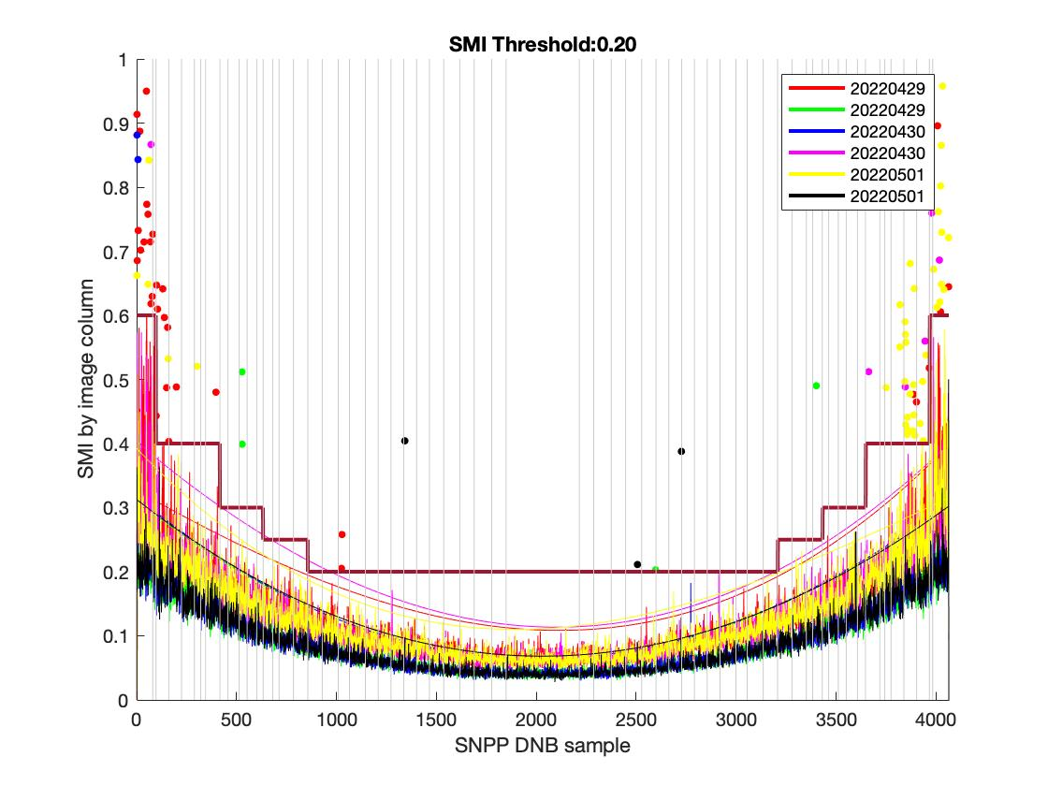
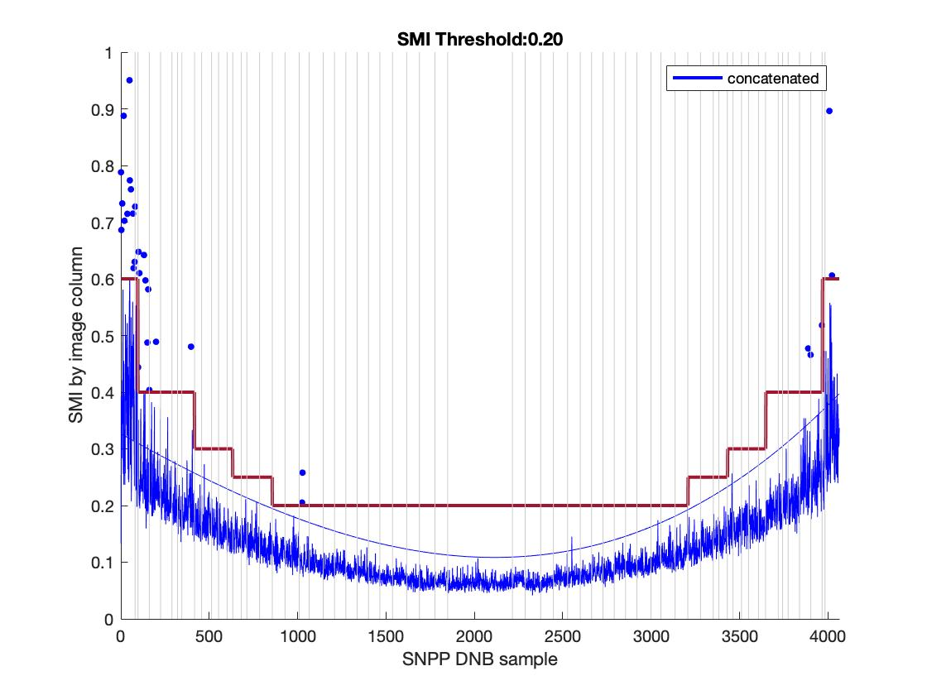
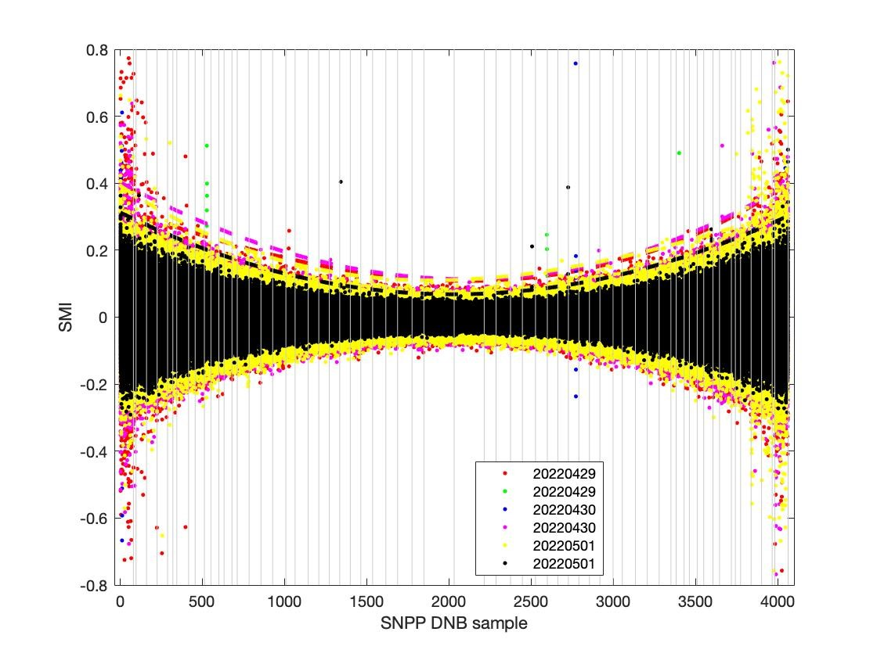
H5_Filename | YMD | Start_time | End_time | id | Degree | Coeff | Trimming needed? | Left Trim | Right Trim | Suggested SMI
SVDNB_npp_d20220429_t1213522_e1215163_b54425_c20220429134423260382_oebc_ops.h5 | 20220429 | t1213522 | e1215163 | b54425_c20220429134423260382 | 3 | 2.0739e-08; -0.00017696; 0.32695; | Possibly | 96 (2 agg zones) | 3969 (2 agg zones) | 0.2
SVDNB_npp_d20220429_t1215176_e1216417_b54425_c20220429134429495668_oebc_ops.h5 | 20220429 | t1215176 | e1216417 | b54425_c20220429134429495668 | 3 | 6.1865e-08; -0.00024537; 0.31053;
SVDNB_npp_d20220430_t1156219_e1157461_b54439_c20220430132506535236_oebc_ops.h5 | 20220430 | t1156219 | e1157461 | b54439_c20220430132506535236 | 3 | 6.7364e-08; -0.00025645; 0.31693;
SVDNB_npp_d20220430_t1334313_e1335555_b54440_c20220430150901529459_oebc_ops.h5 | 20220430 | t1334313 | e1335555 | b54440_c20220430150901529459 | 3 | 5.6645e-08; -0.0002661; 0.40285;
SVDNB_npp_d20220501_t1136008_e1137250_b54453_c20220501130634228571_oebc_ops.h5 | 20220501 | t1136008 | e1137250 | b54453_c20220501130634228571 | 3 | 1.1054e-07; -0.00032807; 0.39249;
SVDNB_npp_d20220501_t1137263_e1138504_b54453_c20220501130634300175_oebc_ops.h5 | 20220501 | t1137263 | e1138504 | b54453_c20220501130634300175 | 3 | 6.2149e-08; -0.00024371; 0.3127;
20220430 concatenated |  |  |  |  |  | 0; -0.0002; 0.3268;

20220530
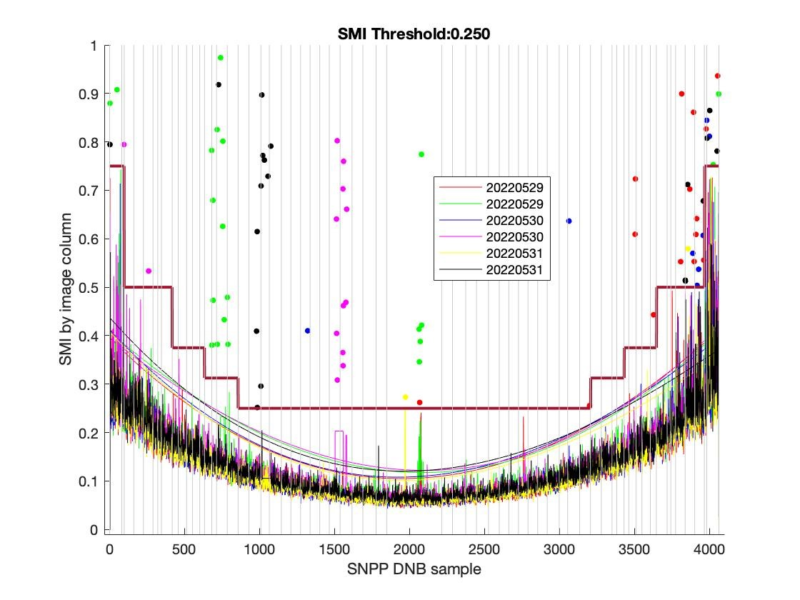
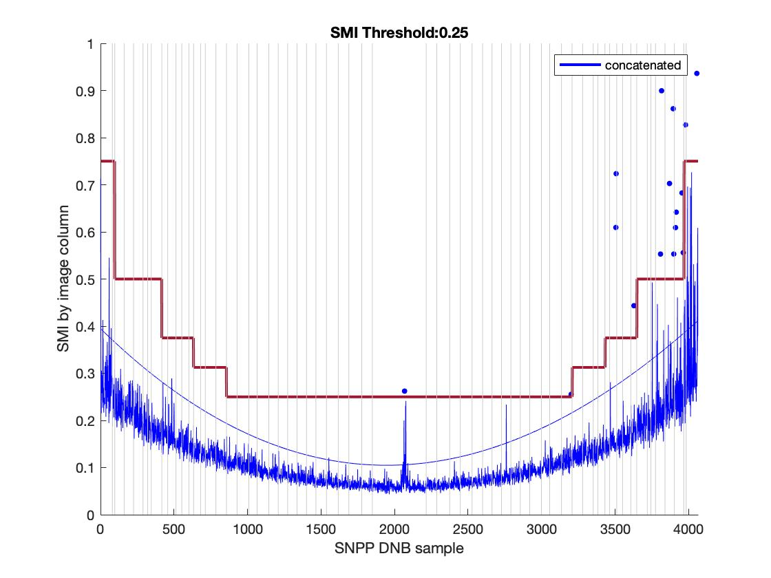
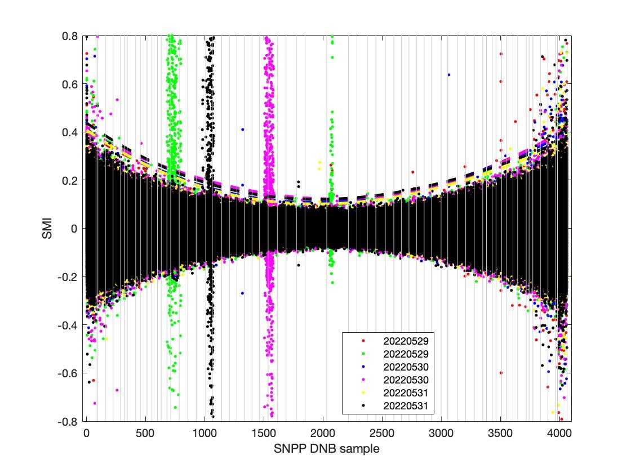
H5_Filename | YMD | Start_time | End_time | id | Degree | Coeff | Trimming needed? | Left Trim | Right Trim | Suggested SMI
SVDNB_npp_d20220529_t1250458_e1252100_b54851_c20220529142312957078_oeac_ops.h5 | 20220529 | t1250458 | e1252100 | b54851_c20220529142312957078 | 3 | 8.4467e-08; -0.00030583; 0.39504; | Yes | None | 3969 (2 agg zones) | 0.25
SVDNB_npp_d20220529_t1252112_e1253354_b54851_c20220529142318453346_oeac_ops.h5 | 20220529 | t1252112 | e1253354 | b54851_c20220529142318453346 | 3 | 5.7896e-08; -0.00026921; 0.40819;
SVDNB_npp_d20220530_t1231501_e1233143_b54865_c20220530140201018039_oeac_ops.h5 | 20220530 | t1231501 | e1233143 | b54865_c20220530140201018039 | 3 | 1.0092e-07; -0.0003345; 0.41231;
SVDNB_npp_d20220530_t1233155_e1234397_b54865_c20220530140158500294_oeac_ops.h5 | 20220530 | t1233155 | e1234397 | b54865_c20220530140158500294 | 3 | 4.6004e-08; -0.00024352; 0.39527;
SVDNB_npp_d20220531_t1212545_e1214187_b54879_c20220531134403291810_oeac_ops.h5 | 20220531 | t1212545 | e1214187 | b54879_c20220531134403291810 | 3 | 1.0293e-07; -0.00033652; 0.40795;
SVDNB_npp_d20220531_t1214199_e1215441_b54879_c20220531134411840837_oeac_ops.h5 | 20220531 | t1214199 | e1215441 | b54879_c20220531134411840837 | 3 | 1.0704e-07; -0.00034739; 0.43725;
20220530 concatenated |  |  |  |  |  | 0; -0.0003; 0.3948;

20220628
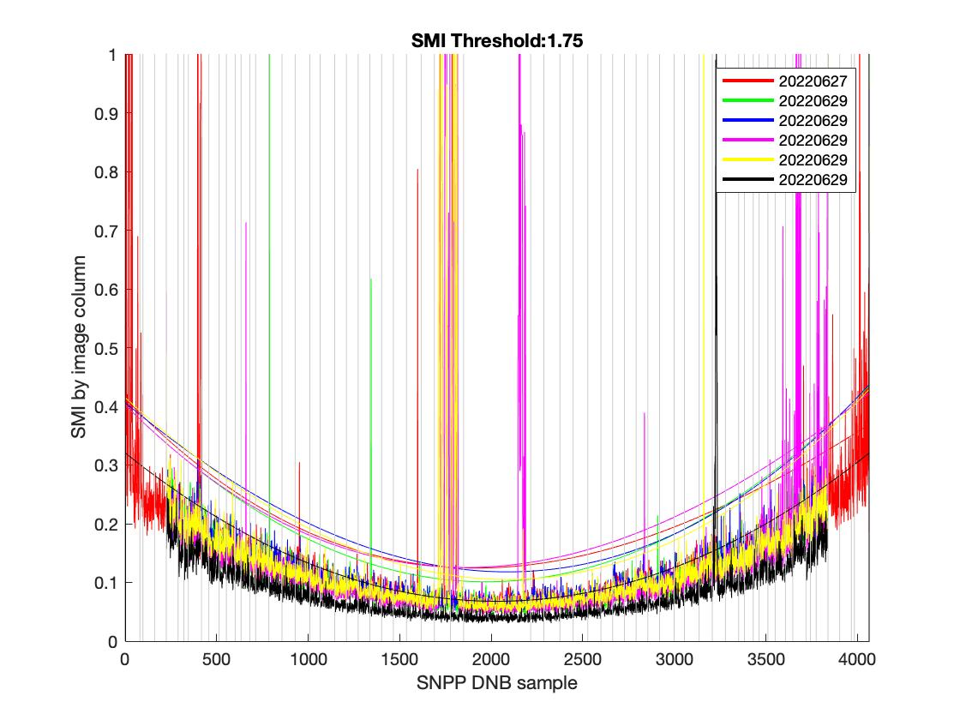
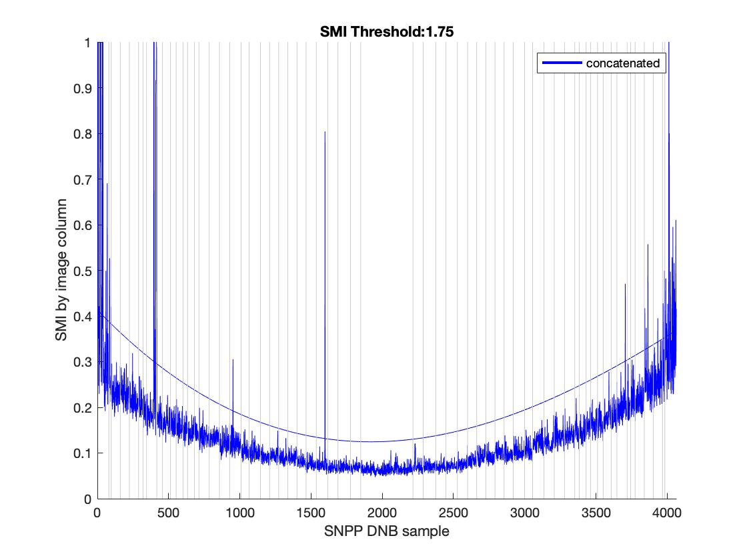
H5_Filename | YMD | Start_time | End_time | id | Degree | Coeff | Trimming needed? | Suggested SMI
SVDNB_npp_d20220627_t1208238_e1209480_b55262_c20220627133759055578_oebc_ops.h5 | 20220627 | t1208238 | e1209480 | b55262_c20220627133759055578 | 3 | 1.024e-07; -0.000324; 0.41335; | Yes | 1.75
SVDNB_npp_d20220629_t1129093_e1130335_b55290_c20220629130406883513_oebc_ops.h5 | 20220629 | t1129093 | e1130335 | b55290_c20220629130406883513 | 3 | 7.8815e-08; -0.00030676; 0.40208;
SVDNB_npp_d20220629_t1130347_e1131589_b55290_c20220629130411355373_oebc_ops.h5 | 20220629 | t1130347 | e1131589 | b55290_c20220629130411355373 | 3 | 4.9941e-08; -0.00025919; 0.40633;
SVDNB_npp_d20220629_t1310077_e1311319_b55291_c20220629144828128039_oebc_ops.h5 | 20220629 | t1310077 | e1311319 | b55291_c20220629144828128039 | 3 | 9.7406e-08; -0.00031416; 0.4027;
SVDNB_npp_d20220629_t1311331_e1312573_b55291_c20220629144840135289_oebc_ops.h5 | 20220629 | t1311331 | e1312573 | b55291_c20220629144840135289 | 3 | 5.905e-08; -0.00028421; 0.41474;
SVDNB_npp_d20220629_t1320056_e1321297_b55291_c20220629144927620536_oebc_ops.h5 | 20220629 | t1320056 | e1321297 | b55291_c20220629144927620536 | 3 | 6.1737e-08; -0.00024944; 0.32064;
20220628 concatenated |  |  |  |  |  | 0; -0.0003; 0.4131;

20220708-09
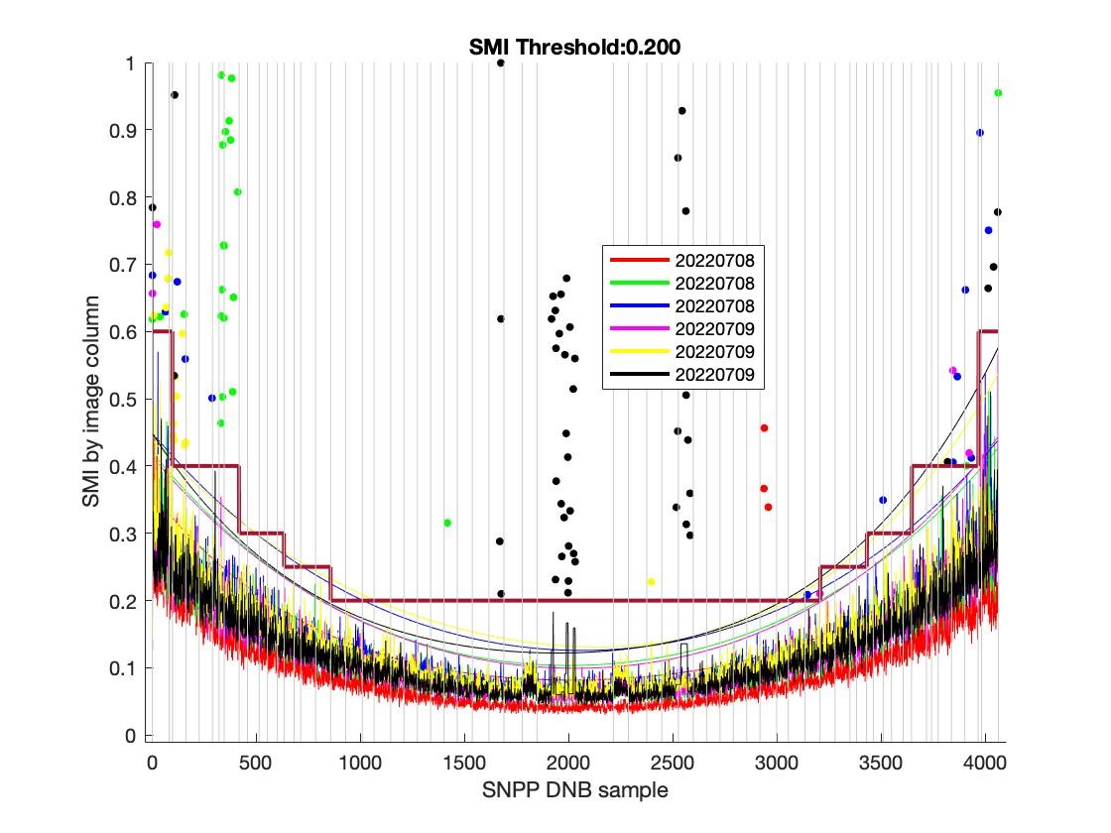
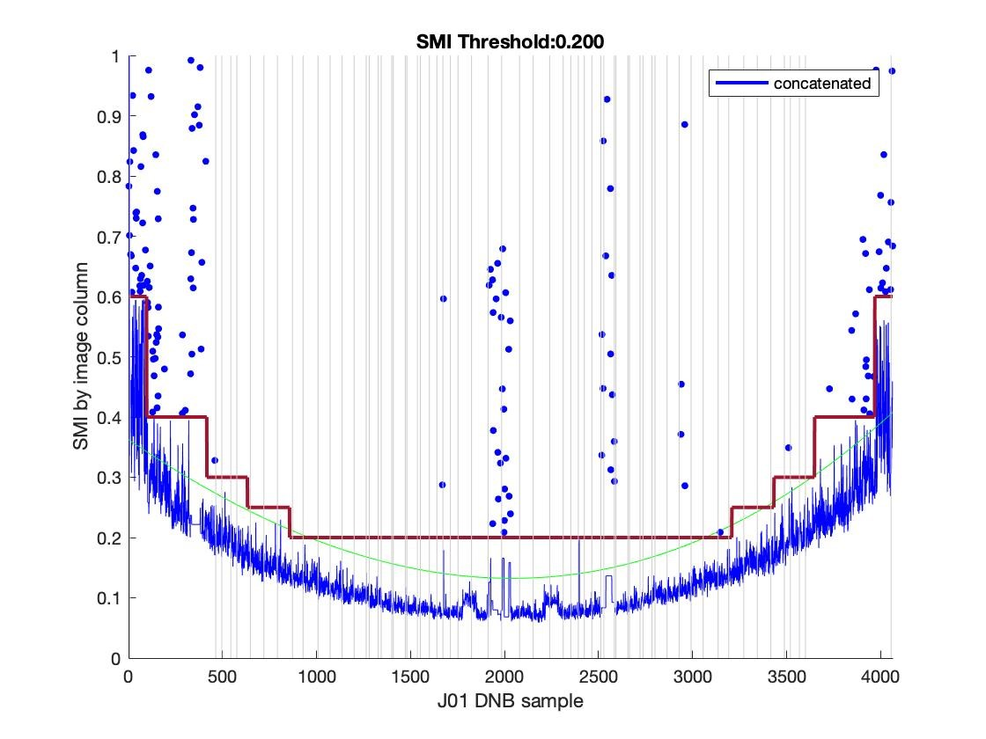
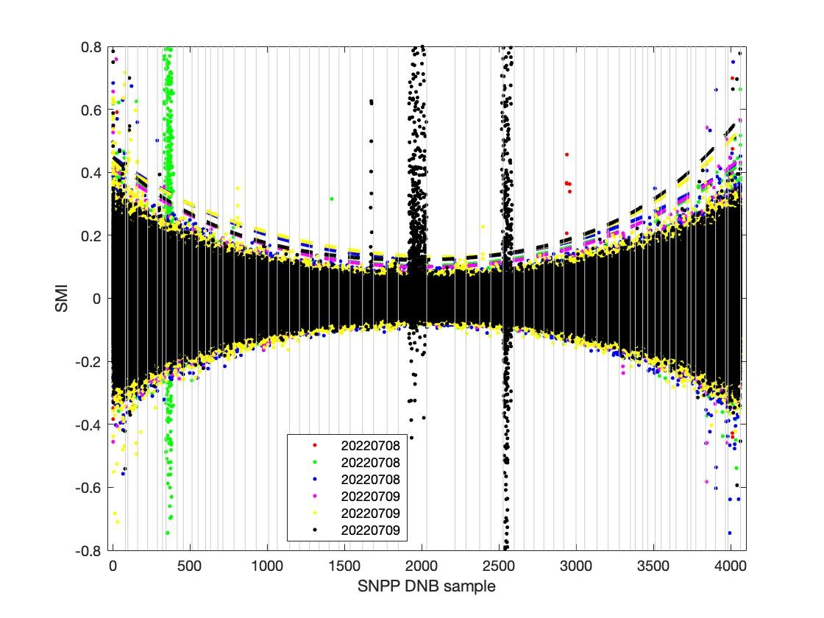
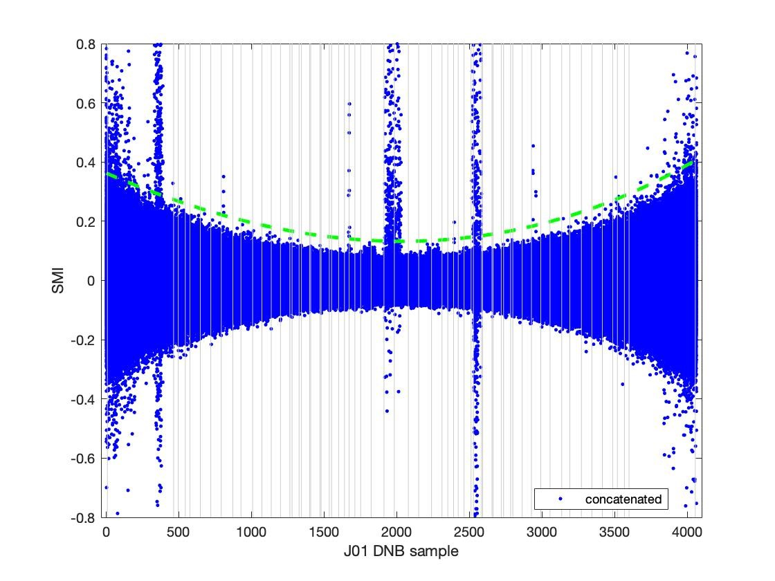
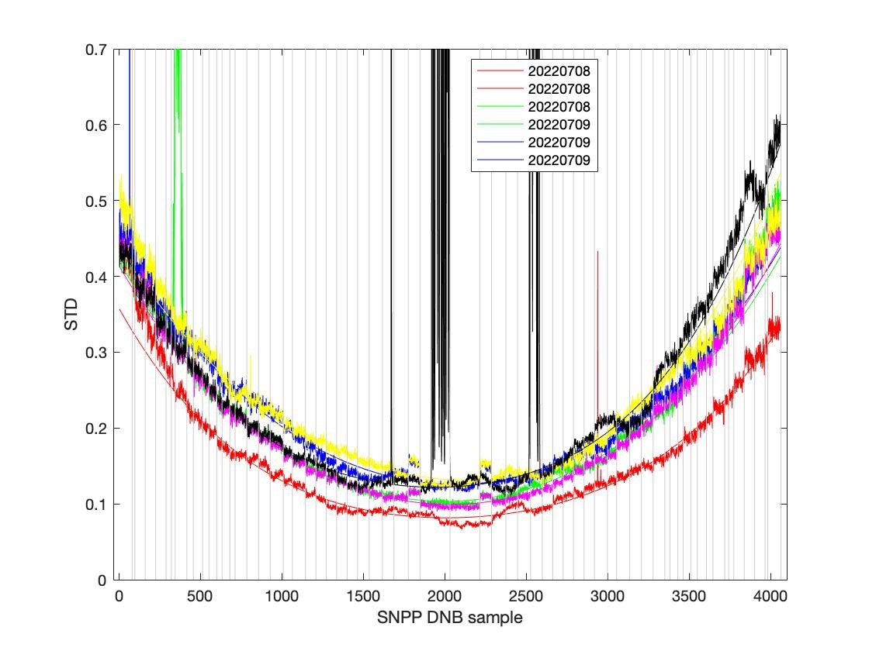
H5 File | Granule | YMD | Start_time | End_time | id | Degree | Coeff | Trimming needed? | Left Trim | Right Trim | Suggested SMI | Comments
SVDNB_npp_d20220708_t1028229_e1029471_b55417_c20220708114853669027_oeac_ops.h5 | npp_d20220708_t1028229_e1029471_b55417 | 20220708 | t1028229 | e1029471 | b55417_c20220708155646366494 | 4 | -5.1235e-11; 2.0029e-07; -0.00038239; 0.35752; | yes | 80 (1 agg zone) | 3881 (1 agg zone) | 0.2
SVDNB_npp_d20220708_t1200507_e1202149_b55418_c20220708132945470556_oeac_ops.h5 | npp_d20220708_t1200507_e1202149_b55418 | 20220708 | t1200507 | e1202149 | b55418_c20220708171941672567 | 4 | -3.0777e-11; 1.5749e-07; -0.00037996; 0.41998;
SVDNB_npp_d20220708_t1202161_e1203403_b55418_c20220708132944470399_oeac_ops.h5 | npp_d20220708_t1202161_e1203403_b55418 | 20220708 | t1202161 | e1203403 | b55418_c20220708171941672567 | 4 | -2.3823e-11; 1.3618e-07; -0.00036227; 0.4488;
SVDNB_npp_d20220709_t1141551_e1143192_b55432_c20220709131048643861_oeac_ops.h5 | npp_d20220709_t1141551_e1143192_b55432 | 20220709 | t1141551 | e1143192 | b55432_c20220709170301335227 | 4 | -2.9807e-11; 1.4887e-07; -0.0003668; 0.41356;
SVDNB_npp_d20220709_t1143205_e1144446_b55432_c20220709131049643035_oeac_ops.h5 | npp_d20220709_t1143205_e1144446_b55432 | 20220709 | t1143205 | e1144446 | b55432_c20220709170301335227 | 4 | -3.5016e-11; 1.4212e-07; -0.00034108; 0.43876;
SVDNB_npp_d20220709_t1322552_e1324194_b55433_c20220709145128719736_oeac_ops.h5 | npp_d20220709_t1322552_e1324194_b55433 | 20220709 | t1322552 | e1324194 | b55433_c20220709184404244872 | 4 | -7.6114e-11; 2.6861e-07; -0.00047618; 0.44847;
20220708-09 concatenated |  |  |  |  |  |  | 0; -0.0002; 0.3634;

20220709-12
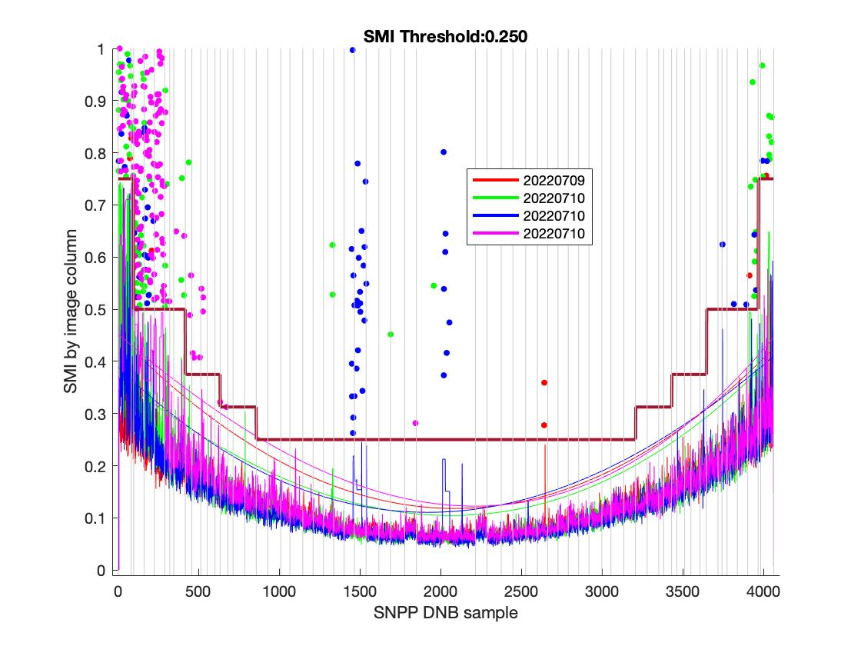
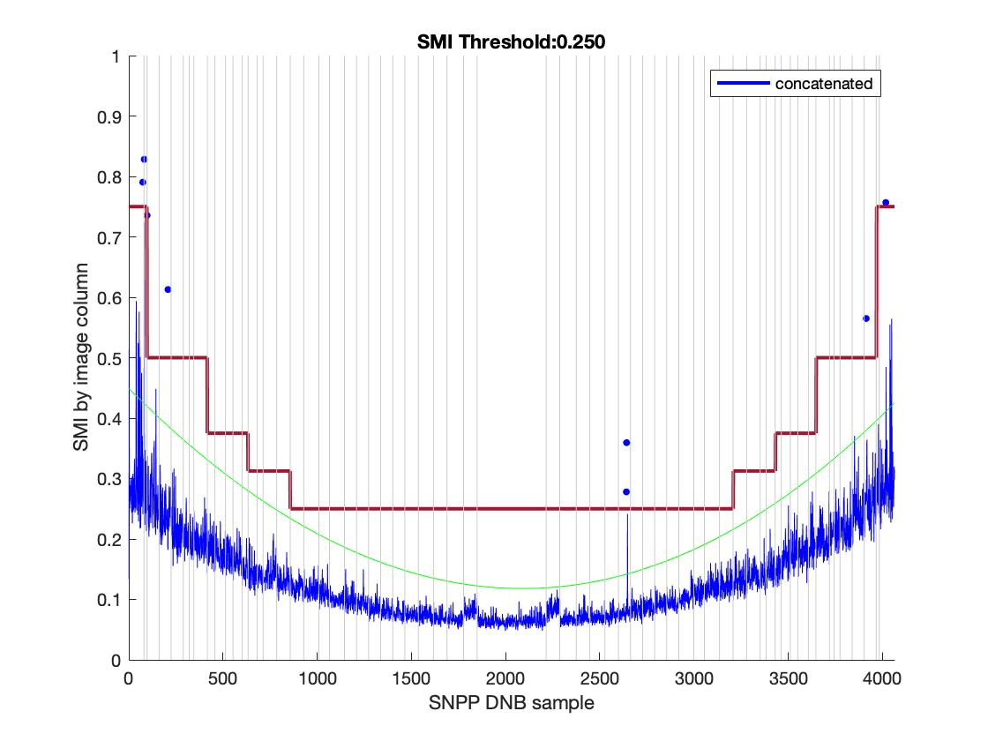
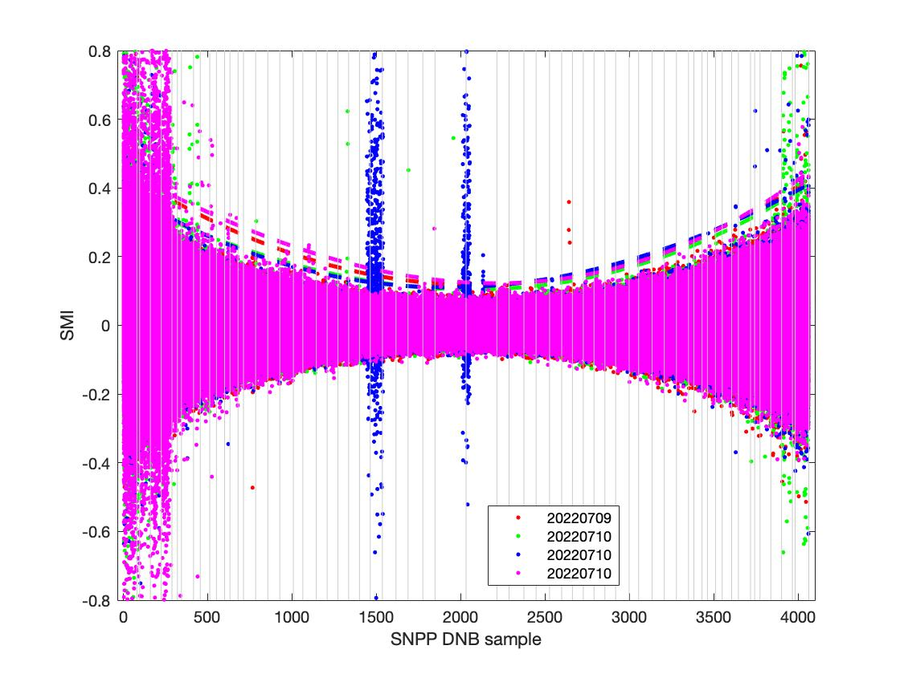
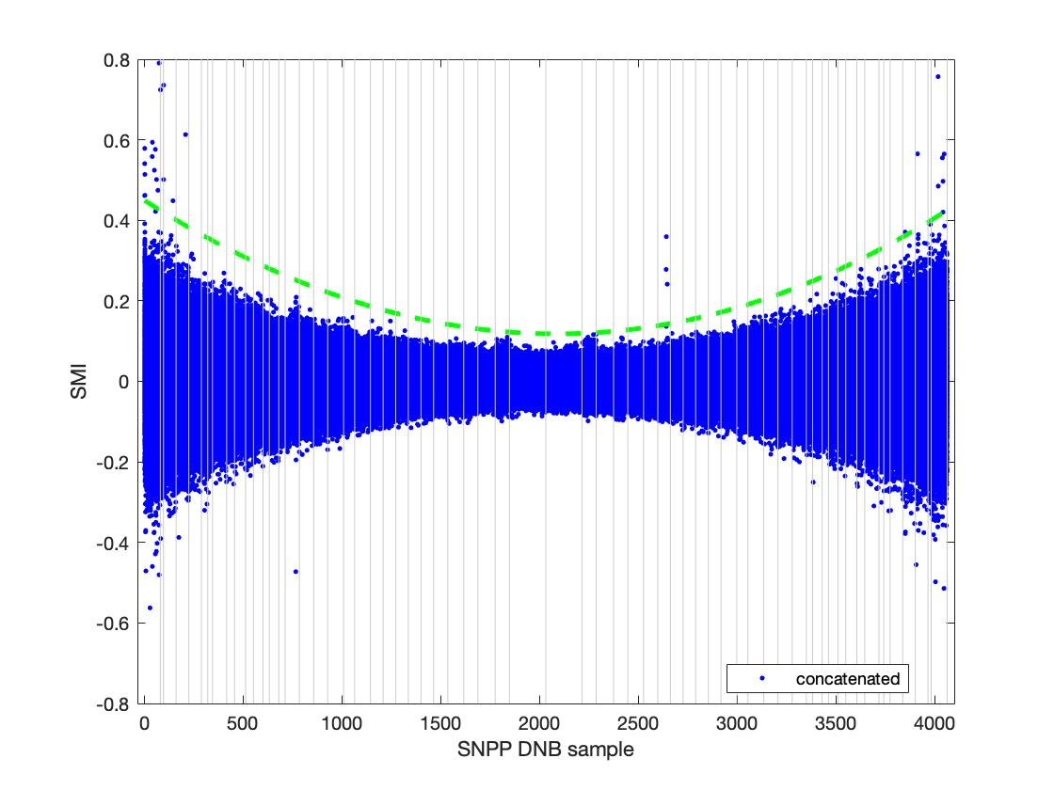
Sat_type | YMD | Start_time | End_time | id | Degree | Coeff | Trimming needed? | Left Trim | Right Trim | Suggested SMI | Comments
SVDNB_npp_d20220709_t1324207_e1325448_b55433_c20220709145126882189_oeac_ops.h5 | 20220709 | t1324207 | e1325448 | b55433_c20220709145126882189 | 3 | 7.4112e-08; -0.00031611; 0.4503; | yes | 330 (5 agg zone) | 3905 (3 agg zone) | 0.25
SVDNB_npp_d20220710_t1122594_e1124236_b55446_c20220710125205062517_oeac_ops.h5 | 20220710 | t1122594 | e1124236 | b55446_c20220710125205062517 | 3 | 4.8737e-08; -0.00024214; 0.3685;
SVDNB_npp_d20220710_t1303596_e1305238_b55447_c20220710143214973299_oeac_ops.h5 | 20220710 | t1303596 | e1305238 | b55447_c20220710143214973299 | 3 | 9.3774e-08; -0.00031215; 0.39419;
SVDNB_npp_d20220710_t1305250_e1306492_b55447_c20220710143211397323_oeac_ops.h5 | 20220710 | t1305250 | e1306492 | b55447_c20220710143211397323 | 3 | 4.0497e-08; -0.00026105; 0.44024;
SVDNB_npp_d20220711_t1245040_e1246281_b55461_c20220711141306789332_oeac_ops.h5 |  |  |  |  |  | very noisy
SVDNB_npp_d20220710_t1124248_e1125490_b55446_c20220710125201297456_oeac_ops.h5 |  |  |  |  |  | very noisy
SVDNB_npp_d20220711_t1246294_e1247535_b55461_c20220711141309956143_oeac_ops.h5 |  |  |  |  |  | very noisy
SVDNB_npp_d20220712_t1226083_e1227325_b55475_c20220712135434753593_oeac_ops.h5 |  |  |  |  |  | very noisy
SVDNB_npp_d20220712_t1227337_e1228579_b55475_c20220712135434674748_oeac_ops.h5 |  |  |  |  |  | very noisy
SVDNB_npp_d20220711_t1105292_e1106533_b55460_c20220711123306681207_oeac_ops.h5 |  |  |  |  |  | very noisy
20220709-12 concatenated |  |  |  |  |  | 0; -0.0003; 0.4501;

