20220708-09
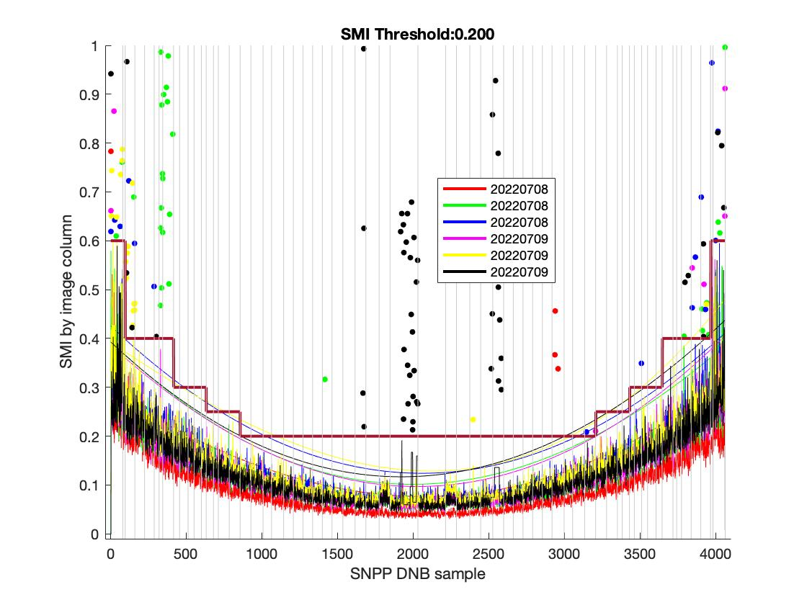
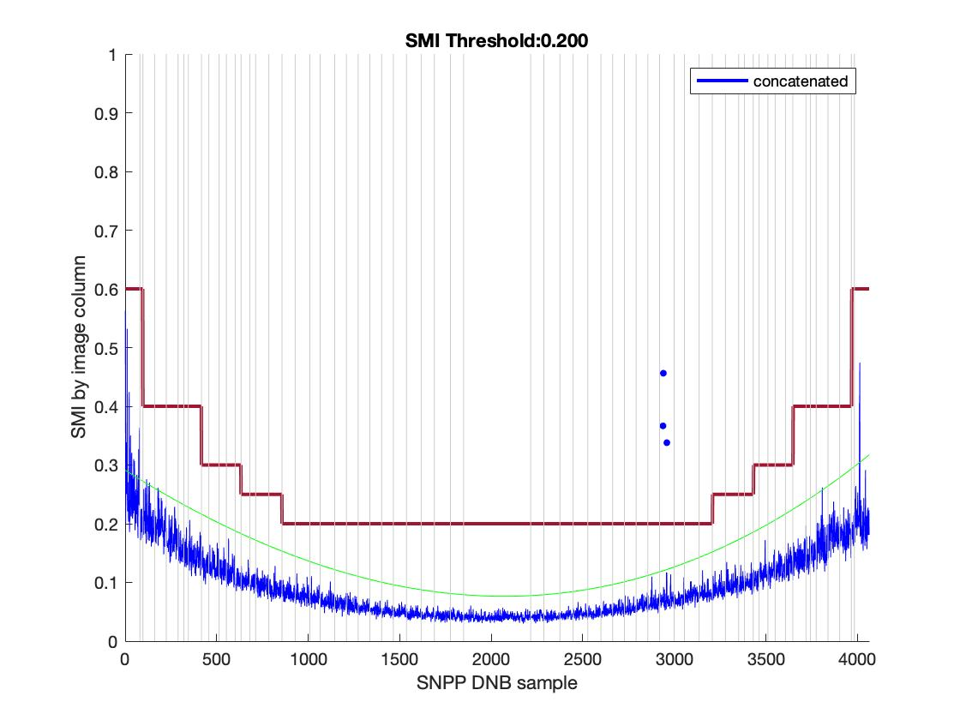
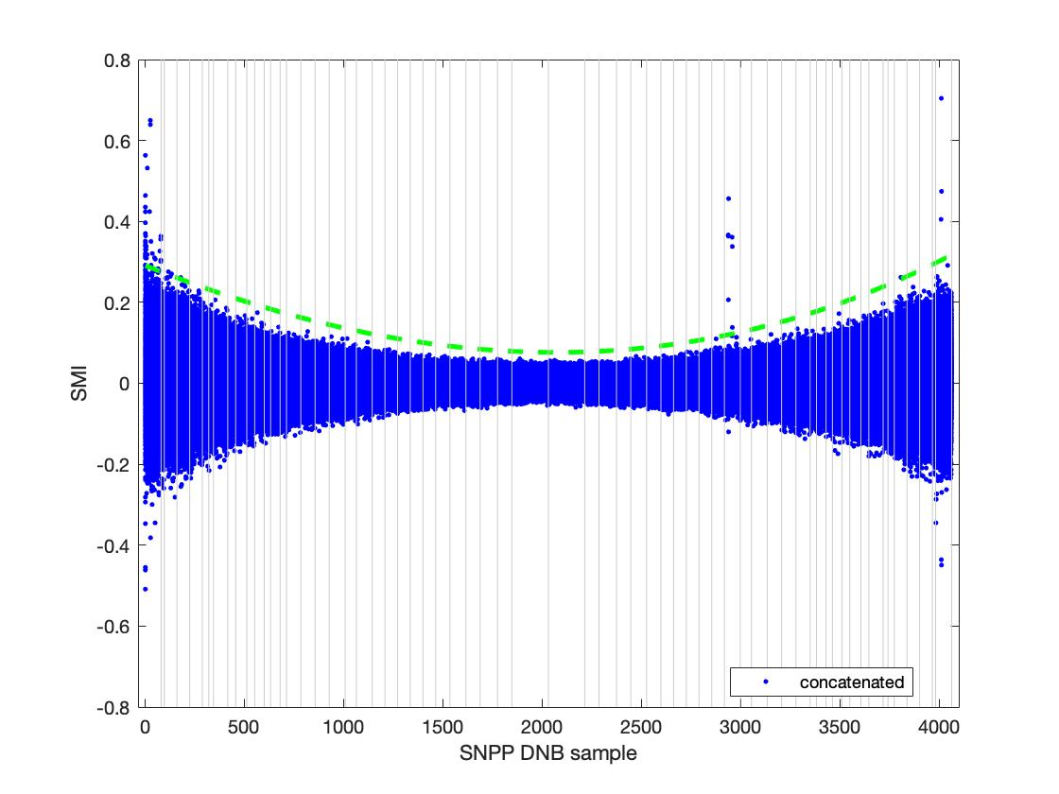
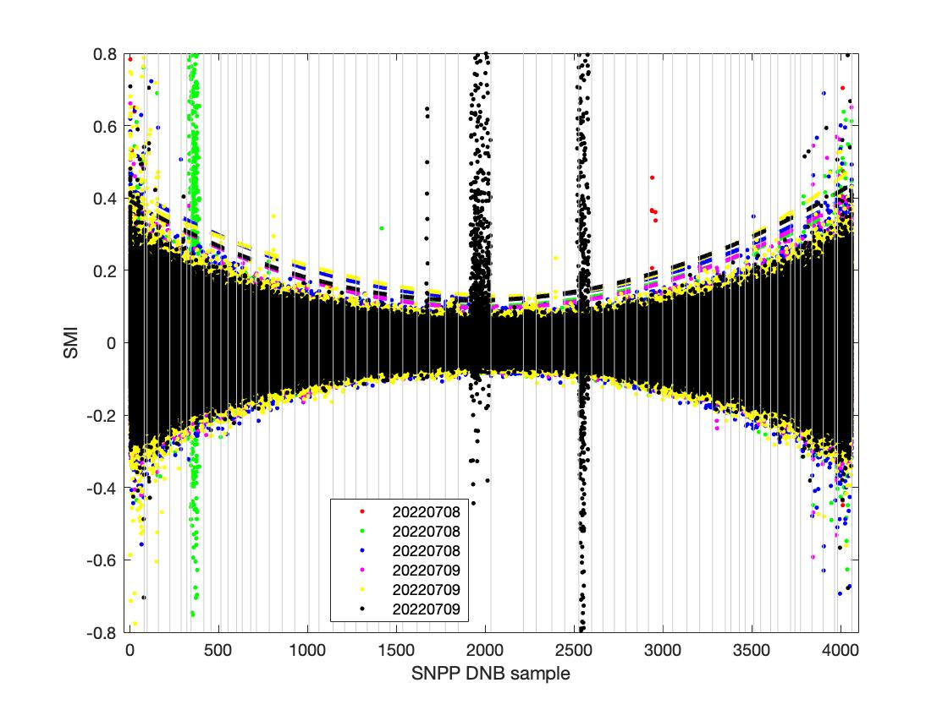
Sat_type | YMD | Start_time | End_time | id | Degree | Coeff | Trimming needed? | Left Trim | Right Trim | Suggested SMI | Comments
SVDNB_npp_d20220708_t1028229_e1029471_b55417_c20220708114853669027_oeac_ops.h5 | 20220708 | t1028229 | e1029471 | b55417_c20220708114853669027 | 3 | 5.2526e-08; -0.00021787; 0.30049; | yes | 80 (1 agg zone) | 3881 (1 agg zone) | 0.2
SVDNB_npp_d20220708_t1200507_e1202149_b55418_c20220708132945470556_oeac_ops.h5 | 20220708 | t1200507 | e1202149 | b55418_c20220708132945470556 | 3 | 8.1264e-08; -0.00030094; 0.39401;
SVDNB_npp_d20220708_t1202161_e1203403_b55418_c20220708132944470399_oeac_ops.h5 | 20220708 | t1202161 | e1203403 | b55418_c20220708132944470399 | 3 | 7.239e-08; -0.00029475; 0.42617;
SVDNB_npp_d20220709_t1141551_e1143192_b55432_c20220709131048643861_oeac_ops.h5 | 20220709 | t1141551 | e1143192 | b55432_c20220709131048643861 | 3 | 6.6862e-08; -0.0002819; 0.38631;
SVDNB_npp_d20220709_t1143205_e1144446_b55432_c20220709131049643035_oeac_ops.h5 | 20220709 | t1143205 | e1144446 | b55432_c20220709131049643035 | 3 | 1.9636e-08; -0.00020514; 0.38951;
SVDNB_npp_d20220709_t1322552_e1324194_b55433_c20220709145128719736_oeac_ops.h5 | 20220709 | t1322552 | e1324194 | b55433_c20220709145128719736 | 3 | 8.1159e-08; -0.00029393; 0.39357;
20220708-09 concatenated |  |  |  |  |  | 0; -0.0002; 0.3003;

20220709-12
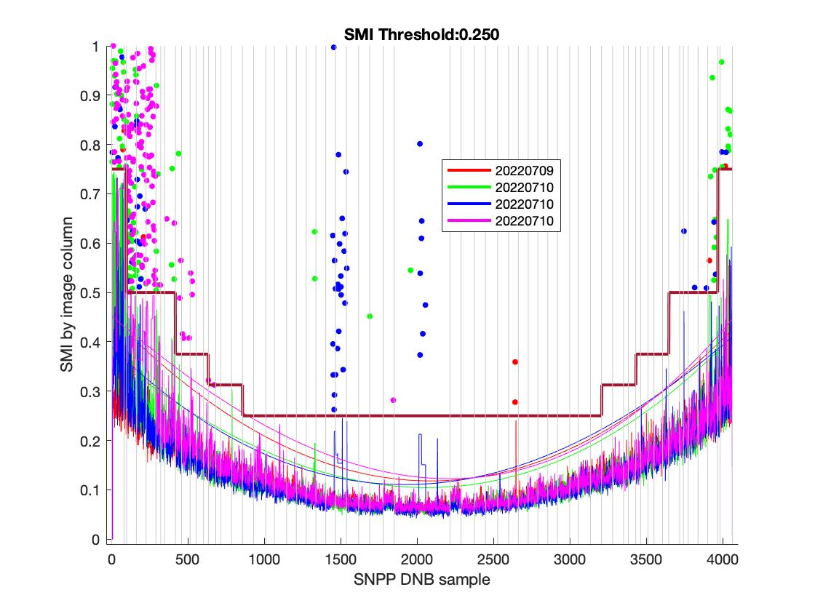
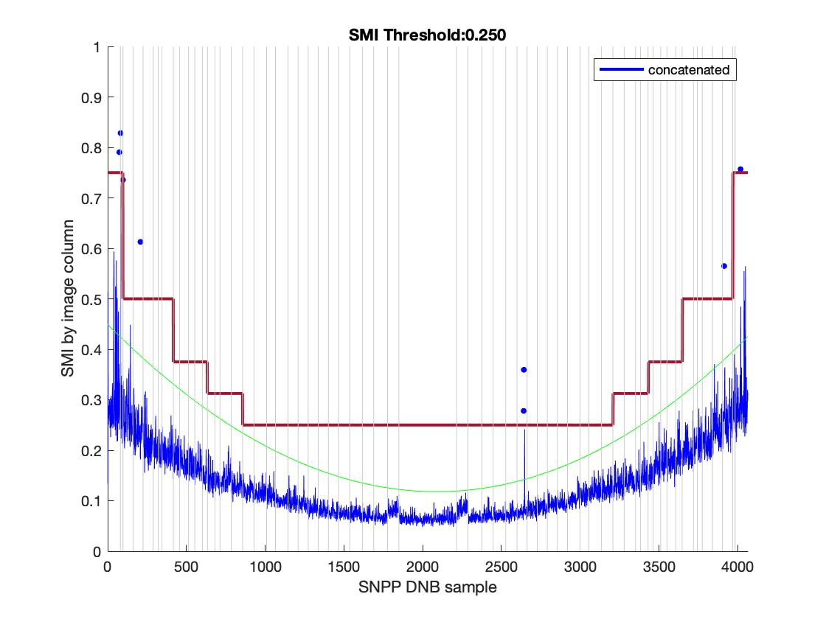
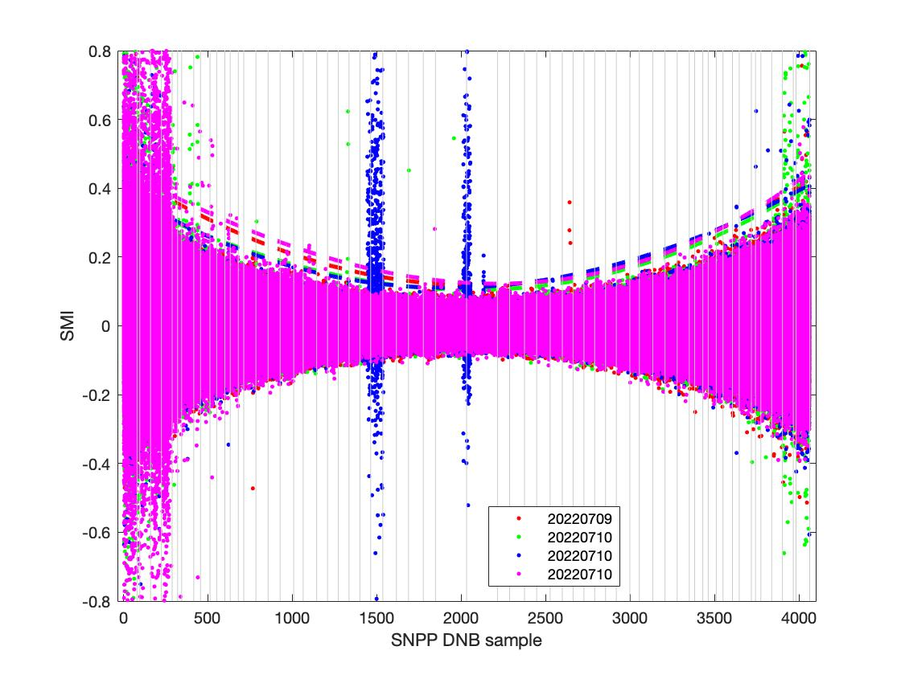
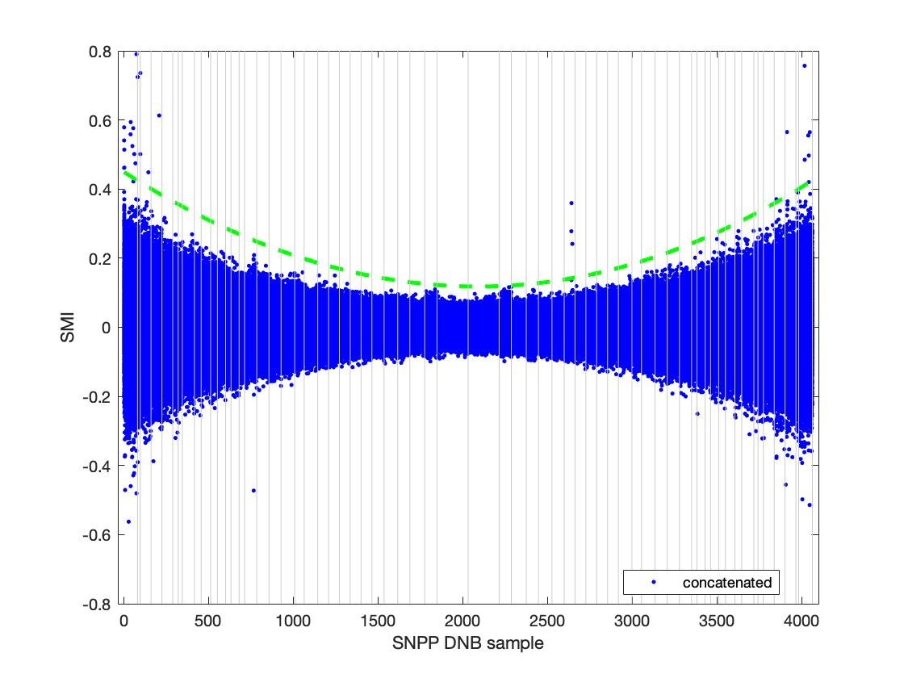
Sat_type | YMD | Start_time | End_time | id | Degree | Coeff | Trimming needed? | Left Trim | Right Trim | Suggested SMI | Comments
SVDNB_npp_d20220709_t1324207_e1325448_b55433_c20220709145126882189_oeac_ops.h5 | 20220709 | t1324207 | e1325448 | b55433_c20220709145126882189 | 3 | 7.4112e-08; -0.00031611; 0.4503; | yes | 330 (5 agg zone) | 3905 (3 agg zone) | 0.25
SVDNB_npp_d20220710_t1122594_e1124236_b55446_c20220710125205062517_oeac_ops.h5 | 20220710 | t1122594 | e1124236 | b55446_c20220710125205062517 | 3 | 4.8737e-08; -0.00024214; 0.3685;
SVDNB_npp_d20220710_t1303596_e1305238_b55447_c20220710143214973299_oeac_ops.h5 | 20220710 | t1303596 | e1305238 | b55447_c20220710143214973299 | 3 | 9.3774e-08; -0.00031215; 0.39419;
SVDNB_npp_d20220710_t1305250_e1306492_b55447_c20220710143211397323_oeac_ops.h5 | 20220710 | t1305250 | e1306492 | b55447_c20220710143211397323 | 3 | 4.0497e-08; -0.00026105; 0.44024;
SVDNB_npp_d20220711_t1245040_e1246281_b55461_c20220711141306789332_oeac_ops.h5 |  |  |  |  |  | very noisy
SVDNB_npp_d20220710_t1124248_e1125490_b55446_c20220710125201297456_oeac_ops.h5 |  |  |  |  |  | very noisy
SVDNB_npp_d20220711_t1246294_e1247535_b55461_c20220711141309956143_oeac_ops.h5 |  |  |  |  |  | very noisy
SVDNB_npp_d20220712_t1226083_e1227325_b55475_c20220712135434753593_oeac_ops.h5 |  |  |  |  |  | very noisy
SVDNB_npp_d20220712_t1227337_e1228579_b55475_c20220712135434674748_oeac_ops.h5 |  |  |  |  |  | very noisy
SVDNB_npp_d20220711_t1105292_e1106533_b55460_c20220711123306681207_oeac_ops.h5 |  |  |  |  |  | very noisy
20220709-12 concatenated |  |  |  |  |  | 0; -0.0003; 0.4501;

