new
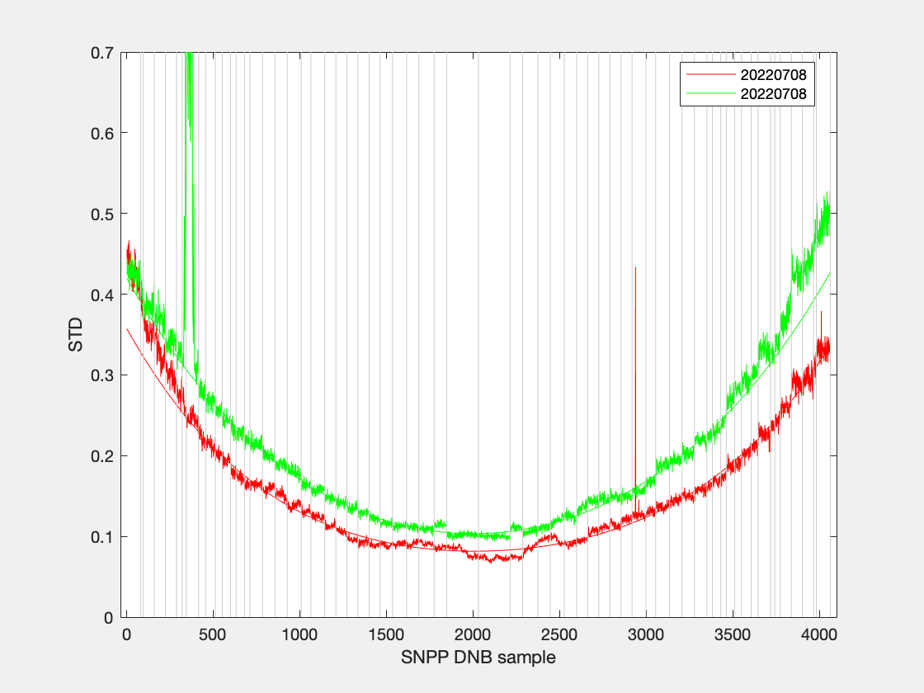
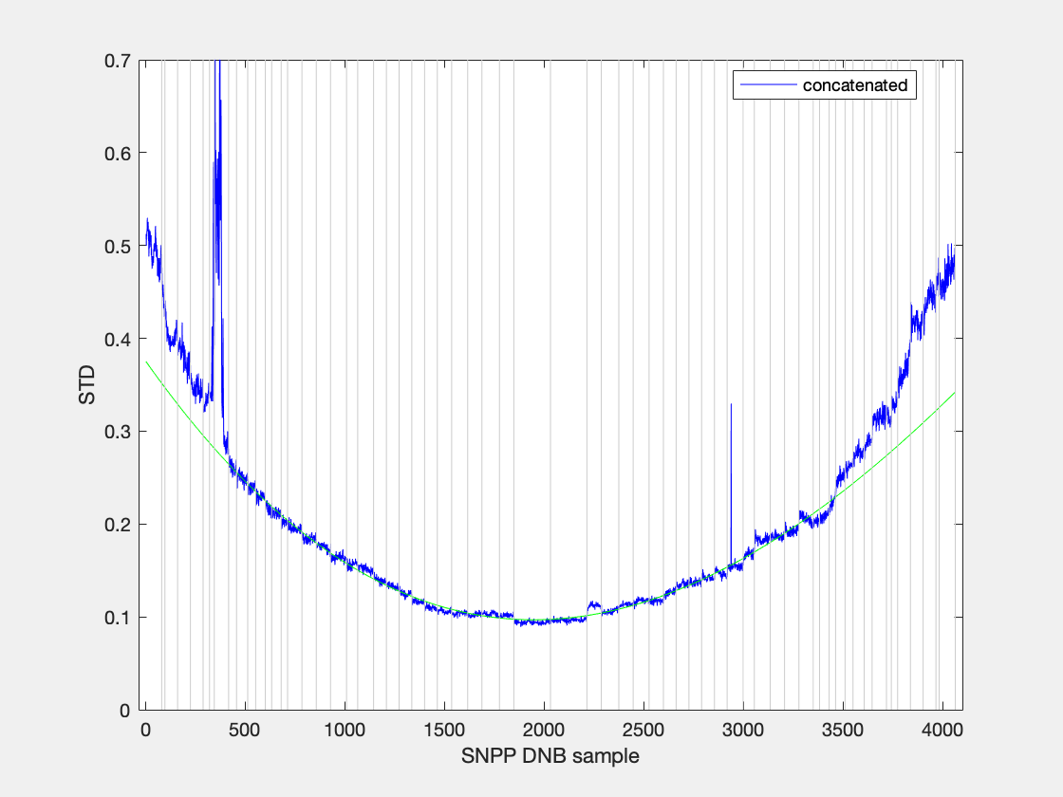
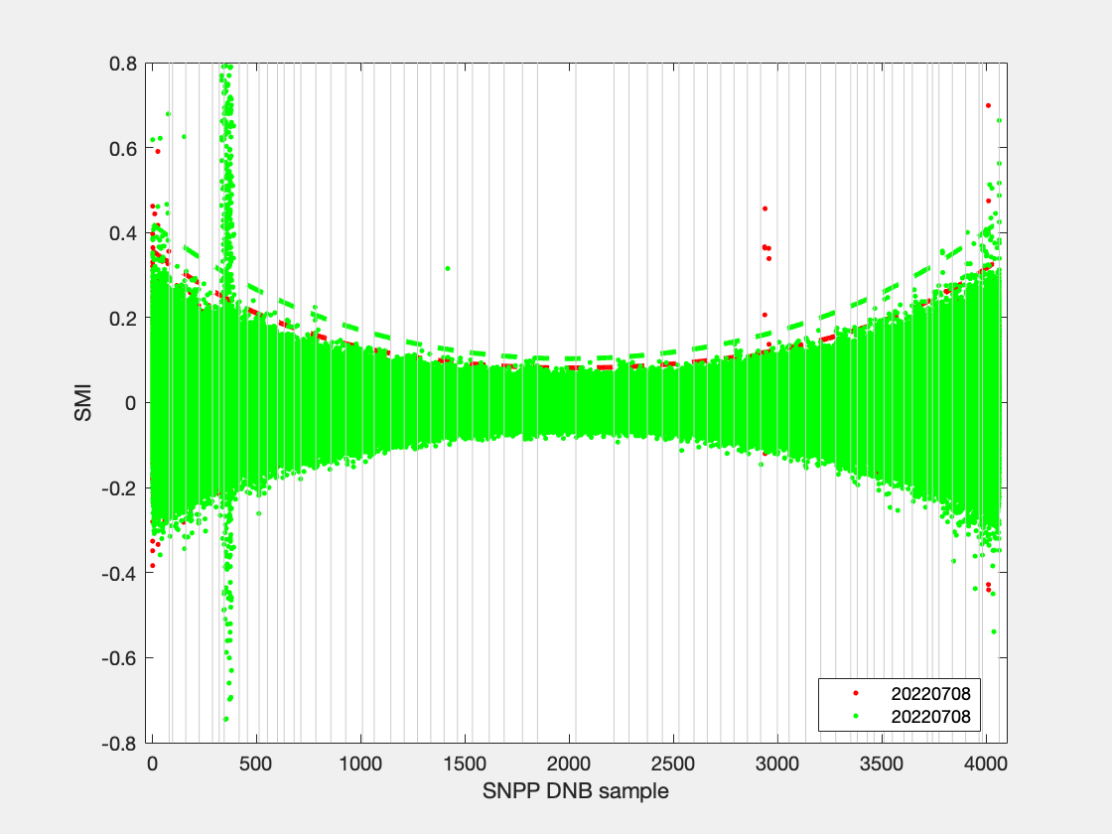
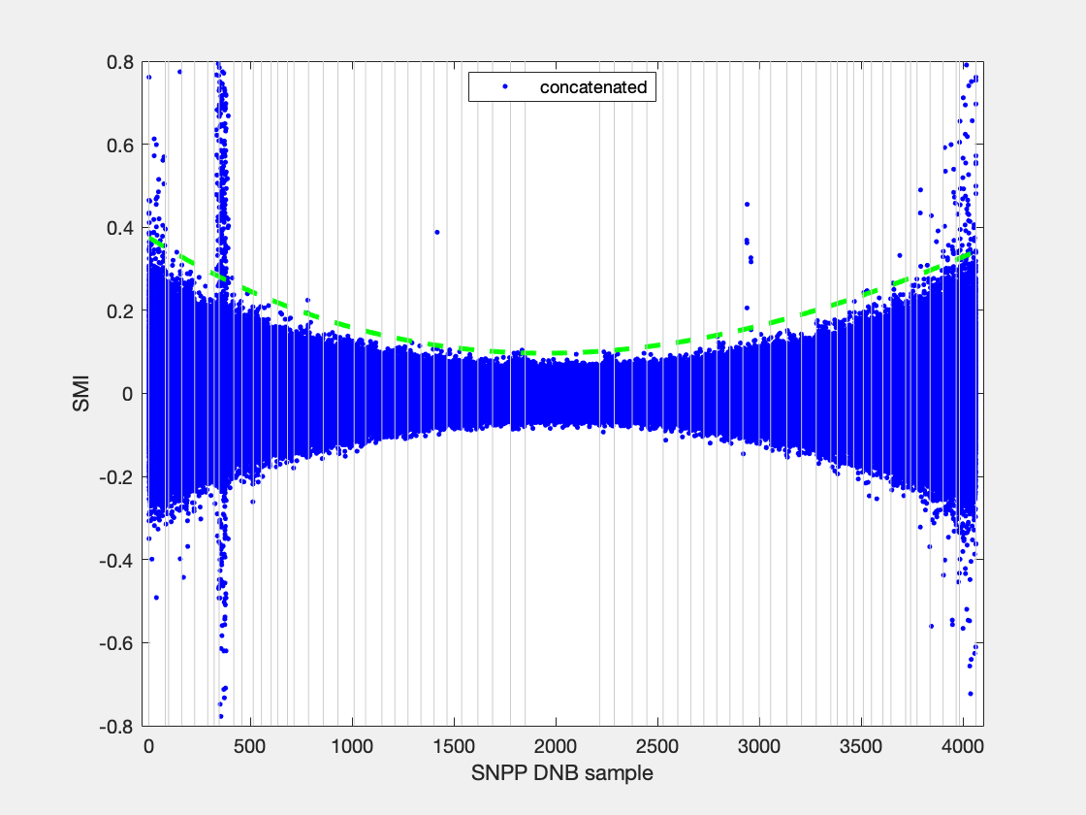
filename | granule_name | YMD | start_time | end_time | id | degree | coeff | ltrim | rtrim | SMI | null
SVDNB_npp_d20220708_t1028229_e1029471_b55417_c20220708155646366494_oeac_ops.h5 | npp_d20220708_t1028229_e1029471_b55417 | 20220708 | t1028229 | e1029471 | b55417_c20220708155646366494 | 4 | -5.1235e-11; 2.0029e-07; -0.00038239; 0.35752; | 0 | 0 | 0.2 | 0
SVDNB_npp_d20220708_t1200507_e1202149_b55418_c20220708171941672567_oeac_ops.h5 | npp_d20220708_t1200507_e1202149_b55418 | 20220708 | t1200507 | e1202149 | b55418_c20220708171941672567 | 4 | -3.0777e-11; 1.5749e-07; -0.00037996; 0.41998; | 0 | 0 | 0.2 | 0
SVDNB_npp_d20220708_t1028229_e1029471_b55417_c20220708155646366494_oeac_ops.h5 | npp_d20220708_t1028229_e1029471_b55417 | 20220708 | t1028229 | e1029471 | b55417_c20220708155646366494 | 4 | -5.1235e-11; 2.0029e-07; -0.00038239; 0.35752; | 0 | 0 | 0.2 | 0
SVDNB_npp_d20220708_t1200507_e1202149_b55418_c20220708171941672567_oeac_ops.h5 | npp_d20220708_t1200507_e1202149_b55418 | 20220708 | t1200507 | e1202149 | b55418_c20220708171941672567 | 4 | -3.0777e-11; 1.5749e-07; -0.00037996; 0.41998; | 0 | 0 | 0.2 | 0
SVDNB_npp_d20220708_t1028229_e1029471_b55417_c20220708155646366494_oeac_ops.h5 | npp_d20220708_t1028229_e1029471_b55417 | 20220708 | t1028229 | e1029471 | b55417_c20220708155646366494 | 4 | -5.1235e-11; 2.0029e-07; -0.00038239; 0.35752; | 0 | 0 | 0.2 | 0
SVDNB_npp_d20220708_t1200507_e1202149_b55418_c20220708171941672567_oeac_ops.h5 | npp_d20220708_t1200507_e1202149_b55418 | 20220708 | t1200507 | e1202149 | b55418_c20220708171941672567 | 4 | -3.0777e-11; 1.5749e-07; -0.00037996; 0.41998; | 0 | 0 | 0.2 | 0
SVDNB_npp_d20220708_t1028229_e1029471_b55417_c20220708155646366494_oeac_ops.h5 | npp_d20220708_t1028229_e1029471_b55417 | 20220708 | t1028229 | e1029471 | b55417_c20220708155646366494 | 4 | -5.1235e-11; 2.0029e-07; -0.00038239; 0.35752; | 0 | 0 | 0.2 | 0
SVDNB_npp_d20220708_t1200507_e1202149_b55418_c20220708171941672567_oeac_ops.h5 | npp_d20220708_t1200507_e1202149_b55418 | 20220708 | t1200507 | e1202149 | b55418_c20220708171941672567 | 4 | -3.0777e-11; 1.5749e-07; -0.00037996; 0.41998; | 0 | 0 | 0.2 | 0
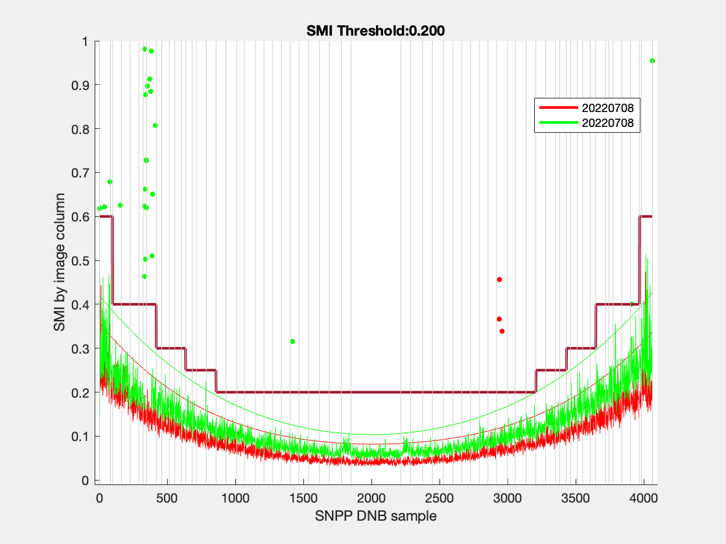
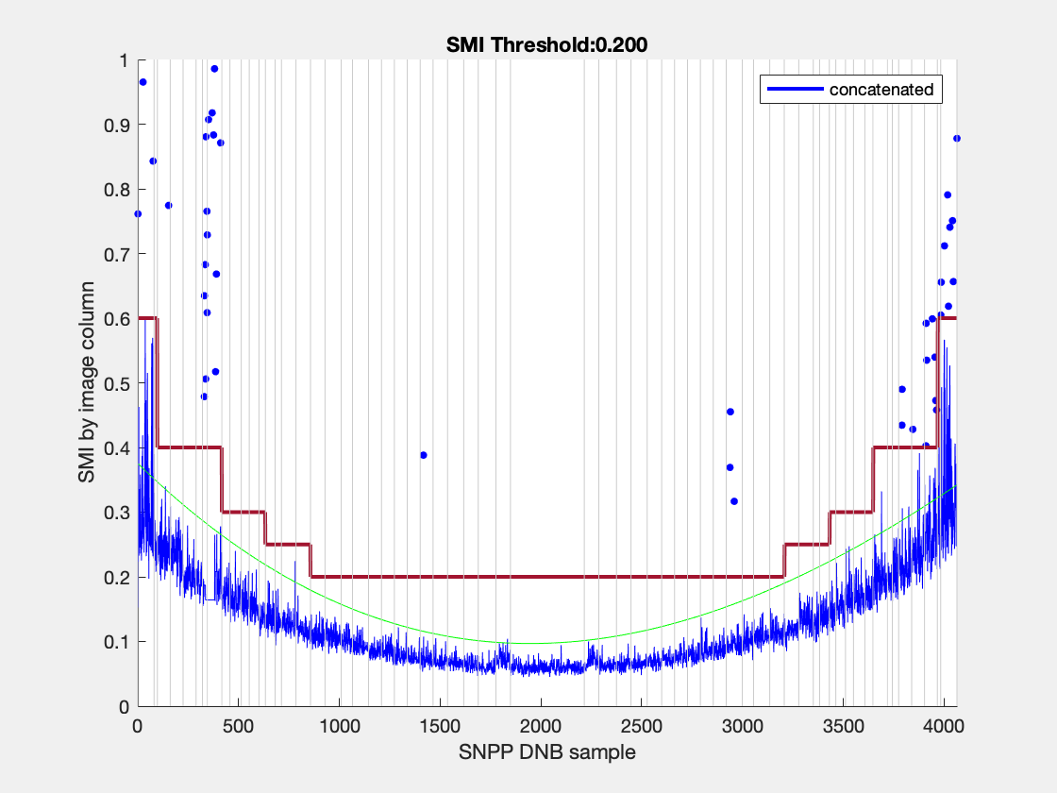
SVDNB_npp_d20220708_t1028229_e1029471_b55417_c20220708155646366494_oeac_ops.h5 | npp_d20220708_t1028229_e1029471_b55417 | 20220708 | t1028229 | e1029471 | b55417_c20220708155646366494 | 4 | -5.1235e-11; 2.0029e-07; -0.00038239; 0.35752; | 0 | 0 | 0.2 | 0
SVDNB_npp_d20220708_t1200507_e1202149_b55418_c20220708171941672567_oeac_ops.h5 | npp_d20220708_t1200507_e1202149_b55418 | 20220708 | t1200507 | e1202149 | b55418_c20220708171941672567 | 4 | -3.0777e-11; 1.5749e-07; -0.00037996; 0.41998; | 0 | 0 | 0.2 | 0
SVDNB_npp_d20220708_t1028229_e1029471_b55417_c20220708155646366494_oeac_ops.h5 | npp_d20220708_t1028229_e1029471_b55417 | 20220708 | t1028229 | e1029471 | b55417_c20220708155646366494 | 4 | -5.1235e-11; 2.0029e-07; -0.00038239; 0.35752; | 0 | 0 | 0.2 | 0
SVDNB_npp_d20220708_t1200507_e1202149_b55418_c20220708171941672567_oeac_ops.h5 | npp_d20220708_t1200507_e1202149_b55418 | 20220708 | t1200507 | e1202149 | b55418_c20220708171941672567 | 4 | -3.0777e-11; 1.5749e-07; -0.00037996; 0.41998; | 0 | 0 | 0.2 | 0
SVDNB_npp_d20220708_t1028229_e1029471_b55417_c20220708155646366494_oeac_ops.h5 | npp_d20220708_t1028229_e1029471_b55417 | 20220708 | t1028229 | e1029471 | b55417_c20220708155646366494 | 4 | -5.1235e-11; 2.0029e-07; -0.00038239; 0.35752; | 0 | 0 | 0.2 | 0
SVDNB_npp_d20220708_t1200507_e1202149_b55418_c20220708171941672567_oeac_ops.h5 | npp_d20220708_t1200507_e1202149_b55418 | 20220708 | t1200507 | e1202149 | b55418_c20220708171941672567 | 4 | -3.0777e-11; 1.5749e-07; -0.00037996; 0.41998; | 0 | 0 | 0.2 | 0
SVDNB_npp_d20220708_t1028229_e1029471_b55417_c20220708155646366494_oeac_ops.h5 | npp_d20220708_t1028229_e1029471_b55417 | 20220708 | t1028229 | e1029471 | b55417_c20220708155646366494 | 4 | -5.1235e-11; 2.0029e-07; -0.00038239; 0.35752; | 0 | 0 | 0.2 | 0
SVDNB_npp_d20220708_t1200507_e1202149_b55418_c20220708171941672567_oeac_ops.h5 | npp_d20220708_t1200507_e1202149_b55418 | 20220708 | t1200507 | e1202149 | b55418_c20220708171941672567 | 4 | -3.0777e-11; 1.5749e-07; -0.00037996; 0.41998; | 0 | 0 | 0.2 | 0
SVDNB_npp_d20220708_t1028229_e1029471_b55417_c20220708155646366494_oeac_ops.h5 | npp_d20220708_t1028229_e1029471_b55417 | 20220708 | t1028229 | e1029471 | b55417_c20220708155646366494 | 4 | -5.1235e-11; 2.0029e-07; -0.00038239; 0.35752; | 0 | 0 | 0.2 | 0
SVDNB_npp_d20220708_t1200507_e1202149_b55418_c20220708171941672567_oeac_ops.h5 | npp_d20220708_t1200507_e1202149_b55418 | 20220708 | t1200507 | e1202149 | b55418_c20220708171941672567 | 4 | -3.0777e-11; 1.5749e-07; -0.00037996; 0.41998; | 0 | 0 | 0.2 | 0
SVDNB_npp_d20220708_t1028229_e1029471_b55417_c20220708155646366494_oeac_ops.h5 | npp_d20220708_t1028229_e1029471_b55417 | 20220708 | t1028229 | e1029471 | b55417_c20220708155646366494 | 4 | -5.1235e-11; 2.0029e-07; -0.00038239; 0.35752; | 0 | 0 | 0.2 | 0
SVDNB_npp_d20220708_t1200507_e1202149_b55418_c20220708171941672567_oeac_ops.h5 | npp_d20220708_t1200507_e1202149_b55418 | 20220708 | t1200507 | e1202149 | b55418_c20220708171941672567 | 4 | -3.0777e-11; 1.5749e-07; -0.00037996; 0.41998; | 0 | 0 | 0.2 | 0

202207
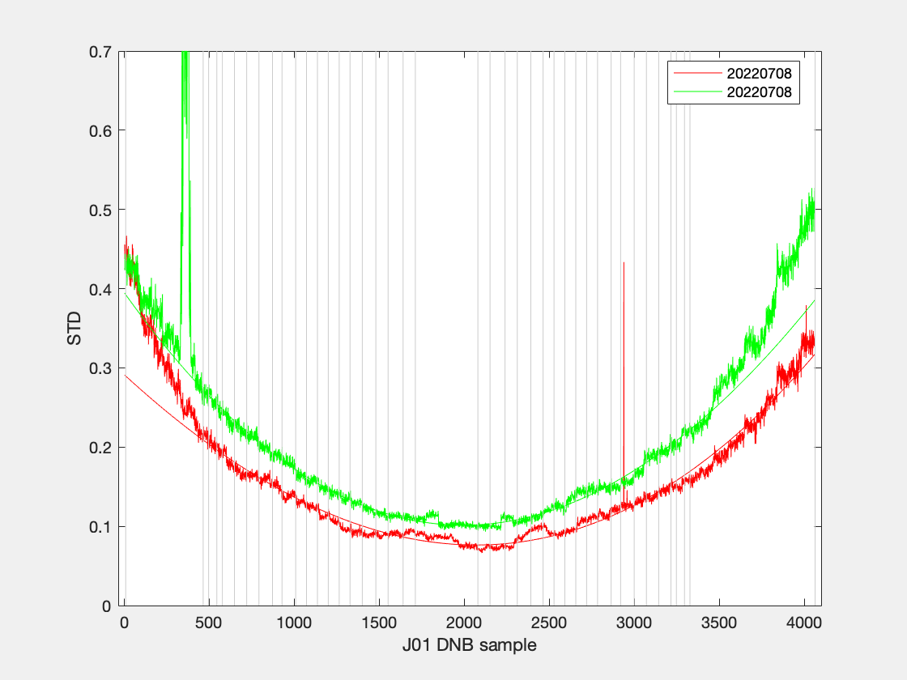

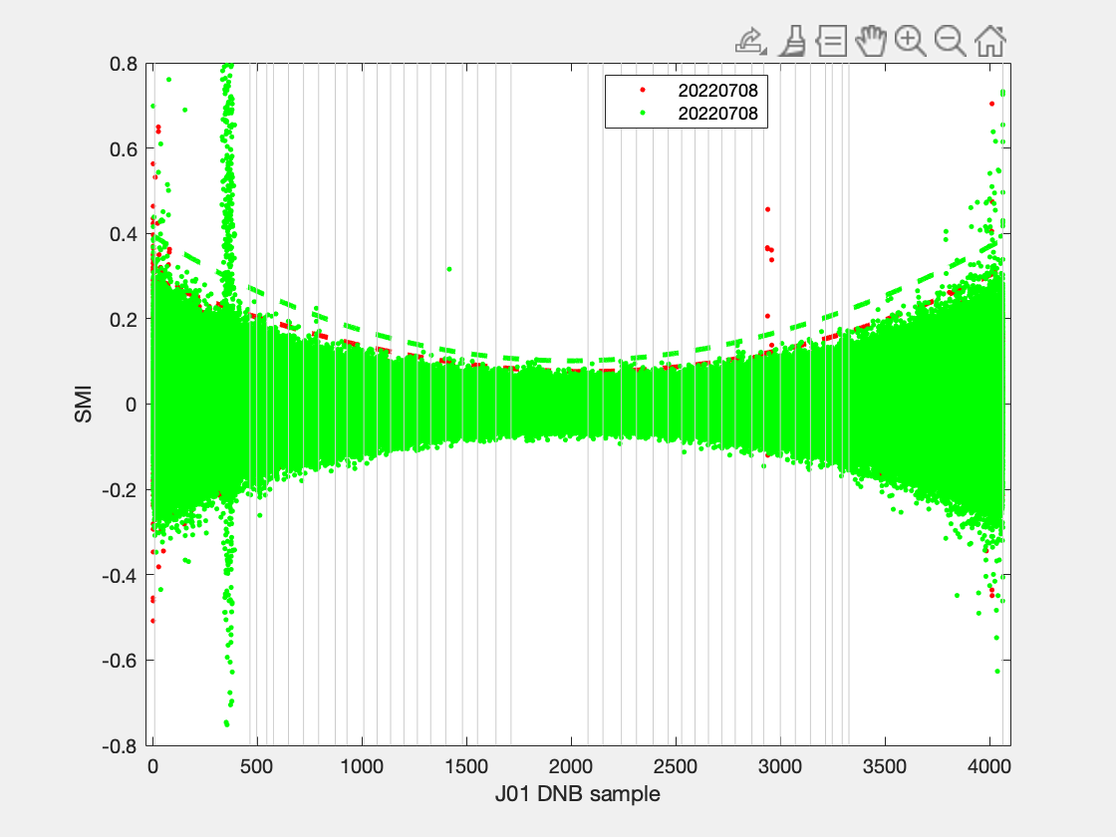

filename | granule_name | YMD | start_time | end_time | id | degree | coeff | ltrim | rtrim | SMI | null
SVDNB_npp_d20220708_t1028229_e1029471_b55417_c20220708155646366494_oeac_ops.h5 | npp_d20220708_t1028229_e1029471_b55417 | 20220708 | t1028229 | e1029471 | b55417_c20220708155646366494 | 3 | 3.9552e-08; -0.00019662; 0.29122; | 0 | 0 | 0.2 | 0
SVDNB_npp_d20220708_t1200507_e1202149_b55418_c20220708171941672567_oeac_ops.h5 | npp_d20220708_t1200507_e1202149_b55418 | 20220708 | t1200507 | e1202149 | b55418_c20220708171941672567 | 3 | 8.0912e-08; -0.00030136; 0.39485; | 0 | 0 | 0.2 | 0
SVDNB_npp_d20220708_t1028229_e1029471_b55417_c20220708155646366494_oeac_ops.h5 | npp_d20220708_t1028229_e1029471_b55417 | 20220708 | t1028229 | e1029471 | b55417_c20220708155646366494 | 3 | 3.9552e-08; -0.00019662; 0.29122; | 0 | 0 | 0.25 | 0
SVDNB_npp_d20220708_t1200507_e1202149_b55418_c20220708171941672567_oeac_ops.h5 | npp_d20220708_t1200507_e1202149_b55418 | 20220708 | t1200507 | e1202149 | b55418_c20220708171941672567 | 3 | 8.0912e-08; -0.00030136; 0.39485; | 0 | 0 | 0.25 | 0
SVDNB_npp_d20220708_t1028229_e1029471_b55417_c20220708155646366494_oeac_ops.h5 | npp_d20220708_t1028229_e1029471_b55417 | 20220708 | t1028229 | e1029471 | b55417_c20220708155646366494 | 3 | 3.9552e-08; -0.00019662; 0.29122; | 0 | 0 | 0.2 | 0
SVDNB_npp_d20220708_t1200507_e1202149_b55418_c20220708171941672567_oeac_ops.h5 | npp_d20220708_t1200507_e1202149_b55418 | 20220708 | t1200507 | e1202149 | b55418_c20220708171941672567 | 3 | 8.0912e-08; -0.00030136; 0.39485; | 0 | 0 | 0.2 | 0
SVDNB_npp_d20220708_t1028229_e1029471_b55417_c20220708155646366494_oeac_ops.h5 | npp_d20220708_t1028229_e1029471_b55417 | 20220708 | t1028229 | e1029471 | b55417_c20220708155646366494 | 3 | 3.9552e-08; -0.00019662; 0.29122; | 0 | 0 | 0.25 | 0
SVDNB_npp_d20220708_t1200507_e1202149_b55418_c20220708171941672567_oeac_ops.h5 | npp_d20220708_t1200507_e1202149_b55418 | 20220708 | t1200507 | e1202149 | b55418_c20220708171941672567 | 3 | 8.0912e-08; -0.00030136; 0.39485; | 0 | 0 | 0.25 | 0
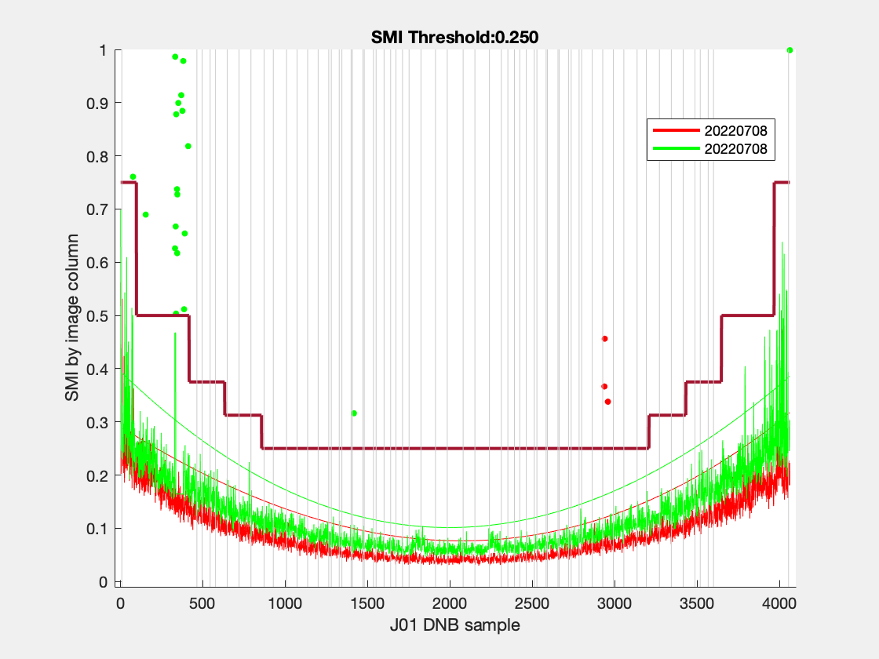
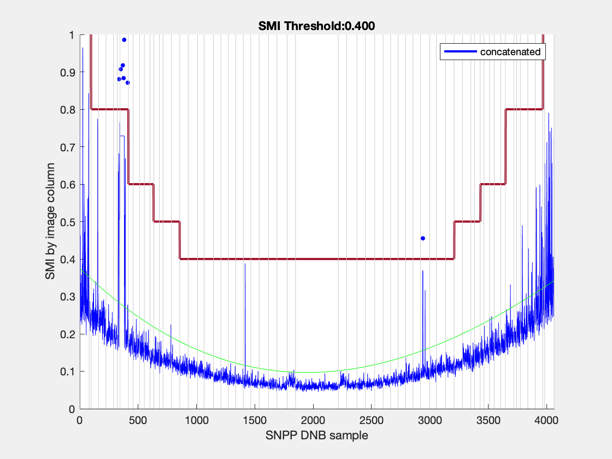
SVDNB_npp_d20220708_t1028229_e1029471_b55417_c20220708155646366494_oeac_ops.h5 | npp_d20220708_t1028229_e1029471_b55417 | 20220708 | t1028229 | e1029471 | b55417_c20220708155646366494 | 3 | 3.9552e-08; -0.00019662; 0.29122; | 0 | 0 | 0.25 | 0
SVDNB_npp_d20220708_t1200507_e1202149_b55418_c20220708171941672567_oeac_ops.h5 | npp_d20220708_t1200507_e1202149_b55418 | 20220708 | t1200507 | e1202149 | b55418_c20220708171941672567 | 3 | 8.0912e-08; -0.00030136; 0.39485; | 0 | 0 | 0.25 | 0

202208
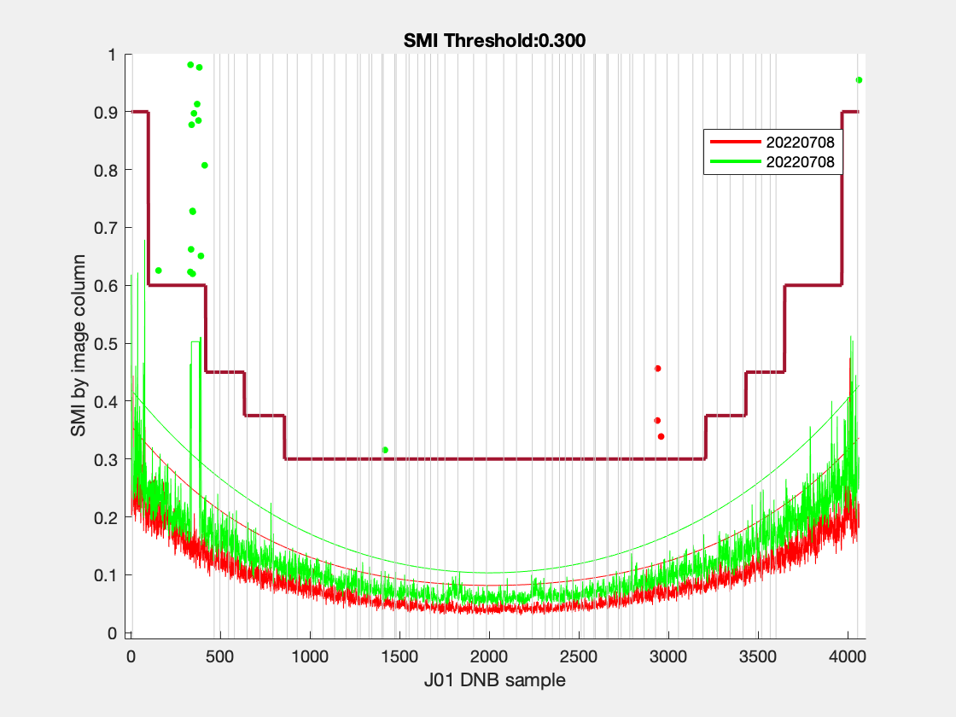
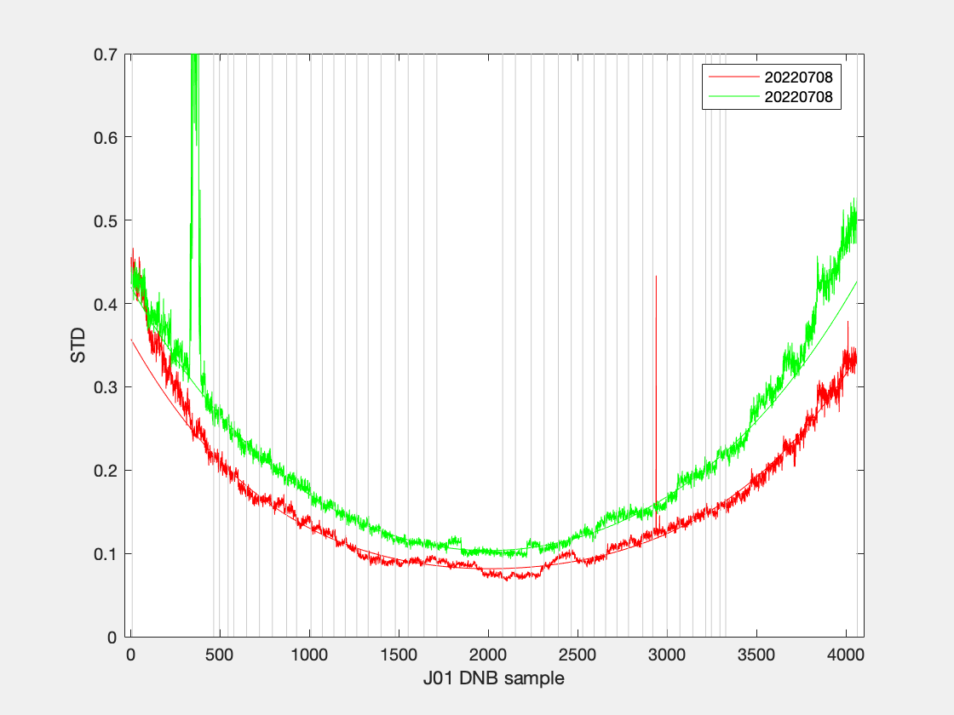
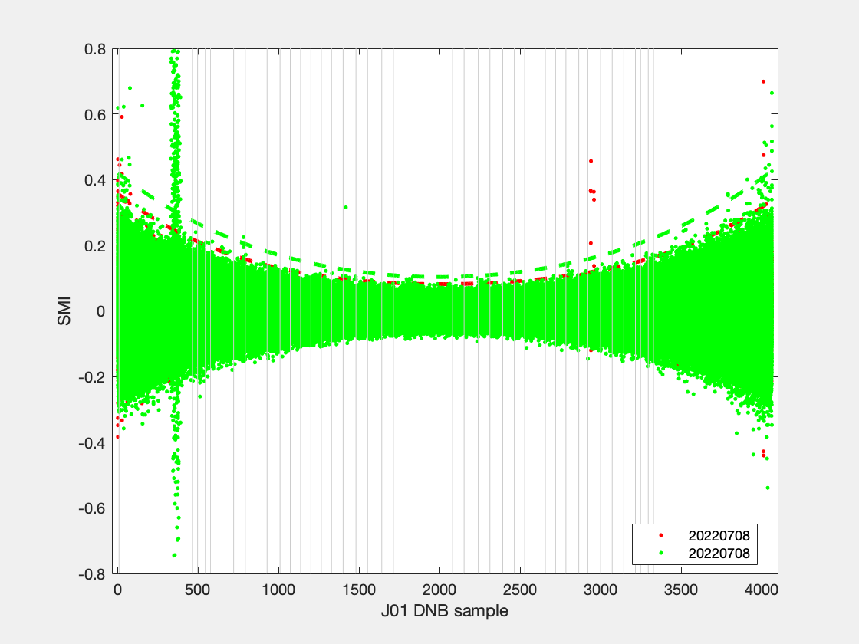
filename | granule_name | YMD | start_time | end_time | id | degree | coeff | ltrim | rtrim | SMI | null

201911
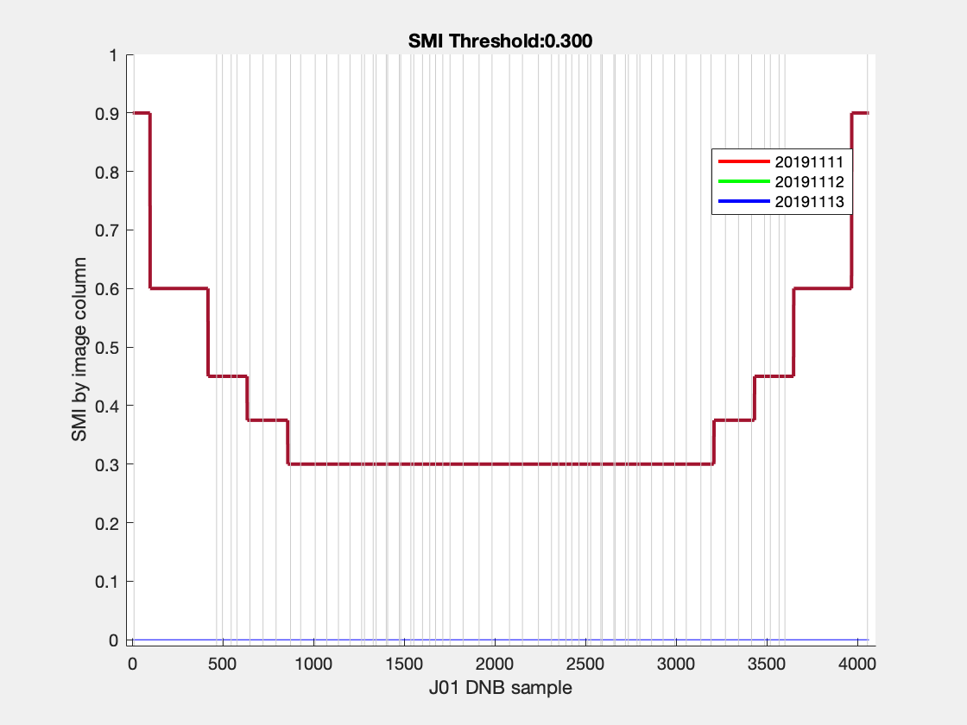
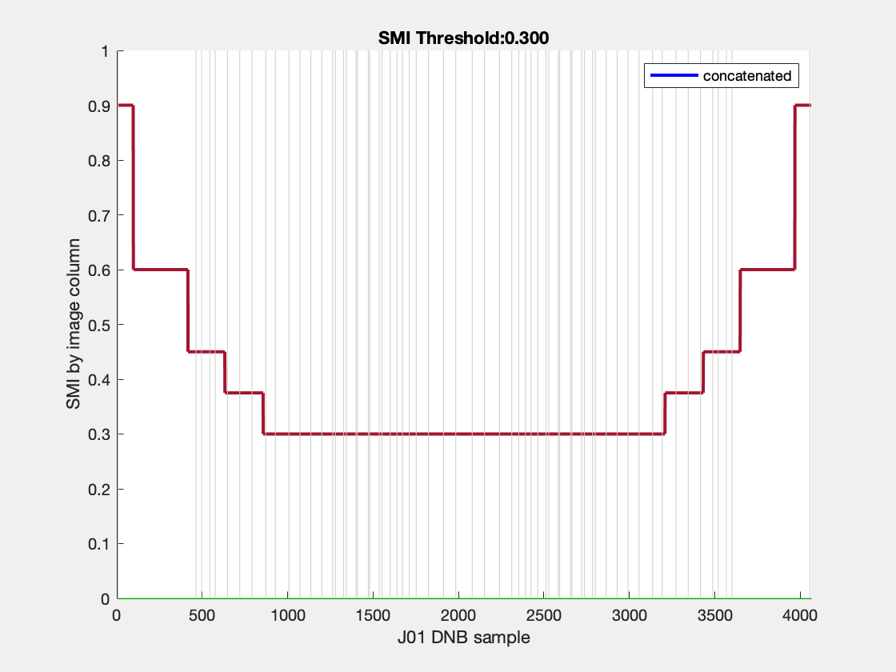
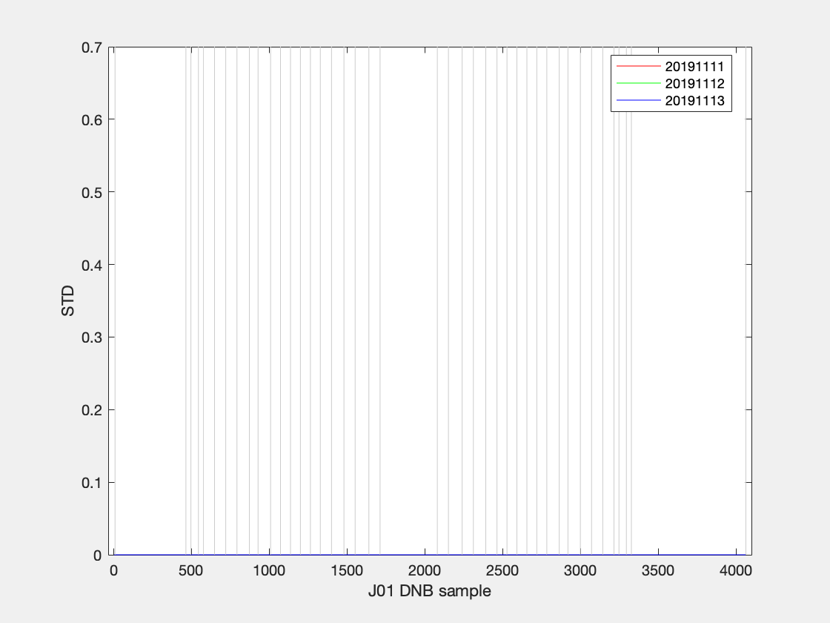
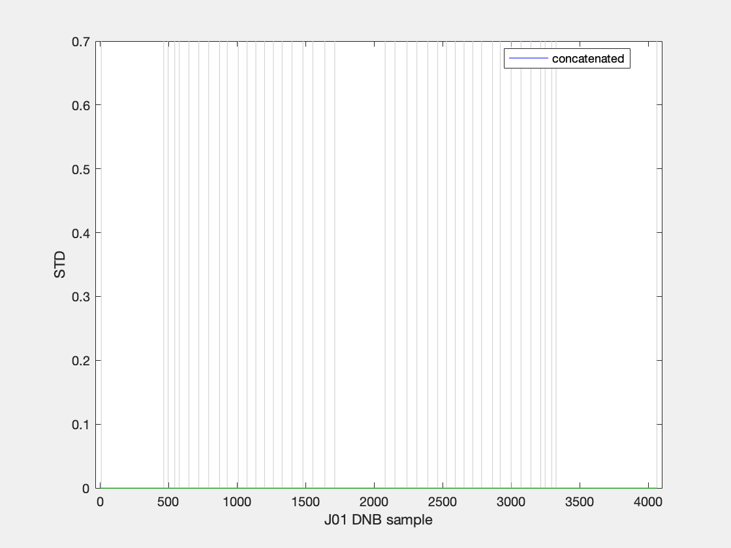
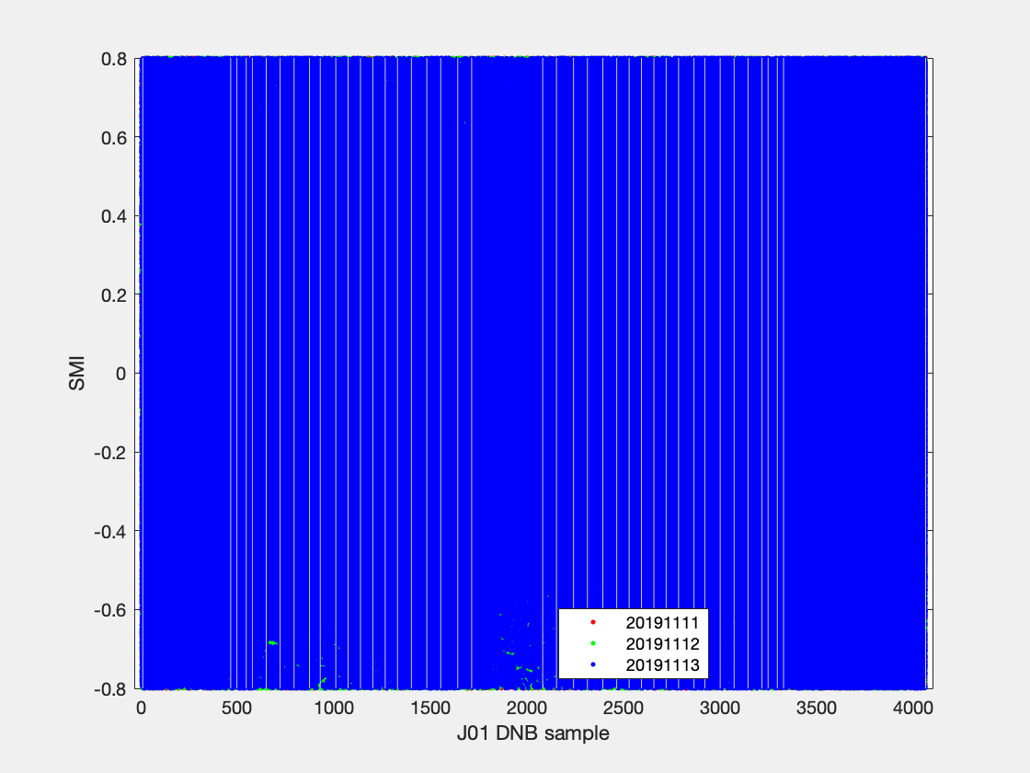
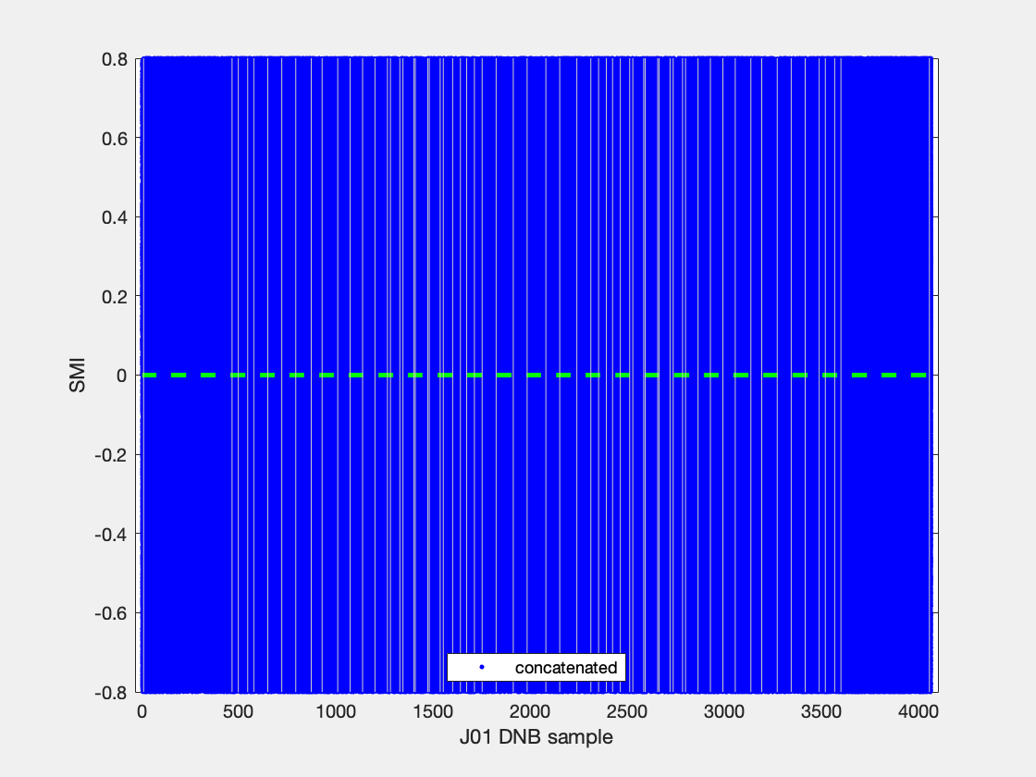
filename | granule_name | YMD | start_time | end_time | id | degree | coeff | ltrim | rtrim | SMI | null
SVDNB_j01_d20191111_t0601143_e0602388_b10256_c20200924074002632135_noac_ops.h5 | j01_d20191111_t0601143_e0602388_b10256 | 20191111 | t0601143 | e0602388 | b10256_c20200924074002632135 | 3 | 0; 0; 0; | 0 | 0 | 0.3 | 0
SVDNB_j01_d20191112_t0542192_e0543437_b10270_c20200924224459054591_noac_ops.h5 | j01_d20191112_t0542192_e0543437_b10270 | 20191112 | t0542192 | e0543437 | b10270_c20200924224459054591 | 3 | 0; 0; 0; | 0 | 0 | 0.3 | 0
SVDNB_j01_d20191113_t0523241_e0524486_b10284_c20200923165450183188_noac_ops.h5 | j01_d20191113_t0523241_e0524486_b10284 | 20191113 | t0523241 | e0524486 | b10284_c20200923165450183188 | 3 | 0; 0; 0; | 0 | 0 | 0.3 | 0

