202207
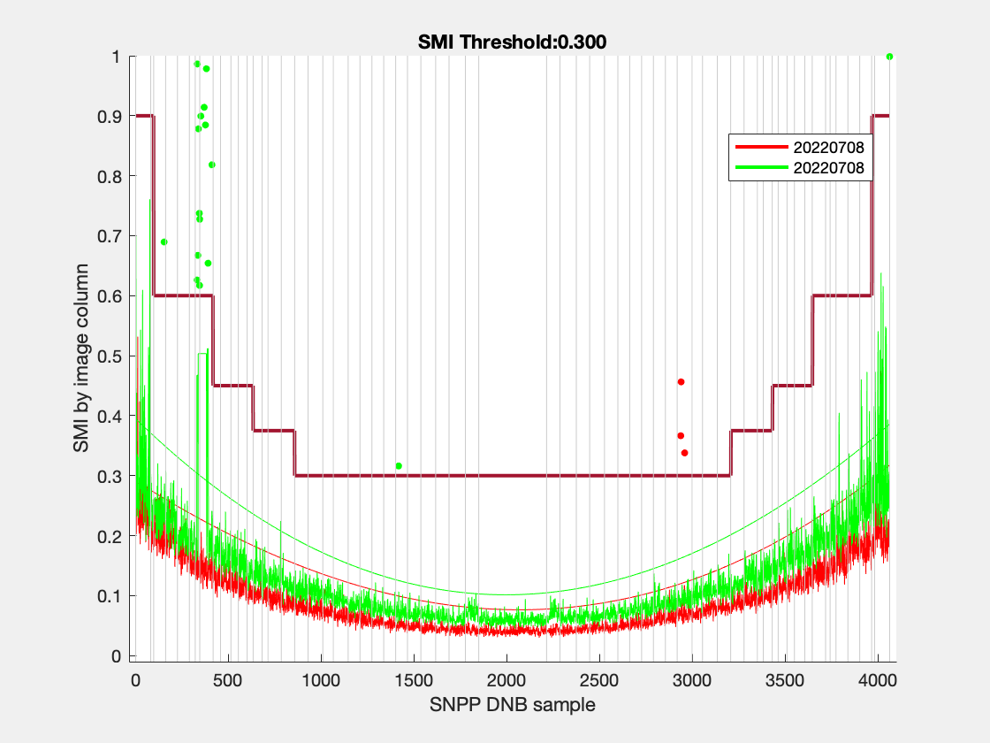
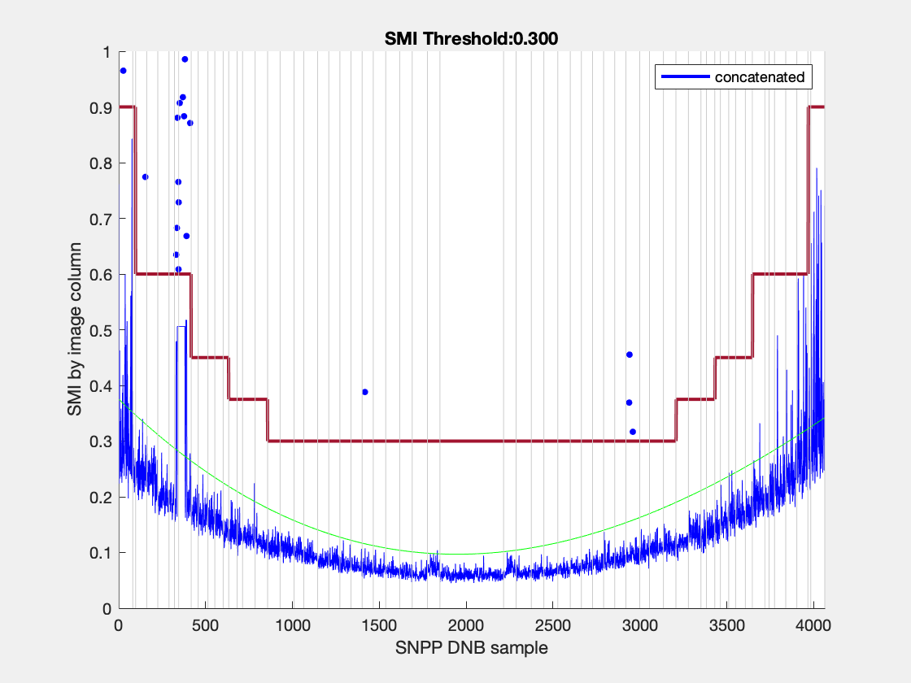
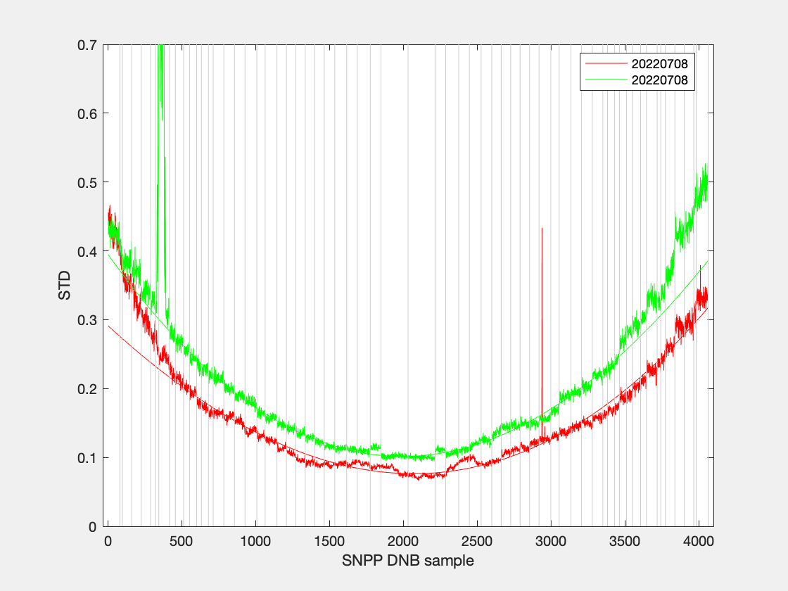
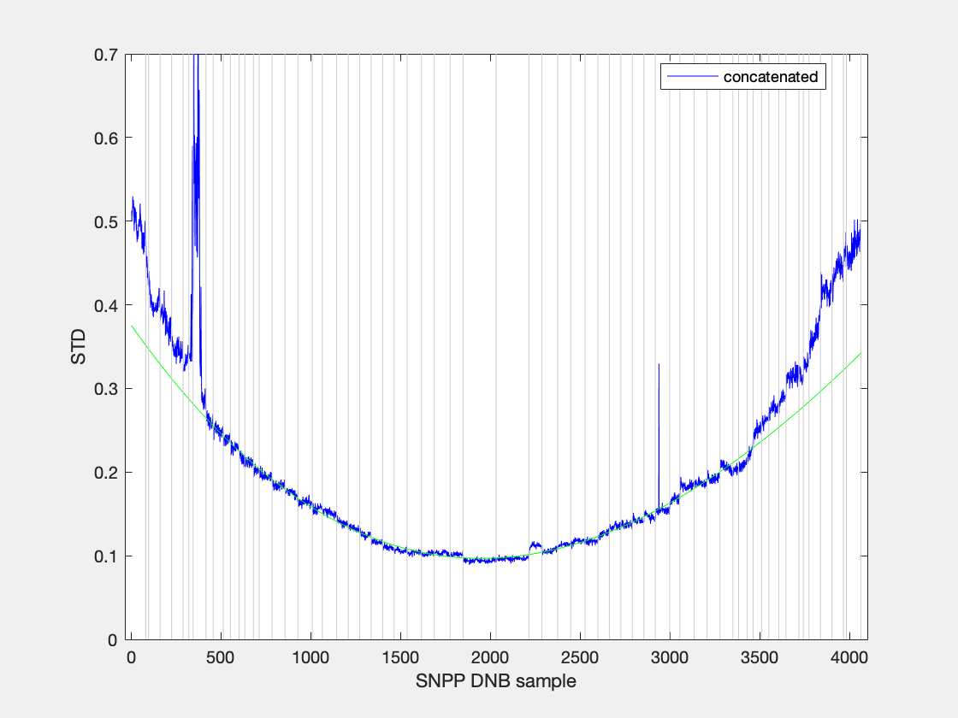
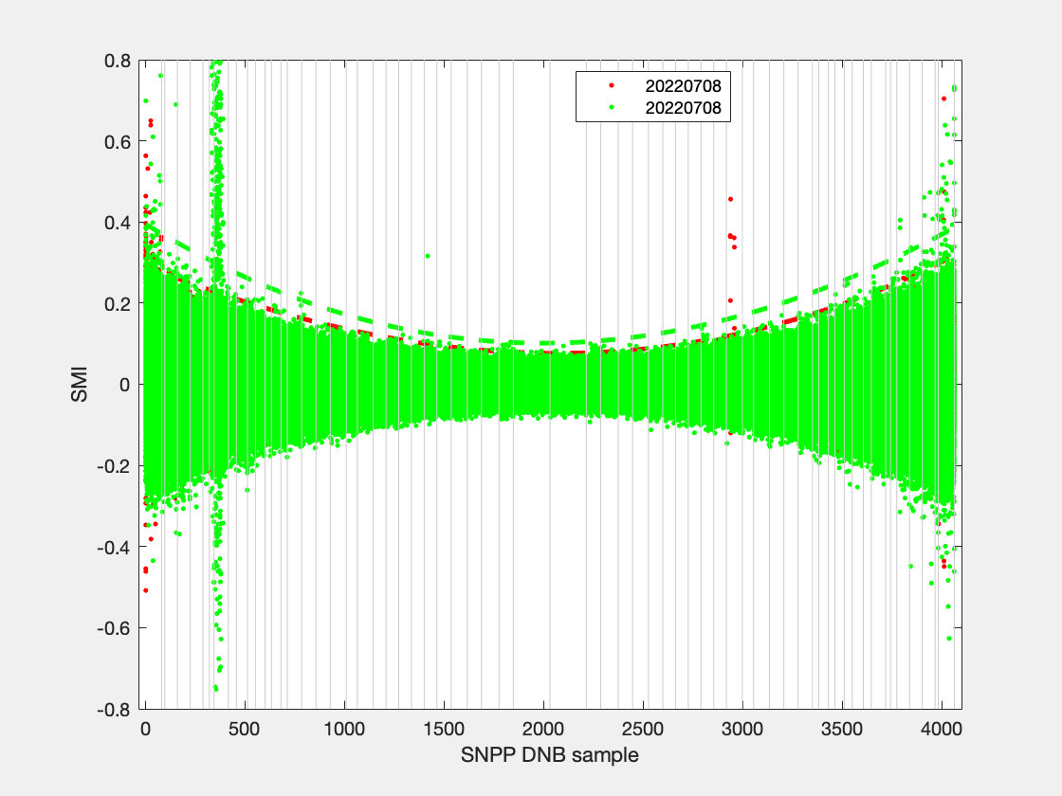
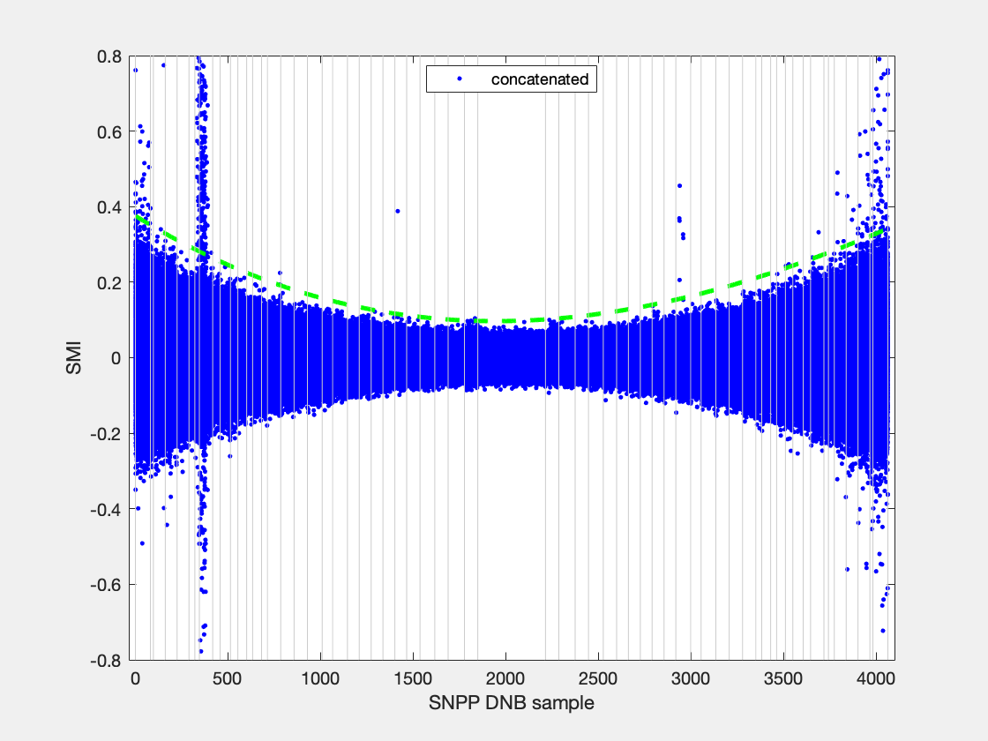
filename | granule_name | YMD | start_time | end_time | id | degree | coeff | ltrim | rtrim | SMI | null
SVDNB_npp_d20220708_t1028229_e1029471_b55417_c20220708155646366494_oeac_ops.h5 | npp_d20220708_t1028229_e1029471_b55417 | 20220708 | t1028229 | e1029471 | b55417_c20220708155646366494 | 3 | 3.9552e-08; -0.00019662; 0.29122; | 0 | 0 | 0.3 | 0
SVDNB_npp_d20220708_t1200507_e1202149_b55418_c20220708171941672567_oeac_ops.h5 | npp_d20220708_t1200507_e1202149_b55418 | 20220708 | t1200507 | e1202149 | b55418_c20220708171941672567 | 3 | 8.0912e-08; -0.00030136; 0.39485; | 0 | 0 | 0.3 | 0

