MARCH
NO | PICTURE | ITEM REFERENCE | EAN 13 | FOB PRICE (USD) | AVAILABLE QTY (CARTONS) | ITEM DESCRIPTION | INNER PACKING | ARTICLE N.W. Glass (gr) | ARTICLE N.W. Plastik (gr) | ARTICLE VOL. (ml) | ARTICLE DIA. (mm) | ARTICLE Height (mm) | INNER QTY | INNER G.W. | INNER N.W. | INNER N.W. inner | INNER DIMENSION (CM) P | INNER DIMENSION (CM) L | INNER DIMENSION (CM) T | INNER DIMENSION (CM) CBM | MASTER N.W. Master | CARTON DIMENSION (CM) | CARTON DIMENSION (CM) | CARTON DIMENSION (CM) | CARTON DIMENSION (CM) | CARTON DIMENSION (CM) | PIECE QTY PER MASTER CTN | N.W. (KG) PER CTN | G.W. (KG) PER CTN | CBM PER CTN | QTY PER-CONTAINER 20' | QTY PER-CONTAINER 40' | QTY PER-CONTAINER 40'HC | Image Filename
1 | 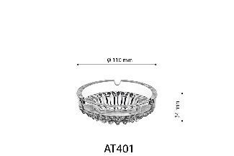 | AT401 | 8 993373 250146 | 0.165 | 1,315 | 10.9 cm ashtray | 6 pcs in brown box | 190 |  |  | 109 |  | 6 |  |  |  | 15.7 | 11.7 | 11.7 |  | 0.45 | 48.8 | x | 24.5 | x | 25.0 | 72 |  |  |  | 927 |  |  | f75e30028daf44e09affacd5cfe4be58.png
 | 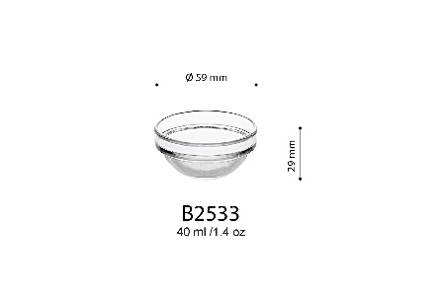 | B2533 | 8 993373 255707 | 0.105 | 1,267 | 5.9 cm (40 ml) bowl | 12 pcs in brown box | 45 |  | 40 | 59 |  | 12 |  |  |  | 13.5 | 9.3 | 6.8 |  | 0.18 | 41.0 | x | 19.2 | x | 15.5 | 144 |  |  |  | 2,520 |  |  | cdde7118aee6497aa5238adb035940d0.png
 | 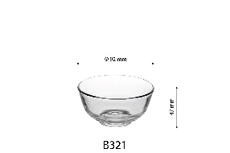 | B321 | 8 993373 250191 | 0.115 | 300 | 9.2 cm (165 ml) bowl | 6 pcs in brown box | 110 |  | 165 | 92 |  | 6 |  |  |  | 9.4 | 9.4 | 12.5 |  | 0.40 | 39.5 | x | 29.5 | x | 27.5 | 144 |  |  |  | 904 |  |  | a63d0e2935b44516aa5cdabcad8f81d5.png
 | 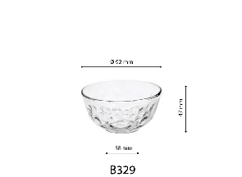 | B329 | 8 993373 382335 | 0.115 | 300 | 9.2 cm (165 ml) bowl | 6 pcs in brown box | 110 |  | 165 | 92 |  | 6 |  |  |  | 9.4 | 9.4 | 12.5 |  | 0.40 | 39.5 | x | 29.5 | x | 27.5 | 144 |  |  |  | 904 |  |  | e8dc63b7931a4a6888c9626615c66853.png
 | 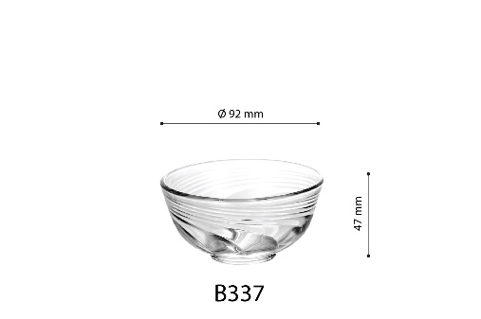 | B337 | 8 993373 381093 | 0.115 | 450 | 9.2 cm (165 ml) bowl | 6 pcs in brown box | 110 |  | 165 | 92 |  | 6 |  |  |  | 9.4 | 9.4 | 12.5 |  | 0.40 | 39.5 | x | 29.5 | x | 27.5 | 144 |  |  |  | 904 |  |  | d3c114cdf3f344b8b0d52e555380e883.png

